unit price (Main Crops)
 |  | Unit Price of the main crops (IRR/kg) |  |  |  |  |  |  | Unit Price of the main crops (USD/kg) |  |  |  |  |  | unit price (IRR 2019) |  |  |  |  | unit price (USD 2019)
water year | water year | Wheat | Barley | Corn | Sugar beet | Alfalfa | Mean cereals | Exchange Rate | Wheat | Barley | Corn | Sugar beet | Alfalfa | Mean cereals | Wheat | Barley | Corn | Sugar beet | Alfalfa | Wheat | Barley | Corn | Sugar beet | Alfalfa
1374 | 1995 | 330 | 255 | 280 | 78 | 220 | 288 | 4027 | 0.08 | 0.06 | 0.07 | 0.02 | 0.05 | 0.07 | 19147 | 14796 | 16246 | 4526 | 12765 | 0.17 | 0.13 | 0.15 | 0.04 | 0.12
1375 | 1996 | 410 | 317 | 348 | 97 | 380 | 358 | 4445 | 0.09 | 0.07 | 0.08 | 0.02 | 0.09 | 0.08 | 18450 | 14265 | 15660 | 4365 | 17100 | 0.17 | 0.13 | 0.14 | 0.04 | 0.16
1376 | 1997 | 480 | 378 | 430 | 125 | 428.3 | 429 | 4782 | 0.10 | 0.08 | 0.09 | 0.03 | 0.09 | 0.09 | 18407 | 14495 | 16490 | 4793 | 16424 | 0.17 | 0.13 | 0.15 | 0.04 | 0.15
1377 | 1998 | 600 | 478 | 534 | 157 | 310 | 537 | 6591 | 0.09 | 0.07 | 0.08 | 0.02 | 0.05 | 0.08 | 19521 | 15552 | 17374 | 5108 | 10086 | 0.18 | 0.14 | 0.16 | 0.05 | 0.09
1378 | 1999 | 672 | 535 | 598 | 175 | 505 | 602 | 8660 | 0.08 | 0.06 | 0.07 | 0.02 | 0.06 | 0.07 | 18209 | 14497 | 16204 | 4742 | 13684 | 0.17 | 0.13 | 0.15 | 0.04 | 0.12
1379 | 2000 | 875 | 694 | 775 | 225 | 800 | 781 | 8190 | 0.11 | 0.08 | 0.09 | 0.03 | 0.10 | 0.10 | 20711 | 16427 | 18344 | 5326 | 18936 | 0.19 | 0.15 | 0.17 | 0.05 | 0.17
1380 | 2001 | 1050 | 800 | 890 | 252 | 758 | 913 | 8009 | 0.13 | 0.10 | 0.11 | 0.03 | 0.09 | 0.11 | 22335 | 17017 | 18932 | 5360 | 16124 | 0.20 | 0.15 | 0.17 | 0.05 | 0.15
1381 | 2002 | 1300 | 990 | 1070 | 303 | 691.4 | 1120 | 8019 | 0.16 | 0.12 | 0.13 | 0.04 | 0.09 | 0.14 | 24186 | 18418 | 19907 | 5637 | 12863 | 0.22 | 0.17 | 0.18 | 0.05 | 0.12
1382 | 2003 | 1500 | 1120 | 1220 | 355 | 850 | 1280 | 8325 | 0.18 | 0.13 | 0.15 | 0.04 | 0.10 | 0.15 | 23961 | 17891 | 19488 | 5671 | 13578 | 0.22 | 0.16 | 0.18 | 0.05 | 0.12
1383 | 2004 | 1700 | 1250 | 1350 | 390 | 1293 | 1433 | 8748 | 0.19 | 0.14 | 0.15 | 0.04 | 0.15 | 0.16 | 23663 | 17399 | 18791 | 5429 | 17995 | 0.22 | 0.16 | 0.17 | 0.05 | 0.16
1384 | 2005 | 2050 | 1520 | 1620 | 460 | 1315 | 1730 | 9042 | 0.23 | 0.17 | 0.18 | 0.05 | 0.15 | 0.19 | 25155 | 18652 | 19879 | 5645 | 16133 | 0.23 | 0.17 | 0.18 | 0.05 | 0.15
1385 | 2006 | 2050 | 1520 | 1620 | 460 | 1328 | 1730 | 9226 | 0.22 | 0.16 | 0.18 | 0.05 | 0.14 | 0.19 | 22865 | 16954 | 18069 | 5131 | 14813 | 0.21 | 0.15 | 0.16 | 0.05 | 0.13
1386 | 2007 | 2250 | 1650 | 1750 | 500 | 1492 | 1883 | 9358 | 0.24 | 0.18 | 0.19 | 0.05 | 0.16 | 0.20 | 21387 | 15684 | 16634 | 4753 | 14183 | 0.19 | 0.14 | 0.15 | 0.04 | 0.13
1387 | 2008 | 3050 | 2700 | 2760 | 620 | 2572 | 2837 | 9667 | 0.32 | 0.28 | 0.29 | 0.06 | 0.27 | 0.29 | 23117 | 20464 | 20919 | 4699 | 19494 | 0.21 | 0.19 | 0.19 | 0.04 | 0.18
1388 | 2009 | 3300 | 2600 | 2760 | 750 | 1927 | 2887 | 9979 | 0.33 | 0.26 | 0.28 | 0.08 | 0.19 | 0.29 | 22027 | 17355 | 18423 | 5006 | 12863 | 0.20 | 0.16 | 0.17 | 0.05 | 0.12
1389 | 2010 | 3600 | 2900 | 3000 | 900 | 1927 | 3167 | 10442 | 0.34 | 0.28 | 0.29 | 0.09 | 0.18 | 0.30 | 21827 | 17583 | 18189 | 5457 | 11685 | 0.20 | 0.16 | 0.17 | 0.05 | 0.11
1390 | 2011 | 3950 | 3400 | 3500 | 1050 | 3103 | 3617 | 12047 | 0.33 | 0.28 | 0.29 | 0.09 | 0.26 | 0.30 | 19814 | 17055 | 17557 | 5267 | 15565 | 0.18 | 0.16 | 0.16 | 0.05 | 0.14
1391 | 2012 | 5500 | 4500 | 4650 | 1350 | 4732 | 4883 | 26078 | 0.21 | 0.17 | 0.18 | 0.05 | 0.18 | 0.19 | 21942 | 17953 | 18551 | 5386 | 18877 | 0.20 | 0.16 | 0.17 | 0.05 | 0.17
1392 | 2013 | 10500 | 7800 | 8700 | 2100 | 5341 | 9000 | 31838 | 0.33 | 0.24 | 0.27 | 0.07 | 0.17 | 0.28 | 30079 | 22344 | 24923 | 6016 | 15300 | 0.27 | 0.20 | 0.23 | 0.05 | 0.14
1393 | 2014 | 11500 | 9200 | 9600 | 2700 | 6499 | 10100 | 32800 | 0.35 | 0.28 | 0.29 | 0.08 | 0.20 | 0.31 | 28104 | 22483 | 23461 | 6598 | 15881 | 0.26 | 0.20 | 0.21 | 0.06 | 0.14
1394 | 2015 | 12705 | 10028 | 10368 | 2916 | 6728 | 11034 | 34501 | 0.37 | 0.29 | 0.30 | 0.08 | 0.20 | 0.32 | 27308 | 21554 | 22285 | 6268 | 14461 | 0.25 | 0.20 | 0.20 | 0.06 | 0.13
1395 | 2016 | 13000 | 10300 | 10650 | 3091 | 8116 | 11317 | 36440 | 0.36 | 0.28 | 0.29 | 0.08 | 0.22 | 0.31 | 25717 | 20376 | 21068 | 6115 | 16055 | 0.23 | 0.19 | 0.19 | 0.06 | 0.15
1396 | 2017 | 14300 | 10300 | 11502 | 3276 | 6620 | 12034 | 42000 | 0.34 | 0.25 | 0.27 | 0.08 | 0.16 | 0.29 | 25720 | 18526 | 20687 | 5892 | 11907 | 0.23 | 0.17 | 0.19 | 0.05 | 0.11
1397 | 2018 | 14700 | 11639 | 12272 | 3403 | 11594 | 12870 | 42000 | 0.35 | 0.28 | 0.29 | 0.08 | 0.28 | 0.31 | 20158 | 11639 | 16829 | 4667 | 15899 | 0.18 | 0.11 | 0.15 | 0.04 | 0.14
 |  | country-wide guaranteed price |  |  |  |  |  |  |  |  |  |  |  |  |  |  |  |  |  |  |  |  |  |  | Fig.S8

LakeElevationVolume
Elevation(m) | Volume(m3) | Volume (BCM) | dL(m) | dv (km3)
1267.08 | - | 0.00
1267.1 | 3,518 | 0.00
1267.2 | 914,169 | 0.00
1267.3 | 3,400,201 | 0.00
 | Volume (BCM)
1267.08 | 0
1267.1 | 3.5181996285E-06
1267.2 | 0.00091416884179
1267.3 | 0.0034002008782
1267.4 | 0.0085046921867
1267.5 | 0.017077233042
1267.6 | 0.028976655454
1267.7 | 0.043700700768
1267.8 | 0.061188793429
1267.9 | 0.081311180299
1268 | 0.10422062287
1268.1 | 0.12992948636
1268.2 | 0.15920479576
1268.3 | 0.19439435729
1268.4 | 0.23725600806
1268.5 | 0.28620792225
1268.6 | 0.33968889231
1268.7 | 0.39676338414
1268.8 | 0.45686467768
1268.9 | 0.51981437267
1269 | 0.58606509021
1269.1 | 0.65701799022
1269.2 | 0.73332070313
1269.3 | 0.81322965687
1269.4 | 0.89569693329
1269.5 | 0.98107227971
1269.6 | 1.0695654383
1269.7 | 1.1613025765
1269.8 | 1.2566893409
1269.9 | 1.3585646845
1270 | 1.4751076416
1270.1 | 1.6172093049
1270.2 | 1.7737605386
1270.3 | 1.943616149
1270.4 | 2.1258364203
1270.5 | 2.319996414
1270.6 | 2.5259691836
1270.7 | 2.7434939141
1270.8 | 2.9723156134
1270.9 | 3.2125920209
1271 | 3.4640220591
1271.1 | 3.7271192038
1271.2 | 3.9988103255
1271.3 | 4.2781265734
1271.4 | 4.5645538134
1271.5 | 4.8577460513
1271.6 | 5.1574903198
1271.7 | 5.4636826979
1271.8 | 5.7762307218
1271.9 | 6.0952722854
...
1267.4 | 8,504,692 | 0.01
1267.5 | 17,077,233 | 0.02
1267.6 | 28,976,655 | 0.03
1267.7 | 43,700,701 | 0.04
1267.8 | 61,188,793 | 0.06
1267.9 | 81,311,180 | 0.08
1268 | 104,220,623 | 0.10
1268.1 | 129,929,486 | 0.13 | 0.10 | 0.03
1268.2 | 159,204,796 | 0.16 | 0.20 | 0.05
1268.3 | 194,394,357 | 0.19 | 0.30 | 0.09
1268.4 | 237,256,008 | 0.24 | 0.40 | 0.13
1268.5 | 286,207,922 | 0.29 | 0.50 | 0.18
1268.6 | 339,688,892 | 0.34 | 0.60 | 0.24
1268.7 | 396,763,384 | 0.40 | 0.70 | 0.29
1268.8 | 456,864,678 | 0.46 | 0.80 | 0.35
1268.9 | 519,814,373 | 0.52 | 0.90 | 0.42
1269 | 586,065,090 | 0.59 | 1.00 | 0.48
1269.1 | 657,017,990 | 0.66 | 1.10 | 0.55
1269.2 | 733,320,703 | 0.73 | 1.20 | 0.63
1269.3 | 813,229,657 | 0.81 | 1.30 | 0.71
1269.4 | 895,696,933 | 0.90 | 1.40 | 0.79
1269.5 | 981,072,280 | 0.98 | 1.50 | 0.88
1269.6 | 1,069,565,438 | 1.07 | 1.60 | 0.97
1269.7 | 1,161,302,576 | 1.16 | 1.70 | 1.06
1269.8 | 1,256,689,341 | 1.26 | 1.80 | 1.15
1269.9 | 1,358,564,684 | 1.36 | 1.90 | 1.25
1270 | 1,475,107,642 | 1.48 | 2.00 | 1.37
1270.1 | 1,617,209,305 | 1.62 | 2.10 | 1.51
1270.2 | 1,773,760,539 | 1.77 | 2.20 | 1.67
1270.3 | 1,943,616,149 | 1.94 | 2.30 | 1.84
1270.4 | 2,125,836,420 | 2.13 | 2.40 | 2.02
1270.5 | 2,319,996,414 | 2.32 | 2.50 | 2.22
1270.6 | 2,525,969,184 | 2.53 | 2.60 | 2.42
1270.7 | 2,743,493,914 | 2.74 | 2.70 | 2.64
1270.8 | 2,972,315,613 | 2.97 | 2.80 | 2.87
1270.9 | 3,212,592,021 | 3.21 | 2.90 | 3.11
1271 | 3,464,022,059 | 3.46 | 3.00 | 3.36
1271.1 | 3,727,119,204 | 3.73 | 3.10 | 3.62
1271.2 | 3,998,810,326 | 4.00 | 3.20 | 3.89
1271.3 | 4,278,126,573 | 4.28 | 3.30 | 4.17
1271.4 | 4,564,553,813 | 4.56 | 3.40 | 4.46
1271.5 | 4,857,746,051 | 4.86 | 3.50 | 4.75
1271.6 | 5,157,490,320 | 5.16 | 3.60 | 5.05
1271.7 | 5,463,682,698 | 5.46 | 3.70 | 5.36
1271.8 | 5,776,230,722 | 5.78 | 3.80 | 5.67
1271.9 | 6,095,272,285 | 6.10 | 3.90 | 5.99
1272 | 6,421,741,397 | 6.42 | 4.00 | 6.32
1272.1 | 6,759,416,227 | 6.76 | 4.10 | 6.66
1272.2 | 7,104,316,243 | 7.10 | 4.20 | 7.00
1272.3 | 7,454,756,206 | 7.45 | 4.30 | 7.35
1272.4 | 7,810,216,367 | 7.81 | 4.40 | 7.71
1272.5 | 8,170,557,169 | 8.17 | 4.50 | 8.07
1272.6 | 8,535,623,500 | 8.54 | 4.60 | 8.43
1272.7 | 8,905,400,682 | 8.91 | 4.70 | 8.80
1272.8 | 9,280,087,189 | 9.28 | 4.80 | 9.18
1272.9 | 9,660,004,949 | 9.66 | 4.90 | 9.56
1273 | 10,045,895,927 | 10.05 | 5.00 | 9.94
1273.1 | 10,439,322,759 | 10.44 | 5.10 | 10.34
1273.2 | 10,837,471,299 | 10.84 | 5.20 | 10.73
1273.3 | 11,239,209,249 | 11.24 | 5.30 | 11.13
1273.4 | 11,644,267,558 | 11.64 | 5.40 | 11.54
1273.5 | 12,052,549,045 | 12.05 | 5.50 | 11.95
1273.6 | 12,464,027,735 | 12.46 | 5.60 | 12.36
1273.7 | 12,878,746,924 | 12.88 | 5.70 | 12.77
1273.8 | 13,296,816,829 | 13.30 | 5.80 | 13.19
1273.9 | 13,718,456,332 | 13.72 | 5.90 | 13.61
1274 | 14,144,350,527 | 14.14 | 6.00 | 14.04 | 1.7 | 7.8
1274.1 | 14,576,607,396 | 14.58 | 6.10 | 14.47
1274.2 | 15,013,301,670 | 15.01 | 6.20 | 14.91
1274.3 | 15,453,398,326 | 15.45 | 6.30 | 15.35
1274.4 | 15,896,567,865 | 15.90 | 6.40 | 15.79
1274.5 | 16,342,643,359 | 16.34 | 6.50 | 16.24
1274.6 | 16,791,611,943 | 16.79 | 6.60 | 16.69
1274.7 | 17,243,522,201 | 17.24 | 6.70 | 17.14
1274.8 | 17,698,471,943 | 17.70 | 6.80 | 17.59
1274.9 | 18,156,757,186 | 18.16 | 6.90 | 18.05
1275 | 18,619,245,345 | 18.62 | 7.00 | 18.52
1275.1 | 19,088,745,615 | 19.09 | 7.10 | 18.98
1275.2 | 19,563,506,048 | 19.56 | 7.20 | 19.46
1275.3 | 20,042,460,042 | 20.04 | 7.30 | 19.94
1275.4 | 20,525,148,865 | 20.53 | 7.40 | 20.42
1275.5 | 21,011,342,474 | 21.01 | 7.50 | 20.91
1275.6 | 21,500,997,036 | 21.50 | 7.60 | 21.40
1275.7 | 21,994,142,310 | 21.99 | 7.70 | 21.89
1275.8 | 22,490,867,008 | 22.49 | 7.80 | 22.39
1275.9 | 22,991,440,769 | 22.99 | 7.90 | 22.89
1276 | 23,496,769,116 | 23.50 | 8.00 | 23.39
1276.1 | 24,008,925,564 | 24.01 | 8.10 | 23.90
1276.2 | 24,525,424,390 | 24.53 | 8.20 | 24.42
1276.3 | 25,045,390,274 | 25.05 | 8.30 | 24.94
1276.4 | 25,568,541,414 | 25.57 | 8.40 | 25.46
1276.5 | 26,094,794,146 | 26.09 | 8.50 | 25.99
1276.6 | 26,624,079,129 | 26.62 | 8.60 | 26.52
1276.7 | 27,156,481,364 | 27.16 | 8.70 | 27.05
1276.8 | 27,692,261,403 | 27.69 | 8.80 | 27.59
1276.9 | 28,231,903,231 | 28.23 | 8.90 | 28.13
1277 | 28,776,678,310 | 28.78 | 9.00 | 28.67
1277.1 | 29,333,023,465 | 29.33 | 9.10 | 29.23
1277.2 | 29,897,480,615 | 29.90 | 9.20 | 29.79
1277.3 | 30,466,068,102 | 30.47 | 9.30 | 30.36
1277.4 | 31,036,576,067 | 31.04 | 9.40 | 30.93
1277.5 | 31,608,124,868 | 31.61 | 9.50 | 31.50
1277.6 | 32,180,086,660 | 32.18 | 9.60 | 32.08
1277.7 | 32,752,164,153 | 32.75 | 9.70 | 32.65
1277.8 | 33,324,294,166 | 33.32 | 9.80 | 33.22
1277.9 | 33,896,446,873 | 33.90 | 9.90 | 33.79
1278 | 34,468,613,553 | 34.47 | 10.00 | 34.36

Land Use
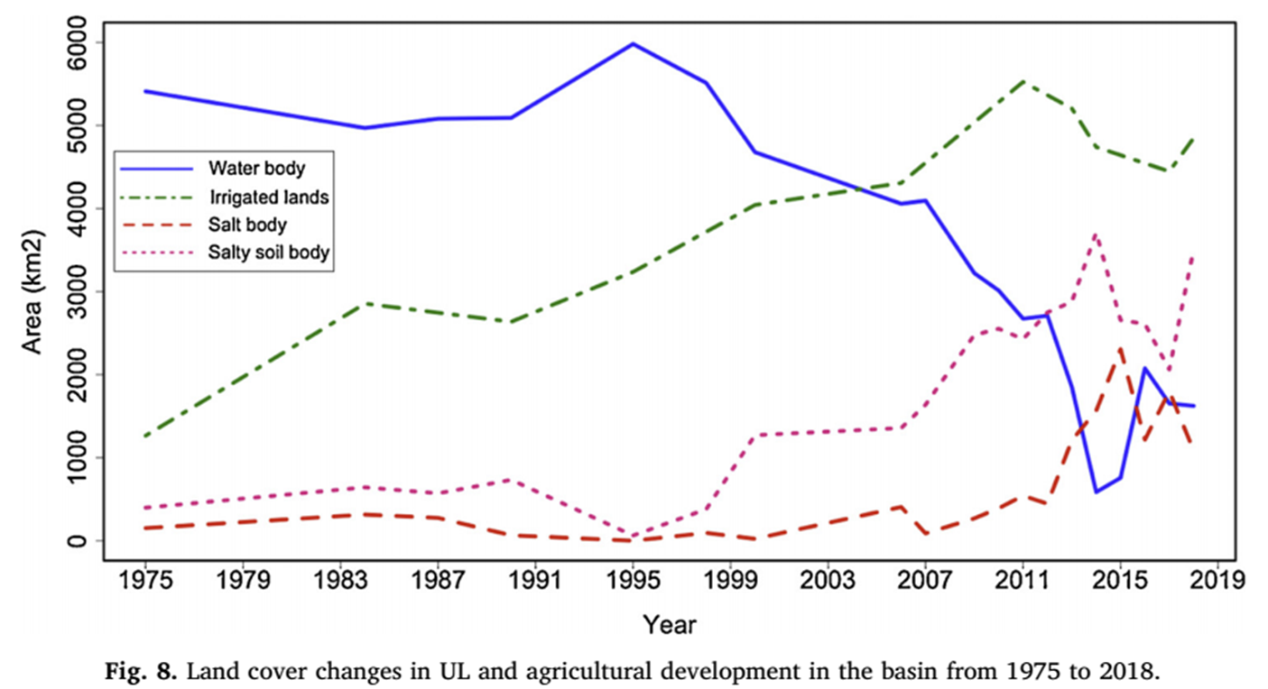
(2003-2007)
Near Norma
1994-1998)
Wet period
1998-2002)
dry period
2007-2009)
Wet period
2011-2012)
Wet period
Year | Area (km2) | Ghalea etal.,2019
1995 | 3276
1996 | 3443
1997 | 3592
1998 | 3755
1999 | 3914
2000 | 4308
2001 | 4129
2002 | 4169
2003 | 4223
2004 | 4270
2005 | 4318
2006 | 4368
2007 | 4575
2008 | 4820
2009 | 5111
2010 | 5377
2011 | 5525
2012 | 5396
2013 | 5406
2014 | 4641
2015 | 4694
2016 | 4545
2017 | 4499
2018 | 4850
Extracted values from fig.8 in Ghalea etal.,2019 |  | Ghalea etal.,2017
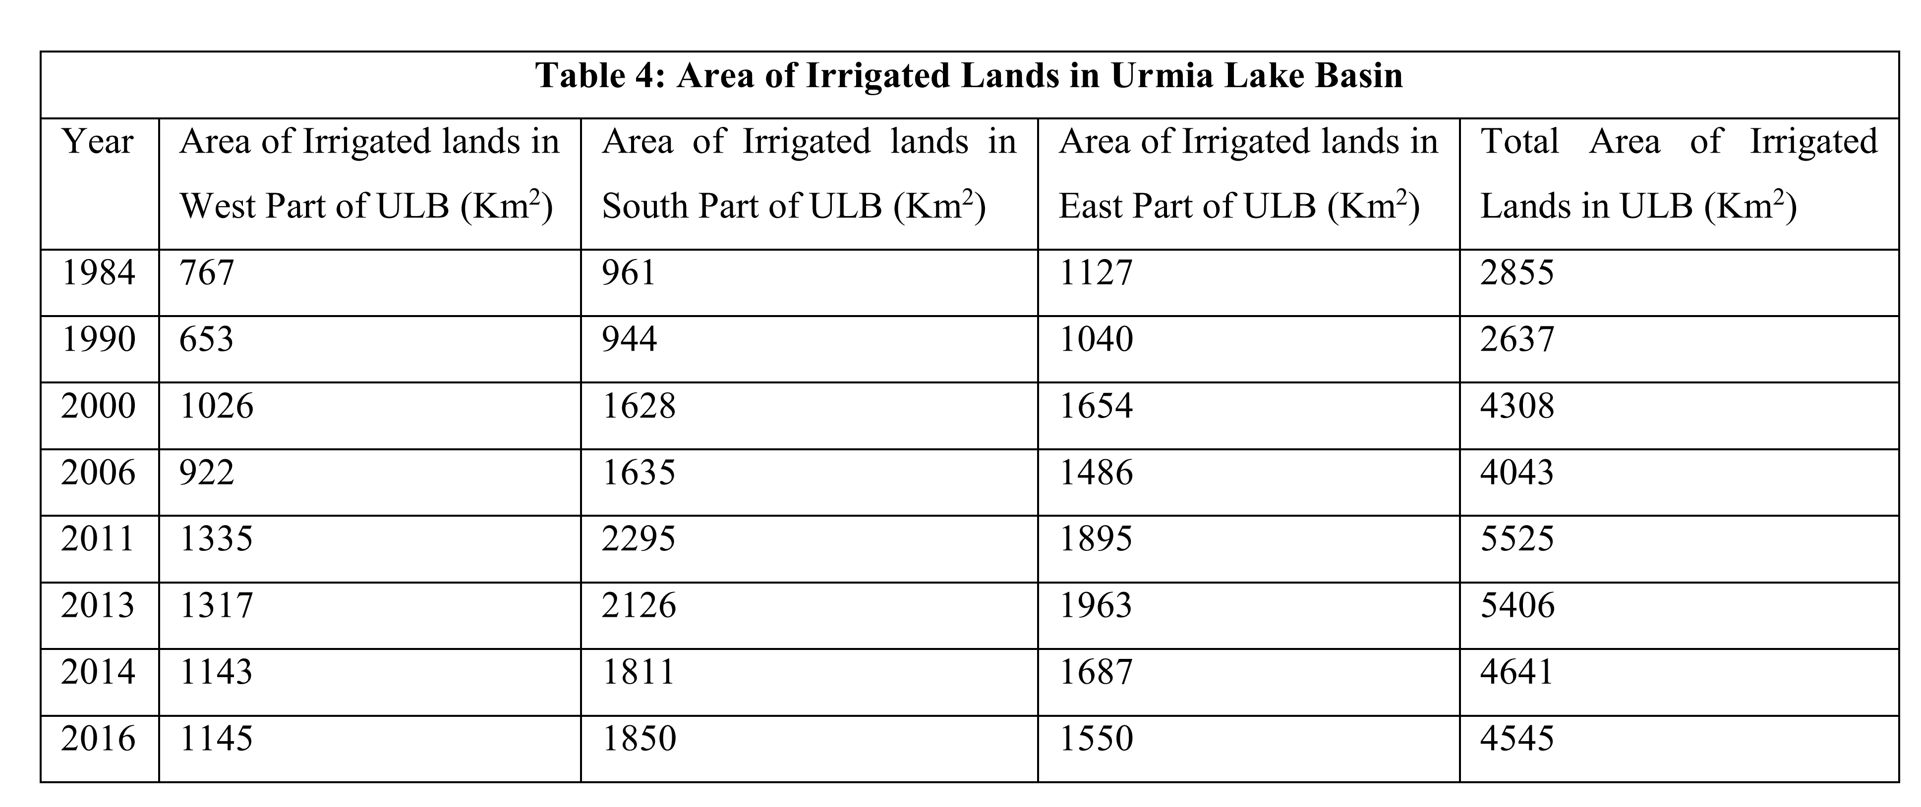
values from Table 4 in Ghalea etal.,2017

Effective Precipitation
Cumulative Precipitation over the Lake Urmia Basin (mm) [WRMC] |  |  |  |  |  |  |  |  |  |  |  |  |  |  |  | Effective Precipitation
سال آبی/ایستگاه | Year | Oct | Nov | Dec | Jan | Feb | Mar | Apr | May | Jun | Jul | Aug | Sep | Annual |  | Persian Water year | Year | Irrigated Areas (km2) | Average basin Percipitation (mm) | Annual Effective Percipitation rate (mm) | Effective Percipitation over irrigated lands (MCM)
74-75 | 1995 |  |  |  |  |  |  |  |  |  |  |  |  | 319.3 |  | 74-75 | 1995 | 3,276 | 319 | 124 | 407.57
75-76 | 1996 |  |  |  |  |  |  |  |  |  |  |  |  | 301.9 |  | 75-76 | 1996 | 3,443 | 302 | 118 | 405.05
76-77 | 1997 |  |  |  |  |  |  |  |  |  |  |  |  | 322.5 |  | 76-77 | 1997 | 3,592 | 323 | 126 | 451.33
77-78 | 1998 |  |  |  |  |  |  |  |  |  |  |  |  | 190.4 |  | 77-78 | 1998 | 3,755 | 190 | 48 | 181.50
78-79 | 1999 |  |  |  |  |  |  |  |  |  |  |  |  | 317.3 |  | 78-79 | 1999 | 3,914 | 317 | 124 | 483.95
79-80 | 2000 |  |  |  |  |  |  |  |  |  |  |  |  | 238.7 |  | 79-80 | 2000 | 4,308 | 239 | 81 | 347.08
80-81 | 2001 |  |  |  |  |  |  |  |  |  |  |  |  | 375.6 |  | 80-81 | 2001 | 4,129 | 376 | 134 | 552.55
81-82 | 2002 |  |  |  |  |  |  |  |  |  |  |  |  | 391.6 |  | 81-82 | 2002 | 4,169 | 392 | 138 | 575.81
82-83 | 2003 |  |  |  |  |  |  |  |  |  |  |  |  | 391.6 |  | 82-83 | 2003 | 4,223 | 392 | 140 | 589.12
83-84 | 2004 |  |  |  |  |  |  |  |  |  |  |  |  | 338.9 |  | 83-84 | 2004 | 4,270 | 339 | 120 | 511.32
84-85 | 2005 |  |  |  |  |  |  |  |  |  |  |  |  | 267 |  | 84-85 | 2005 | 4,318 | 267 | 90 | 389.13
85-86 | 2006 |  |  |  |  |  |  |  |  |  |  |  |  | 414.2 |  | 85-86 | 2006 | 4,368 | 414 | 169 | 737.76
86-87 | 2007 | 1.7 | 8.7 | 48.7 | 55.7 | 104.3 | 145.9 | 151.2 | 167.8 | 170 | 176.9 | 178.8 | 195.4 | 195.4 |  | 86-87 | 2007 | 4,575 | 195 | 50 | 226.93
87-88 | 2008 | 21.1 | 95.3 | 99.8 | 114.6 | 134.3 | 178.5 | 233.5 | 254.6 | 281.8 | 285.5 | 285.7 | 312.1 | 312.1 |  | 87-88 | 2008 | 4,820 | 312 | 95 | 457.17
88-89 | 2009 | 6.4 | 57.3 | 120.1 | 139 | 175.8 | 231.7 | 277.3 | 385.6 | 401.5 | 402.3 | 402.4 | 409.4 | 409.4 |  | 88-89 | 2009 | 5,111 | 409 | 166 | 847.48
89-90 | 2010 | 2.2 | 9.1 | 17.1 | 49.6 | 74.8 | 137.8 | 181.3 | 290.7 | 304.9 | 307.5 | 308.6 | 312.8 | 312.8 |  | 89-90 | 2010 | 5,377 | 313 | 122 | 655.32
90-91 | 2011 | 0.4 | 81.1 | 88.1 | 117.1 | 148 | 185.1 | 222.7 | 254.5 | 272.5 | 283.9 | 288 | 293.7 | 293.7 |  | 90-91 | 2011 | 5,525 | 294 | 91 | 502.77
91-92 | 2012 | 7.6 | 86.9 | 134.3 | 171.2 | 221.2 | 253.4 | 277.3 | 322.4 | 340 | 342.1 | 342.4 | 343.4 | 343.4 |  | 91-92 | 2012 | 5,396 | 343 | 121 | 654.74
92-93 | 2013 | 2.5 | 56 | 119.1 | 123.4 | 150.8 | 195.4 | 232.7 | 265.6 | 279.8 | 287.4 | 290.3 | 290.4 | 290.4 |  | 92-93 | 2013 | 5,406 | 290 | 96 | 519.62
93-94 | 2014 | 94.3 | 113.6 | 176.4 | 188 | 223.5 | 249.7 | 296.2 | 341.9 | 347.6 | 358.8 | 362.7 | 391 | 391 |  | 93-94 | 2014 | 4,641 | 391 | 139 | 646.49
94-95 | 2015 | 20.2 | 24.6 | 147.9 | 181.3 | 209.6 | 254 | 329.5 | 357.4 | 387 | 396.5 | 397.5 | 400.4 | 400.4 |  | 94-95 | 2015 | 4,694 | 400 | 160 | 749.89
95-96 | 2016 | 0.7 | 24.6 | 93.1 | 110.1 | 157.4 | 182.3 | 244.2 | 271.3 | 273.9 | 274.9 | 277.1 | 277.2 | 277.2 |  | 95-96 | 2016 | 4,545 | 277 | 94 | 425.23
96-97 | 2017 | 8.1 | 49.4 | 73.6 | 94.8 | 186.7 | 233.4 | 280.6 | 377.2 | 406.7 | 406.9 | 407.8 | 409.2 | 409.2 |  | 96-97 | 2017 | 4,499 | 409 | 167 | 750.70
97-98 | 2018 | 4.8 | 49.4 | 144 | 189.4 | 263.8 | 322.2 | 433.4 | 481.1 | 490.4 | 491 | 491 | 491 | 491 |  | 97-98 | 2018 |  |  | 227 | -

Monthly Precipitation over the Lake Urmia Basin (mm)
سال آبی/ایستگاه | Year | Oct | Nov | Dec | Jan | Feb | Mar | Apr | May | Jun | Jul | Aug | Sep | Annual
74-75 | 1995 |  |  |  |  |  |  |  |  |  |  |  |  | 319.3
75-76 | 1996 |  |  |  |  |  |  |  |  |  |  |  |  | 301.9
76-77 | 1997 |  |  |  |  |  |  |  |  |  |  |  |  | 322.5
77-78 | 1998 |  |  |  |  |  |  |  |  |  |  |  |  | 190.4
78-79 | 1999 |  |  |  |  |  |  |  |  |  |  |  |  | 317.3
79-80 | 2000 |  |  |  |  |  |  |  |  |  |  |  |  | 238.7
80-81 | 2001 |  |  |  |  |  |  |  |  |  |  |  |  | 375.6
81-82 | 2002 |  |  |  |  |  |  |  |  |  |  |  |  | 387.7
82-83 | 2003 |  |  |  |  |  |  |  |  |  |  |  |  | 391.6
83-84 | 2004 |  |  |  |  |  |  |  |  |  |  |  |  | 338.9
84-85 | 2005 |  |  |  |  |  |  |  |  |  |  |  |  | 267
85-86 | 2006 |  |  |  |  |  |  |  |  |  |  |  |  | 414.2
86-87 | 2007 | 1.7 | 7 | 40 | 7 | 48.6 | 41.6 | 5.3 | 16.6 | 2.2 | 6.9 | 1.9 | 16.6 | 195.4
87-88 | 2008 | 21.1 | 74.2 | 4.5 | 14.8 | 19.7 | 44.2 | 55 | 21.1 | 27.2 | 3.7 | 0.2 | 26.4 | 312.1
88-89 | 2009 | 6.4 | 50.9 | 62.8 | 18.9 | 36.8 | 55.9 | 45.6 | 108.3 | 15.9 | 0.8 | 0.1 | 7 | 409.4
89-90 | 2010 | 2.2 | 6.9 | 8 | 32.5 | 25.2 | 63 | 43.5 | 109.4 | 14.2 | 2.6 | 1.1 | 4.2 | 312.8
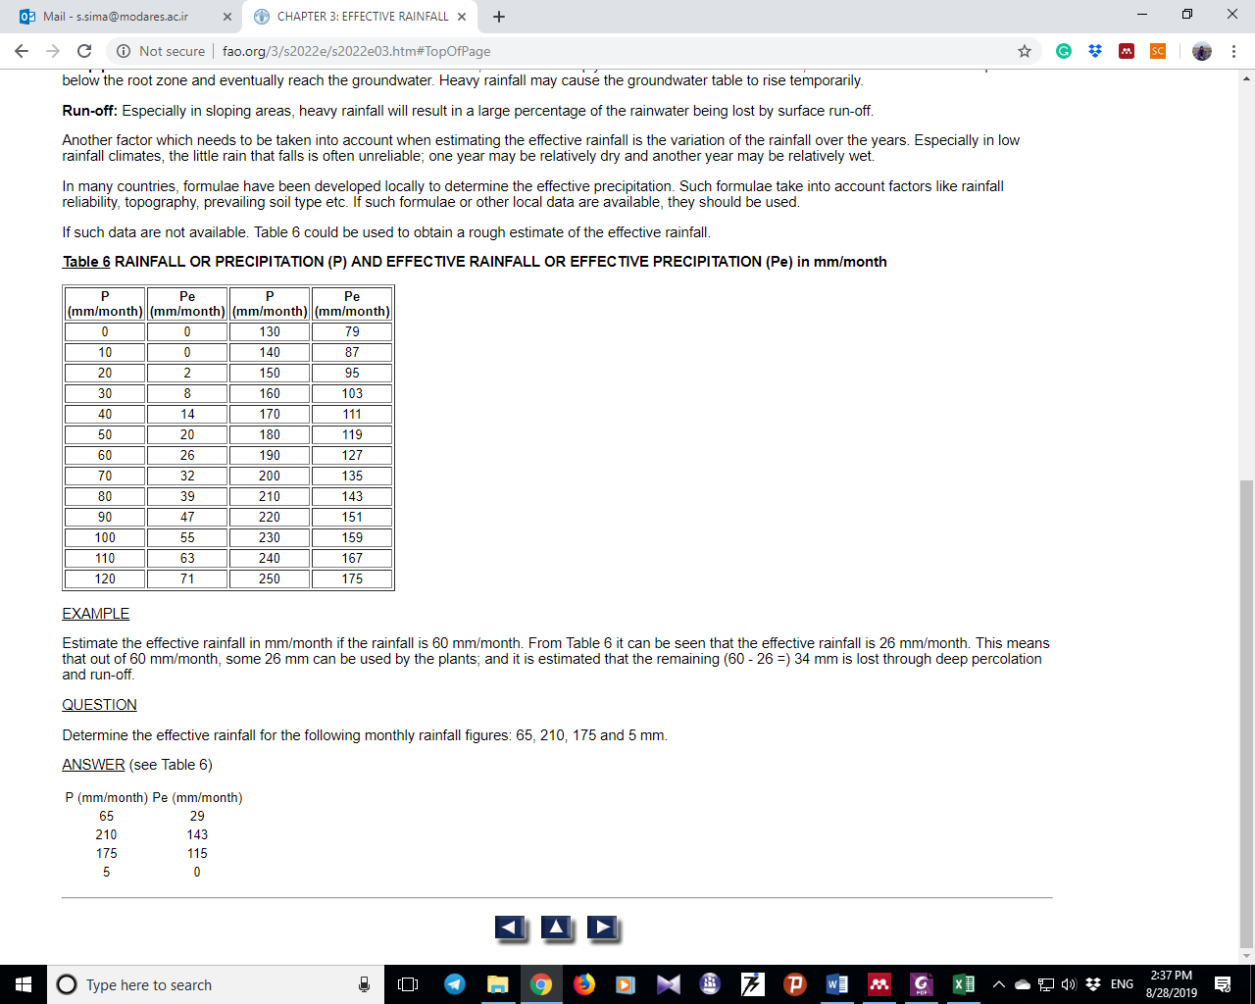
90-91 | 2011 | 0.4 | 80.7 | 7 | 29 | 30.9 | 37.1 | 37.6 | 31.8 | 18 | 11.4 | 4.1 | 5.7 | 293.7
91-92 | 2012 | 7.6 | 79.3 | 47.4 | 36.9 | 50 | 32.2 | 23.9 | 45.1 | 17.6 | 2.1 | 0.3 | 1 | 343.4
92-93 | 2013 | 2.5 | 53.5 | 63.1 | 4.3 | 27.4 | 44.6 | 37.3 | 32.9 | 14.2 | 7.6 | 2.9 | 0.1 | 290.4
93-94 | 2014 | 94.3 | 19.3 | 62.8 | 11.6 | 35.5 | 26.2 | 46.5 | 45.7 | 5.7 | 11.2 | 3.9 | 28.3 | 391
94-95 | 2015 | 20.2 | 4.4 | 123.3 | 33.4 | 28.3 | 44.4 | 75.5 | 27.9 | 29.6 | 9.5 | 1 | 2.9 | 400.4
95-96 | 2016 | 0.7 | 23.9 | 68.5 | 17 | 47.3 | 24.9 | 61.9 | 27.1 | 2.6 | 1 | 2.2 | 0.1 | 277.2
96-97 | 2017 | 8.1 | 41.3 | 24.2 | 21.2 | 91.9 | 46.7 | 47.2 | 96.6 | 29.5 | 0.2 | 0.9 | 1.4 | 409.2
97-98 | 2018 | 4.8 | 44.6 | 94.6 | 45.4 | 74.4 | 58.4 | 111.2 | 47.7 | 9.3 | 0.6 | 0 | 0 | 491

Effective Precipitation over the Lake Urmia Basin |  |  |  |  |  |  |  |  |  |  |  |  |  |  |  |  |  | FAO lookup table
سال آبی/ایستگاه | Year | Oct | Nov | Dec | Jan | Feb | Mar | Apr | May | Jun | Jul | Aug | Sep | Annual Pe | Annual Pe to P ratio |  |  | P (mm/month) | Pe (mm/month)
74-75 | 1995 |  |  |  |  |  |  |  |  |  |  |  |  | 124 |  |  |  | 0 | 0
75-76 | 1996 |  |  |  |  |  |  |  |  |  |  |  |  | 118 |  |  |  | 10 | 0
76-77 | 1997 |  |  |  |  |  |  |  |  |  |  |  |  | 126 |  |  |  | 20 | 2
77-78 | 1998 |  |  |  |  |  |  |  |  |  |  |  |  | 48 |  |  |  | 30 | 8
78-79 | 1999 |  |  |  |  |  |  |  |  |  |  |  |  | 124 |  |  |  | 40 | 14
79-80 | 2000 |  |  |  |  |  |  |  |  |  |  |  |  | 81 |  |  |  | 50 | 20
80-81 | 2001 |  |  |  |  |  |  |  |  |  |  |  |  | 134 |  |  |  | 60 | 26
81-82 | 2002 |  |  |  |  |  |  |  |  |  |  |  |  | 138 |  |  |  | 70 | 32
82-83 | 2003 |  |  |  |  |  |  |  |  |  |  |  |  | 140 |  |  |  | 80 | 39
83-84 | 2004 |  |  |  |  |  |  |  |  |  |  |  |  | 120 |  |  |  | 90 | 47
84-85 | 2005 |  |  |  |  |  |  |  |  |  |  |  |  | 90 |  |  |  | 100 | 55
85-86 | 2006 |  |  |  |  |  |  |  |  |  |  |  |  | 169 |  |  |  | 110 | 63
86-87 | 2007 | 0 | 0 | 14 | 0 | 18 | 14.96 | 0 | 1.32 | 0 | 0 | 0 | 1.32 | 50 | 0.25 |  |  | 120 | 71
87-88 | 2008 | 2.66 | 34.94 | 0 | 0.96 | 1.94 | 16.52 | 23 | 2.66 | 6.32 | 0 | 0 | 5.84 | 95 | 0.30 |  |  | 130 | 79
88-89 | 2009 | 0 | 20.54 | 27.68 | 1.78 | 12.08 | 23.54 | 17.36 | 61.64 | 1.18 | 0 | 0 | 0 | 166 | 0.40
89-90 | 2010 | 0 | 0 | 0 | 9.5 | 5.12 | 27.8 | 16.1 | 62.52 | 0.84 | 0 | 0 | 0 | 122 | 0.39
90-91 | 2011 | 0 | 39.56 | 0 | 7.4 | 8.54 | 12.26 | 12.56 | 9.08 | 1.6 | 0 | 0 | 0 | 91 | 0.31
91-92 | 2012 | 0 | 38.51 | 18.44 | 12.14 | 20 | 9.32 | 4.34 | 17.06 | 1.52 | 0 | 0 | 0 | 121 | 0.35
92-93 | 2013 | 0 | 22.1 | 27.86 | 0 | 6.44 | 16.76 | 12.38 | 9.74 | 0.84 | 0 | 0 | 0 | 96 | 0.33
93-94 | 2014 | 50.44 | 1.86 | 27.68 | 0 | 11.3 | 5.72 | 17.9 | 17.42 | 0 | 0 | 0 | 6.98 | 139 | 0.36
94-95 | 2015 | 2.12 | 0 | 73.64 | 10.04 | 6.98 | 16.64 | 35.85 | 6.74 | 7.76 | 0 | 0 | 0 | 160 | 0.40
95-96 | 2016 | 0 | 4.34 | 31.1 | 1.4 | 18.38 | 4.94 | 27.14 | 6.26 | 0 | 0 | 0 | 0 | 94 | 0.34
96-97 | 2017 | 0 | 14.78 | 4.52 | 2.72 | 48.52 | 18.02 | 18.32 | 52.28 | 7.7 | 0 | 0 | 0 | 167 | 0.41
97-98 | 2018 | 0 | 16.76 | 50.68 | 17.24 | 35.08 | 25.04 | 63.96 | 18.62 | 0 | 0 | 0 | 0 | 227 | 0.46

ETa_1995
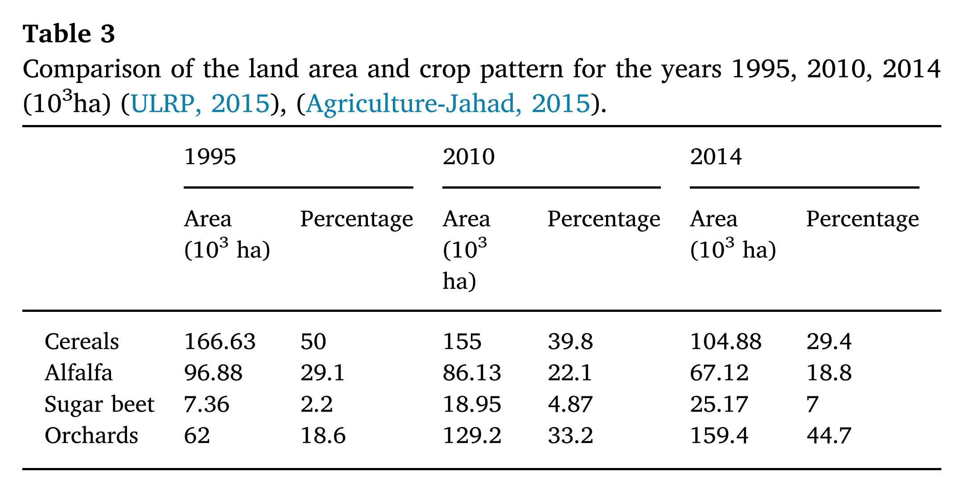
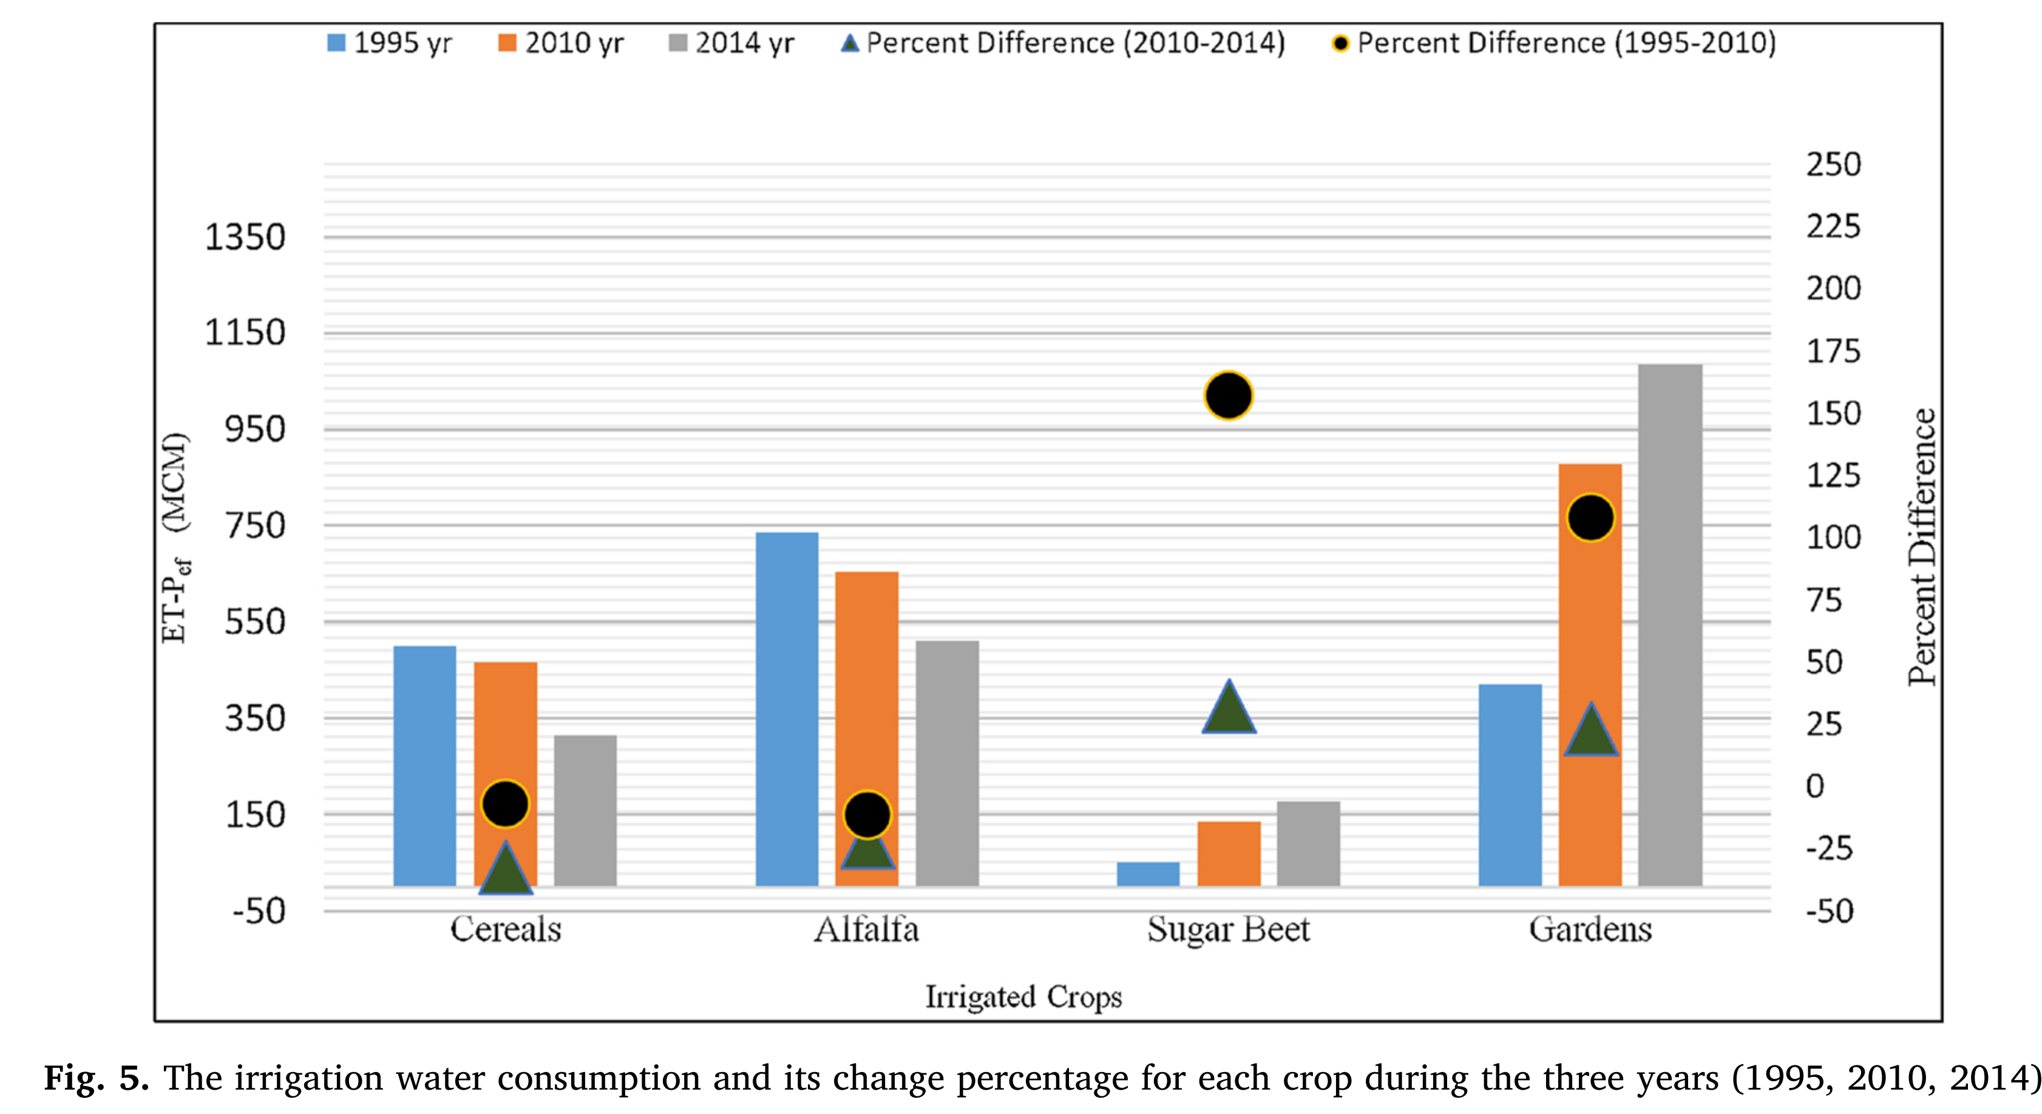
Taheri et al.,2019
 | From Table 3 | From barchart |  | Mean percipitation (mm) | effective percipitation (mm) | effective percipitation (MCM) | Eta (MCM) | Eta (mm) | ET a from irrigated lands(mm) | ET a from irrigated lands (MCM)
Crop | Area (km2) | ET- Peff (MCM) | ET- Peff (mm) |  |  |  |  |  |  |  | mm/km2
Cereals | 1666.3 | 390 | 234.05 | 297 | 196.02 | 326.628126 | 716.63 | 430.07 | 387.51 | 2150.6805 | 0.26
Alfa alfa | 968.8 | 730 | 753.51 | 297 | 196.02 | 189.904176 | 919.90 | 949.53 |  |  | 0.98
Sugar beet | 73.6 | 50 | 679.35 | 297 | 196.02 | 14.427072 | 64.43 | 875.37 |  |  | 11.89
Orchards | 620 | 390 | 629.03 | 297 | 196.02 | 121.5324 | 511.53 | 825.05 |  |  | 1.33

Fig 4B.AgBenefitsVsLevel(Noise)
 | Before 2012_1 |  | 2012 & After_1 |  | Before 2012 |  | 2012 &After
61 | 1,277.55 | 178 | 1,270.40 | 61.8 | 1,277.55 | 178.0 | 1,270.40
 | 1,277.19 | 160 | 1,270.15 |  | 1,277.19 | 160.6 | 1,270.15
 | 1,277.01 | 155 | 1,270.08 |  | 1,277.01 | 155.0 | 1,270.08
 | 1,275.77 | 197 | 1,270.54 |  | 1,275.77 | 197.1 | 1,270.54
 | 1,274.73 |  |  |  | 1,274.73
51 | 1,273.83 |  |  | 51.3 | 1,273.83
97 | 1,273.41 |  |  | 97.2 | 1,273.41
127 | 1,273.65 |  |  | 127.5 | 1,273.65
146 | 1,273.50 |  |  | 146.2 | 1,273.50
113 | 1,273.28 |  |  | 113.9 | 1,273.28
153 | 1,272.83 |  |  | 153.8 | 1,272.83
121 | 1,272.83 |  |  | 121.9 | 1,272.83
61 | 1,272.16 |  |  | 61.8 | 1,272.16
140 | 1,271.60 |  |  | 140.3 | 1,271.60
142 | 1,271.36 |  |  | 142.9 | 1,271.36
117 | 1,271.01 |  |  | 117.1 | 1,271.01
128 | 1,270.67 |  |  | 128.0 | 1,270.67

