Utah
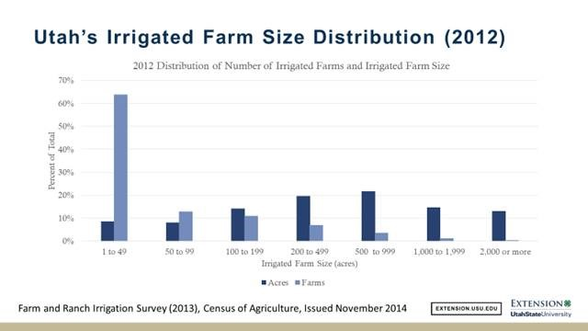
Utah Farm Size distribution (digitized from figure)

Area (acres) | Percent of Total Acres | Percent of total number of farms
0 | 0 | 0
49 | 9 | 64
99 | 8.8 | 13
199 | 14 | 11
499 | 20 | 7
999 | 22 | 3
1999 | 15 | 1
2000 | 13 | 0.3
Total | 101.8 | 99.3

Iran
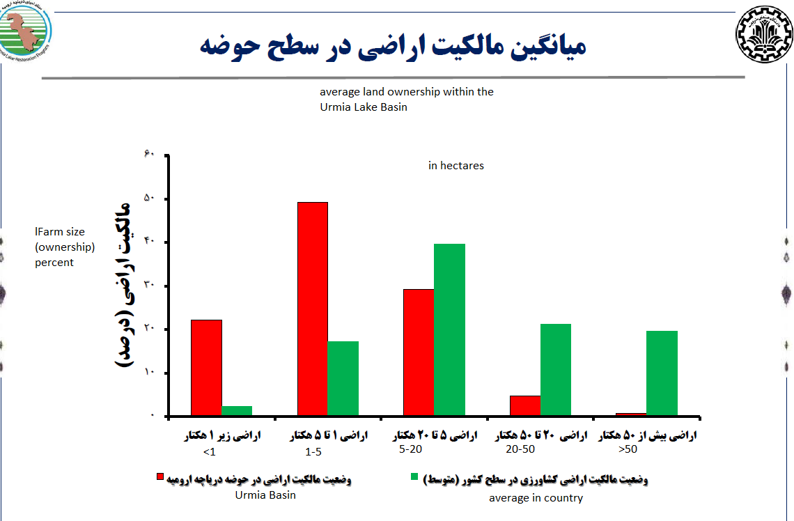
Urmia and Iran Farm Size distributions by area (digitized from figure)

Hectares | Urmia | Iran
0 | 0 | 0
1 | 22 | 2
5 | 49 | 18
20 | 29 | 40
50 | 4.5 | 21.5
51 | 0.5 | 19.5
Total | 105 | 101

