Sheet1
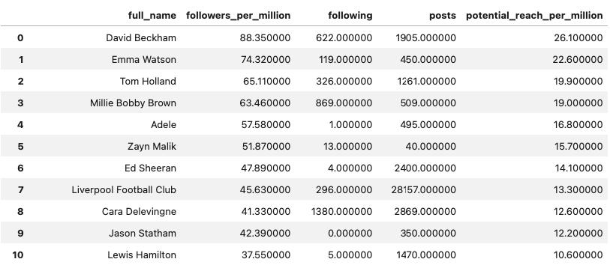
TOP UK INSTAGRAMMERS 2024

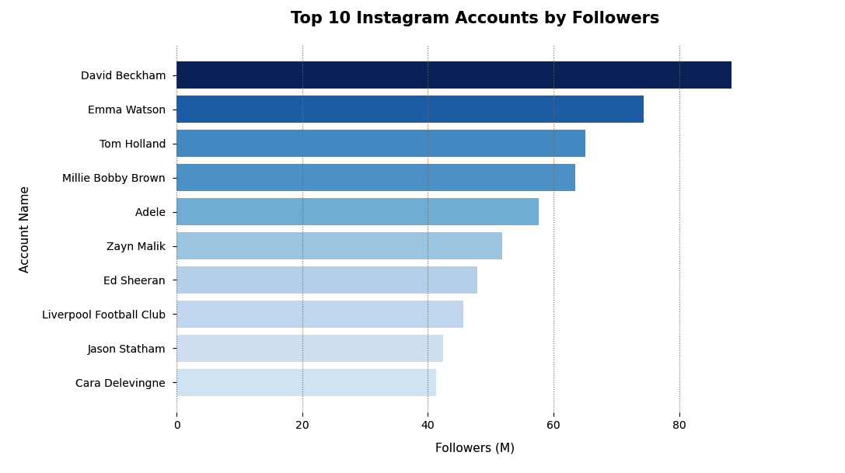

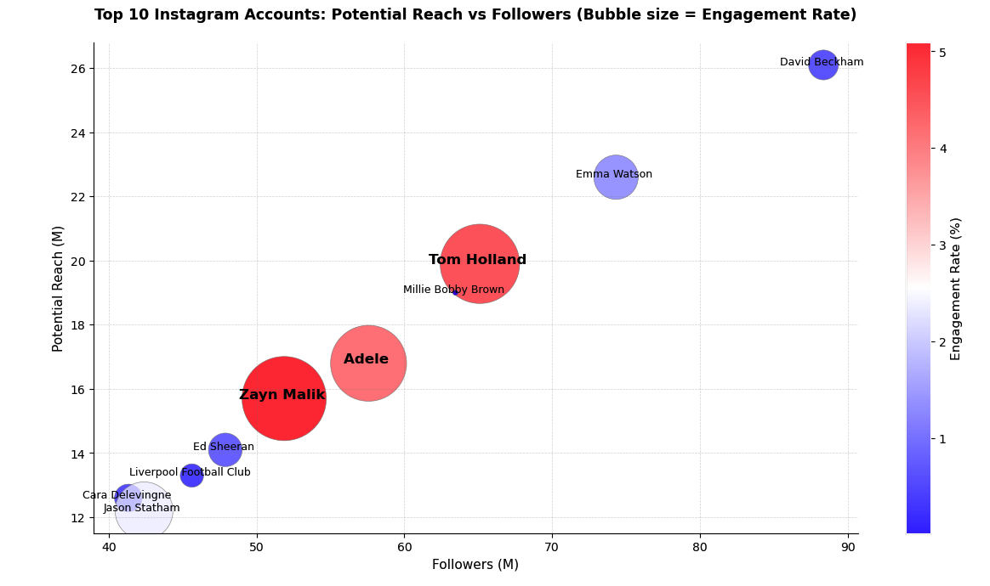
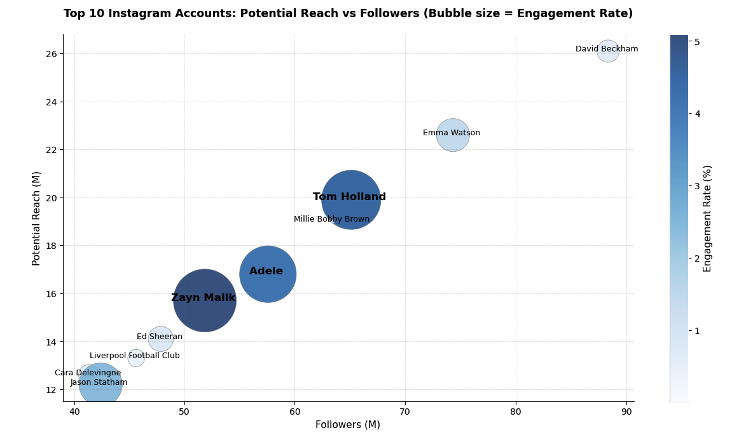

Account Engagement Ratios

2.06K
6.96K
144

Potential Reach
Per Post
Follower Engagement Rate
Post Per Followers

