Plot numbers and plan
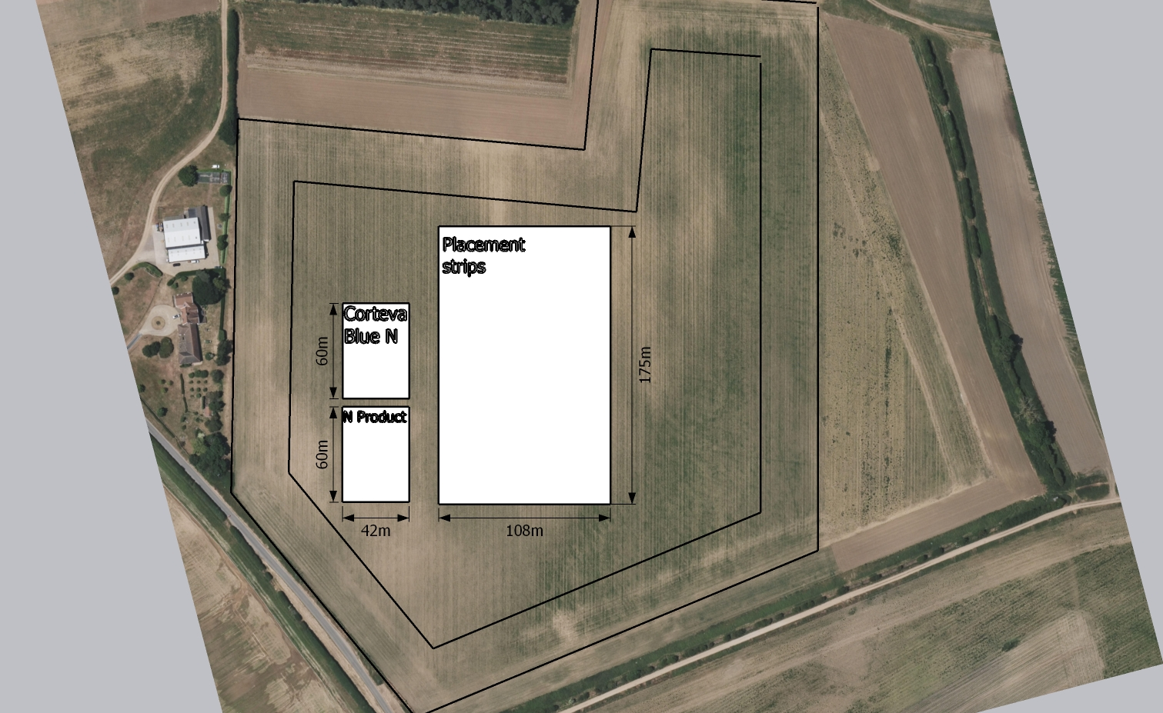
40m |  |  | 204 | 205 | 206 | Tramline | 404 | 405 | 406 | Discard | Tramline

 |  |  | 201 | Block 2 | 203 |  | 401 | Block 4 | 403

 |  |  |  | 202 |  |  |  | 402

 |  |  | 104 | 105 | 106 |  | 304 | 305 | 306

 | 5m cross head
 |  |  | 101 | Block 1 | 103 |  | 301 | Block 3 | 303
 | 10m
 |  |  |  | 102 |  |  |  | 302
 | Tramline | Discard
 | 6m | 12m | 6m |  |  | 6m |  |  |  | 12m | 6m
 |  |  |  |  |  |  | 36m

 | 6 treatments |  |  |  |  |  |  |  |  |  | Product
 | 4 replications
 | Each plot = 60m2 |  |  |  |  |  |  |  |  |  | Placement
 | Total plot area = 1440m2
 | Area of each treatment across 4 reps = 240m2

