FixBufferSemiAuto
ControlMode:Online Remote
AccessMode:Manual
Host
EQP
OP

Put FOUP on Eqp

S6F11(LP transfer state to TRANSFER BLOCKED)
1

Foup detected at correct position

S6F11(material received)
2

clamped
S6F11(clamped)
3

Carrier Id auto read

S6F11(LP association state to ASSOCIATED)
4

S6F11(Waiting for Host)
5

Host check Carreir Id

S7F19 Query recipe list

S7F20 recipe list context

S7F25 Query recipe body

S7F26 recipe body context

S3F17 Proceed With Carrier

S6F11(CarrierId Verification ok)
6

Docking
S6F11(Carrier docked)
7

Open door

S6F11(Open door)
8

Slot Mapping
S6F11(Slot Map Waiting for Host)
9

Host Check wafer slot and quantity

S3F17 Proceed With Carrier

S6F11(Slot Map Verification OK)
10

S1F3 Get CJ space

S16F21 Get PJ space

S16F15 PRJobMultiCreate

S6F11(Process Job Queue)
11

S14F9 Control Job Create

S6F11(Control Job Queue)
12

S6F11(Control Job Selected)
13

S6F11(Control Job Executing)
14

S6F11(Process Job setting up)
15

S6F11(Carrier accessing status to IN ACCESS)
16

S6F11(PJ Processing)
17

S6F11(Substrate at Work)
18

S6F11(Substrate In Process)
19
Repeat
at
every
wafer
Repeat
at
every
PJ

S6F11(Substrate Processed)
20

S6F11(Substrate at Destination)
21

S6F11(Process Job Processing Complete)
22

S6F11(CJ Complete)
23

S6F11(Carrier Closed)
24

Undocked

S6F11(Carrier access state to CARRIER COMPLETE)
25

Unclamped

S6F11(Unclamped)
26

S6F11(LP transfer state to READY TO UNLOAD)
27
OP remove FOUP

S6F11(Material Removed)
28

S6F11(LP transfer state to READY TO LOAD)
29

S6F11(LP association state to NOT ASSOCIATED)
30

FixBufferFullAuto
ControlMode:Online Remote
AccessMode:Auto
Host
EQP
AMHS

S6F11(LP transfer state to TRANSFER BLOCKED)
1
E84 Handshake
Initiate
E84

E84
E84 Handshake
Complete

Foup detected at correct position

S6F11(material received)
2

clamped
S6F11(clamped)
3

Carrier Id auto read

S6F11(LP association state to ASSOCIATED)
4

S6F11(Waiting for Host)
5

Host check Carreir Id

S7F19 Query recipe list

S7F20 recipe list context

S7F25 Query recipe body

S7F26 recipe body context

S3F17 Proceed With Carrier

S6F11(CarrierId Verification ok)
6

Docking
S6F11(Carrier docked)
7

Open door

S6F11(Open door)
8

Slot Mapping
S6F11(Slot Map Waiting for Host)
9

Host Check wafer slot and quantity

S3F17 Proceed With Carrier

S6F11(Slot Map Verification OK)
10

S1F3 Get CJ space

S16F21 Get PJ space

S16F15 PRJobMultiCreate

S6F11(Process Job Queue)
11

S14F9 Control Job Create

S6F11(Control Job Queue)
12

S6F11(Control Job Selected)
13

S6F11(Control Job Executing)
14

S6F11(Process Job setting up)
15

S6F11(Carrier accessing status to IN ACCESS)
16

S6F11(PJ Processing)
17

S6F11(Substrate at Work)
18

S6F11(Substrate In Process)
19
Repeat
at
every
wafer
Repeat
at
every
PJ

S6F11(Substrate Processed)
20

S6F11(Substrate at Destination)
21

S6F11(Process Job Processing Complete)
22

S6F11(CJ Complete)
23

S6F11(Carrier Closed)
24

Undocked

S6F11(Carrier access state to CARRIER COMPLETE)
25

Unclamped

S6F11(Unclamped)
26

S6F11(LP transfer state to READY TO UNLOAD)
27

E84
Initiate
E84
E84

E84 OHT remove FOUP
S6F11(Material Removed)
28
E84

E84
Complete

S6F11(LP transfer state to READY TO LOAD)
29

S6F11(LP association state to NOT ASSOCIATED)
30

InteralBufferFullAuto_FIMS
ControlMode:Online Remote
AccessMode:Auto

Host
EQP
AMHS

S6F11(LP transfer state to TRANSFER BLOCKED)
1
E84 Handshake
Initiate
E84

E84
E84 Handshake
Complete

FOUP detected at correct position

S6F11(material received)
2

clamped
S6F11(clamped)
3

Carrier Id auto read

S6F11(LP association state to ASSOCIATED)
4

S6F11(Waiting for Host)
5

Host check Carreir Id

S7F19 Query recipe list

S7F20 recipe list context

S7F25 Query recipe body

S7F26 recipe body context

S3F17 Proceed With Carrier

S6F11(CarrierId Verification ok)
6

Carrier in
S6F11(Carrier In Complete)
7

S6F11(LP association state to NOT ASSOCIATED)
8

S6F11(LP transfer state to READY TO LOAD)
9

S1F3 Get CJ space

S16F21 Get PJ space

S16F15 PRJobMultiCreate

S6F11(Process Job Queue)
10

S14F9 Control Job Create

S6F11(Control Job Queue)
11

S6F11(Control Job Selected)
12

S6F11(Control Job Executing)
13

Foup at FIMS port

Slot Mapping

S6F11(Slot Map Waiting for Host)
14

S6F11(Process Job setting up)
15

S6F11(Carrier accessing status to IN ACCESS)
16

S6F11(PJ Processing)
17

S6F11(Substrate at Work)
18

S6F11(Substrate In Process)
19
Repeat
at
every
wafer
Repeat
at
every
PJ

S6F11(Substrate Processed)
20

S6F11(Substrate at Destination)
21

S6F11(Process Job Processing Complete)
22

S6F11(CJ Complete)
23

S6F11(Carrier access state to CARRIER COMPLETE)
24

S3F17 Carrier Out

S6F11(LP association state to ASSOCIATED)
25

S6F11(LP transfer state to TRANSFER BLOCKED)
26

Carrier Out

Unclamped

S6F11(Unclamped)
27

S6F11(LP transfer state to READY TO UNLOAD)
28

E84
E84
Initiate
E84

E84 OHT remove FOUP
S6F11(Material Removed)
29
E84

E84
Complete

S6F11(LP transfer state to READY TO LOAD)
30

S6F11(LP association state to NOT ASSOCIATED)
31

InteralBufferFullAuto_LP
ControlMode:Online Remote
AccessMode:Auto
Host
EQP
AMHS

S6F11(LP transfer state to TRANSFER BLOCKED)
1
1
E84 Handshake
Initiate
E84

E84
E84 Handshake
Complete

Foup detected at correct position

S6F11(material received)
2

clamped
S6F11(clamped)
3

Carrier Id auto read

S6F11(LP association state to ASSOCIATED)
4

S6F11(Waiting for Host)
5

Host check Carreir Id

S7F19 Query recipe list

S7F20 recipe list context

S7F25 Query recipe body
S7F26 recipe body context

S3F17 Proceed With Carrier

S6F11(CarrierId Verification ok)
6

Docking

S6F11(Carrier Docked)
7

Open Door

S6F11(Carrier Open)
8

Slot Mapping
S6F11(Slot Mapping Waiting for Host)
9

Host Check wafer slot and quantity

S3F17 Proceed With Carrier

S6F11(Slot Map Verification OK)
10

Carrier in
S6F11(Carrier In Complete)
11

S6F11(LP association state to NOT ASSOCIATED)
12

S6F11(LP transfer state to READY TO LOAD)
13

S1F3 Get CJ space

S16F21 Get PJ space

S16F15 PRJobMultiCreate

S6F11(Process Job Queue)
14

S14F9 Control Job Create

S6F11(Control Job Queue)
15

S6F11(Control Job Selected)
16

S6F11(Control Job Executing)
17

S6F11(Process Job setting up)
18

S6F11(Carrier accessing status to IN ACCESS)
19

S6F11(PJ Processing)
20

S6F11(Substrate at Work)
21

S6F11(Substrate In Process)
22
Repeat
at
every
wafer
Repeat
at
every
PJ

S6F11(Substrate Processed)
23

S6F11(Substrate at Destination)
24

S6F11(Process Job Processing Complete)
25

S6F11(CJ Complete)
26

S6F11(Carrier access state to CARRIER COMPLETE)
27

S6F11 Carrier Out

S6F11(LP association state to ASSOCIATED)
28

S6F11(LP transfer state to TRANSFER BLOCKED)
29

Carrier Out

Unclamped

S6F11(Unclamped)
30

S6F11(LP transfer state to READY TO UNLOAD)
31

E84
Initiate
E84
E84
E84

E84 OHT remove FOUP
S6F11(Material Removed)
32
E84
E84

E84
Complete

S6F11(LP transfer state to READY TO LOAD)
33

S6F11(LP association state to NOT ASSOCIATED)
34

Generic_Scenario
1
Host
EQP
Host
2
EQP
3
Host
EQP
4
Host
EQP

S6F11(Control State OFF-LINE)
S6F11(Control State REMOTE)
Control State LOCAL)
S6F11(Constant Change)

6, 7, 8

5
Host
EQP
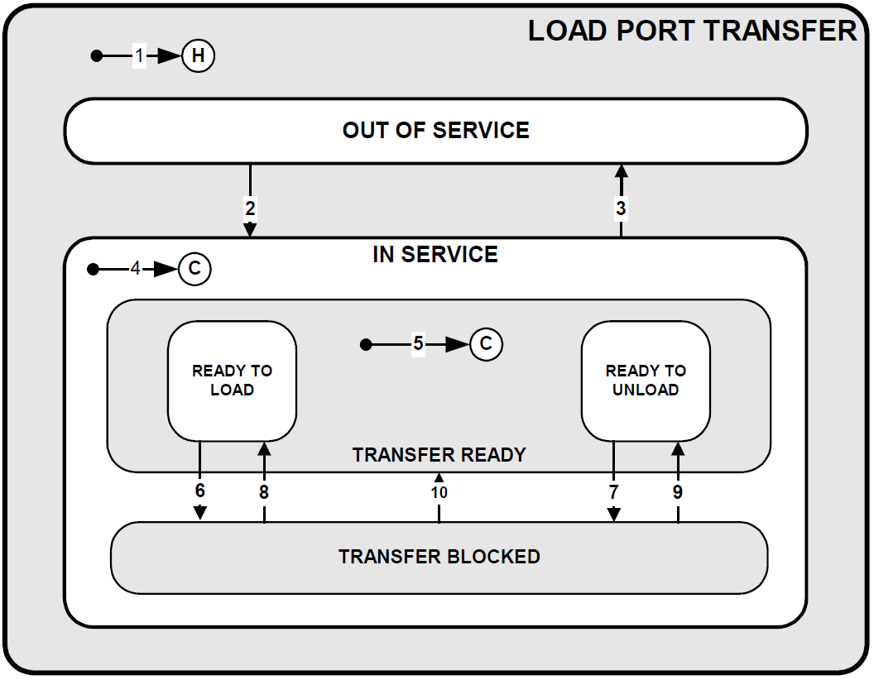

S6F11(PP Change)

Cancel_Carrier_Scenario
Host
EQP
AMHS

Put FOUP on Eqp
S6F11(LP transfer state to TRANSFER BLOCKED)
1

Foup detected at correct position

S6F11(material received)
2

clamped
3
S6F11(clamped)

Carrier Id auto read

4
S6F11(LP association state to ASSOCIATED)

5
S6F11(Waiting for Host)

Host check Carreir Id NG

S3F17 Cancel Carrier

Unclamped

S6F11(Unclamped)
6

S6F11(LP transfer state to READY TO UNLOAD)
7
OP remove FOUP

S6F11(Material Removed)
8

S6F11(LP transfer state to READY TO LOAD)
9

S6F11(LP association state to NOT ASSOCIATED)
10

