Sheet1
 | Alcatel- Lucent
 | Applied Energetics
 | AT&T
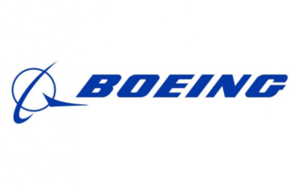 | Boeing
 | Brookhaven National Laboratory
 | Ciena
 | Cleveland Electric Laboratories
 | CommScope
 | Department of Defense
 | Fujitsu
 | Finisar
 | General Dynamics
 | Intel
 | Jefferson Laboratory
 | L3 Photonics
 | Lawrence Berkeley
 | Lawrence Livermore
 | Lockheed Martin
 | Los Alamos
 | Massachusetts Institute of Technology
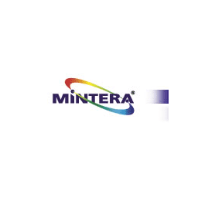 | Mintera
 | NEC
 | NIST
 | Nortel
 | Pangrac & Associates Development
 | Pulse Broadband
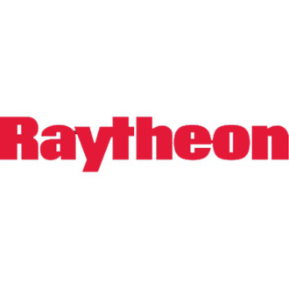 | Raytheon
 | Sandia
 | Sumitomo
 | The Aerospace & Defense Industries
 | The HFC,MSO Industry
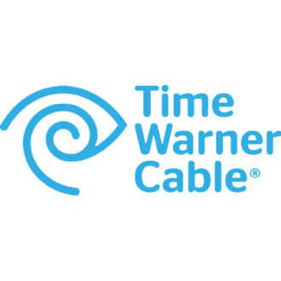 | Time Warner Cable
 | Tyco
 | US Air Force
 | US Army
 | US Government
 | US Navy
 | Verizon

