OCP PMOS Vgs
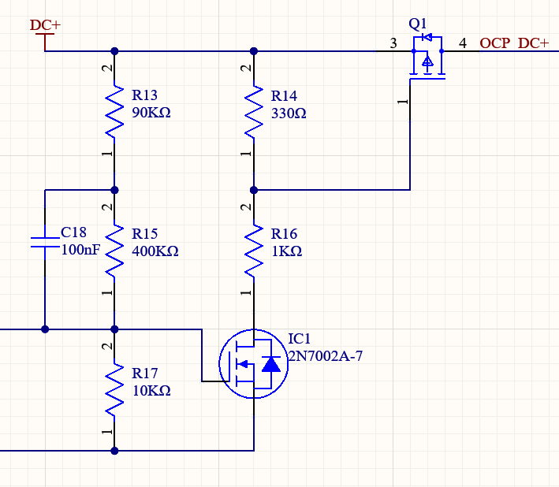
Supply voltage | 48 | V
PMOS Cgs | 13.50 | nF | max
NMOS max I | 0.18 | A
PMOS Vth | -2.5 | V | max

R14 value (ohm) | RC (us) | Leakage (A) | * This table assumes R14=R16, which is not the case - just a rough look at RC and leakage.
10000 | 135.00 | 0.0024
5000 | 67.50 | 0.0048
1000 | 13.50 | 0.024
500 | 6.75 | 0.048 | * I think I like this. NMOS should be fine carrying this leakage, and response time is 20x faster.
200 | 2.70 | 0.12
100 | 1.35 | 0.24
50 | 0.68 | 0.48
20 | 0.27 | 1.2
10 | 0.14 | 2.4
5 | 0.07 | 4.8

Final choice
R14 | R16 | Vdiv ratio | Vgs | RC (us) | Leakage (A)
470 | 1000 | 0.68027210884 | -15.346938776 | 6.345 | 0.033
330 | 1000 | 0.75187969925 | -11.909774436 | 4.455 | 0.036 | * Final choice. Solidly on, solidly fast, won't stress PMOS too much (only 60% of max Vgs), leakage not a problem.
220 | 1000 | 0.81967213115 | -8.6557377049 | 2.970 | 0.039
100 | 1000 | 0.90909090909 | -4.3636363636 | 1.350 | 0.044
47 | 1000 | 0.95510983763 | -2.1547277937 | 0.635 | 0.046

