Deformation&Monitoring
Volcanoes often exhibit geophysical and geochemical signals before, during and after an eruption. These signals allow volcanologists to monitor active volcanoes to gain knowledge about processes in the magma chamber, conduit and edifice and to potentially predict the time and location of a future eruption. One type of geophysical signal is the deformation or movement of the volcanic edifice and surrounding crust. Changes in the surface of the volcano are related to magma intrusion, dome growth, pressure increase in the magma chamber or flank instability. In this exercise you will learn how surface deformation signals can be related to pressure and volume changes in magma chambers.

1) | Calculate a model for surface deformation at a volcano in terms of vertical and horizontal displacement components (cm) of the ground as a function of the distance away from the center of deformation, following Mogi (1958) formulation.

 | Shear mod. G [GPa] | ΔP [MPa] | Chamber radius a[km] | Chamber depth d[km]

 | 30 | 20 | 1 | 5

$$U_{z}=\frac{3a^{3} ∆P d}{4G\sqrt{{(d^{2}+r^{2})}^{3}}}$$
$$U_{r}=\frac{3a^{3} ∆P r}{4G\sqrt{{(d^{2}+r^{2})}^{3}}}$$

 | Radial dist. r [km] | Vertical [m] |  | Horizontal [m] |  | Vertical [cm] | Horizontal [cm]

 | 0 | 0.02 |  | 0 |  | 2 | 0
 | 0.5 | 0.01970 |  | 0.00197 |  | 1.970 | 0.197
 | 1 | 0.01886 |  | 0.00377 |  | 1.886 | 0.377
 | 1.5 | 0.01757 |  | 0.00527 |  | 1.757 | 0.527
 | 2 | 0.01601 |  | 0.00640 |  | 1.601 | 0.640
 | 2.5 | 0.01431 |  | 0.00716 |  | 1.431 | 0.716
 | 3 | 0.01261 |  | 0.00757 |  | 1.261 | 0.757
 | 3.5 | 0.01100 |  | 0.00770 |  | 1.100 | 0.770
 | 4 | 0.00952 |  | 0.00762 |  | 0.952 | 0.762
 | 4.5 | 0.00821 |  | 0.00739 |  | 0.821 | 0.739
 | 5 | 0.00707 |  | 0.00707 |  | 0.707 | 0.707
 | 10 | 0.00179 |  | 0.00358 |  | 0.179 | 0.358
 | 15 | 0.00063 |  | 0.00190 |  | 0.063 | 0.190
 | 20 | 0.00029 |  | 0.00114 |  | 0.029 | 0.114
 | 25 | 0.00015 |  | 0.00075 |  | 0.015 | 0.075
 | 30 | 0.00009 |  | 0.00053 |  | 0.009 | 0.053
 | 20 | 0.00029 |  | 0.00114 |  | 0.029 | 0.114
 | 25 | 0.00015 |  | 0.00075 |  | 0.015 | 0.075
 | 30 | 0.00009 |  | 0.00053 |  | 0.009 | 0.053

 | Plot the vertical and horizontal components vs the distance. How do these curves differ?

2) | After some time the activity state of the volcano changes and you are provided the measured GPS data, while a pressure change of 70 MPa and the shear modulus of 30 GPa, were then calculated with other methods. You are asked to try to constrain the depth of the magma chamber, knowing that past estimations calculated a chamber radius of 2.5 km and chamber depths around 6-12 km (iterate the model calculation for several depths). Use a Pearson’s χ2 test compare the displacements results with the GPS measurements.

 | Shear mod. G [GPa] | ΔP [MPa] | Chamber radius a[km]

 | 30 | 70 | 2.5

 | Chamber depth d[km] | 12

 |  |  | MEASURED |  | MODEL |  | AGREEMENT WITH DATA
 | GNSS station | Radial dist. r [km] | Vertical [m] | Horizontal [m] | Vertical [m] | Horizontal [m] | Vertical χ² | Horizontal χ²

 | LP03 | 5.1 | 0.22 | 0.120 | 0.14802 | 0.06291 | 0.034999865093 | 0.051809624699
 | ARID | 5.8 | 0.151 | 0.196 | 0.13859 | 0.06698 | 0.0011114719036 | 0.24848960946
 | LP04 | 8.9 | 0.098 | 0.122 | 0.09839 | 0.07298 | 1.5781203075E-06 | 0.0329342028
 | MOLU | 10.7 | 0.03 | 0.045 | 0.07895 | 0.07040 | 0.030352974602 | 0.0091645471333
 |  |  |  |  |  |  | 0.066465889719 | 0.34239798409
 |  |  |  |  |  |  | 0.40886 |  | TOTAL χ²

 | Chamber depth d[km] | 6 | 7 | 8 | 9 | 10 | 11 | 12

 | TOTAL χ² | 0.37652931597 | 0.23093565318 | 0.14840591159 | 0.12757483148 | 0.16570468346 | 0.26014605483 | 0.40886387381

 | What is your best estimate for the chamber depth? What factors, simplified or not considered at all by the model, can play a role and cause mismatch between observed and modelled data?

3) | On the same day, the volcano observatory sends you also the seismic data. Do you think the depth you obtained with the model is supported by the seismic data? What do you think is happening in the volcanic system? How do you think the situation could evolve and in what timescales?

 | ANSWER

 |  |  | SEISMIC DATA
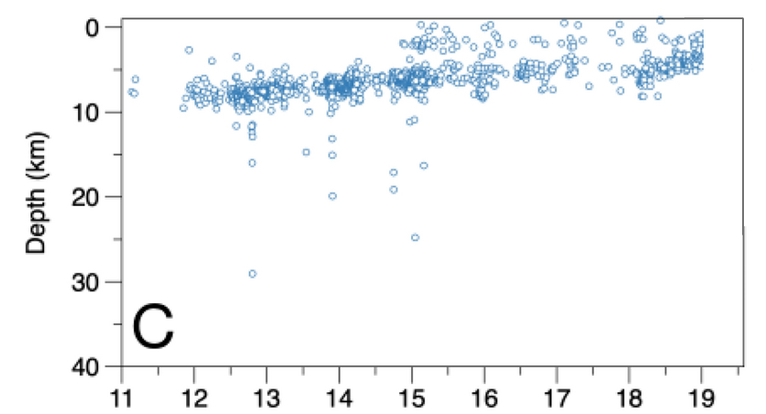

 |  |  |  |  | GNSS DATA

