Sheet1
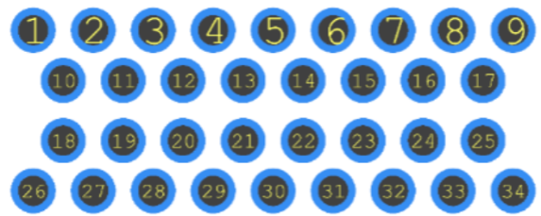
135 PIN Header: |  |  |  | Newest Revision Changes in Yellow |  | Revision Date: | 2024-04-30
 |  |  |  |  |  |  |  |  |  |  |  |  | All AMP start top left as Pin 1 as shown
CON | PIN | Note: | AMP Header A | AMP Header B | AMP Header C | Stand Off Board |  | Desired Layout: |  |  |  |  | looking into the connector ---------->
A | 1 |  | A19
A | 2 |  | A20
A | 3 | Battery Ground BUS - TIED INTO: A3, A4, A6, C4, D1, D3 | A10 |  | C2 | GND Pin |  |  |  |  | Click here for 6437288-3 Data |  |  |  |  | Click here for 6437288-2 Data
A | 4 | Battery Ground BUS - TIED INTO: A3, A4, A6, C4, D1, D3 |  |  |  |  |  |  |  |  | 60PIN Joint AMP HEADER: "C 26 PIN" + "A 34 PIN" |  |  |  |  |  | 34 PIN "B HEADER"
A | 5 | 12v Switched Power BUS - TIED INTO: A5, A7, A17, A34, B7, C1, D7 |  |  |  |  |  |  |  |  | 6437288-3 |  |  |  |  |  | 6437288-2
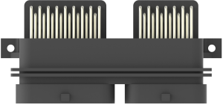
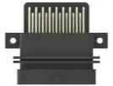
A | 6 | Battery Ground BUS - TIED INTO: A3, A4, A6, C4, D1, D3
A | 7 | 12v Switched Power BUS - TIED INTO: A5, A7, A17, A34, B7, C1, D7
A | 8 | NOT USED
A | 9 | NOT USED
A | 10 |  | A1
A | 11 |  | A2
A | 12 |  | A3
A | 13 |  | A4
A | 14 |  |  |  | C12
A | 15 |  |  |  | C13
A | 16 |  | A14
A | 17 | 12v Switched Power BUS - TIED INTO: A5, A7, A17, A34, B7, C1, D7
A | 18 |  |  | B13
A | 19 | 5v ECU Bus 1 - TIED INTO: A19 + B21 + B22 |  | B25 | C25
A | 20 | NOT USED
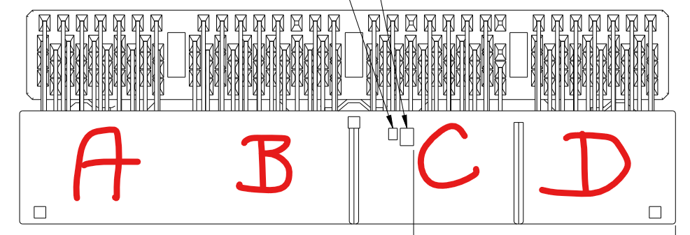
A | 21 |  | A27
A | 22 |  | A28
A | 23 |  | A6
A | 24 |  | A8
A | 25 |  | A5
A | 26 |  | A7
A | 27 |  | A15
A | 28 |  |  | B14
A | 29 | Sensor Ground Bus A - TIED INTO: A29, B29, B30, C10, C11, D8, D30, D31 |  | B16 | C26
A | 30 | NOT USED
A | 31 |  | A29
A | 32 |  | A30
A | 33 |  | A25
A | 34 | 12v Switched Power BUS - TIED INTO: A5, A7, A17, A34, B7, C1, D7

B | 1 | NOT USED
B | 2 | NOT USED
B | 3 | NOT USED
B | 4 | NOT USED
B | 5 | NOT USED
B | 6 |  |  |  |  | D-0 Pin
B | 7 | 12v Switched Power BUS - TIED INTO: A5, A7, A17, A34, B7, C1, D7 |  |  | C1 | 12V Pin
B | 8 | NOT USED |  |  |  |  |  |  |  |  |  |  |  | 135 PIN HEADER
B | 9 | INPUT IS 12V, USE SSR TO CONVERT TO GROUND SIGNAL |  |  |  | SSR 1 to AN1 Pin |  |  |  |  |  |  |  | 1-1376430-8
B | 10 | NOT USED |  |  |  |  |  |  |  |  |  |  |  | Click Here for Header Data
B | 11 |  | A32
B | 12 |  | A31 |  |  |  |  | Stand Off Board: |  |  | CLICK HERE FOR BOARD INFORMATION
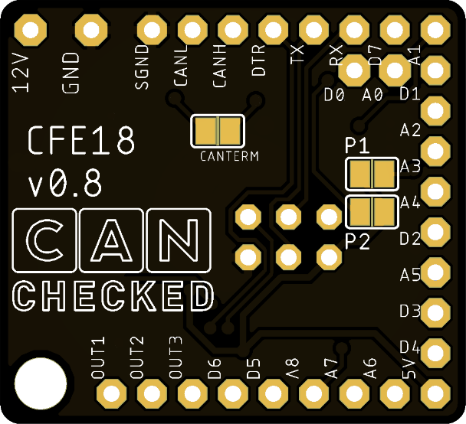
B | 13 |  | A21
B | 14 | NOT USED
B | 15 |  | A9
B | 16 | NOT USED
B | 17 |  | A34
B | 18 | NOT USED
B | 19 | NOT USED
B | 20 |  | A11
B | 21 | 5v ECU Bus 1 - TIED INTO: A19 + B21 + B22
B | 22 | 5v ECU Bus 1 - TIED INTO: A19 + B21 + B22
B | 23 |  | B15
B | 24 | NOT USED
B | 25 | NOT USED
B | 26 |  | A22
B | 27 | NOT USED
B | 28 | NOT USED
B | 29 | Sensor Ground Bus A - TIED INTO: A29, B29, B30, C10, C11, D8, D30, D31 |  |  |  |  |  | General Information:
B | 30 | Sensor Ground Bus A - TIED INTO: A29, B29, B30, C10, C11, D8, D30, D31
B | 31 | APP2 | B16 |  |  |  |  | Automotive use so wiring feeding the pcb will be 12v based however will see up to 15v with charging system running.
B | 32 |  |  |  |  | OUT1 Pin
B | 33 |  | A33 |  |  |  |  | The board is basically just a jumper board to replace the factory computer with a new one and add additional sources of I/O to the new ecu.
B | 34 | NOT USED |  |  |  |  |  | Most of the wiring is very low current.
B | 35 |  | A12 |  |  |  |  | All load wiring is the top row of the 135 pin header.
 |  |  |  |  |  |  |  | The remaining wiring is sensor readings in both analog, digital and CAN format from engine and body sensors etc.
C | 1 | 12v Switched Power BUS - TIED INTO: A5, A7, A17, A34, B7, C1, D7
C | 2 | BATTERY PERMANENT POWER |  |  |  |  |  | Currently the demo version in use is simply a header with 20ga Tefzel wire soldered to each header pin, ran to the new ecu connectors.
C | 3 | NOT USED
C | 4 | Battery Ground BUS - TIED INTO: A3, A4, A6, C4, D1, D3 |  |  |  |  |  | No other electrical components in place other than a solid state relay board for the 2 signals that are noted.
C | 5 |  |  |  |  | 5V PIN |  |  | LM YN 2-Channel Solid State Relay Module High-Low Level Trigger 3A Optocoupler Isolation https://a.co/d/e5KIoYY
C | 6 |  |  |  |  | 5V PIN |  | WOULD LIKE THIS INTEGRATED INTO THE NEW PCB
C | 7 |  |  |  |  | D-1 Pin
C | 8 | NOT USED |  |  |  |  |  | Prefer the design to be compact as possible for space constraints, while still allowing easy
C | 9 | NOT USED |  |  |  |  |  | solder connection points for everything by an entry level assembler.
C | 10 | Sensor Ground Bus A - TIED INTO: A29, B29, B30, C10, C11, D8, D30, D31
C | 11 | Sensor Ground Bus A - TIED INTO: A29, B29, B30, C10, C11, D8, D30, D31 |  |  |  |  |  | The housing will be made around the board design, the only design limitation would be to keep the board inside the connector
C | 12 |  |  |  |  | AN6 Pin |  |  | housings so that the case can have the connectors flushed on their walls for clean appearance.
C | 13 |  |  |  |  | AN7 Pin
C | 14 | NOT USED
C | 15 | INPUT IS 12V, USE SSR TO CONVERT TO GROUND SIGNAL |  |  |  | SSR 2 to AN2 Pin |  | Pictures of similar board designs:
C | 16 |  |  |  | C8
C | 17 | OEM CAN High + 120 Ohm CAN Resistor TO C28 | A23
C | 18 |  |  |  |  | AN3 Pin
C | 19 |  |  |  | - | SEN GROUND PIN
C | 20 |  |  | B17
C | 21 |  |  |  |  | AN5 Pin
C | 22 |  |  | B8
C | 23 | NOT USED
C | 24 | NOT USED
C | 25 | NOT USED
C | 26 | NOT USED
C | 27 | NOT USED
C | 28 | OEM CAN Low + 120 Ohm CAN Resistor TO C17 | A24
C | 29 |  |  |  | C16
C | 30 |  | A13
C | 31 |  |  | B11
C | 32 | NOT USED
C | 33 |  | A18
C | 34 | NOT USED
C | 35 |  |  |  |  | AN4 Pin

D | 1 | Battery Ground BUS - TIED INTO: A3, A4, A6, C4, D1, D3
D | 2 |  |  | B23
D | 3 | Battery Ground BUS - TIED INTO: A3, A4, A6, C4, D1, D3
D | 4 | NOT USED
D | 5 | NOT USED
D | 6 |  |  |  |  | OUT2 PIN
D | 7 | 12v Switched Power BUS - TIED INTO: A5, A7, A17, A34, B7, C1, D7
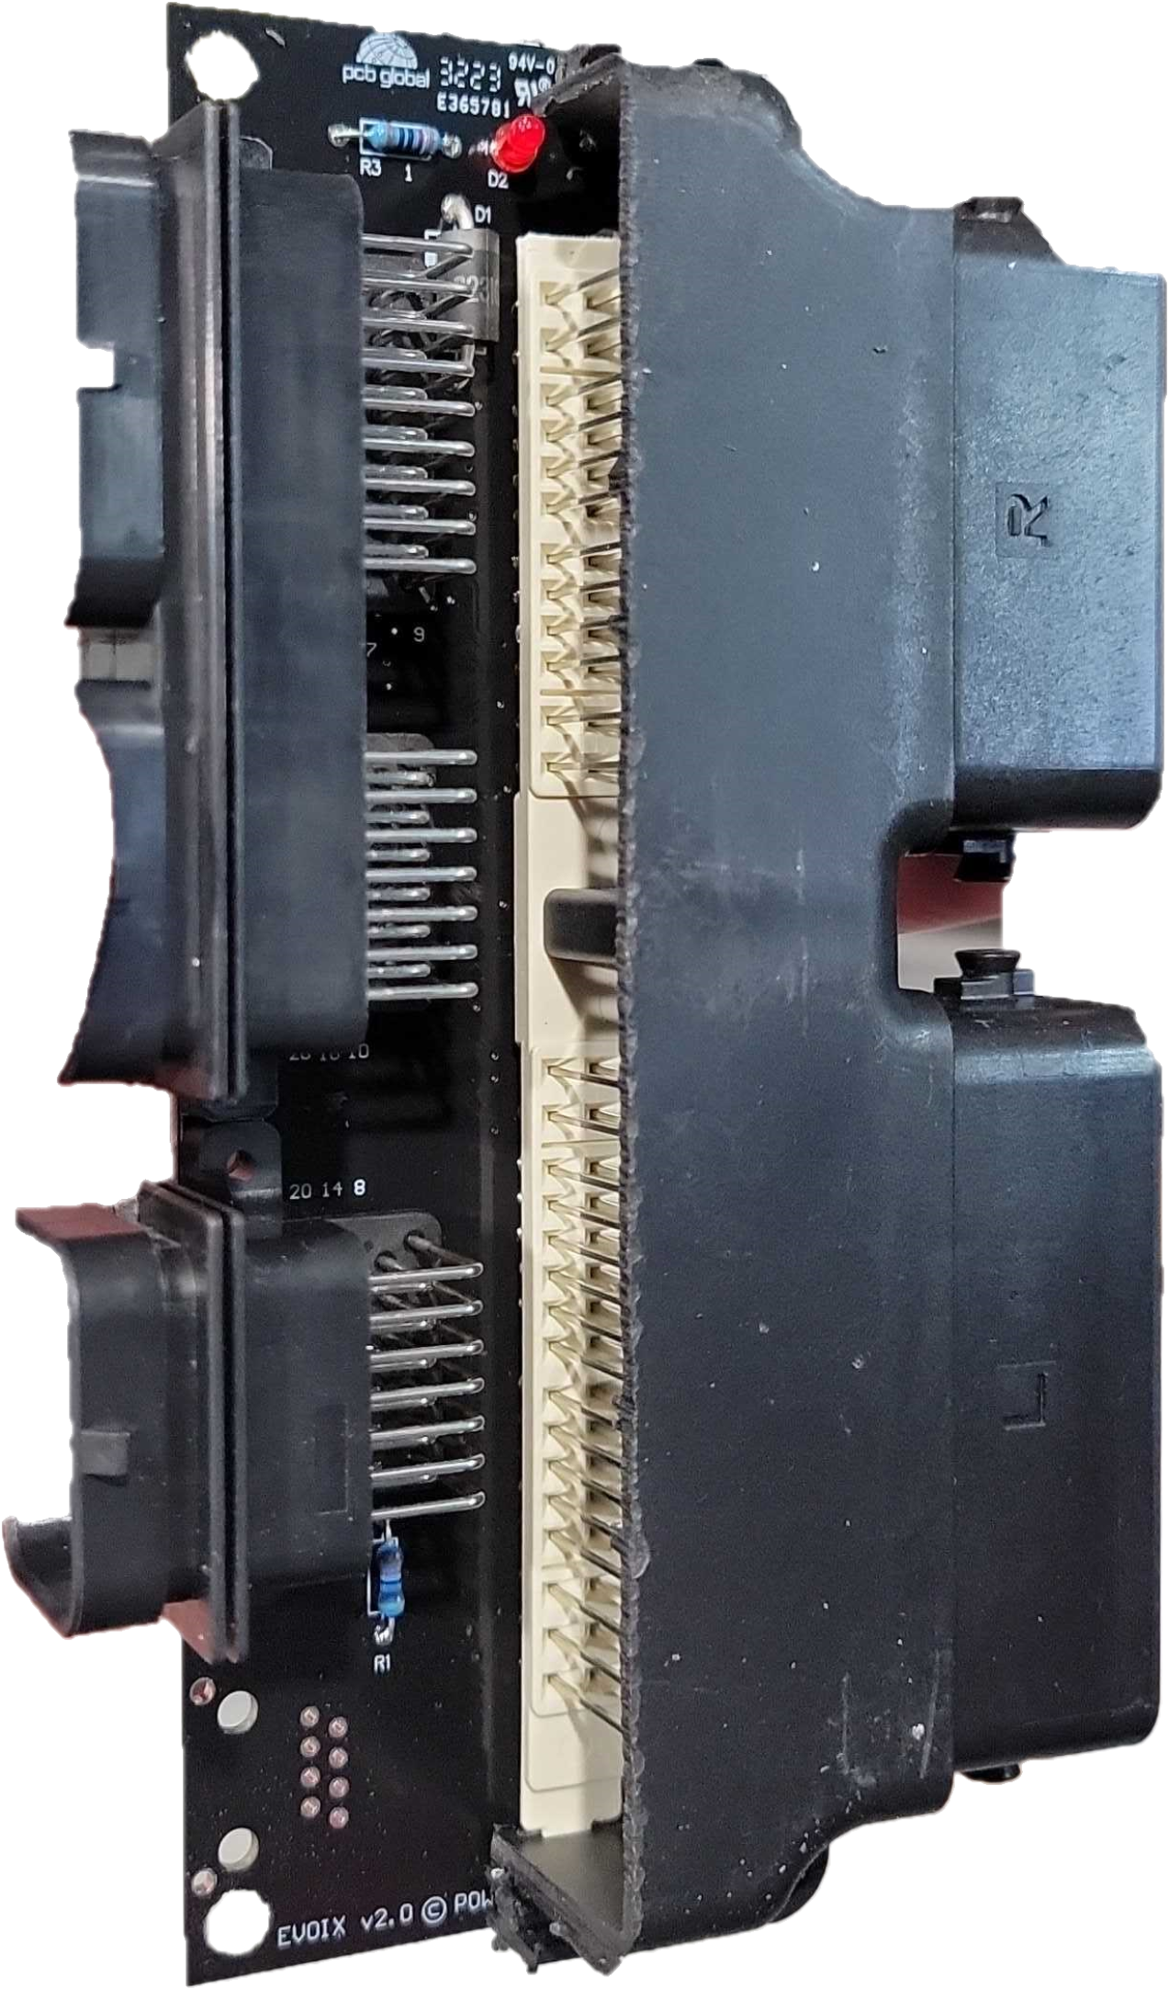
D | 8 | Sensor Ground Bus A - TIED INTO: A29, B29, B30, C10, C11, D8, D30, D31
D | 9 |  |  | B20
D | 10 |  |  | B27
D | 11 |  |  | B28
D | 12 | NOT USED
D | 13 | NOT USED
D | 14 | NOT USED
D | 15 |  |  |  |  | OUT3 PIN
D | 16 |  |  | B3
D | 17 |  |  | B1
D | 18 | NOT USED
D | 19 | NOT USED
D | 20 |  |  | B10
D | 21 | NOT USED
D | 22 |  |  | B12
D | 23 |  |  |  | C20
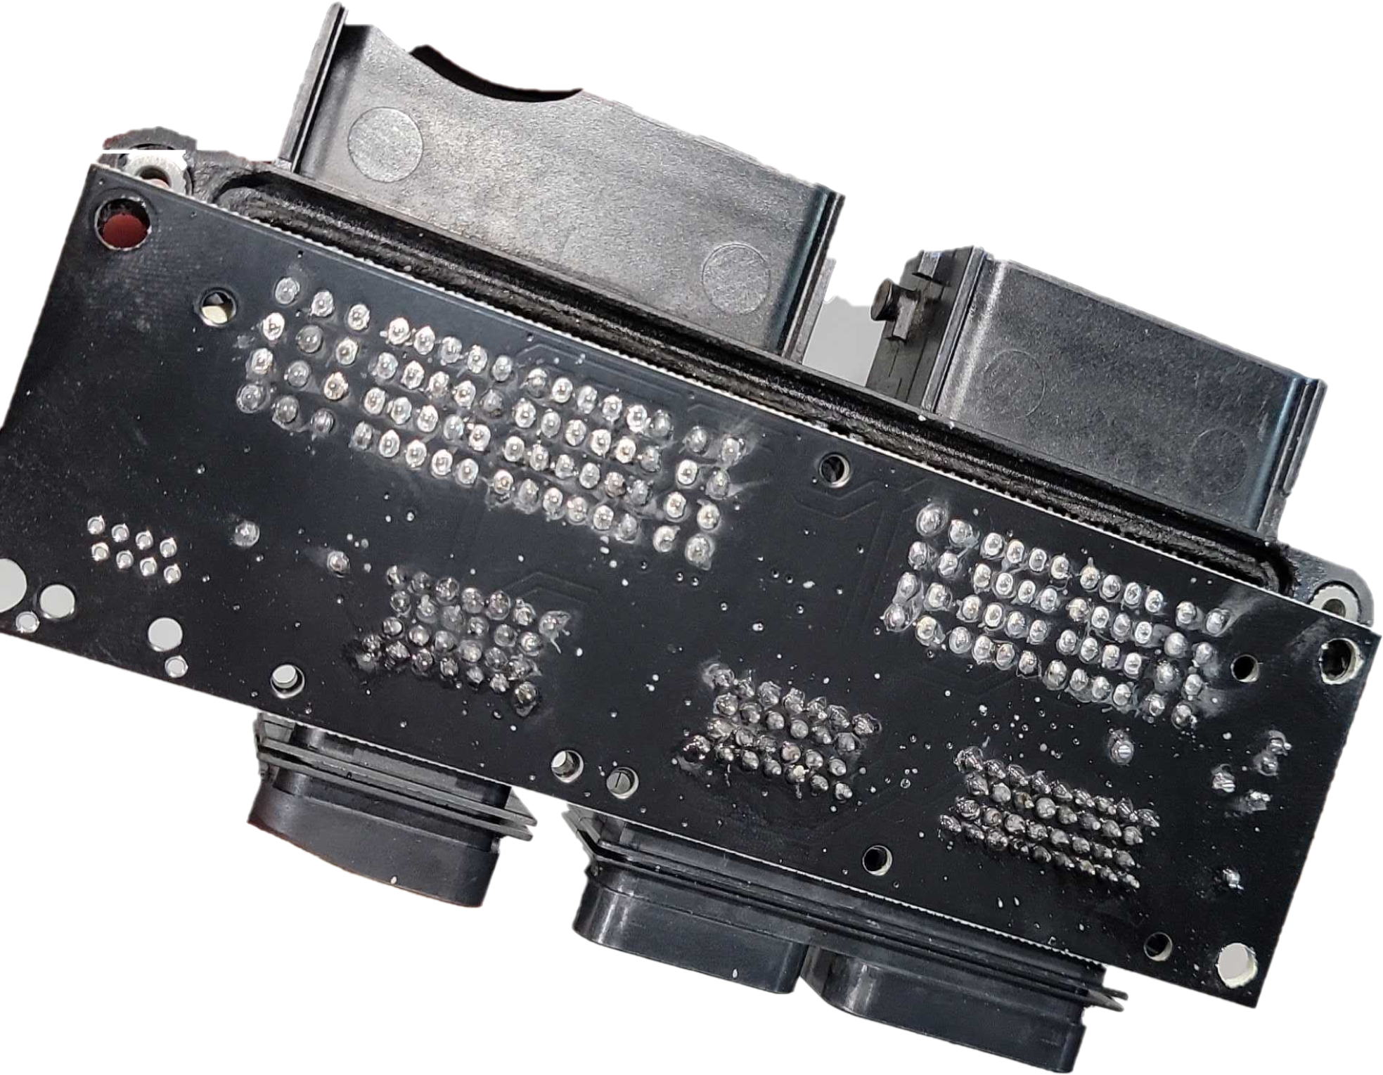
D | 24 |  |  | B5
D | 25 |  |  | B2
D | 26 | NOT USED
D | 27 | NOT USED
D | 28 |  |  |  |  | AN0 Pin
D | 29 |  |  |  | C18
D | 30 | Sensor Ground Bus A - TIED INTO: A29, B29, B30, C10, C11, D8, D30, D31
D | 31 | Sensor Ground Bus A - TIED INTO: A29, B29, B30, C10, C11, D8, D30, D31

STAND OFF BOARD Connections

12V |  | 135H:B7 AND AMP:C1 |  |  | C1
GND |  | 135H:A3 AND AMP:C2 + C24 |  |  | C2 + C24

SGND |  | 135H:C19
CANL |  | AMP:B22 AND AMP:C3 |  |  | C3
CANH |  | AMP:B21 AND AMP:C4 |  |  | C4
DTR |  |  |  |  | C20
TX |  |  |  |  | C22
RX |  |  |  |  | C23
D7 |  |  |  |  |  |  |  |  |  | AMP26 "C CONNECTOR"
A1 |  | SSR GROUND OUTPUT FROM 135H:B9
D0 |  | 135H:B6 |  |  |  |  |  |  |  | 1 | 2 | 3 | 4 | 5 | 6 | 7
A0 |  | 135H:D28 |  |  |  |  |  |  |  | 12V | GND | CAN-L | CAN-H | DI2 | DI3 | DI4
D1 |  | 135H:C7
A2 |  | SSR GROUND OUTPUT FROM 135H:C15 |  |  |  |  |  |  |  |  | 8 | 9 | 10 | 11 | 12 | 13
A3 |  | 135H:C18 |  |  |  |  |  |  |  |  | 135H:C16 | 135H:C29 | 135H:D29 | 135H:D23 | 135H:A14 | 135H:A15
A4 |  | 135H:C35
D2 |  |  |  |  | C5 |  |  |  |  |  | 14 | 15 | 16 | 17 | 18 | 19
A5 |  | 135H:C21 |  |  |  |  |  |  |  |  | AMP:B17 | AMP:B18 | AMP:B6 | AMP:B7 | AMP:A16 | AMP:A17 |  | Corrected pin 18 to AMP:A16
D3 |  |  |  |  | C6
D4 |  |  |  |  | C7 |  |  |  |  | 20 | 21 | 22 | 23 | 24 | 25 | 26
5V | 5v | 5VOLT SUPPLY |  |  | C21 |  |  |  |  | DTR | 5V | TX | RX | GND | 135H:A19 | 135H:A29
A6 |  | 135H:C12
A7 |  | 135H:C13
A8 |  | NOT USED
D5 |  | NOT USED
D6 |  | NOT USED
OUT3 |  | 135H:D15
OUT2 |  | 135H:D6
OUT1 |  | 135H:B32

