Cover
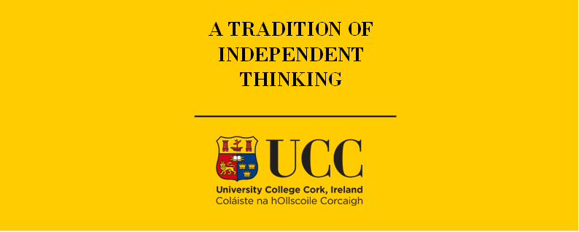

TIMES-Ireland Model

Document type: | Base Year Template
Sector(s): | Industry sector (IND)
Purpose: | Specify base year data and define sector structure

Original developer(s): | Olexandr Balyk (UCC, olexandr.balyk@ucc.ie)
 | Bakytzhan Suleimenov (UCC, bsuleimenov@ucc.ie)

Current maintainer(s): | Bakytzhan Suleimenov (UCC, bsuleimenov@ucc.ie)

Part of TIM version: | 1.0
Model repository: | https://github.com/MaREI-EPMG/TIMES-Ireland-model
Licence: | CC BY-NC-SA 4.0 (unless specified otherwise)
 | https://creativecommons.org/licenses/by-nc-sa/4.0/

