2025
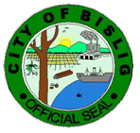
Republic of the Philippines
Province of Surigao del Sur
BISLIG CITY

CITY AGRICULTURE OFFICE
City Organic Agri-Fishery Tourism Complex

COAFTC TRUST FUND MONITORING 2023

 | -

 | -

 | -

