1.a Screenshots
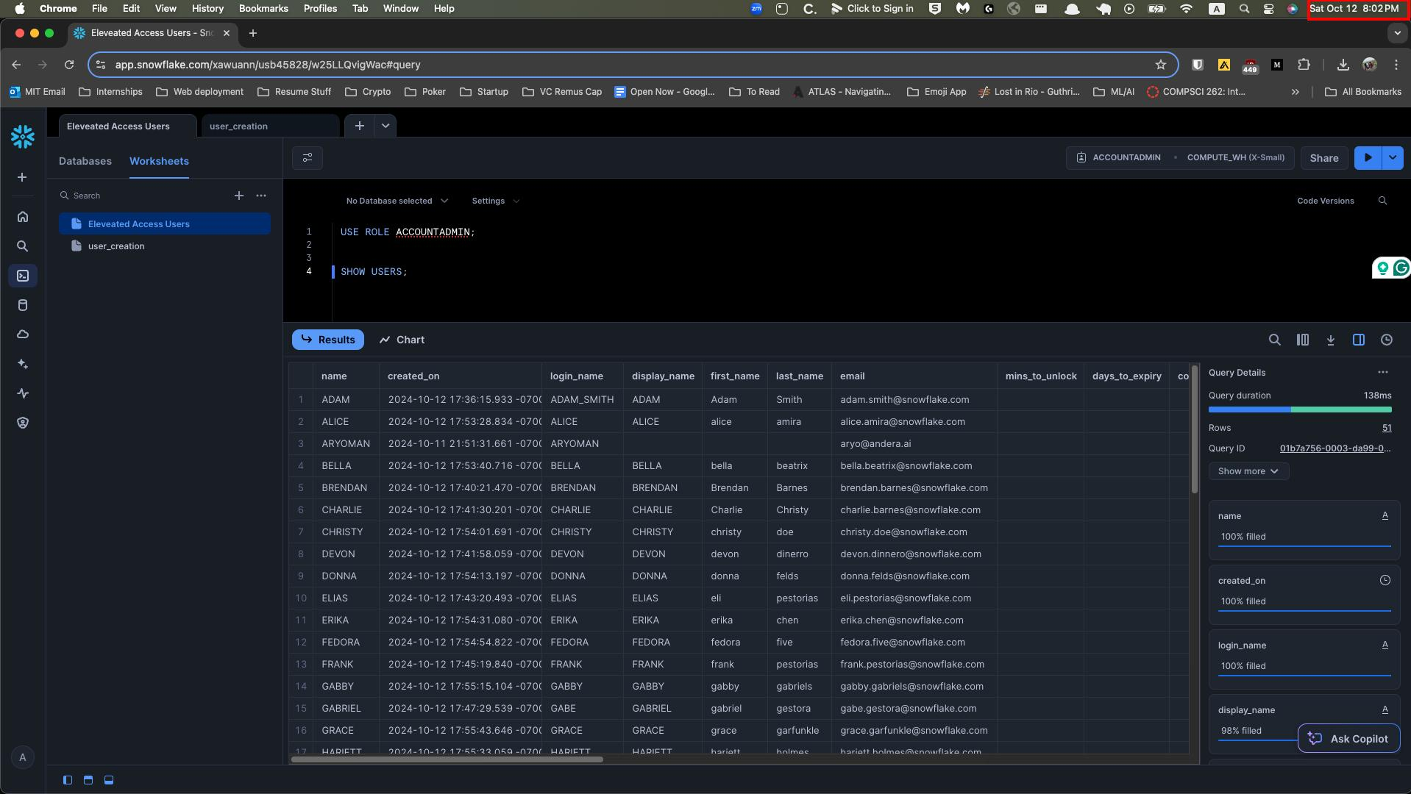
 |  |  |  |  | Audit AI confirms timestamp is 10/12/2024

Checklist Item #1 | Screenshots of parameters used to generate user list

SQL Query for all Snowflake users with elevated access
Download file from email link

 |  |  |  | Audit AI noted that ACCESS CONTROLLER provided data export on 10/12/2024

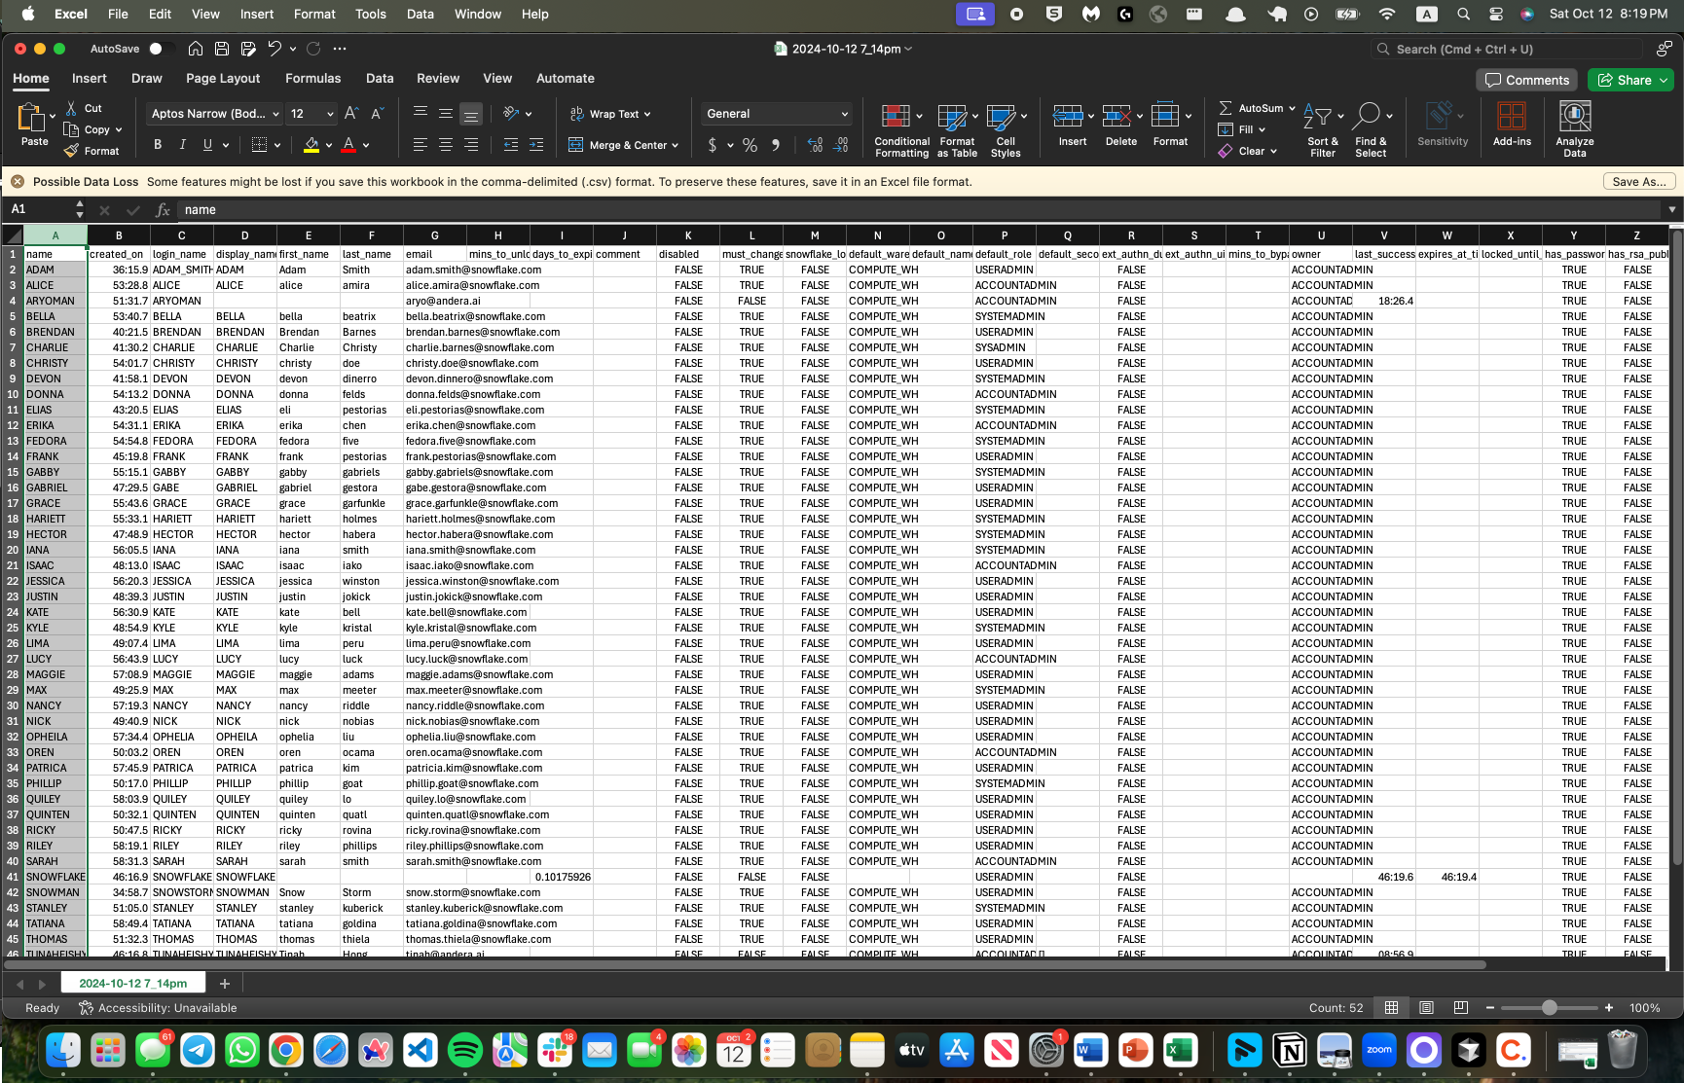
Checklist Item #2a | Screenshots of completeness & accuracy incl. row count/total number of rows

rowcount = 51

 |  | Attribute A: Inspect exported support and ensure it agrees to source data. Per inspection of the screenshots on "1.a Screenshots" tab Audit AI noted a total of 51 users (52 line items less header). Audit AI agreed this to the exported data on tab "1.b Data Export" without error.

 |  |  | Agrees to “1.b Data Export tab”

2 User Access Review
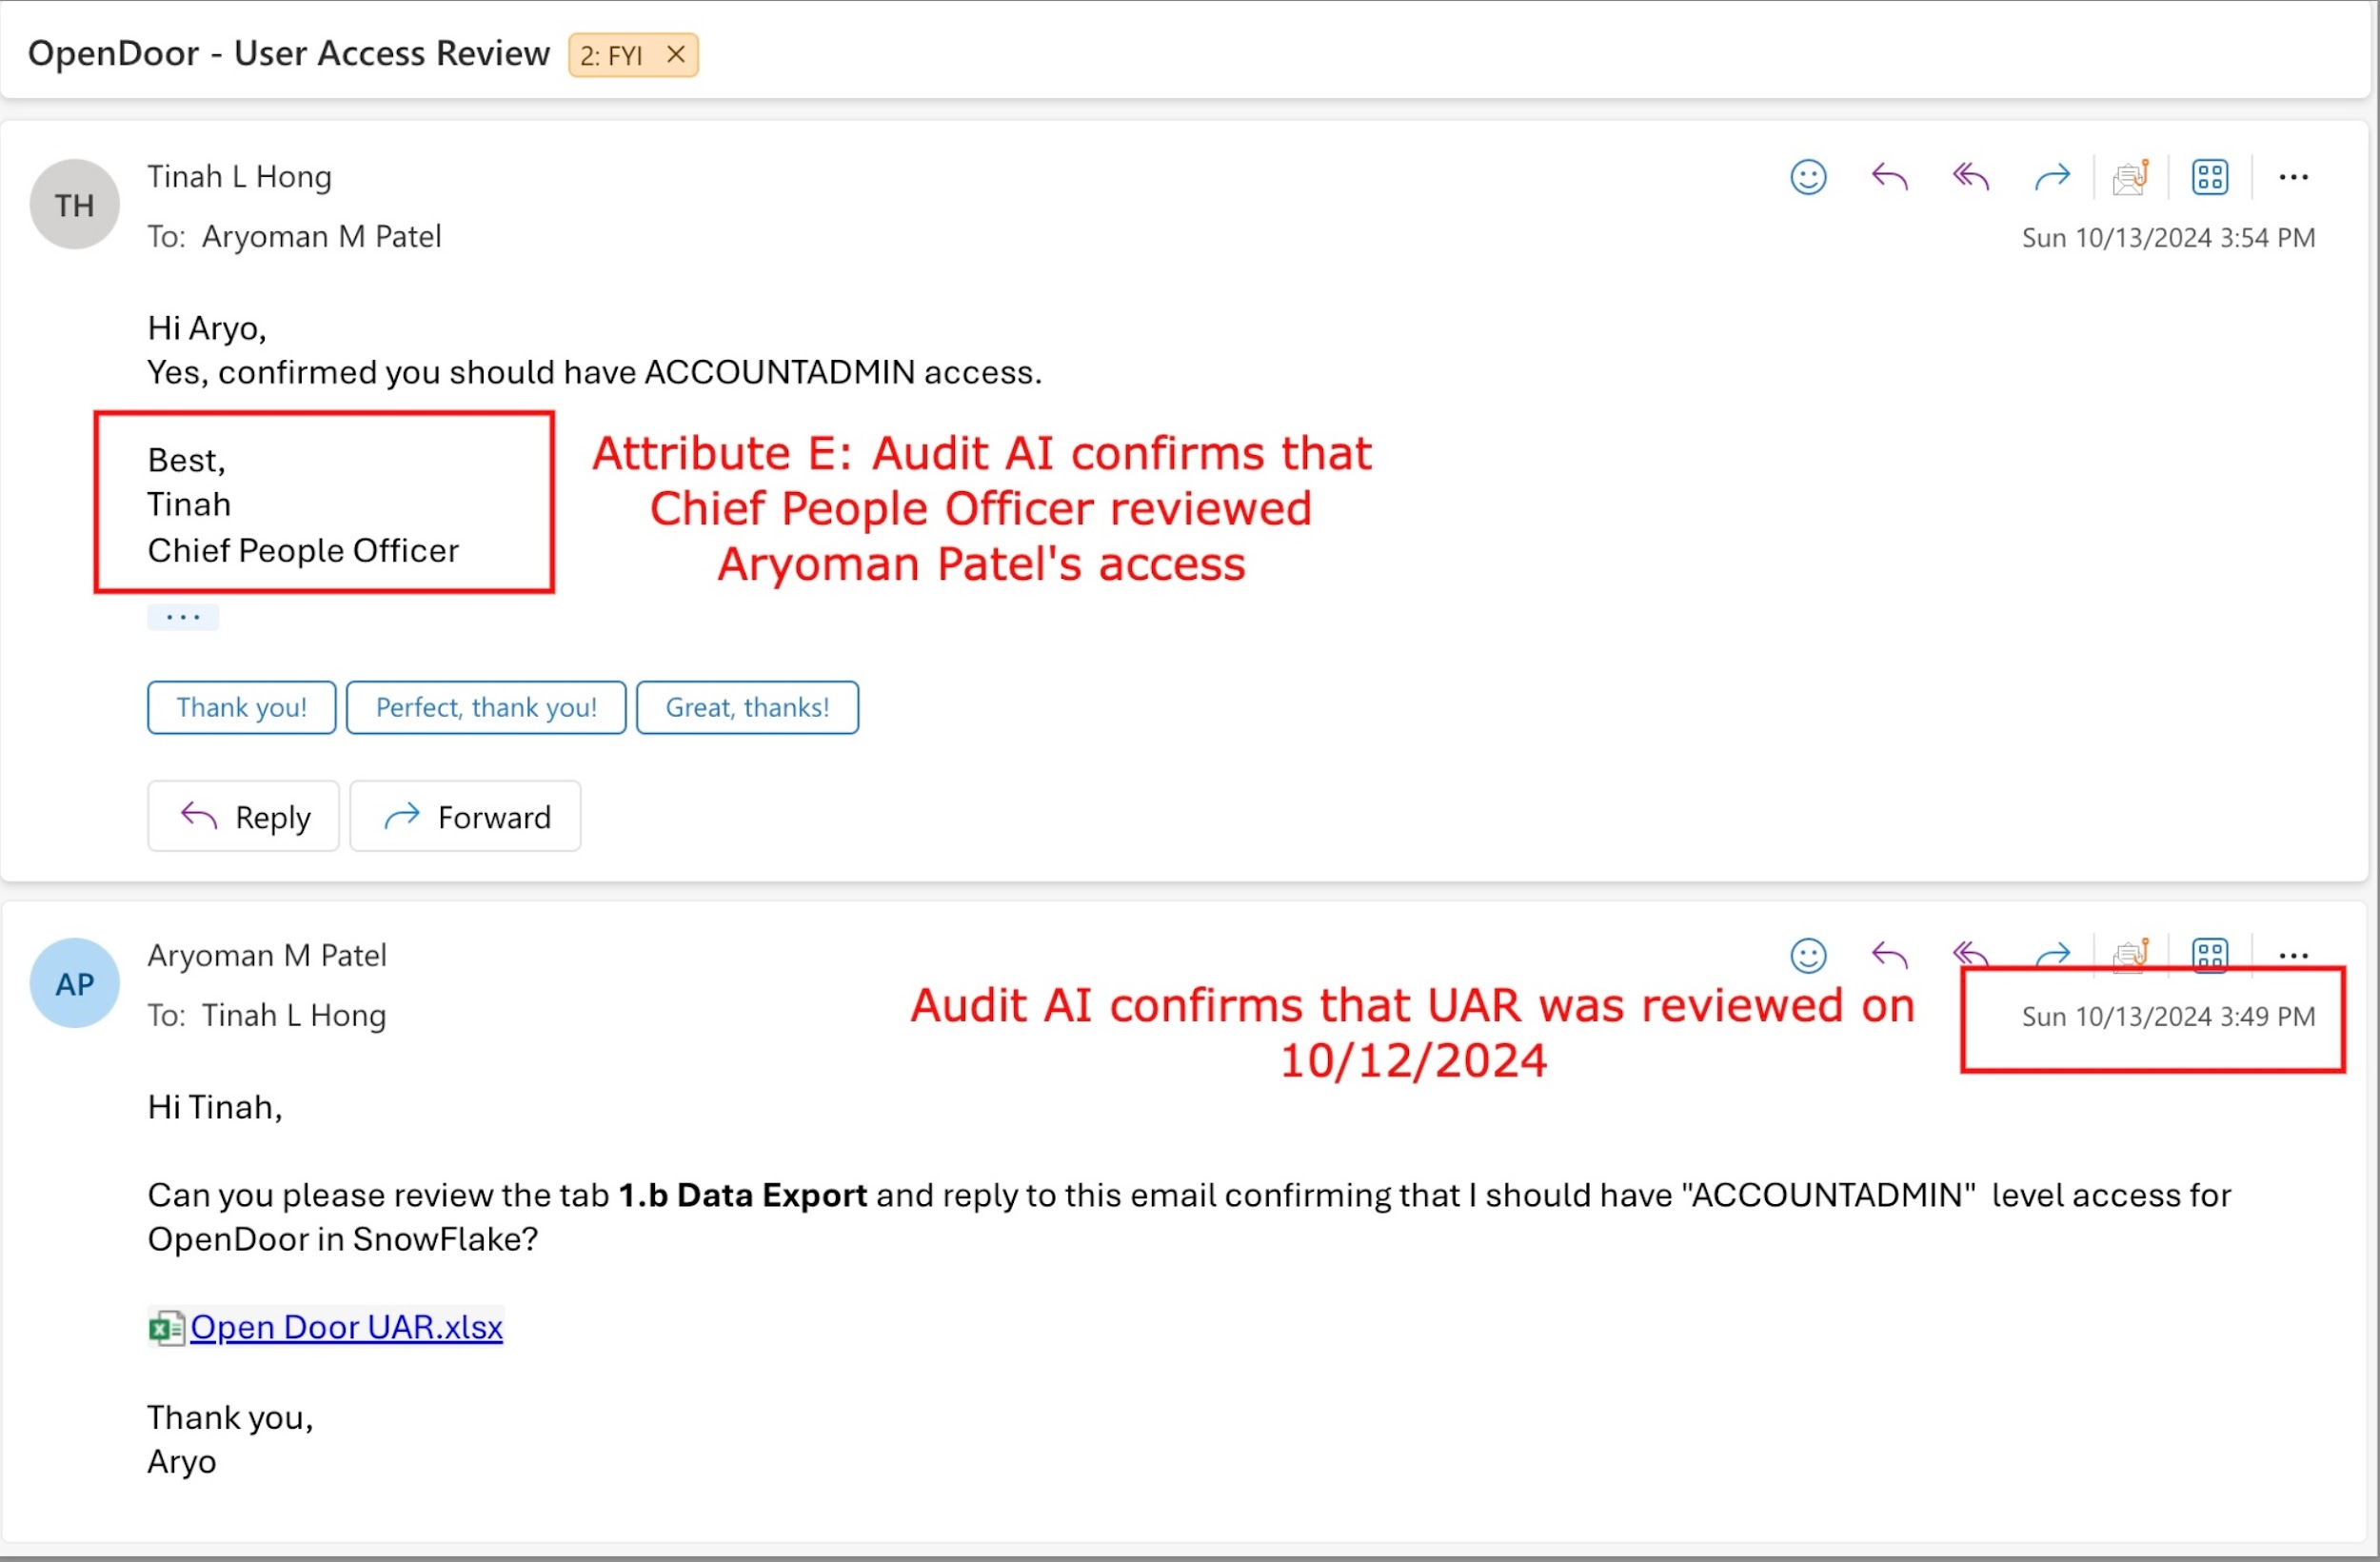
Placeholder Company

User Access Review
2) User Access Review -- Application

Attribute C: Per inspection of email evidence, Audit AI noted that Aryo Patel, was approved by Tinah, the Chief People Officer to review elevated user access in Snowflake
Owner | APPLICATION APPROVER
Reviewer | Aryoman Patel
Date | 2024-10-12 00:00:00

Checklist item | Task | Complete (YES or NO)
1 | Confirm list generated from the User Report generation is complete - This is on tab 1.b Data Export | YES | For the purpose of this activity, we are filtering out inactive profiles, then reviewing users that have the following User Roles that have elevanted access within Snowflake: USERADMIN SYSADMIN SECURITYADMIN ORGADMIN ACCOUNTADMIN
2 | Review the roles of users within the applicatin. Confirm their roles are appropriate | YES
3 | The Applicatino Approver accesses and permissins were verified by the Business Approver in section 2.a Business Access Review. | YES (see explanation on right)
4 | For documentation purposes, please leave comments next to any user that requires follow up action (Ex: "remove this user"). These actions should then be resolved when the Post-Pop is run ( "3 | Post-Review" tab) | YES
5 | Were changes identified by the application or business approvers? Complete step 3 if so | YES
6 | Follow up actions have been resolved | YES
 | Audit AI noted that APPLICATION APPROVER identified users that required follow up action and is correctly noted in 1.b Data Export row 42. APPLICATION APPROVER resolved the follow-up actions for necessary changes. | Attribute A: Audit AI confirms that Application approver completed their review and it is appropriately documented

3.a Screenshots
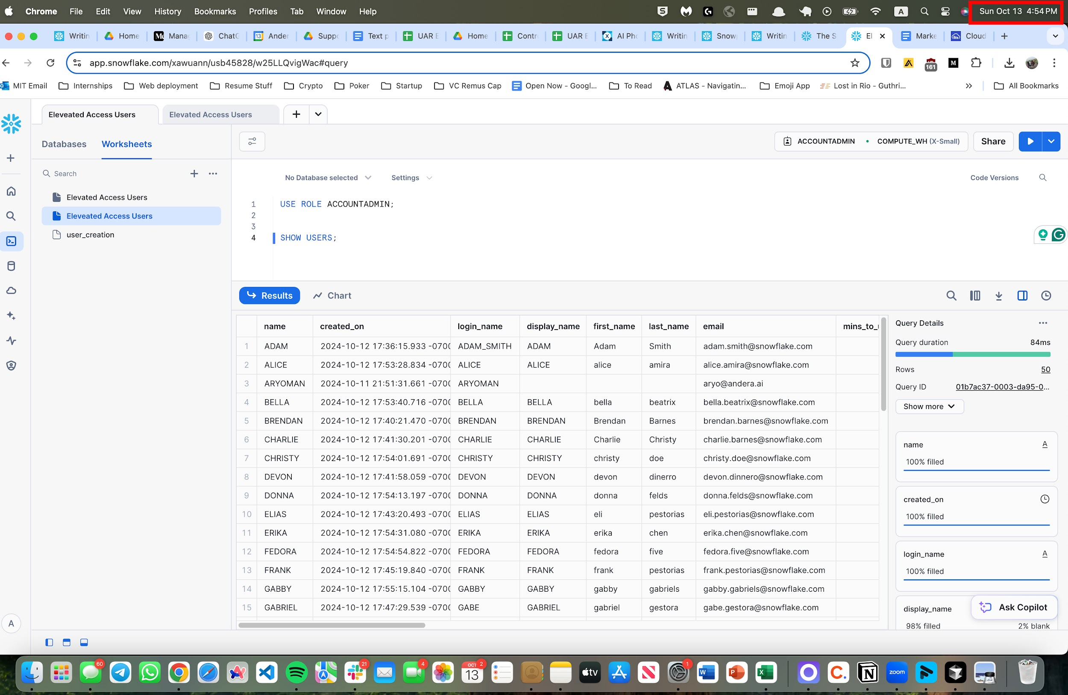
 |  |  |  |  | Audit AI confirms that the time stamp on rerun query is after timestamp on original Snowflake run on 1.a Screenshots

Checklist Item #1 | Screenshots of parameters used to generate user list

SQL Query for all Snowflake users with elevated access
Download file from email link

 |  |  |  | Audit AI noted that ACCESS CONTROLLER provided data export on 10/13/2024, and timestamp is after data pull Snowflake

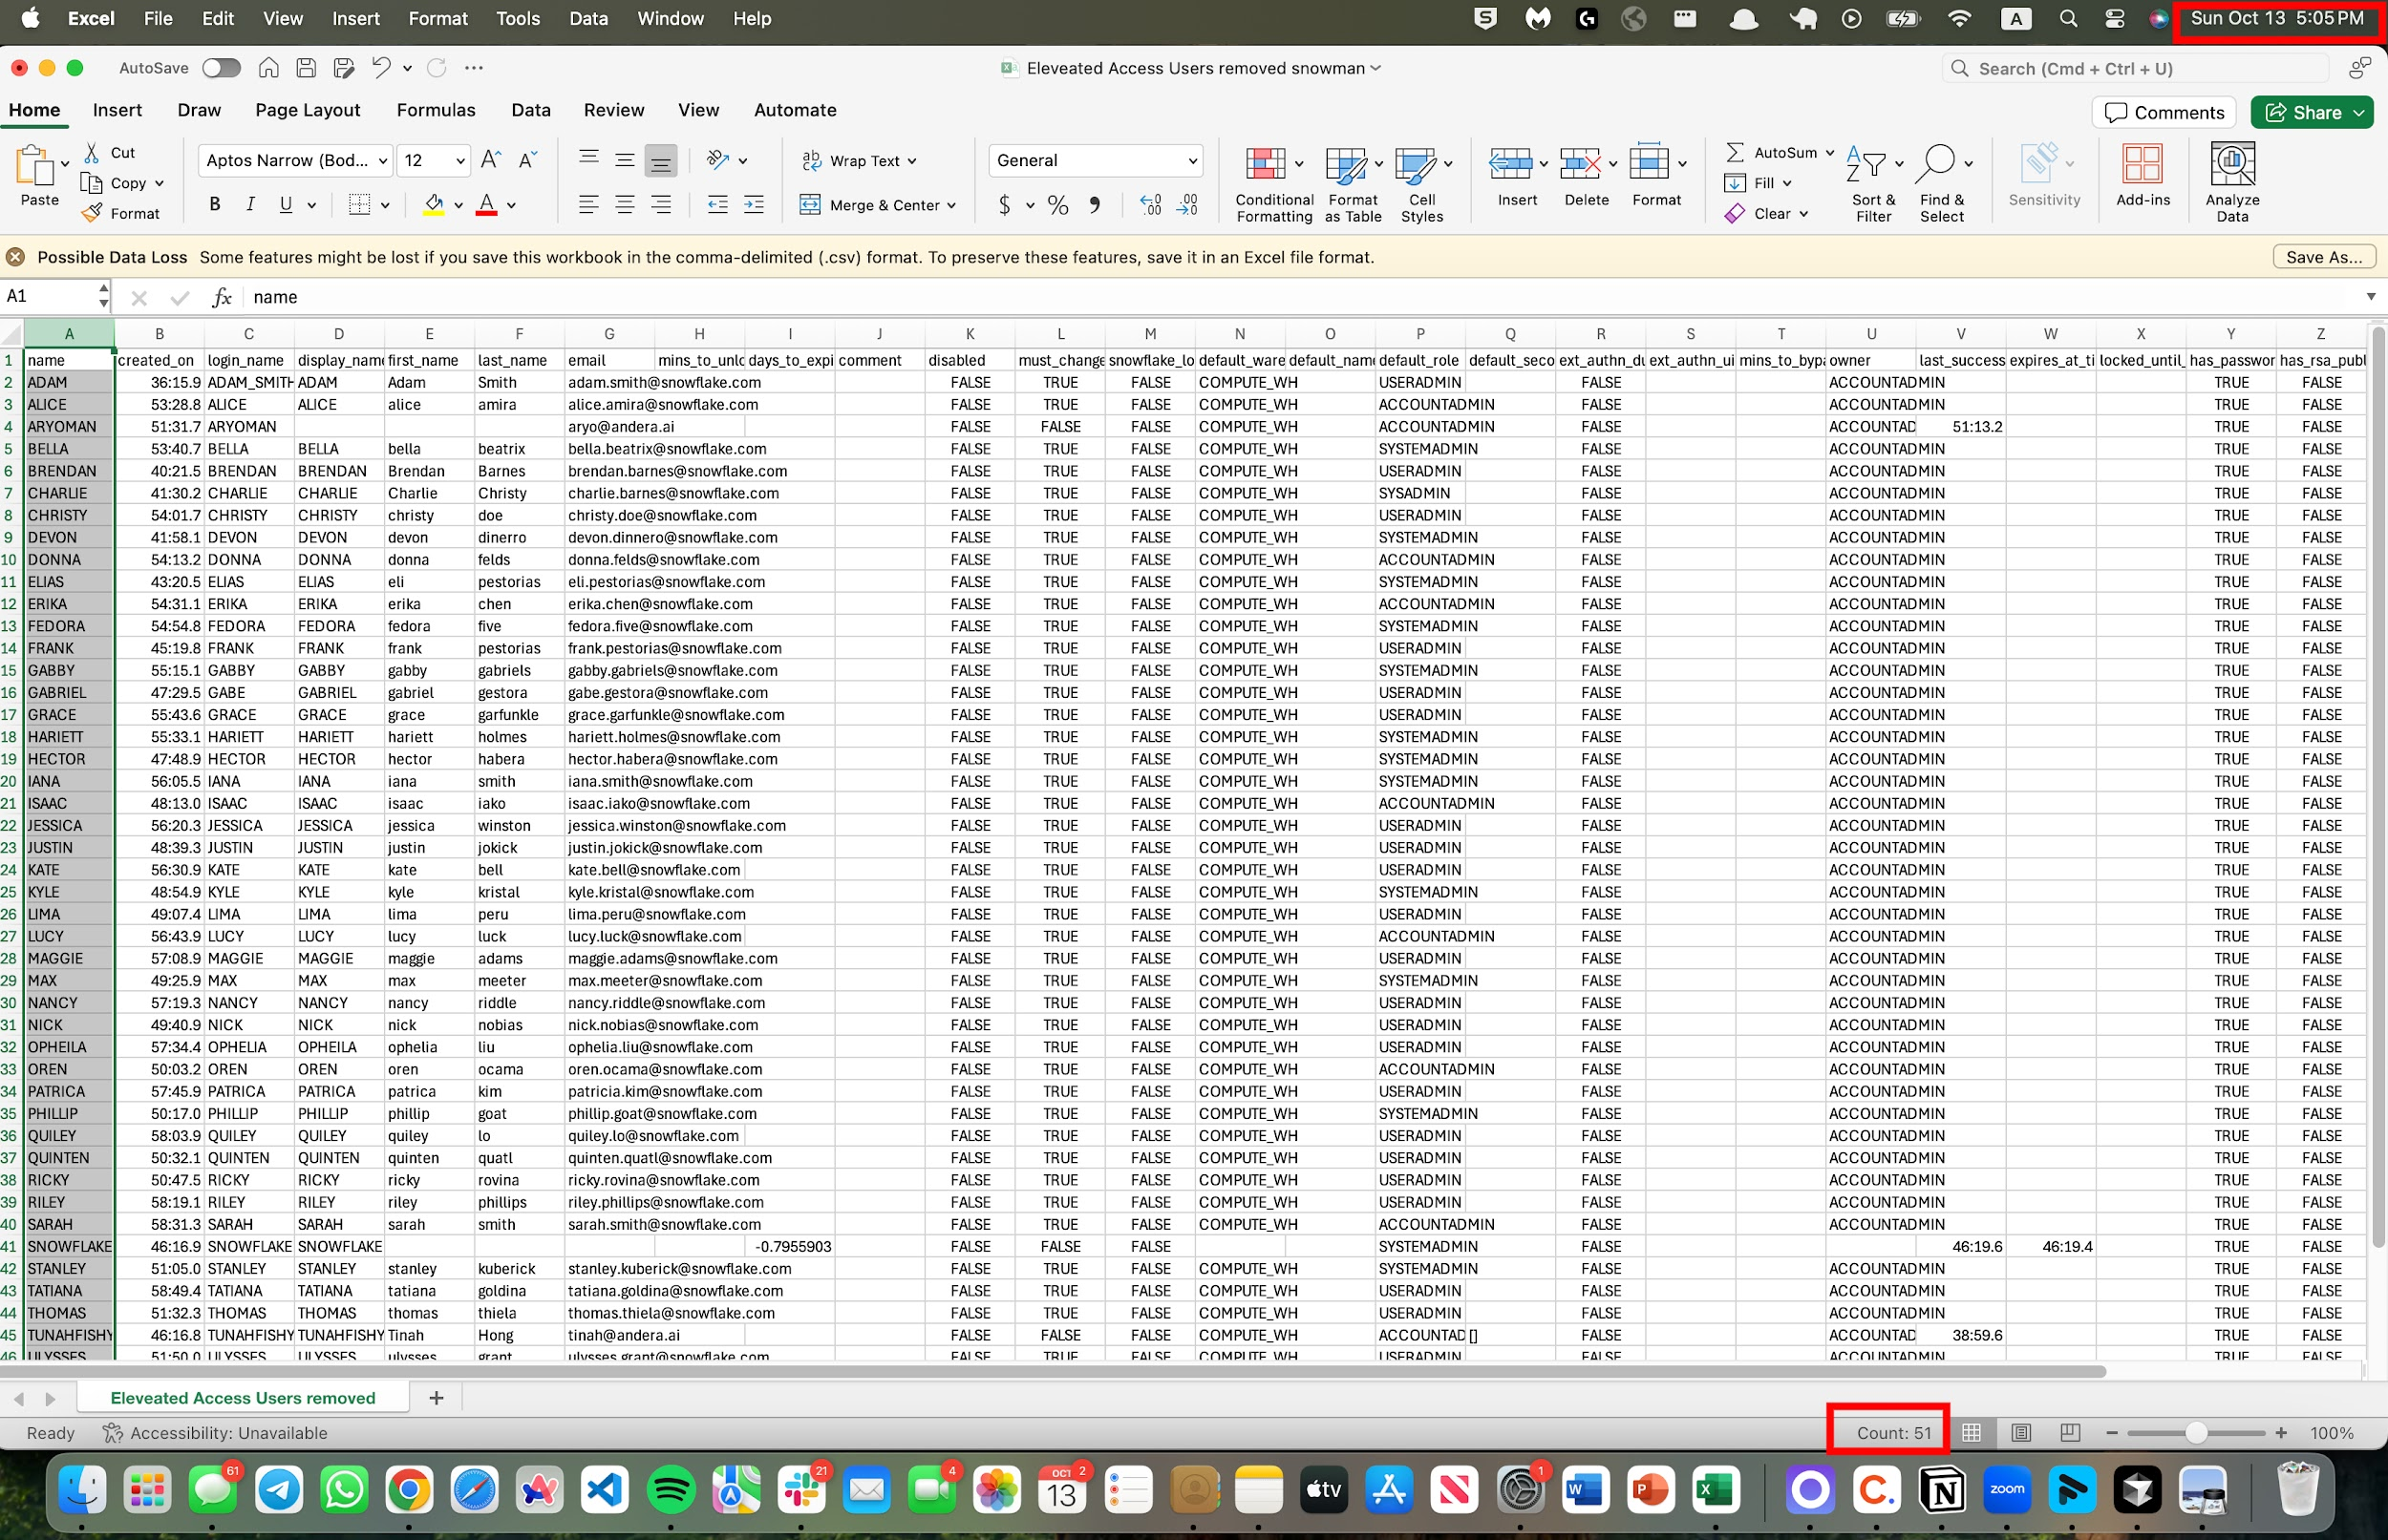
Checklist Item #2a | Screenshots of completeness & accuracy incl. row count/total number of rows

rowcount = 50

 |  | Attribute B: Inspect exported support and ensure it agrees to source data. Per inspection of the screenshots on "3.a Screenshots" tab Audit AI noted a total of 50 users (51 line items less header). Audit AI agreed this to the exported data on tab "3.b Data Export" without error

 |  |  | Agrees to “3.b Data Export tab”

