1.a Screenshots
 |  |  | 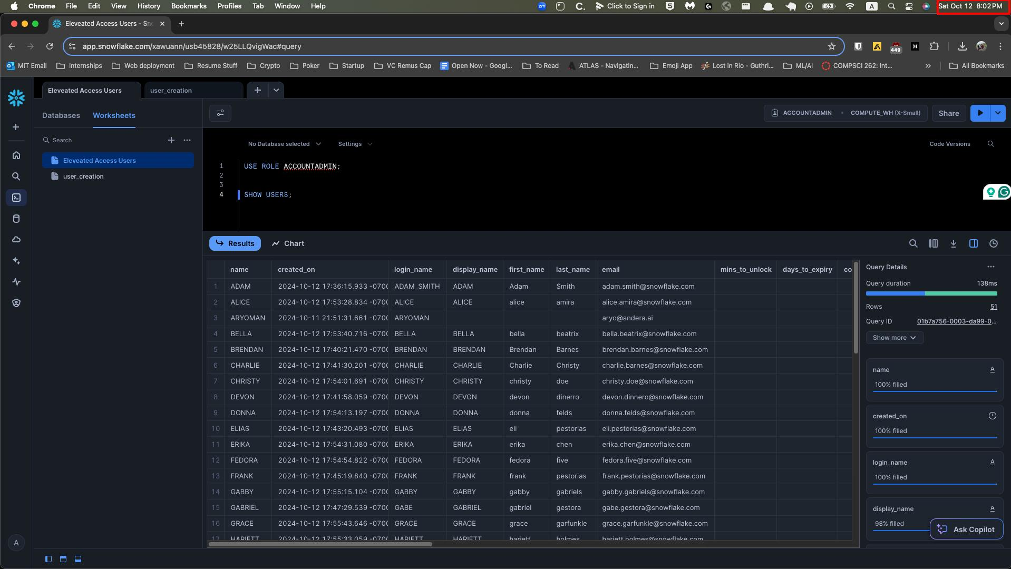 |  |  | Audit AI confirms timestamp is 10/12/2024

Checklist Item #1 | Screenshots of parameters used to generate user list

SQL Query for all Snowflake users with elevated access
Download file from email link

 |  |  |  |  | Audit AI noted that ACCESS CONTROLLER provided data export on 10/12/2024

Checklist Item #2a | Screenshots of completeness & accuracy incl. row count/total number of rows |  | 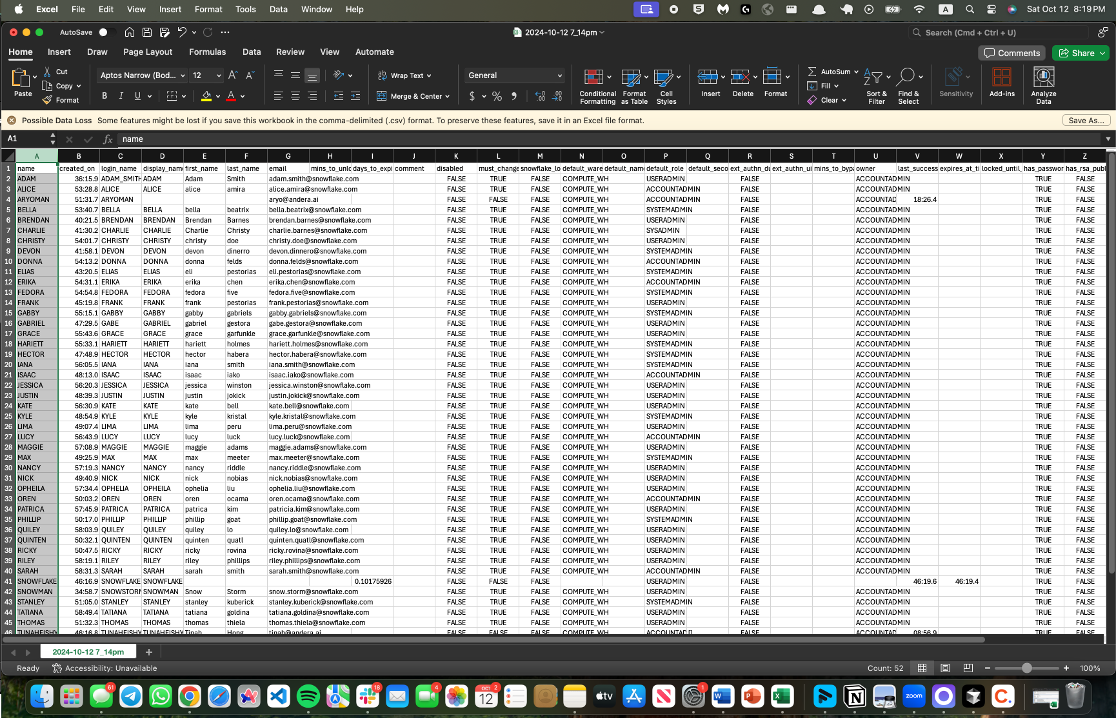

rowcount = 51

 |  | Attribute A: Inspect exported support and ensure it agrees to source data. Per inspection of the screenshots on "1.a Screenshots" tab Audit AI noted a total of 51 users (52 line items less header). Audit AI agreed this to the exported data on tab "1.b Data Export" without error.

 |  |  |  | Agrees to “1.b Data Export tab”

3.a Screenshots
 |  |  | 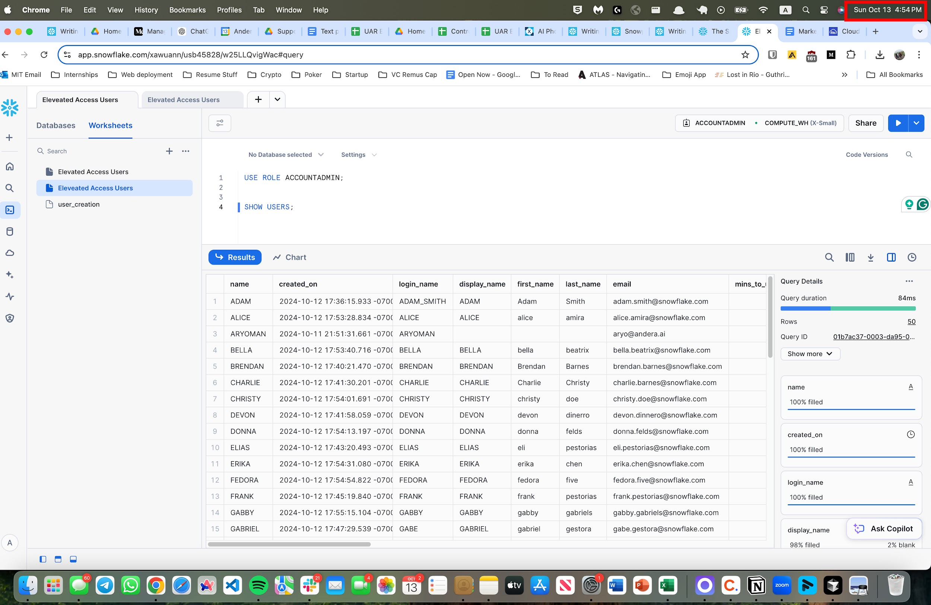 |  |  | Audit AI confirms that the time stamp on rerun query is after timestamp on original Snowflake run on 1.a Screenshots

Checklist Item #1 | Screenshots of parameters used to generate user list

SQL Query for all Snowflake users with elevated access
Download file from email link

 |  |  |  |  | Audit AI noted that ACCESS CONTROLLER provided data export on 10/13/2024, and timestamp is after data pull Snowflake

Checklist Item #2a | Screenshots of completeness & accuracy incl. row count/total number of rows |  | 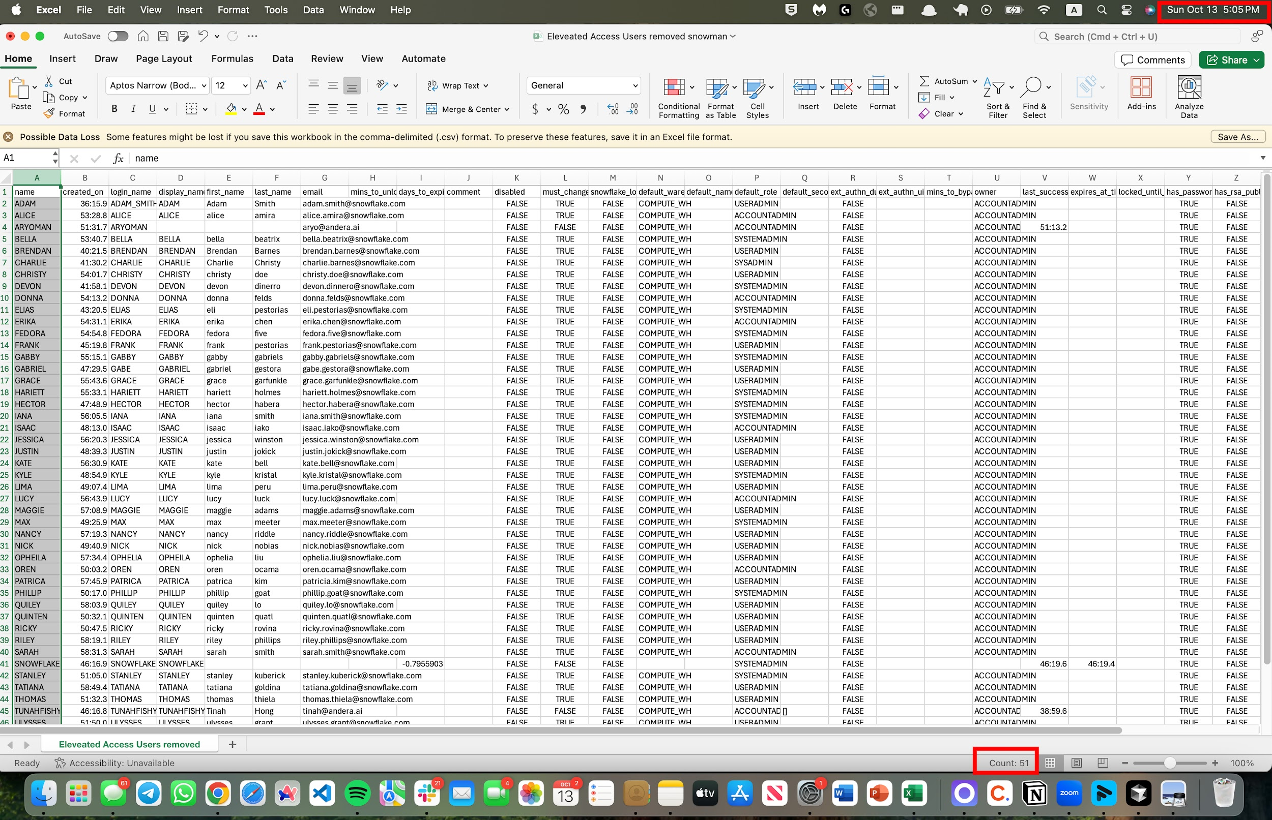

rowcount = 50

 |  | Attribute B: Inspect exported support and ensure it agrees to source data. Per inspection of the screenshots on "3.a Screenshots" tab Audit AI noted a total of 50 users (51 line items less header). Audit AI agreed this to the exported data on tab "3.b Data Export" without error

 |  |  |  | Agrees to “3.b Data Export tab”

