Sheet3
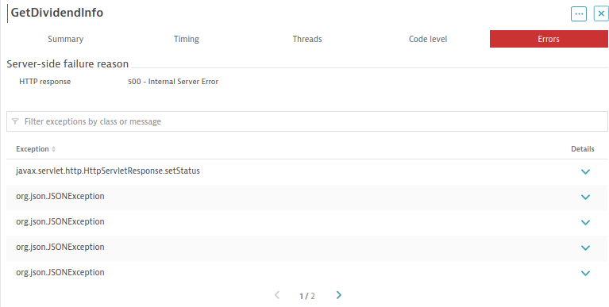
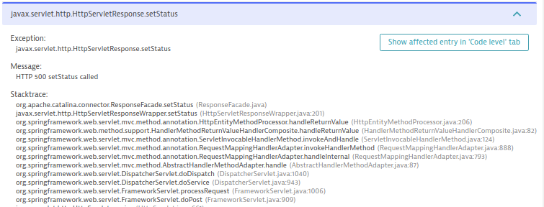
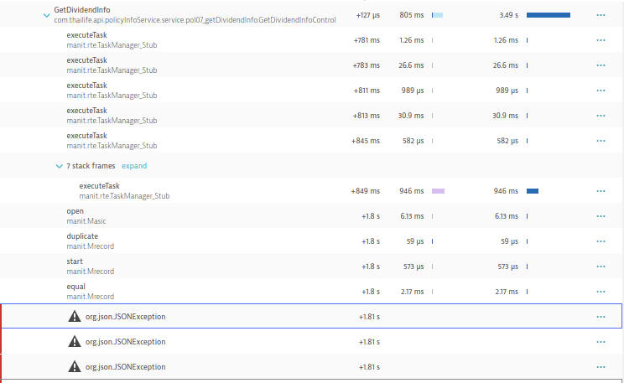
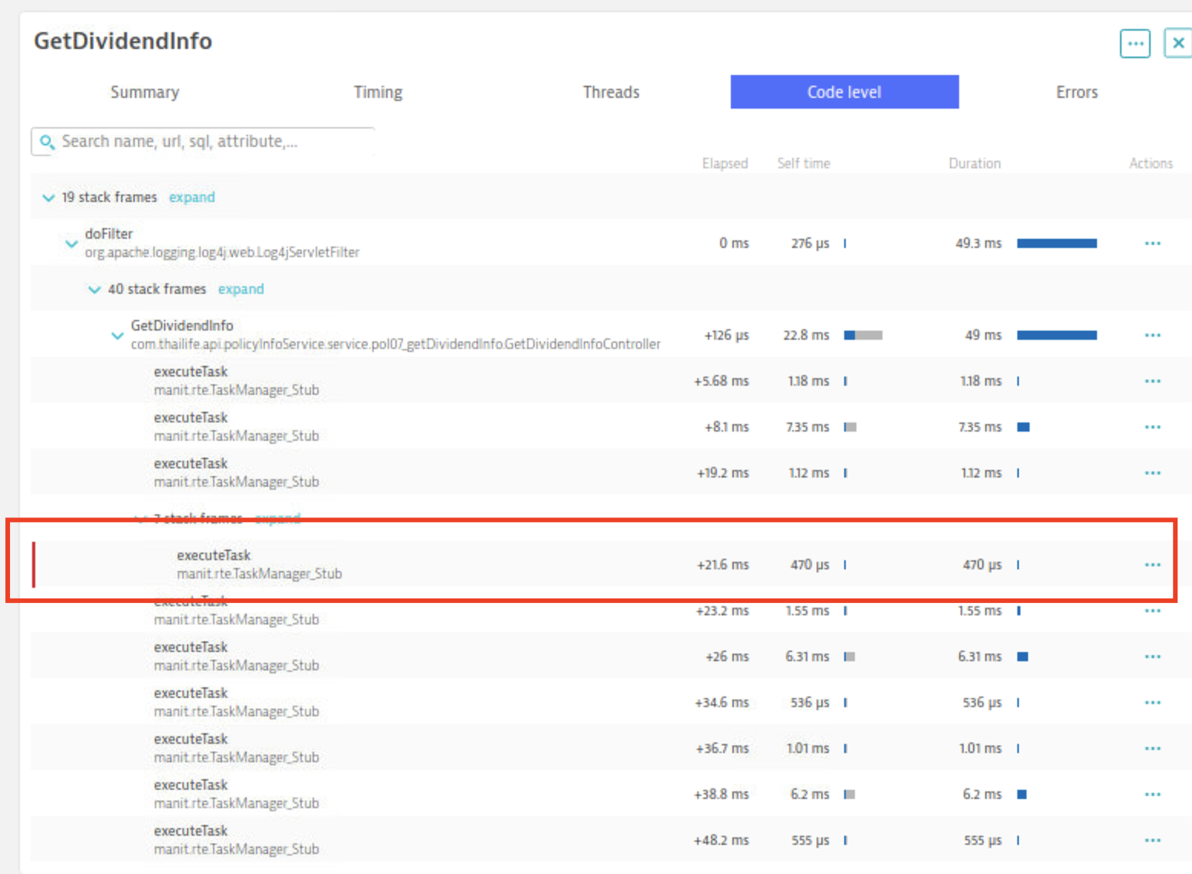
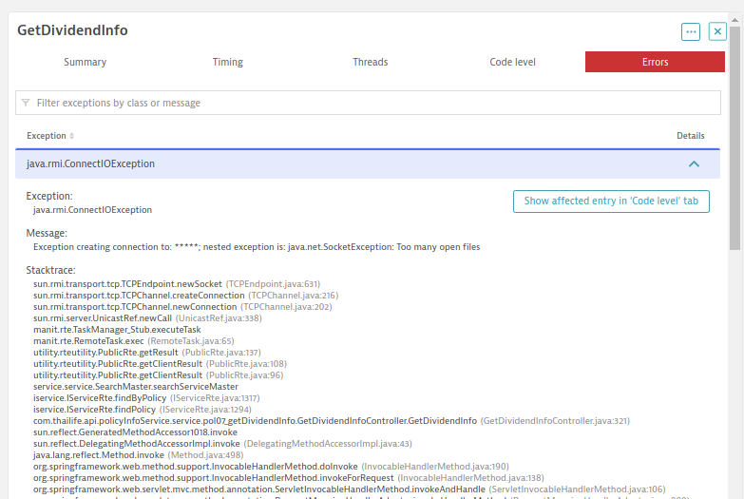
POL_DB_07 > EnquiryPartyService

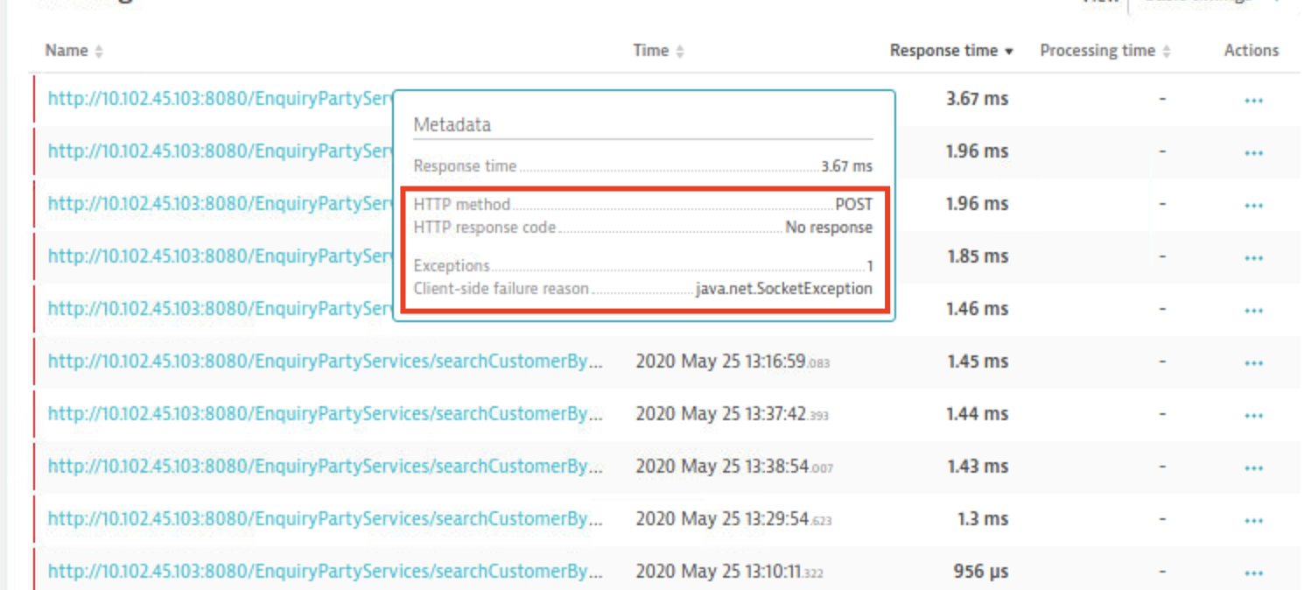
 | 1) ดูเรื่อง connection ว่า close() หรือ disconnect() ไหม
 |  | - SearchCustomerbyPartyID
 |  | - SearchPolicybyCustomerID
 |  | - SearchByCustomerRef
 | 2) SearchPolicybyCustomerID และ SearchByCustomerRef
 |  | - มีการเปิด connection กี่ครั้ง เพราะเหมือนมีการขอ get connection ไปหลายครั้ง ไม่แน่ใจว่าเปิดทุกครั้งที่มีการ query หรือเปล่า และ ในแต่ละครั้งมีการปิด connection หรือไม่
 |  | - SearchPolicybyCustomerID เหมือนมีการไปเรียก manit ตอนไปเรียก manit เรียกแบบไหน มีการปิด file หรือเปล่า

 | -bash-4.2$ cat tcp_fin_timeout
 | 60
 | -bash-4.2$ ulimit -n
 | 1024

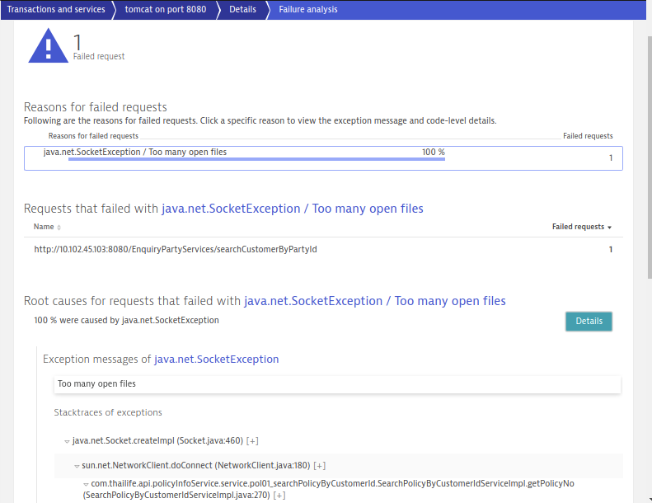

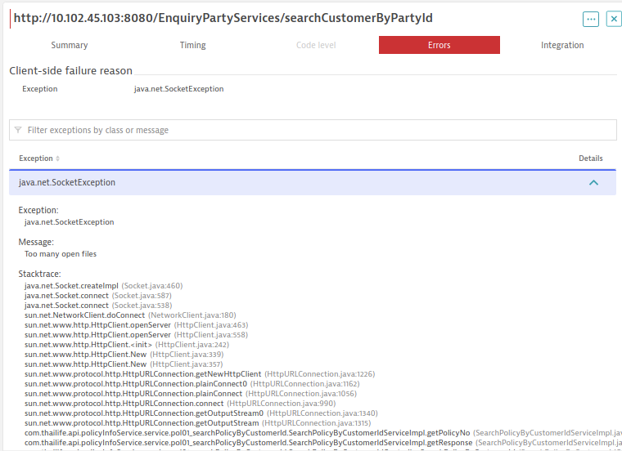

POL_DB_07 > POL_DB_01
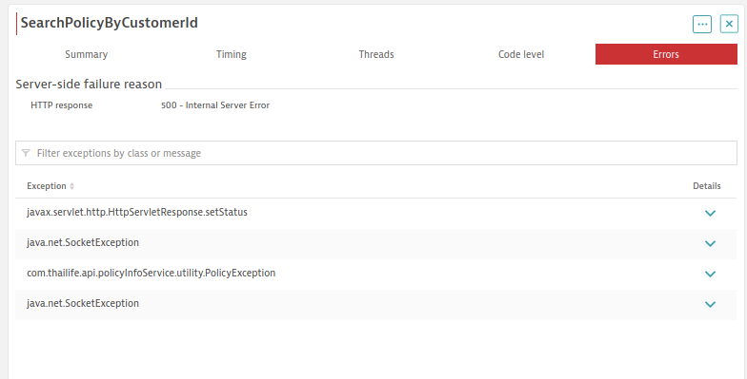
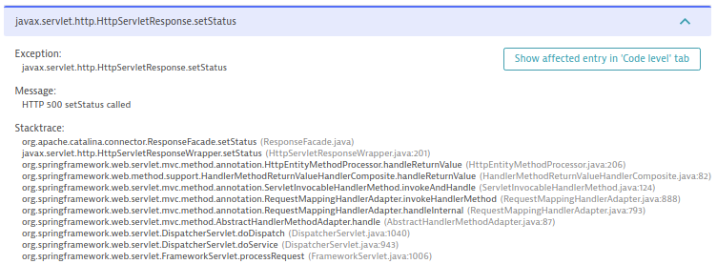

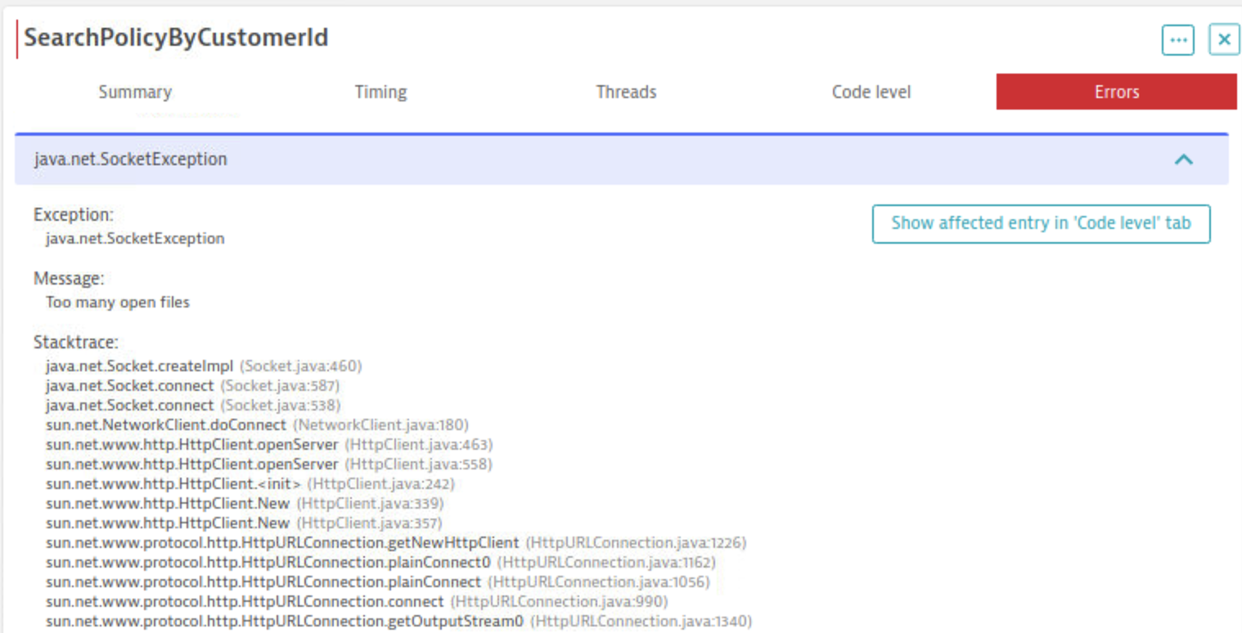

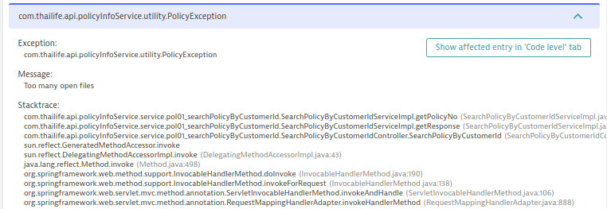

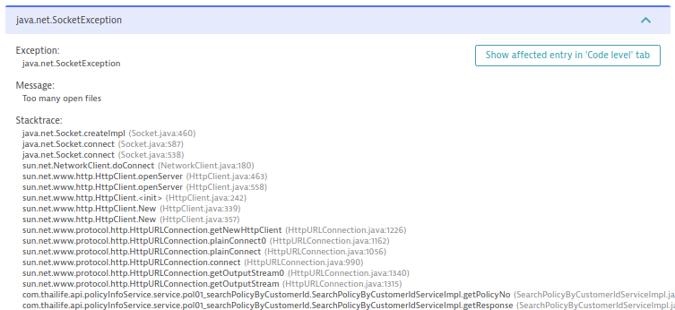

POL_DB_07

Sheet2
2020-06-01
Sun | Mon | Tue | Wed | Thu | Fri | Sat
 | 1 | 2 MST: Training การใช้งาน Dashboard ให้ศูนย์ CC และ ACC สถานที่: CC Meeting Room, ACC Training Room แยกตามศูนย์ | 3 Holiday | 4 - CC/CRM Channel App+IVR (AM) สถานที่: ห้อง UAT ขั้น 6 - CC,ACC Dashboard (PM) สถานที่: ห้อง UAT ชั่น 6 - ACC Microsite LifeFit สถานที่: Training Room 19th - Super Admin Inquire ข้อมูล Life Fit สถานที่: ห้อง UAT ชั่น 6 | 5 - Locus: Summary Channel App Defect - CC,ACC Dashboard สถานที่: CC Meeting Room, ACC Training Room แยกตามศูนย์ | 6
7 | 8 - CC,ACC Dashboard สถานที่: CC Meeting Room, ACC Training Room แยกตามศูนย์ | 9 - CC,ACC Dashboard สถานที่: CC Meeting Room, ACC Training Room แยกตามศูนย์ | 10 - CC/CRM: Retest Defect-Channel App(กรณีต้อง Retest defects) สถานที่: ห้อง UAT ขั้น 6 - MST: Summary Dashboard defect | 11 Fix Defect Dashboard | 12 Fix Defect Dashboard | 13
14 | 15 Fix Defect Dashboard | 16 - CC,ACC Retest defects Dashboard สถานที่: CC Meeting Room, ACC Training Room แยกตามศูนย์ | 17 | 18 | 19 | 20
21 | 22 | 23 | 24 Prep. to go live | 25 | 26 | 27
28 | 29 | 30

Scope for dashboard testing
Function | Description |  | ผู้ใช้งาน
CSA Admin | Support การลงทะเบียนหรือใช้งาน SuperApp ประกอบด้วย - Golden Record - Register เบอร์โทรชาวต่างชาติ - ส่งรหัสผ่านใหม่/History การลงทะเบียนใช้งาน Super App |  |  | IVR | CC กด 7 SuperApp, LifeFit, กด 8 Infinite | ACC กด 8 SuperApp, LifeFit, Infinite
- Golden Record | support กรณีลูกค้ามีการแจ้งว่า policy ที่อยู่ที่หน้าจอของเค้าไม่ครบและทางเรามีการตรวจสอบแล้วว่ากรมธรรม์นั้นๆเป็นของลูกค้าคนนั้นจริงๆ |  | เจ้าหน้าที่บริการ | VDN | List of users to support SuperApp,LifeFit and Infinite / Skill / หัวเครื่อง
- Register เบอร์โทรชาวต่างชาติ | support กรณีลูกค้าต่างชาติอยากใช้งาน super app แต่เค้าไม่มี laser code หลังบัตรประชาชน function นี้จะช่วยให้ชาวต่างชาติสามารถใช้งาน super app ได้โดยการโทรมาลงทะเบียนด้วยเบอร์โทรศัพท์มือถือ ระบบจะ generate username กับ password ให้เพื่อลงทะเบียน |  | เจ้าหน้าที่บริการ |  | Skill Infinite for CC > เดิมมี LifeFit, SuperApp อยู่แล้ว Skill for tier2 for CRM Add 3 skill > Infinite, LifeFit, SuperApp
- ส่งรหัสผ่านใหม่/History การลงทะเบียนใช้งาน Super App | support กรณีลูกค้าที่ลงทะเบียน superapp แล้วติดปัญหาในการลงทะเบียน เจ้าหน้าที่จะเข้ามาที่เมนูนี้เพื่อตรวจสอบสถานะ, Device ที่ใช้, activity ในการลงทะเบียน |  | CC,ACC,CRM,เจ้าหน้าที่สาขา | AVAYA | ได้รับ PO แล้ว มี IPPhone สามารถส่งมอบได้ภายในอาทิตย์หน้า | แต่ทางคุณนิ้งยังไม่ได้เปิด IT Request
Infinite Club | แสดงข้อมูล infinite club |  | CC,ACC,CRM,เจ้าหน้าที่บริการ,เจ้าหน้าที่สาขา |  | คุณชัช confirm ว่าอาคารโอน link ได้ไหม ภายในเมื่อไหร่ ในส่วนของ IVR ทำได้ทันไหม
Policy Info |  |  | CC,ACC,CRM - ส่วนงานบริการ - เจ้าหน้าที่สาขา | Back Office | User ของ CRM ต้อง list ให้ทางนนท์ เพื่อทำการ create user ที่ AD ชื่อ นามสกุล รหัสพนักงาน email
Customer Info |  |  | CC,ACC,CRM,เจ้าหน้าที่สาขา, ส่วนงานบริการ |  | SuperApp เป็น User จริงๆที่ใช้ผูก AD
Infinite Club Admin |  |  | CRM | เครื่อง+IPPhone | เครื่อง 3 เครื่องที่ทางนนเตรียมไปวางห้อง UAT
 |  |  |  |  | IPPhone เอาให้ทางนน
SuperApp Admin |  |  | เจ้าหน้าที่สาขา |  | เปิด Firewall
 |  |  |  |  | ย้ายเบอร์ของใครได้บ้าง ทางคุณนิ้งจะถามทางหัวหน้าก่อน

ACC 02 202 9797 กด 8

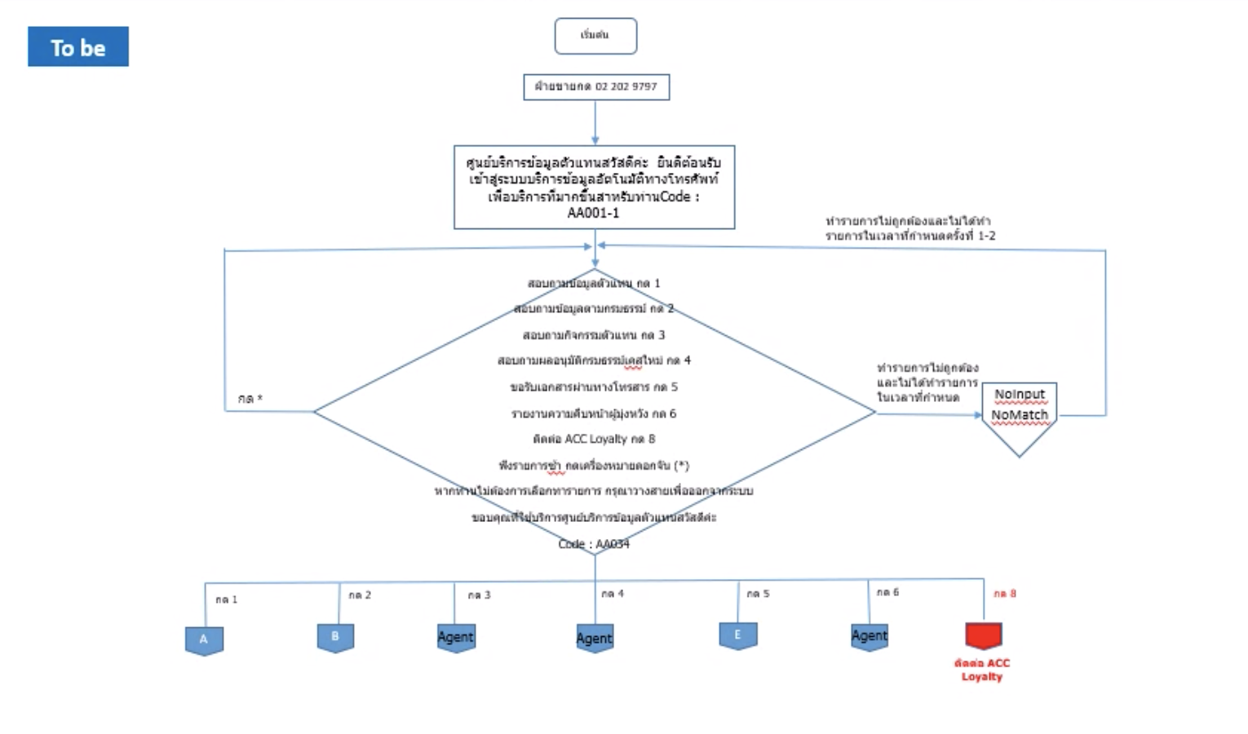

Microsite ทดสอบวันจันทร์
ต้องมีบน Ecommerce หรือเปล่า product ที่เป็น Lifefit
LF80/80 launch 1 July

