Triangular
Volume of Box (mm^3) | 384555119.4
Width of the Box (mm) | 828.7
Depth of the Box (mm) | 828.7
Height of the Box (mm) | 560.0
Volume of Cylinder (mm^3) (check) | 500000.0
Radius of Cylinder (mm) (r) | 33.1
Height of Cylinder (mm) | 145.3
No of circles in columns (m) | 11.0
Number of columns(n) | 14.3
Allowable Dimension accord dimensions (for m) | 761.3
Allowable Dimensions accord dimensions (n) | 827.5
Allowable Dimensions accord dimensions (p) | 560.0
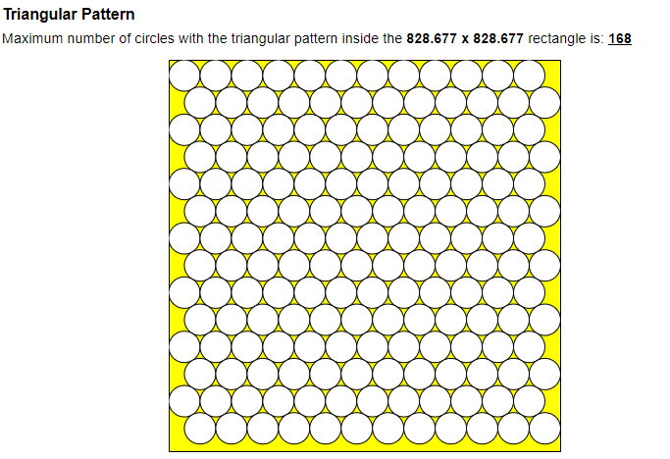
Amount of Cylinders in Stack (p) | 3.9
Total Amount of Cylinders (m*n*p) | 605.5
Total Volume of Cylinders (mm^3) | 302751340.7
Density Ratio | 0.8
Limit of Triangular Combination | 0.9
Limit of Box | 348752915.53

Optimal Radius of each can | 33.1
Optimal Height of each can | 145.3
Number of Cans that can be fitted within the Crate | 605

