Slide 1A
Average Family Income and Expenditure at Current Prices: 2018 and 2021

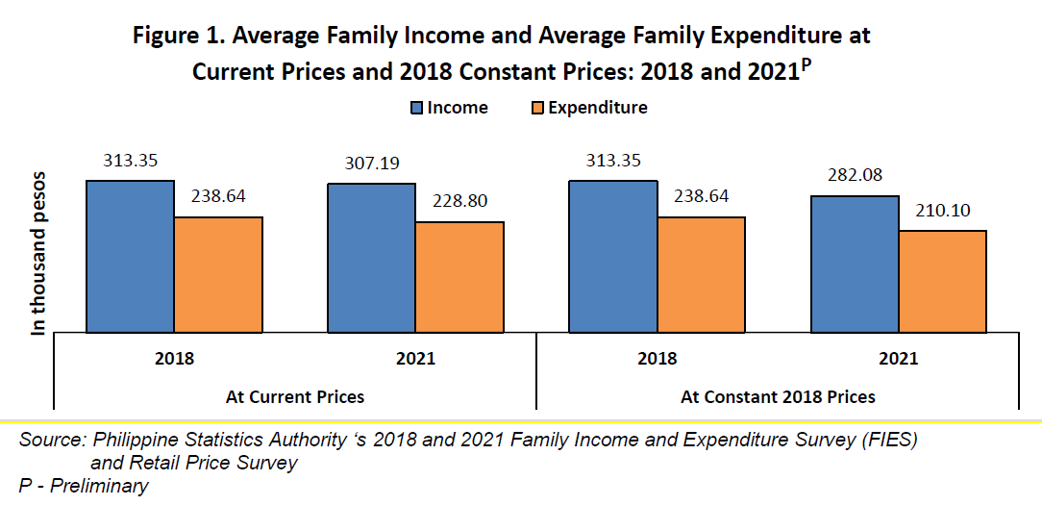
 |  | Income | Expenditure
At Current Prices | 2018 | 313.35 | 238.64
 | 2021 | 307.19 | 228.8
At Constant 2018 Prices | 2018 | 313.35 | 238.64
 | 2021 | 282.08 | 210.1

 | 2018 | 2021 | % Change
Income | 313.35 | 307.19 | -2%
Expenditure | 238.64 | 228.8 | -4%

Slide 1B
Total Family Income by Source of Income: 2021
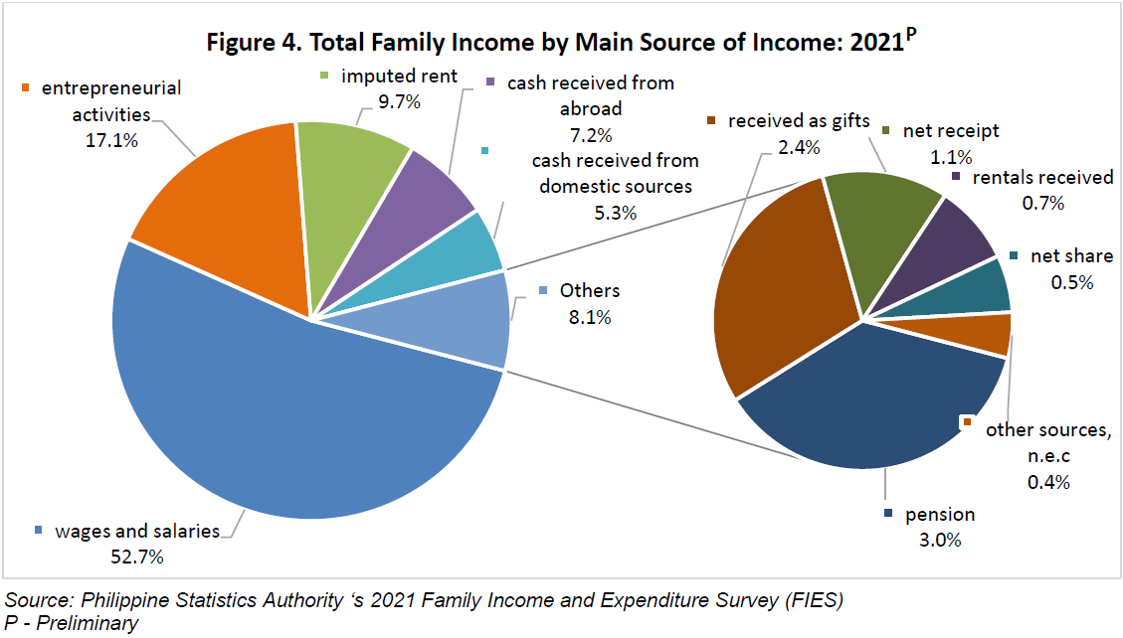
Source | Percentage
Wage/Salaries | 52.6%
Entrepreneurial Activities | 17.1%
Imputed Rent | 9.6%
Cash Receipts from Abroad | 7.2%
Cash Receipts from Domestic Source | 5.3%
Others | 8.2%
Pension | 3.1%
Received as Gifts | 2.4%
Net Receipts | 1.1%
Rentals Received | 0.7%
Net Share | 0.5%
Dividends | 0.2%
Interest | 0.1%
Other Sources | 0.1%

Slide 2A
Average Family Income by Decile Group: 2018 and 2021
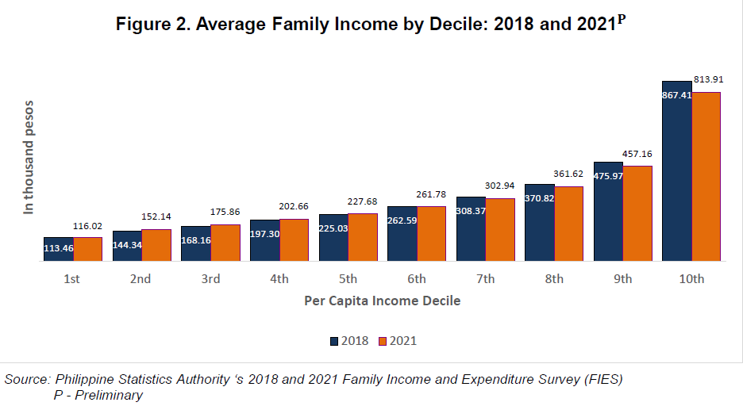
Decile Group | 2018 | 2021 | % Change
1st | 113.46 | 116.02 | 2%
2nd | 144.34 | 152.14 | 5%
3rd | 168.16 | 175.86 | 5%
4th | 197.3 | 202.66 | 3%
5th | 225.03 | 227.68 | 1%
6th | 262.59 | 261.78 | 0%
7th | 308.37 | 302.94 | -2%
8th | 370.82 | 361.62 | -2%
9th | 475.97 | 457.16 | -4%
10th | 867.41 | 813.91 | -6%

Slide 2B
Gini Coefficient by Region: 2018 and 2021
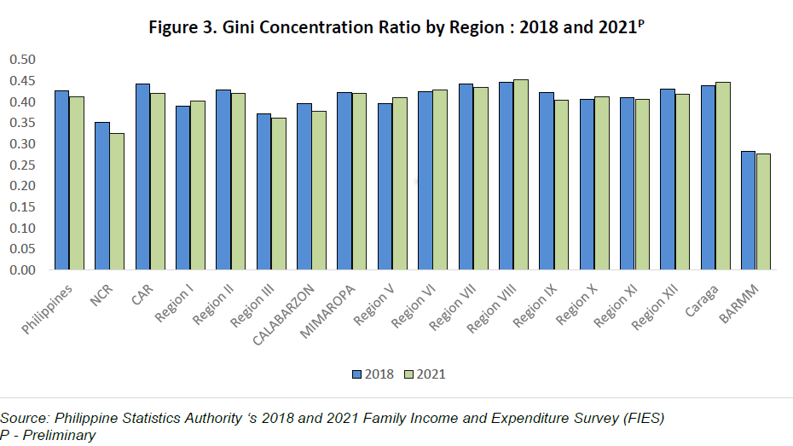
Region | 2018 | 2021 | % Change
PH | 0.4267 | 0.4119 | -3%
NCR | 0.3520 |  | -100%
CAR | 0.4437 | 0.4191 | -6%
I - Ilocos | 0.3893 |  | -100%
II - Cagayan Valley | 0.4278 | 0.4201 | -2%
III - Central Luzon | 0.3717 |  | -100%
IVA - CALABARZON | 0.3952 |  | -100%
IVB - MIMAROPA | 0.4230 | 0.4193 | -1%
V - Bicol | 0.3967 |  | -100%
VI - Western Visayas | 0.4241 | 0.4283 | 1%
VII - Central Visayas | 0.4425 | 0.4344 | -2%
VIII - Eastern Visayas | 0.4457 | 0.4531 | 2%
IX - Zamboanga | 0.4231 |  | -100%
X - Northern Mindanao | 0.4059 | 0.4128 | 2%
XI - Davao | 0.4108 |  | -100%
XII - SOCCSKSARGEN | 0.4304 | 0.4181 | -3%
XIII - CARAGA | 0.4383 | 0.4474 | 2%
BARMM | 0.2819 | 0.2764 | -2%

