Data Science 1
Data Science: |  | O.S.E.M.N.
 | Wizard: predict, Detective: find patterns |  |  |  | in came data and out came insight.
Pipeline: |  |  | business value -> save cost, increase efficiency, locate opportunities
O | Obtaining data
S | Scrubbing/cleaning data |  |  | :Delete, Impute, Scale: Basically, garbage in garbage out.
E | Exploring/ Visualizing data to find patterns and trends |  |  |  |  | :visualizations (charts) and statistical testings (significant variables)
M | Modeling data to give predictive power |  |  |  | : Python, sklearn: The better features you use the better your predictive power will be.
N | Interpreting our data |  |  | : Understand audience, tell story+emotion: visualize findings+Identify business insights+ actionable story
“Good data science is more about the questions you pose of the data rather than data munging and analysis”
Focus on your audience.

Organize your projects! |  |  | Think about revisiting in a few week, would you be confused?
1. version control (Git) 2. reproducible results (venv) |  |  |  |  |  | $ git commit -m "My first commit message" $ git push just use one name model.h5
3. Separating raw data, intermediate data, and final data (./data) |  |  |  |  |  | virtualenv for reproducibility $ python3 -m venv <<name_of_directory>>
4. Documenting work (ipynb) 5. Separate modules for custom functions (./src)
 |  |  |  |  |  | Using Jupter and Atom Together. .py in Atom, jupyter to show data analysis
 |  |  |  |  |  | write all my function in .src/funct/Foo.py and stash them in different folders |  |  |  | link everything in your ./src/ $ pip3 install --editable from src.funct import Foo
Cleaning data: Most important part of producing great work
Why?:
custom package ‘clean up’ code: baseline for writing custom methods on data that does not quite fit my previous clean up scripts.
kjam repo:

Initial data analysis |  | Not answering the research question yet!
1. Quality of data |  | : freuquency counts, stats (mean, std, median), normality (skewness, kurtosis, histogram)
 | Common-method variance: variance from measurement method/ systematic error. Do CFA or Kock collinearity
 | VIF: for non-ml, random forest, SVM we don't care about coef
2. Quality of measurements |  |  | : structure of measurement instruments with homogeniality
3. Initial transformations |  |  | : impute missing data or transform it
Dist | differ slightly from normal: |  |  | Square root
 | differ greatly from normal: |  |  | Log
 | differ severely from normal: |  |  | Inverse
 | No transformation help: |  |  | Categorical
Do this before scale! We want it to look more like normal distributions
4. Characteristics of data sample |  |  | : sample structure must be accurate
 | Look at scatter plots, basic stats, corr, cross-tabulations
 | Cross-tabulations (categorical): Pivot table with sum/mean method etc
 | Heatmaps for pictorial data
Document Corrective Action!

Quick data cleaning guide:
pandas: | Check data:
 | .head()
 | df.index | df.columns
 | Data type: |  | df.dtypes
 | Unique column? |  | for i in column_names: print('{} is unique: {}'.format(i, df[i].is_unique))
 |  |  | then df.drop(columns_to_drop,inplace=True, axis =1)
 | Deal with NaN: all manipulations of the data should be documented!
either | fillna() | You could fill the NaNs with strings, or if they are numbers you could use the mean df['col'].fillna(df['col'].mean()) or the median value
 |  | Propagate forward: df.fillna(method='pad', limit=1)
 |  | Propagate backward: df.fillna(method='bfill', limit=1)
or | dropna() | df.dropna(axis=1) drop na columns, if no axis then rows
 |  | At least 90% NaN: df.dropna(thresh=int(df.shape[0] * .9), axis=1)
Useful! | np.where(if_this_is_true, do_this, else_do_that)
 |  | df['new_column'] = np.where(df[i] > 10, 'foo', 'bar')
 | df['new_column'] = np.where(df['col'].str.startswith('foo') and not df['col'].str.endswith('bar'), True, df['col'])
stacked | df['foo'] = np.where(df['bar'] == 0, 'Zero',
 | np.where(df['bar'] == 1, 'One',
 | np.where(df['bar'] == 2, 'Two', 'Three')))

We have a nice dataframe, no duplicates, no missing values. What Next?
underlying data: how can you make sure the values are exactly what you expect them to be?
Best practices in software engineering rely heavily on testing their work
 |  |  |  |  |  |  | 1. Check if any negative values have been introduced into the data
test conditions within your data that should never happen |  |  |  |  |  |  | 2. Make sure two columns are exactly the same
Assert: | check all positive: assert(df['col1'] >= 0 ).all() |  |  |  |  |  | 3. Determine the results of a transformation
 | check similar column: assert(df['col1'] == df['col2']).all() |  |  |  |  |  | 4. Check if unique id count is accurate
 | tm.assert_series_equal(df['col1'], df['col2']) give more details

unittest:

Dealing with email and URL:
beautifier |  | $ pip3 install beautifier
Instead of having to write your own regex
from beautifier import Email, Url
email_string = 'foo@bar.com' |  |  |  |  | url_string = 'https://github.com/labtocat/beautifier/blob/master/beautifier/__init__.py'
email = Email(email_string) |  |  |  |  | url = Url(url_string)
print(email.domain) |  |  | bar.com |  | print(url.param) |  | None
print(email.username) |  |  | foo |  | print(url.username) |  | {'msg': 'feature is currently available only with linkedin urls'}
print(email.is_free_email) |  |  | FALSE |  | print(url.domain) |  | github.com

Dealing with Unicode: |  |  | some unicode character appearing, break NLP
ftfy (fixed that for you)
# Example of mojibake&macr;\\_(ã\x83\x84)_/&macr; |  |  |  |  |  | import ftfyfoo = '&macr;\\_(ã\x83\x84)_/&macr;'
\ufeffParty |  |  |  |  |  | bar = '\ufeffParty'
\001\033[36;44mI&#x92;m |  |  |  |  |  | baz = '\001\033[36;44mI&#x92;m'print(ftfy.fix_text(foo))
 |  |  |  |  |  | print(ftfy.fix_text(bar))
 |  |  |  |  |  | print(ftfy.fix_text(baz))
Dedupe | De-duplication with Machine Learning
‘cleaning package’
 |  |  |  |  | def preProcess(column): |  |  | def readData(filename):
 |  | import pandas as pd |  |  | '''
 |  | import numpy |  |  | Used to prevent errors during the dedupe process. |  |  | data_d = {}
 |  | import dedupe |  |  | ''' |  |  | with open(filename) as f:
 |  | import os |  |  | try : |  |  | reader = csv.DictReader(f)
 |  | import csv |  |  | column = column.decode('utf8') |  |  | for row in reader:
 |  | import re |  |  | except AttributeError: |  |  | clean_row = [(k, preProcess(v)) for (k, v) in row.items()]
 |  | from unidecode import unidecode |  |  | pass |  |  | row_id = int(row['Id'])
 |  |  |  |  | column = unidecode(column) |  |  | data_d[row_id] = dict(clean_row)return dfname_of_file = 'data.csv'print('Cleaning and importing data ... ')
 |  |  |  |  | column = re.sub(' +', ' ', column) |  |  | df = readData(name_of_file)
 |  |  |  |  | column = re.sub('\n', ' ', column)
 |  |  |  |  | column = column.strip().strip('"').strip("'").lower().strip() |  |  |  | fields = [
 |  |  |  |  |  |  |  |  | {'field' : 'Source', 'type': 'Set'},
 |  |  |  |  | if not column: |  |  |  | {'field' : 'Site name', 'type': 'String'},
 |  |  |  |  | column = None |  |  |  | {'field' : 'Address', 'type': 'String'},
 |  |  |  |  | return column |  |  |  | {'field' : 'Zip', 'type': 'Exact', 'has missing' : True},
 |  |  |  |  |  |  |  |  | {'field' : 'Phone', 'type': 'String', 'has missing' : True},
String Matching with fuzzywuzzy |  |  |  | it uses something called Levenshtein distance when comparing |  |  |  |  | {'field' : 'Email Address', 'type': 'String', 'has missing' : True},
data validation issues |  |  |  | ex. Change foo to bar needs 3 |  |  |  |  | ]
# test.py |  |  |  |  |  |  |  | deduper = dedupe.Dedupe(fields)
from fuzzywuzzy import fuzz
from fuzzywuzzy import process
foo = 'is this string' |  | bar = 'like that string?'
fuzz.ratio(foo, bar)
71
fuzz.WRatio(foo, bar) # Weighted ratio
73

Preparing the Data:
it is in a form you can feed into your model
preprocessing sklearn0.20.0

If str: | LabelEncoder |  | from sklearn.preprocessing import LabelEncoder
 |  |  | l_encoder = preprocessing.LabelEncoder()
 |  |  | l_encoder.fit(ary_str)
 |  |  | dict(zip(l_encoder.classes_, l_encoder.transform(l_encoder.classes_)))
 | for df: | f.apply(l_encoder.fit_transform)

ordinal encoding |  | good approach to take when you need to take a bunch of categories and make them available for a regression

 |  |  | from sklearn.preprocessing import OrdinalEncoder
 |  |  | o_encoder = OrdinalEncoder()
 |  |  | ary_2d = [['foo', 'bar', 'baz'], ['x', 'y', 'z']]
 |  |  | o_encoder.fit(2d_ary) # Fit the values
 |  |  | o_encoder.transform([['foo', 'y']]) |  |  |  | >> array([[0., 1.]])

one hot or ‘dummy’ encoding |  |  | from sklearn.preprocessing import OneHotEncoder
needed for feeding categorical data |  |  | hot_encoder = OneHotEncoder(handle_unknown='ignore')
to many scikit models |  |  | hot_encoder.fit(ary_2d)
 |  |  | hot_encoder.transform([['foo', 'foo', 'baz'], ['y', 'y', 'x']]).toarray()

 | For df: | pd.get_dummies(df) |  | Two of the three columns in df have been split up and binary encoded to a dataframe.

What about when our features need to be transformed within a certain range

Numerical data:

MinMaxScaler |  |  | from sklearn.preprocessing import MinMaxScaler
 |  |  | mm_scaler = MinMaxScaler(feature_range=(0, 1))
 |  |  | mm_scaler.fit([ary_int])
 | convert (1,n) to (n,1) |  | mm_scaler.fit_transform(ary_int[:, np.newaxis])
 |  | or | mm_scaler.fit_transform(ary_int.reshape(-1, 1))
Standardizing the data
 | if you’re going to implement a KNN, scale your data first.
 | You might consider this approach when implementing gradient descent, or if you need weighted inputs like regression and neural networks.
different from normalization
scale: |  | preprocessing.scale(foo)
 |  | preprocessing.scale(foo).mean() is 0 and std() is 1

‘thresholding’ numerical features to get boolean values
Binarizer |  |  | from sklearn.preprocessing import Binarizer
 |  |  | tz = Binarizer(threshold=-25.0).fit([ary_int])
Imputing:
imp = preprocessing.Imputer(missing_values='NaN', |  |  |  |  | hvac_numeric = hvac[['TargetTemp', 'SystemAge']]
strategy='mean') |  |  |  |  | transformed = imp.fit_transform(hvac_numeric)

Time series? |  | # Import a scoring metric to compare methods |  |  |  |  | # Note we have reference (true_val) and target (with some missing)
 |  | from sklearn.metrics import r2_score
# Converting the column to DateTime format
df.Date = pd.to_datetime(df.Date, format='%d-%m-%Y')
df = df.set_index('Date')
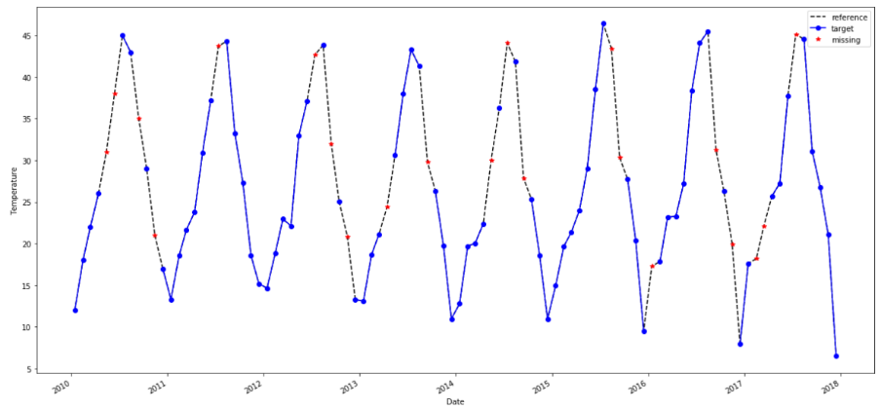
df = df.assign(missing= np.nan) |  |  | # add a column that contains the missing values only.
df.missing[df.target.isna()] = df.reference
df.plot(style=['k--', 'bo-', 'r*'], figsize=(20, 10));

Mean or median = bad
df = df.assign(FillMean=df.target.fillna(df.target.mean()))
df = df.assign(FillMedian=df.target.fillna(df.target.median()))
Rolling Avg:
df = df.assign(RollingMean=df.target.fillna(df.target.rolling(24,min_periods=1,).mean()))
df = df.assign(RollingMedian=df.target.fillna(df.target.rolling(24,min_periods=1,).median()))# imputing using the median

Other method: |  | https://medium.com/@drnesr/filling-gaps-of-a-time-series-using-python-d4bfddd8c460
df = df.assign(InterpolateAkima=df.target.interpolate(method='akima')
df = df.assign(InterpolateSpline3=df.target.interpolate(method='spline', order=3))
df = df.assign(InterpolatePoly7=df.target.interpolate(method='polynomial', order=7))
df = df.assign(InterpolateTime=df.target.interpolate(method='time'))

Scoring the results and see which is better
results = [(method, r2_score(df.reference, df[method])) for method in list(df)[3:]]
results_df = pd.DataFrame(np.array(results), columns=['Method', 'R_squared'])
results_df.sort_values(by='R_squared', ascending=False)

time' method as well as the 'slinear' (spline of order 1) method produces the closest values to the original values
akima, mean, median, rolling mean and median produces very low values of r^2

For the time interpolation to succeed, the dataframe must have the index in Date format with intervals of 1 day or more
if it is important to use a different index for the dataframe, the use the reset_index().set_index('Date')
If the data contains another dividing column, like the type of merchandise, and we are imputing sales, then the imputation should be for each merchandise separately.

Outliers: | More robust analysis techniques? Or? Kind of works only with normal data though
Mistake or variance?
Z-score () <,>3 |  | preprocessing.scale(foo) |  |  | or from scipy import stats np.abs(stats.zscore(boston_df))
Generally, boxplot IQR score= Q3 − Q1 (Q1 - 1.5 * IQR) (Q3 + 1.5 * IQR)

Bootstrapping: |  | Too small, too skew
Skewed data

propensity scores
covariates in the main analyses
https://stats.stackexchange.com/questions/206832/matched-pairs-in-python-propensity-score-matching

Life is not just a bunch of Kaggle datasets,
Cleaning and prepping data is inevitable and generally a thankless task
ETL pipelines

 | Predictive Model:

Data Science 2
Data Science: |  | O.S.E.M.N.
 | Wizard: predict, Detective: find patterns |  |  |  | in came data and out came insight.
Pipeline: |  |  | business value -> save cost, increase efficiency, locate opportunities
O | Obtaining data
S | Scrubbing/cleaning data |  |  | :Delete, Impute, Scale: Basically, garbage in garbage out.
E | Exploring/ Visualizing data to find patterns and trends |  |  |  |  | :visualizations (charts) and statistical testings (significant variables)
M | Modeling data to give predictive power |  |  |  | : Python, sklearn: The better features you use the better your predictive power will be.
N | Interpreting our data |  |  | : Understand audience, tell story+emotion: visualize findings+Identify business insights+ actionable story
“Good data science is more about the questions you pose of the data rather than data munging and analysis”
Focus on your audience.

Organize your projects! |  |  | Think about revisiting in a few week, would you be confused?
1. version control (Git) 2. reproducible results (venv) |  |  |  |  |  | $ git commit -m "My first commit message" $ git push just use one name model.h5
3. Separating raw data, intermediate data, and final data (./data) |  |  |  |  |  | virtualenv for reproducibility $ python3 -m venv <<name_of_directory>>
4. Documenting work (ipynb) 5. Separate modules for custom functions (./src)
 |  |  |  |  |  | Using Jupter and Atom Together. .py in Atom, jupyter to show data analysis
 |  |  |  |  |  | write all my function in .src/funct/Foo.py and stash them in different folders |  | link everything in your ./src/ $ pip3 install --editable from src.funct import Foo
Explanatory Data Analysis: EDA |  |  | EDA techniques have been adopted into data mining

In summary: IDA: cut, impute, transform, eliminate outliers, scale the data

Outliers/Trends/Patterns

Outliers: Histogram to check dist then Box plot
Five number summaries: max, min, median, quartiles
If heavy-tailed or skewed -> use IQR, if normal -> use z-score
Bootstrap of Jackknifing
Suggest hypotheses about the causes of observed phenomena

Curse of dimensionality |  |  | data high dimensional |  | 1. Training time increases exponentially with number of features
Feature Elimination |  | eliminating features. |  |  | 2. Models have increasing risk of overfitting with increasing number of features.
gain no information from dropped features

1. Feature Selection |  | statistical tests in order to rank them according to their importance
information loss and is less stable
different test gives different importance score to features
1.1 Filter Methods
F Test: | F-Test does a hypothesis testing model X and Y where X is a model created by just a constant and Y is the model created by a constant and a feature.
 | Least-square errors: sklearn.feature_selection.f_regression or sklearn.feature_selection.f_classif
 | Only captures linear relationship! High corr give high score but deceptive (Anscombe's Quartet non linear
Mutual Info | If independent: 0, if deterministic 1
 | sklearn.feature_selection.mututal_info_regression sklearn.feature_selection.mututal_info_classif
 | captures non-linear relationship
Variance Threshold |  | when a feature doesn’t vary much within itself, it generally has very little predictive power.
 | sklearn.feature_selection.VarianceThreshold

1.2 Wrapper Methods
Forward Search
Recursive Feature Elimination |  |  | recursively considering smaller and smaller sets of features sklearn.feature_selection.RFECV
1.3 Embedded Methods
LASSO Linear Regression |  |  | Ex at shrinkage, lambda =0.4 we can eliminate lots of factor due to Laplacian prior
Tree based models |  | The feature importance in tree based models are calculated based on Gini Index, Entropy or Chi-Square value
 | Chi squared is sum of square of k independent N(0,1)
 | from sklearn.ensemble import ExtraTreesClassifier |  |  |  |  | from sklearn.feature_selection import SelectFromModel
 | clf = ExtraTreesClassifier(n_estimators=50) |  |  |  | clf = clf.fit(X, y)
 | model = SelectFromModel(clf, prefit=True) |  |  |  | X_new = model.transform(X)
Pipeline!
 | sklearn.pipeline.Pipeline
 | clf = Pipeline([
 | ('feature_selection', SelectFromModel(LinearSVC(penalty="l1"))),
 | ('classification', RandomForestClassifier())
 | ])
 | clf.fit(X, y)

2. Feature Extraction:
Create new independent features, where each new independent feature is a combination of each of the old independent features.

3. Dimensionality Reduction: When too many variables, easier EDA, less overfit
PCA/ multilinear PCA/ SVD |  |  | from sklearn.decomposition import PCA pca = PCA(n_components=4) pca.fit_transform(x_subset)
Manifold Learning: Kernel PCA
Nonlinear DR
Factor Analysis
Auto Encoders/ VAE
t-distributed stochastic neighbor embedding (t-SNE): minimize sum of KL-div with gradient descent method#
n_comp, perplexity (NN used), early_Exaggeration, learning_rate, n_iter, method (barnes-Hut O(nlogn)
from sklearn.manifold import TSNE |  |  |  | fashion_tsne = TSNE(random_state=RS).fit_transform(x_subset)
UMAP
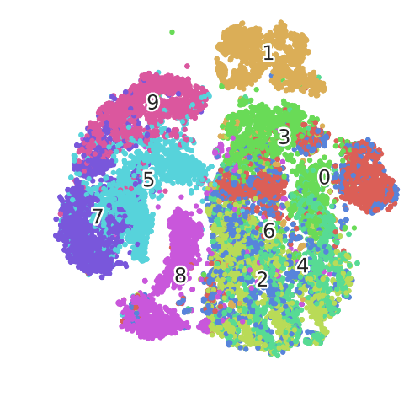
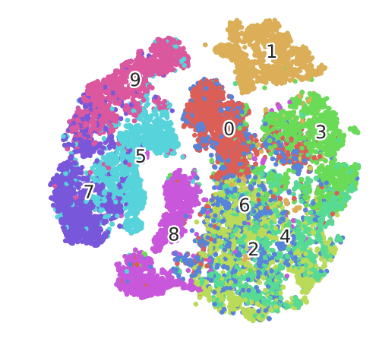
PCA |  |  |  | t-SNE |  |  | PCA+tSNE
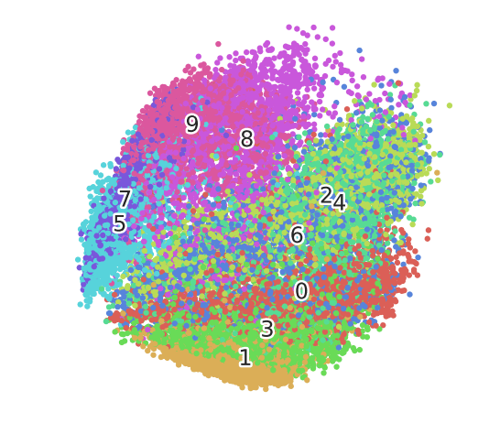

So why PCA? If dimension >> 50, use PCA or Truncated SVD first! To like 50 then t-SNE
PCA - math technique |  | placing dissimilar data points far apart
TSNE - statistical |  | similar data points must be represented close together
Don't forget to plot a nice top 15 pre-cluster and their weights in the cluster post-tSNE

EFA: Exploratory Factor Analysis |  |  |  | a linear statistical model.
search influential underlying factors or latent variables. extracts maximum common variance from all variables and puts them into a common score.
R-type factor analysis |  | When factors are calculated from the correlation matrix,
Q-type factor analysis |  | When factors are calculated from the individual respondent
Assume: no outliers, sample size> factor, no perf multicollinearity, no homoscedaticity between var
Factor Extraction: variance partitioning methods (PCA or CFA) |  |  |  |  |  | #factor = #eigenvar>1
Factor Rotation: convert factors into uncorrelated factor
Factor Loading Matrix: show each var relation to factor (corr coef)
from factor_analyzer import FactorAnalyzer
Before EFA: do Barlett = 0 or KMO > 0.6 test from factor_analyzer.factor_analyzer import calculate_bartlett_sphericity from factor_analyzer.factor_analyzer import calculate_kmo
fa = FactorAnalyzer() fa.analyze(df, 25, rotation=None) fa.analyze(df, 6, rotation="varimax") fa.loadings
Controversial!

Auto Encoder and Variationaal Auto Encoder |  |  |  | Keep info as much as possible for reconstruction
Use Keras

Check clustering fitness:

ELBOW plot: |  | Bad! Ambiguous
Silhouette plot: |  | measure of how similar an object is to its own cluster (cohesion) compared to other clusters (separation)

Trends:
Check Seasonality: |  | Which method? |  | the seasonal subseries plot |  |  | the autocorrelation plot
Time density plots across same time frame |  |  |  | series.plot(kind='kde')
periodogram scipy.signal.periodogram |  |  |  | plot ACF: if <0.2 no seasonality
What if change over time!

Quantitative Techniques
Median polish:
Trimean = remarkably efficient estimator of population mean
 | scipy.stats.trim_mean
Ordination or gradient analysis:

Data Science 3
Data Science: |  | O.S.E.M.N.
 | Wizard: predict, Detective: find patterns |  |  |  | in came data and out came insight.
Pipeline: |  |  | business value -> save cost, increase efficiency, locate opportunities
O | Obtaining data
S | Scrubbing/cleaning data |  |  | :Delete, Impute, Scale: Basically, garbage in garbage out.
E | Exploring/ Visualizing data to find patterns and trends |  |  |  |  | :visualizations (charts) and statistical testings (significant variables)
M | Modeling data to give predictive power |  |  |  | : Python, sklearn: The better features you use the better your predictive power will be.
N | Interpreting our data |  |  | : Understand audience, tell story+emotion: visualize findings+Identify business insights+ actionable story
“Good data science is more about the questions you pose of the data rather than data munging and analysis”
Focus on your audience.

Organize your projects! |  |  | Think about revisiting in a few week, would you be confused?
1. version control (Git) 2. reproducible results (venv) |  |  |  |  |  | $ git commit -m "My first commit message" $ git push just use one name model.h5
3. Separating raw data, intermediate data, and final data (./data) |  |  |  |  |  | virtualenv for reproducibility $ python3 -m venv <<name_of_directory>>
4. Documenting work (ipynb) 5. Separate modules for custom functions (./src)
 |  |  |  |  |  | Using Jupter and Atom Together. .py in Atom, jupyter to show data analysis
 |  |  |  |  |  | write all my function in .src/funct/Foo.py and stash them in different folders
Preprocess!
MinMaxScaler: |  | Non distorting
RobustScaler: |  | have outliers and want to reduce their influence |  |  |  |  | but should do it in S
StandardScaler: |  | Regression or Deep Learning
 | Don't use | Normalizer | it is for row

Model Validation:
from sklearn.model_selection import cross_validate
cv_results = cross_validate(model, X, y, cv=3,scoring=('r2', 'neg_mean_squared_error'),return_train_score=True)
from sklearn.model_selection import cross_val_predict
from sklearn.model_selection import cross_val_score
Splitter: | from sklearn.model_selection import GroupKFold |  |  |  |  | group_kfold = GroupKFold(n_splits=2)
 |  |  |  |  |  | group_kfold.get_n_splits(X, y, groups)
from sklearn.model_selection import train_test_split |  |  |  |  |  | X_train, X_test, y_train, y_test = train_test_split(
 |  |  |  |  |  | X, y, test_size=0.33, random_state=42)
Hyper Parameters Optimizers:
sklearn.model_selection.GridSearchCV
 | parameters = {'kernel':('linear', 'rbf'), 'C':[1, 10]} |  |  |  |  | clf = GridSearchCV(svc, parameters)
 | svc = svm.SVC() |  |  |  |  | clf.fit(iris.data, iris.target)
 |  |  |  |  |  | clf.cv_results_.keys()
from sklearn.model_selection import RandomizedSearchCV
 | distributions = dict(C=uniform(loc=0, scale=4), |  |  |  |  |  | search = clf.fit(iris.data, iris.target)
 | penalty=['l2', 'l1']) |  |  |  |  |  | search.best_params_
 | clf = RandomizedSearchCV(logistic, distributions, random_state=0)

Pipeline:
 | from sklearn.feature_selection import SelectKBest |  |  |  |  |  | make_pipeline(StandardScaler(), GaussianNB(priors=None))
 | from sklearn.pipeline import Pipeline
 | anova_filter = SelectKBest(f_regression, k=5)
 | clf = svm.SVC(kernel='linear')
 | anova_svm = Pipeline([('anova', anova_filter), ('svc', clf)]) |  |  |  |  |  | Ordered Dictionary
 | anova_svm.set_params(anova__k=10, svc__C=.1).fit(X, y)
 | anova_svm['anova'].get_support()
Union:
 | from sklearn.pipeline import FeatureUnion
 | from sklearn.decomposition import PCA, TruncatedSVD
 | union = FeatureUnion([("pca", PCA(n_components=1)),
 | ("svd", TruncatedSVD(n_components=2))])

Model: Time series
 | import statsmodels.api as sm |  |  |  |  |  | backfill
 | if weekly to monthly |  | y = y['co2'].resample('MS').mean() |  |  |  | y = y.fillna(y.bfill())
ARIMA | statsmodels.tsa.arima_model.ARIMA
SARIMAX | p: auto-regressive part
 | d: integrated part
 | q: moving average part
 | mod = sm.tsa.statespace.SARIMAX(y, |  |  |  | https://www.digitalocean.com/community/tutorials/a-guide-to-time-series-forecasting-with-arima-in-python-3
 | order=(1, 1, 1),
 | seasonal_order=(1, 1, 1, 12),
 | enforce_stationarity=False, |  |  |  |  | ARIMA: 1. Detrend / transform your data 2. Test for stationarity
 | enforce_invertibility=False) |  |  |  |  | 3. Run autocorrelation plots 4. Set your parameters for your model
 | results = mod.fit() |  |  |  |  | 5. Run a grid search if you want 6. Look at RMSE
 | print(results.summary().tables[1])
 | results.plot_diagnostics(figsize=(15, 12))

ARIMA still loses to Random Forest in general!

Model: Many to One
Sklearn | sklearn.model_selection.TimeSeriesSplit
 | TRAIN: [0] TEST: [1] |  |  | rather than normal cross-validation |  |  |  | for train_index, test_index in tscv.split(X):
 | TRAIN: [0 1] TEST: [2] |  |  |  |  |  |  | ... print("TRAIN:", train_index, "TEST:", test_index)
 | TRAIN: [0 1 2] TEST: [3] |  |  |  |  |  |  | ... X_train, X_test = X[train_index], X[test_index]
 | TRAIN: [0 1 2 3] TEST: [4] |  |  |  |  |  |  | ... y_train, y_test = y[train_index], y[test_index
 | TRAIN: [0 1 2 3 4] TEST: [5]

sklearn.ensemble.RandomForestClassifier |  |  |  |  |  |  | problem of Extrapolation in Random Forests
 | from sklearn.ensemble import RandomForestClassifier |  |  |  |  |  | Random Forests don’t fit very well for time-series data?
 | clf = RandomForestClassifier(max_depth=2, random_state=0) |  |  |  |  |  | improve generalisation
 | clf.fit(X, y) | print(clf.feature_importances_) |  |  |  |  | not use features in our data that might be related to time component
Extra Trees Classifier |  |  |  |  |  |  | or flatten the seasonality
sklearn.ensemble.ExtraTreesClassifier
 |  | Add linear model features! Ie mean, median, lagged value
Classification: |  |  |  |  |  |  | Decision Tree:
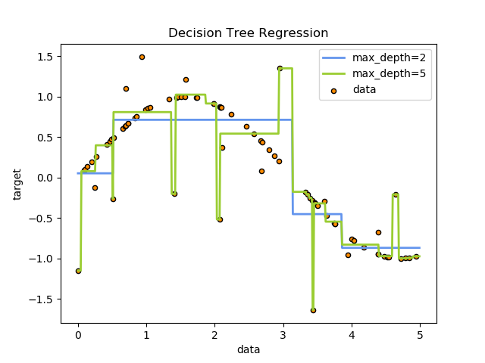
Bagging SVM
from sklearn.svm import SVC
from sklearn.ensemble import BaggingClassifier
 | clf = BaggingClassifier(base_estimator=SVC(),
 | n_estimators=10, random_state=0).fit(X, y)

Nearest Neighbour
NN: KNN, BallTree, KDTree
Classiffication: kNN
KNeighborsRegressor

 |  |  |  |  |  |  | from sklearn import tree
 |  |  |  |  |  | classi | clf = tree.DecisionTreeClassifier()
 |  |  |  |  |  |  | tree.plot_tree(clf.fit(iris.data, iris.target))
 |  |  |  |  |  | reg | clf = tree.DecisionTreeRegressor()

model: Bayesian Model
Naïve Bayes |  | from sklearn.naive_bayes import GaussianNB
Gaussian Process (GP) |  |  | from sklearn.gaussian_process import GaussianProcessRegressor
 |  |  | from sklearn.gaussian_process.kernels import DotProduct, WhiteKernel
 |  |  | kernel = DotProduct() + WhiteKernel()
 |  |  | gpr = GaussianProcessRegressor(kernel=kernel,
 |  |  | random_state=0).fit(X, y)
 | Probabilistic result, versatile
 | but not sparse and bad with >12 features
NN MLP: | rom sklearn.neural_network import MLPClassifier |  |  |  |  | No GPU support Just use tensorflow

Model: Gradient based
SGDClassifier |  | from sklearn.linear_model import SGDClassifier

Model: Many to Many
Cross decomposition
the partial least squares (PLS) and the canonical correlation analysis (CCA)
sklearn.cross_decomposition.PLSRegression
from sklearn.cross_decomposition import CCA

Model: semi-supervised |  |  | sklearn.semi_supervised
 | in your training data some of the samples are not labeled.
 | from sklearn.semi_supervised import LabelPropagation
 | from sklearn.semi_supervised import LabelSpreading

Probability Calibration:
 | When performing classification you often want not only to predict the class label, but also obtain a probability of the respective label. This probability gives you some kind of confidence on the prediction.

Model : Unsupervised
GMM | sklearn.mixture.BayesianGaussianMixture
 | sklearn.mixture.GaussianMixture
from sklearn.cluster import DBSCAN
from sklearn.cluster import MeanShift

Quick DL model: |  | For? Images, Audio, Text |  |  | If Tabular, use RF first
NLP class | import numpy
 | from keras.datasets import imdb
 | from keras.models import Sequential
 | from keras.layers import Dense
 | from keras.layers import LSTM
 | from keras.layers.embeddings import Embedding
 | from keras.preprocessing import sequence
 | (X_train, y_train), (X_test, y_test) = imdb.load_data(num_words=5000)
 | X_train = sequence.pad_sequences(X_train, maxlen=500)
 | X_test = sequence.pad_sequences(X_test, maxlen=500)
 | embedding_vecor_length = 32
 | model = Sequential()
 | model.add(Embedding(top_words, embedding_vecor_length, input_length=max_review_length))
 | model.add(LSTM(100))
 | model.add(Dense(1, activation='sigmoid'))
 | model.compile(loss='binary_crossentropy', optimizer='adam', metrics=['accuracy'])
 | model.fit(X_train, y_train, validation_data=(X_test, y_test), epochs=3, batch_size=64)
 | scores = model.evaluate(X_test, y_test, verbose=0)

Plotting! | sklearn.metrics.plot_confusion_matrix(estimator, X, y)
 | metrics.plot_roc_curve(clf, X_test, y_test)
 | sklearn.metrics.ConfusionMatrixDisplay
 | sklearn.metrics.RocCurveDisplay(fpr, tpr, roc_auc, estimator_name)

Philip
 | Philip Ball:
 | Coding Approach: | Start with BF, ' I appreciate this BF approach, but it is a start and we can cut out redundancy'
 |  | If know non-BF method, Go with that instead
 | Multi-modal data: | Only Single Gaussian, fit under ML
 |  | Answer: Get the same answer as forward KL-divergence minimization
 |  | i.e. mean seeking, 2nd order moment matching
 |  | Mentioned: reverse-KL-div, multi-modal data fitting
 | Scikit Learn basics | load_wine data
 | Iris Dataset | from sklearn import datasets dataset = datasets.load_iris()
 | Digit Dataset
 | Kernel Trick | RBF: Radial basis Function: K(x,x') = exp(-||x-x'||^2/(2*var))
 |  | Nystroem: approx kernel map with subset of training data
Preprocess |  | from sklearn.model_selection import train_test_split
Decomposition | PCA: USigV^T | Linear dim reduction with SVD For sparse input use TruncatedSVD
 | Kernel PCA | Use RBF | Sparse PCA faster, less acc
 | Latent Dirichlet Allocation with online variational Bayes algorithm | n_component, measure perplexity

Clustering | DBSCAN: compO(n) | 2 params: eps: max dist between neighbors, minPoints: at least n points to form dense region
affinity = Euclidean | metrics = Euclidean | if eps too small-> too many outliers in low density regions
 | Kmeans O(knT) | n_cluster
linkage = ward | Agglomerative Clus | Recursive merge pair of clus ter that minimally increases a linkage distance between set i.e. ward is variance
 | Affinity Propagation | send msg betweeb samples pair (responsibility = aaccum evidence k is exemplar for i)
 | Spectral Clus | Apply cluster to projection of normalized Laplacian
 | Feature Agglomeration | AgglomerativeClustering, but recursively merges features
 | Mean Shift | Blob, centroid filter similar candidates

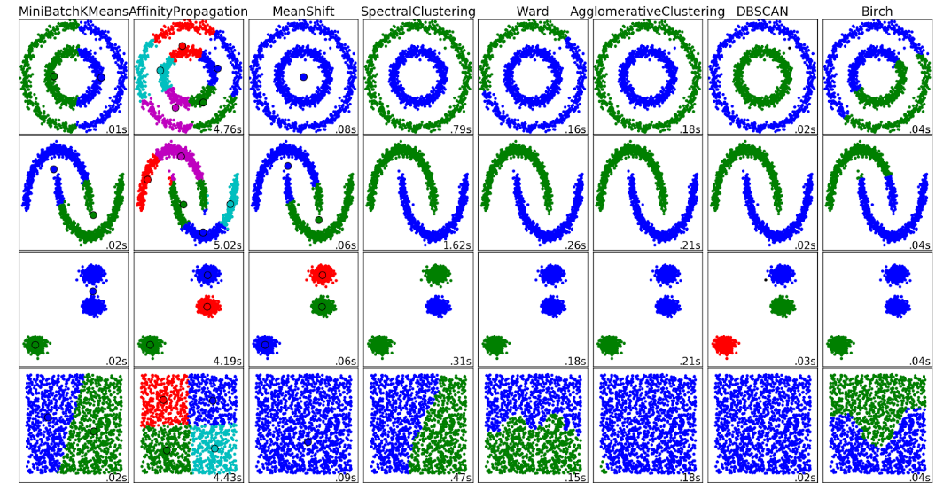
Classification | SVM | sklearn.svm.SVC, large data sklearn.svm.LinearSVC/ sklearn.linear_model.SGDClassifier sklearn.kernel_approximation.Nystroem
 | output predict label | C, kernel: linear/poly (degree)/rbf/sigmoid, gamma = kerrnel coef
 | predict log_proba | RBF
 | DecisionTreeClassifier | gini or entropy/ split best or random/ max depths
 | KNN | lazy learning
Metrics | ROC Curve | from sklearn.metrics import plot_roc_curve. Can do on clf
 | Confusion metric/ ff1 score/ accuracy
 | Hinge_loss | max(0,1-intended_output*classifier_Score) for binart class
 | Normalized Discount Cumu Gain | sum true scores ranked in the order of predicted score with log discount
 | Cohen Kappa | (observed_p - p_estimate)/(1-p_estimate)

Ensemble | Random Forest | from sklearn.ensemble import RandomForestClassifier
 | rfc.feature_importances | RandomForestClassifier(n_estimators=10, random_state=42)
 |  | n_tree, criterio = gini, entropy, max_depth, min_sample split/leaf, min_impurity decrease
 | AdaBoost | Fit classifier then fit more classifier with adjusted weights for harder cases
 | Bagging | Fit classifier on random subsets of og dataset, aggregate prediction/ good for black box
 | Gradient Boosting | Diff able loss, regression trees fit on negative gradient of multionomial deviance loss.
Mixture Model: | GaussianMixture | n = #mixture comp, cov = full/tied/diag/spherical
 | BayesianGaussianMixture | Can infer n from data, prior = finite/infinite mixture model with Dirichlet dist

Scipy | statsmodels.nonparametric.kernel_density.KDEMultivariate

 | from sklearn.model_selection import cross_val_score
 | Clustering: for grouping unlabeled data such as KMeans.
 | Cross Validation: for estimating the performance of supervised models on unseen data.
 | Datasets: for test datasets and for generating datasets with specific properties for investigating model behavior.
 | Dimensionality Reduction: for reducing the number of attributes in data for summarization, visualization and feature selection such as Principal component analysis.
 | Ensemble methods: for combining the predictions of multiple supervised models.
 | Feature extraction: for defining attributes in image and text data.
 | Feature selection: for identifying meaningful attributes from which to create supervised models.
 | Parameter Tuning: for getting the most out of supervised models.
 | Manifold Learning: For summarizing and depicting complex multi-dimensional data.
 | Supervised Models: a vast array not limited to generalized linear models, discriminate analysis, naive bayes, lazy methods, neural networks, support vector machines and decision trees.

 | (metrics.classification_report(expected, predicted)
 | (metrics.confusion_matrix(expected, predicted))

Deep Learning | Prep Deep Learning:
 | Batch Gradient Descent: | Faster than on all samples, if after each sample, noisy
 | SGD: bad->Ravines/local min | Randomise data order, mini-batch update with GPU
 | Momentum: First order | Change = n*gradient+alpha*change_t-1 can change learning rate n
 | Nesterov | Concept of gradient at next iteration
 | AdaGrad | Dim specific learning rate
 | Adam: Adaptive Moment Est. | online update mu of gradient of error, var of gradient (gradient of error^2), use mean/std*learning rate
Quick Prop/ diag Hessian | 2nd order, evaluate Hessian is super expensive at O(N2) invert Hessian O(N3) and can go to saddle
 | Generalisation: | Early stop/ Drop out/ Data whitening (norm)/ Gaussian weight initialize
 | Xavier Initialisation: | var(y) = var(w1)var(x1) + ... + var(wN)var(xN) all same so var = 1/N or 2/(N_in+N_out)
 | Vanishing-param not updated, Exploding- cause saturation
 | Batch normalization: | Keep layers independent, faster train
 | Regularisation | L1 Lass (Lapalcian), L2 Ridge (Gaussian Prior)
Traditional: | 2 stage | feature extraction-> modelling, DL integrate this into model
 | DL -hard to tune, large data, hard to interpret, transfer learning is difficult

 | Forward vs Reverse KL-Div |  | P(x) True dist, Q(x) approx dist, KL is distance
 | KL Divergence | D_KL(P(x)||Q(x)) = sum_x p(x)log(p(x)/q(x))
 | Forward KL | D_KL[P(x)||Q(x)]: Difference is weighted by P(x)
 | Reverse KL | D_KL[Q(x)||P(x)]: Difference is weighted by Q(x)

D(P|Q) | Key Idea Forward: | only minimize diff p,q if p(x)>0
 | Forward KL== | avoid q=0 when p>0
 | Zero Avoiding

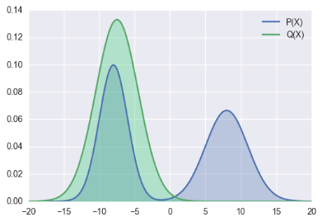
D(Q|P) | Key Idea Reverse: | if Q(x)=0 can ignore P(x)>0 safely
 | Zero Forcing | if Q(x) > 0, must minimize p(x),q(x) diff
 |  | So this works
 | Use in Bayesian Inference: due to Intractability
 | Intractability: | Search space Z too large
 | Variational Bayes | D(Q|P) = Q(Z)logQ(Z)/p(Z|X)
 | Variational Autoencoder
data X, | ELBO: Evid. Low. Bound | L(Q) = -E_Z(log(Q(Z)/P(Z,X))
unobs Z | Variational Free Energy | E_Z(logP(x)) = logP(x) = D(Q|P) + L(Q)
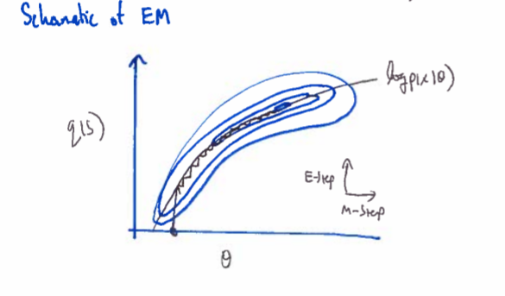
 | E-M: clustering, s is label, maximize free energy, min KL
 | F(Q(s),Z) = logP(X|Z) -D(Q(s)|P(s|X,Z))
 | = sum_s(Q(s)log(p(X|s,Z)p(s|Z)) - sum_s(Q(s)logQ(s))
 | Expectation-step: | Q(s) = argmax_Q(s) F(Q(s),Z) = p(s|X,Z)
 | Maximization Step: | Z = argmax_ZF(Q(s),Z)

 | GMM Gaussian Mixture Model
 | p(s_n = k|X_n,Z) = p(s_n =k,X_n|Z)/p(X_n|Z) = p(s_n = k|Z)p(X_n|s_n=k,Z)/(sum p(s_n = k|Z)p(X_n|s_n=k,Z))

 | Clustering of GMM, fit MoG to data with MLE, cluster according to prob under each Gaussian Component
 | M-step: update param | Mu_ j = sum(q(s_n = j)x_n)/sum(q(s_n=j))
 |  | Cov_ij = sum(q(s_n=j)(x_n-mu_j)(x_n-mu_j)^T/sum(q(s_n=j))
 |  | Pi_j = (1/N) sum_n q(s_n=j)
 | E-step: find prob | u_nk = pi_k*pdf(x_n|s_n=j)
 |  | q(s_n=j)= u_nk/sum(u_nk)
 | Can over fit:

