Data Science 1
Data Science: |  | O.S.E.M.N.
 | Wizard: predict, Detective: find patterns |  |  |  | in came data and out came insight.
Pipeline: |  |  | business value -> save cost, increase efficiency, locate opportunities
O | Obtaining data
S | Scrubbing/cleaning data |  |  | :Delete, Impute, Scale: Basically, garbage in garbage out.
E | Exploring/ Visualizing data to find patterns and trends |  |  |  |  | :visualizations (charts) and statistical testings (significant variables)
M | Modeling data to give predictive power |  |  |  | : Python, sklearn: The better features you use the better your predictive power will be.
N | Interpreting our data |  |  | : Understand audience, tell story+emotion: visualize findings+Identify business insights+ actionable story
“Good data science is more about the questions you pose of the data rather than data munging and analysis”
Focus on your audience.

Organize your projects! |  |  | Think about revisiting in a few week, would you be confused?
1. version control (Git) 2. reproducible results (venv) |  |  |  |  |  | $ git commit -m "My first commit message" $ git push just use one name model.h5
3. Separating raw data, intermediate data, and final data (./data) |  |  |  |  |  | virtualenv for reproducibility $ python3 -m venv <<name_of_directory>>
4. Documenting work (ipynb) 5. Separate modules for custom functions (./src)
 |  |  |  |  |  | Using Jupter and Atom Together. .py in Atom, jupyter to show data analysis
 |  |  |  |  |  | write all my function in .src/funct/Foo.py and stash them in different folders |  |  |  | link everything in your ./src/ $ pip3 install --editable from src.funct import Foo
Cleaning data: Most important part of producing great work
Why?:
custom package ‘clean up’ code: baseline for writing custom methods on data that does not quite fit my previous clean up scripts.
kjam repo:

Initial data analysis |  | Not answering the research question yet!
1. Quality of data |  | : freuquency counts, stats (mean, std, median), normality (skewness, kurtosis, histogram)
 | Common-method variance: variance from measurement method/ systematic error. Do CFA or Kock collinearity
 | VIF: for non-ml, random forest, SVM we don't care about coef
2. Quality of measurements |  |  | : structure of measurement instruments with homogeniality
3. Initial transformations |  |  | : impute missing data or transform it
Dist | differ slightly from normal: |  |  | Square root
 | differ greatly from normal: |  |  | Log
 | differ severely from normal: |  |  | Inverse
 | No transformation help: |  |  | Categorical
Do this before scale! We want it to look more like normal distributions
4. Characteristics of data sample |  |  | : sample structure must be accurate
 | Look at scatter plots, basic stats, corr, cross-tabulations
 | Cross-tabulations (categorical): Pivot table with sum/mean method etc
 | Heatmaps for pictorial data
Document Corrective Action!

Quick data cleaning guide:
pandas: | Check data:
 | .head()
 | df.index | df.columns
 | Data type: |  | df.dtypes
 | Unique column? |  | for i in column_names: print('{} is unique: {}'.format(i, df[i].is_unique))
 |  |  | then df.drop(columns_to_drop,inplace=True, axis =1)
 | Deal with NaN: all manipulations of the data should be documented!
either | fillna() | You could fill the NaNs with strings, or if they are numbers you could use the mean df['col'].fillna(df['col'].mean()) or the median value
 |  | Propagate forward: df.fillna(method='pad', limit=1)
 |  | Propagate backward: df.fillna(method='bfill', limit=1)
or | dropna() | df.dropna(axis=1) drop na columns, if no axis then rows
 |  | At least 90% NaN: df.dropna(thresh=int(df.shape[0] * .9), axis=1)
Useful! | np.where(if_this_is_true, do_this, else_do_that)
 |  | df['new_column'] = np.where(df[i] > 10, 'foo', 'bar')
 | df['new_column'] = np.where(df['col'].str.startswith('foo') and not df['col'].str.endswith('bar'), True, df['col'])
stacked | df['foo'] = np.where(df['bar'] == 0, 'Zero',
 | np.where(df['bar'] == 1, 'One',
 | np.where(df['bar'] == 2, 'Two', 'Three')))

We have a nice dataframe, no duplicates, no missing values. What Next?
underlying data: how can you make sure the values are exactly what you expect them to be?
Best practices in software engineering rely heavily on testing their work
 |  |  |  |  |  |  | 1. Check if any negative values have been introduced into the data
test conditions within your data that should never happen |  |  |  |  |  |  | 2. Make sure two columns are exactly the same
Assert: | check all positive: assert(df['col1'] >= 0 ).all() |  |  |  |  |  | 3. Determine the results of a transformation
 | check similar column: assert(df['col1'] == df['col2']).all() |  |  |  |  |  | 4. Check if unique id count is accurate
 | tm.assert_series_equal(df['col1'], df['col2']) give more details

unittest:

Dealing with email and URL:
beautifier |  | $ pip3 install beautifier
Instead of having to write your own regex
from beautifier import Email, Url
email_string = 'foo@bar.com' |  |  |  |  | url_string = 'https://github.com/labtocat/beautifier/blob/master/beautifier/__init__.py'
email = Email(email_string) |  |  |  |  | url = Url(url_string)
print(email.domain) |  |  | bar.com |  | print(url.param) |  | None
print(email.username) |  |  | foo |  | print(url.username) |  | {'msg': 'feature is currently available only with linkedin urls'}
print(email.is_free_email) |  |  | FALSE |  | print(url.domain) |  | github.com

Dealing with Unicode: |  |  | some unicode character appearing, break NLP
ftfy (fixed that for you)
# Example of mojibake&macr;\\_(ã\x83\x84)_/&macr; |  |  |  |  |  | import ftfyfoo = '&macr;\\_(ã\x83\x84)_/&macr;'
\ufeffParty |  |  |  |  |  | bar = '\ufeffParty'
\001\033[36;44mI&#x92;m |  |  |  |  |  | baz = '\001\033[36;44mI&#x92;m'print(ftfy.fix_text(foo))
 |  |  |  |  |  | print(ftfy.fix_text(bar))
 |  |  |  |  |  | print(ftfy.fix_text(baz))
Dedupe | De-duplication with Machine Learning
‘cleaning package’
 |  |  |  |  | def preProcess(column): |  |  | def readData(filename):
 |  | import pandas as pd |  |  | '''
 |  | import numpy |  |  | Used to prevent errors during the dedupe process. |  |  | data_d = {}
 |  | import dedupe |  |  | ''' |  |  | with open(filename) as f:
 |  | import os |  |  | try : |  |  | reader = csv.DictReader(f)
 |  | import csv |  |  | column = column.decode('utf8') |  |  | for row in reader:
 |  | import re |  |  | except AttributeError: |  |  | clean_row = [(k, preProcess(v)) for (k, v) in row.items()]
 |  | from unidecode import unidecode |  |  | pass |  |  | row_id = int(row['Id'])
 |  |  |  |  | column = unidecode(column) |  |  | data_d[row_id] = dict(clean_row)return dfname_of_file = 'data.csv'print('Cleaning and importing data ... ')
 |  |  |  |  | column = re.sub(' +', ' ', column) |  |  | df = readData(name_of_file)
 |  |  |  |  | column = re.sub('\n', ' ', column)
 |  |  |  |  | column = column.strip().strip('"').strip("'").lower().strip() |  |  |  | fields = [
 |  |  |  |  |  |  |  |  | {'field' : 'Source', 'type': 'Set'},
 |  |  |  |  | if not column: |  |  |  | {'field' : 'Site name', 'type': 'String'},
 |  |  |  |  | column = None |  |  |  | {'field' : 'Address', 'type': 'String'},
 |  |  |  |  | return column |  |  |  | {'field' : 'Zip', 'type': 'Exact', 'has missing' : True},
 |  |  |  |  |  |  |  |  | {'field' : 'Phone', 'type': 'String', 'has missing' : True},
String Matching with fuzzywuzzy |  |  |  | it uses something called Levenshtein distance when comparing |  |  |  |  | {'field' : 'Email Address', 'type': 'String', 'has missing' : True},
data validation issues |  |  |  | ex. Change foo to bar needs 3 |  |  |  |  | ]
# test.py |  |  |  |  |  |  |  | deduper = dedupe.Dedupe(fields)
from fuzzywuzzy import fuzz
from fuzzywuzzy import process
foo = 'is this string' |  | bar = 'like that string?'
fuzz.ratio(foo, bar)
71
fuzz.WRatio(foo, bar) # Weighted ratio
73

Preparing the Data:
it is in a form you can feed into your model
preprocessing sklearn0.20.0

If str: | LabelEncoder |  | from sklearn.preprocessing import LabelEncoder
 |  |  | l_encoder = preprocessing.LabelEncoder()
 |  |  | l_encoder.fit(ary_str)
 |  |  | dict(zip(l_encoder.classes_, l_encoder.transform(l_encoder.classes_)))
 | for df: | f.apply(l_encoder.fit_transform)

ordinal encoding |  | good approach to take when you need to take a bunch of categories and make them available for a regression

 |  |  | from sklearn.preprocessing import OrdinalEncoder
 |  |  | o_encoder = OrdinalEncoder()
 |  |  | ary_2d = [['foo', 'bar', 'baz'], ['x', 'y', 'z']]
 |  |  | o_encoder.fit(2d_ary) # Fit the values
 |  |  | o_encoder.transform([['foo', 'y']]) |  |  |  | >> array([[0., 1.]])

one hot or ‘dummy’ encoding |  |  | from sklearn.preprocessing import OneHotEncoder
needed for feeding categorical data |  |  | hot_encoder = OneHotEncoder(handle_unknown='ignore')
to many scikit models |  |  | hot_encoder.fit(ary_2d)
 |  |  | hot_encoder.transform([['foo', 'foo', 'baz'], ['y', 'y', 'x']]).toarray()

 | For df: | pd.get_dummies(df) |  | Two of the three columns in df have been split up and binary encoded to a dataframe.

What about when our features need to be transformed within a certain range

Numerical data:

MinMaxScaler |  |  | from sklearn.preprocessing import MinMaxScaler
 |  |  | mm_scaler = MinMaxScaler(feature_range=(0, 1))
 |  |  | mm_scaler.fit([ary_int])
 | convert (1,n) to (n,1) |  | mm_scaler.fit_transform(ary_int[:, np.newaxis])
 |  | or | mm_scaler.fit_transform(ary_int.reshape(-1, 1))
Standardizing the data
 | if you’re going to implement a KNN, scale your data first.
 | You might consider this approach when implementing gradient descent, or if you need weighted inputs like regression and neural networks.
different from normalization
scale: |  | preprocessing.scale(foo)
 |  | preprocessing.scale(foo).mean() is 0 and std() is 1

‘thresholding’ numerical features to get boolean values
Binarizer |  |  | from sklearn.preprocessing import Binarizer
 |  |  | tz = Binarizer(threshold=-25.0).fit([ary_int])
Imputing:
imp = preprocessing.Imputer(missing_values='NaN', |  |  |  |  | hvac_numeric = hvac[['TargetTemp', 'SystemAge']]
strategy='mean') |  |  |  |  | transformed = imp.fit_transform(hvac_numeric)

Time series? |  | # Import a scoring metric to compare methods |  |  |  |  | # Note we have reference (true_val) and target (with some missing)
 |  | from sklearn.metrics import r2_score
# Converting the column to DateTime format
df.Date = pd.to_datetime(df.Date, format='%d-%m-%Y')
df = df.set_index('Date')
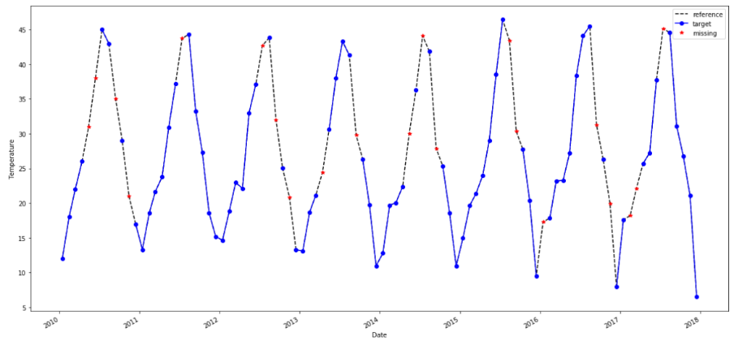
df = df.assign(missing= np.nan) |  |  | # add a column that contains the missing values only.
df.missing[df.target.isna()] = df.reference
df.plot(style=['k--', 'bo-', 'r*'], figsize=(20, 10));

Mean or median = bad
df = df.assign(FillMean=df.target.fillna(df.target.mean()))
df = df.assign(FillMedian=df.target.fillna(df.target.median()))
Rolling Avg:
df = df.assign(RollingMean=df.target.fillna(df.target.rolling(24,min_periods=1,).mean()))
df = df.assign(RollingMedian=df.target.fillna(df.target.rolling(24,min_periods=1,).median()))# imputing using the median

Other method: |  | https://medium.com/@drnesr/filling-gaps-of-a-time-series-using-python-d4bfddd8c460
df = df.assign(InterpolateAkima=df.target.interpolate(method='akima')
df = df.assign(InterpolateSpline3=df.target.interpolate(method='spline', order=3))
df = df.assign(InterpolatePoly7=df.target.interpolate(method='polynomial', order=7))
df = df.assign(InterpolateTime=df.target.interpolate(method='time'))

Scoring the results and see which is better
results = [(method, r2_score(df.reference, df[method])) for method in list(df)[3:]]
results_df = pd.DataFrame(np.array(results), columns=['Method', 'R_squared'])
results_df.sort_values(by='R_squared', ascending=False)

time' method as well as the 'slinear' (spline of order 1) method produces the closest values to the original values
akima, mean, median, rolling mean and median produces very low values of r^2

For the time interpolation to succeed, the dataframe must have the index in Date format with intervals of 1 day or more
if it is important to use a different index for the dataframe, the use the reset_index().set_index('Date')
If the data contains another dividing column, like the type of merchandise, and we are imputing sales, then the imputation should be for each merchandise separately.

Outliers: | More robust analysis techniques? Or? Kind of works only with normal data though
Mistake or variance?
Z-score () <,>3 |  | preprocessing.scale(foo) |  |  | or from scipy import stats np.abs(stats.zscore(boston_df))
Generally, boxplot IQR score= Q3 − Q1 (Q1 - 1.5 * IQR) (Q3 + 1.5 * IQR)

Bootstrapping: |  | Too small, too skew
Skewed data

propensity scores
covariates in the main analyses
https://stats.stackexchange.com/questions/206832/matched-pairs-in-python-propensity-score-matching

Life is not just a bunch of Kaggle datasets,
Cleaning and prepping data is inevitable and generally a thankless task
ETL pipelines

 | Predictive Model:

Data Science 2
Data Science: |  | O.S.E.M.N.
 | Wizard: predict, Detective: find patterns |  |  |  | in came data and out came insight.
Pipeline: |  |  | business value -> save cost, increase efficiency, locate opportunities
O | Obtaining data
S | Scrubbing/cleaning data |  |  | :Delete, Impute, Scale: Basically, garbage in garbage out.
E | Exploring/ Visualizing data to find patterns and trends |  |  |  |  | :visualizations (charts) and statistical testings (significant variables)
M | Modeling data to give predictive power |  |  |  | : Python, sklearn: The better features you use the better your predictive power will be.
N | Interpreting our data |  |  | : Understand audience, tell story+emotion: visualize findings+Identify business insights+ actionable story
“Good data science is more about the questions you pose of the data rather than data munging and analysis”
Focus on your audience.

Organize your projects! |  |  | Think about revisiting in a few week, would you be confused?
1. version control (Git) 2. reproducible results (venv) |  |  |  |  |  | $ git commit -m "My first commit message" $ git push just use one name model.h5
3. Separating raw data, intermediate data, and final data (./data) |  |  |  |  |  | virtualenv for reproducibility $ python3 -m venv <<name_of_directory>>
4. Documenting work (ipynb) 5. Separate modules for custom functions (./src)
 |  |  |  |  |  | Using Jupter and Atom Together. .py in Atom, jupyter to show data analysis
 |  |  |  |  |  | write all my function in .src/funct/Foo.py and stash them in different folders |  | link everything in your ./src/ $ pip3 install --editable from src.funct import Foo
Explanatory Data Analysis: EDA |  |  | EDA techniques have been adopted into data mining

In summary: IDA: cut, impute, transform, eliminate outliers, scale the data

Outliers/Trends/Patterns

Outliers: Histogram to check dist then Box plot
Five number summaries: max, min, median, quartiles
If heavy-tailed or skewed -> use IQR, if normal -> use z-score
Bootstrap of Jackknifing
Suggest hypotheses about the causes of observed phenomena

Curse of dimensionality |  |  | data high dimensional |  | 1. Training time increases exponentially with number of features
Feature Elimination |  | eliminating features. |  |  | 2. Models have increasing risk of overfitting with increasing number of features.
gain no information from dropped features

1. Feature Selection |  | statistical tests in order to rank them according to their importance
information loss and is less stable
different test gives different importance score to features
1.1 Filter Methods
F Test: | F-Test does a hypothesis testing model X and Y where X is a model created by just a constant and Y is the model created by a constant and a feature.
 | Least-square errors: sklearn.feature_selection.f_regression or sklearn.feature_selection.f_classif
 | Only captures linear relationship! High corr give high score but deceptive (Anscombe's Quartet non linear
Mutual Info | If independent: 0, if deterministic 1
 | sklearn.feature_selection.mututal_info_regression sklearn.feature_selection.mututal_info_classif
 | captures non-linear relationship
Variance Threshold |  | when a feature doesn’t vary much within itself, it generally has very little predictive power.
 | sklearn.feature_selection.VarianceThreshold

1.2 Wrapper Methods
Forward Search
Recursive Feature Elimination |  |  | recursively considering smaller and smaller sets of features sklearn.feature_selection.RFECV
1.3 Embedded Methods
LASSO Linear Regression |  |  | Ex at shrinkage, lambda =0.4 we can eliminate lots of factor due to Laplacian prior
Tree based models |  | The feature importance in tree based models are calculated based on Gini Index, Entropy or Chi-Square value
 | Chi squared is sum of square of k independent N(0,1)
 | from sklearn.ensemble import ExtraTreesClassifier |  |  |  |  | from sklearn.feature_selection import SelectFromModel
 | clf = ExtraTreesClassifier(n_estimators=50) |  |  |  | clf = clf.fit(X, y)
 | model = SelectFromModel(clf, prefit=True) |  |  |  | X_new = model.transform(X)
Pipeline!
 | sklearn.pipeline.Pipeline
 | clf = Pipeline([
 | ('feature_selection', SelectFromModel(LinearSVC(penalty="l1"))),
 | ('classification', RandomForestClassifier())
 | ])
 | clf.fit(X, y)

2. Feature Extraction:
Create new independent features, where each new independent feature is a combination of each of the old independent features.

3. Dimensionality Reduction: When too many variables, easier EDA, less overfit
PCA/ multilinear PCA/ SVD |  |  | from sklearn.decomposition import PCA pca = PCA(n_components=4) pca.fit_transform(x_subset)
Manifold Learning: Kernel PCA
Nonlinear DR
Factor Analysis
Auto Encoders/ VAE
t-distributed stochastic neighbor embedding (t-SNE): minimize sum of KL-div with gradient descent method#
n_comp, perplexity (NN used), early_Exaggeration, learning_rate, n_iter, method (barnes-Hut O(nlogn)
from sklearn.manifold import TSNE |  |  |  | fashion_tsne = TSNE(random_state=RS).fit_transform(x_subset)
UMAP
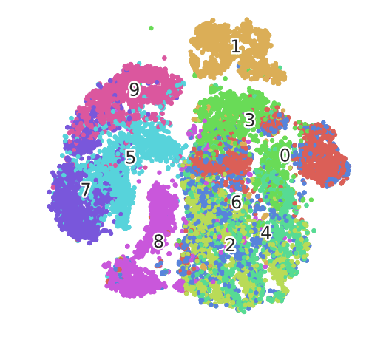
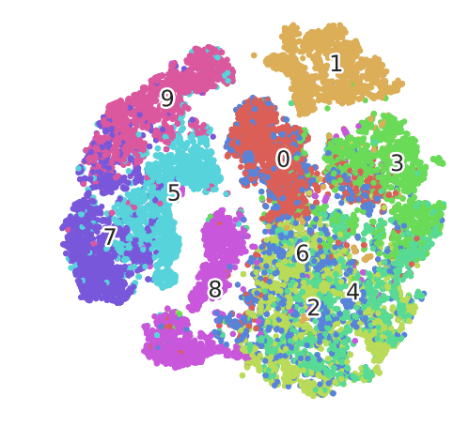
PCA |  |  |  | t-SNE |  |  | PCA+tSNE
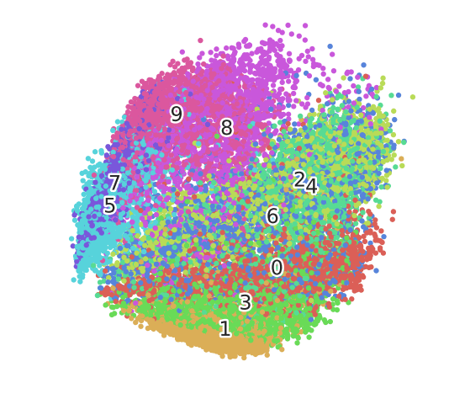

So why PCA? If dimension >> 50, use PCA or Truncated SVD first! To like 50 then t-SNE
PCA - math technique |  | placing dissimilar data points far apart
TSNE - statistical |  | similar data points must be represented close together
Don't forget to plot a nice top 15 pre-cluster and their weights in the cluster post-tSNE

EFA: Exploratory Factor Analysis |  |  |  | a linear statistical model.
search influential underlying factors or latent variables. extracts maximum common variance from all variables and puts them into a common score.
R-type factor analysis |  | When factors are calculated from the correlation matrix,
Q-type factor analysis |  | When factors are calculated from the individual respondent
Assume: no outliers, sample size> factor, no perf multicollinearity, no homoscedaticity between var
Factor Extraction: variance partitioning methods (PCA or CFA) |  |  |  |  |  | #factor = #eigenvar>1
Factor Rotation: convert factors into uncorrelated factor
Factor Loading Matrix: show each var relation to factor (corr coef)
from factor_analyzer import FactorAnalyzer
Before EFA: do Barlett = 0 or KMO > 0.6 test from factor_analyzer.factor_analyzer import calculate_bartlett_sphericity from factor_analyzer.factor_analyzer import calculate_kmo
fa = FactorAnalyzer() fa.analyze(df, 25, rotation=None) fa.analyze(df, 6, rotation="varimax") fa.loadings
Controversial!

Auto Encoder and Variationaal Auto Encoder |  |  |  | Keep info as much as possible for reconstruction
Use Keras

Check clustering fitness:

ELBOW plot: |  | Bad! Ambiguous
Silhouette plot: |  | measure of how similar an object is to its own cluster (cohesion) compared to other clusters (separation)

Trends:
Check Seasonality: |  | Which method? |  | the seasonal subseries plot |  |  | the autocorrelation plot
Time density plots across same time frame |  |  |  | series.plot(kind='kde')
periodogram scipy.signal.periodogram |  |  |  | plot ACF: if <0.2 no seasonality
What if change over time!

Quantitative Techniques
Median polish:
Trimean = remarkably efficient estimator of population mean
 | scipy.stats.trim_mean
Ordination or gradient analysis:

Data Science 3
Data Science: |  | O.S.E.M.N.
 | Wizard: predict, Detective: find patterns |  |  |  | in came data and out came insight.
Pipeline: |  |  | business value -> save cost, increase efficiency, locate opportunities
O | Obtaining data
S | Scrubbing/cleaning data |  |  | :Delete, Impute, Scale: Basically, garbage in garbage out.
E | Exploring/ Visualizing data to find patterns and trends |  |  |  |  | :visualizations (charts) and statistical testings (significant variables)
M | Modeling data to give predictive power |  |  |  | : Python, sklearn: The better features you use the better your predictive power will be.
N | Interpreting our data |  |  | : Understand audience, tell story+emotion: visualize findings+Identify business insights+ actionable story
“Good data science is more about the questions you pose of the data rather than data munging and analysis”
Focus on your audience.

Organize your projects! |  |  | Think about revisiting in a few week, would you be confused?
1. version control (Git) 2. reproducible results (venv) |  |  |  |  |  | $ git commit -m "My first commit message" $ git push just use one name model.h5
3. Separating raw data, intermediate data, and final data (./data) |  |  |  |  |  | virtualenv for reproducibility $ python3 -m venv <<name_of_directory>>
4. Documenting work (ipynb) 5. Separate modules for custom functions (./src)
 |  |  |  |  |  | Using Jupter and Atom Together. .py in Atom, jupyter to show data analysis
 |  |  |  |  |  | write all my function in .src/funct/Foo.py and stash them in different folders
Preprocess!
MinMaxScaler: |  | Non distorting
RobustScaler: |  | have outliers and want to reduce their influence |  |  |  |  | but should do it in S
StandardScaler: |  | Regression or Deep Learning
 | Don't use | Normalizer | it is for row

Model Validation:
from sklearn.model_selection import cross_validate
cv_results = cross_validate(model, X, y, cv=3,scoring=('r2', 'neg_mean_squared_error'),return_train_score=True)
from sklearn.model_selection import cross_val_predict
from sklearn.model_selection import cross_val_score
Splitter: | from sklearn.model_selection import GroupKFold |  |  |  |  | group_kfold = GroupKFold(n_splits=2)
 |  |  |  |  |  | group_kfold.get_n_splits(X, y, groups)
from sklearn.model_selection import train_test_split |  |  |  |  |  | X_train, X_test, y_train, y_test = train_test_split(
 |  |  |  |  |  | X, y, test_size=0.33, random_state=42)
Hyper Parameters Optimizers:
sklearn.model_selection.GridSearchCV
 | parameters = {'kernel':('linear', 'rbf'), 'C':[1, 10]} |  |  |  |  | clf = GridSearchCV(svc, parameters)
 | svc = svm.SVC() |  |  |  |  | clf.fit(iris.data, iris.target)
 |  |  |  |  |  | clf.cv_results_.keys()
from sklearn.model_selection import RandomizedSearchCV
 | distributions = dict(C=uniform(loc=0, scale=4), |  |  |  |  |  | search = clf.fit(iris.data, iris.target)
 | penalty=['l2', 'l1']) |  |  |  |  |  | search.best_params_
 | clf = RandomizedSearchCV(logistic, distributions, random_state=0)

Pipeline:
 | from sklearn.feature_selection import SelectKBest |  |  |  |  |  | make_pipeline(StandardScaler(), GaussianNB(priors=None))
 | from sklearn.pipeline import Pipeline
 | anova_filter = SelectKBest(f_regression, k=5)
 | clf = svm.SVC(kernel='linear')
 | anova_svm = Pipeline([('anova', anova_filter), ('svc', clf)]) |  |  |  |  |  | Ordered Dictionary
 | anova_svm.set_params(anova__k=10, svc__C=.1).fit(X, y)
 | anova_svm['anova'].get_support()
Union:
 | from sklearn.pipeline import FeatureUnion
 | from sklearn.decomposition import PCA, TruncatedSVD
 | union = FeatureUnion([("pca", PCA(n_components=1)),
 | ("svd", TruncatedSVD(n_components=2))])

Model: Time series
 | import statsmodels.api as sm |  |  |  |  |  | backfill
 | if weekly to monthly |  | y = y['co2'].resample('MS').mean() |  |  |  | y = y.fillna(y.bfill())
ARIMA | statsmodels.tsa.arima_model.ARIMA
SARIMAX | p: auto-regressive part
 | d: integrated part
 | q: moving average part
 | mod = sm.tsa.statespace.SARIMAX(y, |  |  |  | https://www.digitalocean.com/community/tutorials/a-guide-to-time-series-forecasting-with-arima-in-python-3
 | order=(1, 1, 1),
 | seasonal_order=(1, 1, 1, 12),
 | enforce_stationarity=False, |  |  |  |  | ARIMA: 1. Detrend / transform your data 2. Test for stationarity
 | enforce_invertibility=False) |  |  |  |  | 3. Run autocorrelation plots 4. Set your parameters for your model
 | results = mod.fit() |  |  |  |  | 5. Run a grid search if you want 6. Look at RMSE
 | print(results.summary().tables[1])
 | results.plot_diagnostics(figsize=(15, 12))

ARIMA still loses to Random Forest in general!

Model: Many to One
Sklearn | sklearn.model_selection.TimeSeriesSplit
 | TRAIN: [0] TEST: [1] |  |  | rather than normal cross-validation |  |  |  | for train_index, test_index in tscv.split(X):
 | TRAIN: [0 1] TEST: [2] |  |  |  |  |  |  | ... print("TRAIN:", train_index, "TEST:", test_index)
 | TRAIN: [0 1 2] TEST: [3] |  |  |  |  |  |  | ... X_train, X_test = X[train_index], X[test_index]
 | TRAIN: [0 1 2 3] TEST: [4] |  |  |  |  |  |  | ... y_train, y_test = y[train_index], y[test_index
 | TRAIN: [0 1 2 3 4] TEST: [5]

sklearn.ensemble.RandomForestClassifier |  |  |  |  |  |  | problem of Extrapolation in Random Forests
 | from sklearn.ensemble import RandomForestClassifier |  |  |  |  |  | Random Forests don’t fit very well for time-series data?
 | clf = RandomForestClassifier(max_depth=2, random_state=0) |  |  |  |  |  | improve generalisation
 | clf.fit(X, y) | print(clf.feature_importances_) |  |  |  |  | not use features in our data that might be related to time component
Extra Trees Classifier |  |  |  |  |  |  | or flatten the seasonality
sklearn.ensemble.ExtraTreesClassifier
 |  | Add linear model features! Ie mean, median, lagged value
Classification: |  |  |  |  |  |  | Decision Tree:
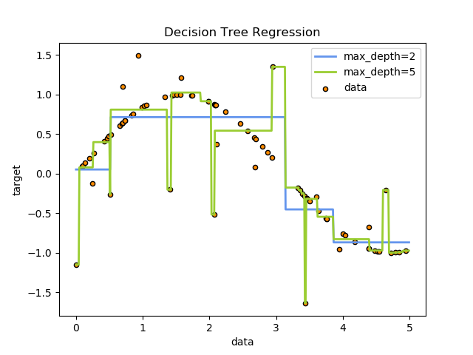
Bagging SVM
from sklearn.svm import SVC
from sklearn.ensemble import BaggingClassifier
 | clf = BaggingClassifier(base_estimator=SVC(),
 | n_estimators=10, random_state=0).fit(X, y)

Nearest Neighbour
NN: KNN, BallTree, KDTree
Classiffication: kNN
KNeighborsRegressor

 |  |  |  |  |  |  | from sklearn import tree
 |  |  |  |  |  | classi | clf = tree.DecisionTreeClassifier()
 |  |  |  |  |  |  | tree.plot_tree(clf.fit(iris.data, iris.target))
 |  |  |  |  |  | reg | clf = tree.DecisionTreeRegressor()

model: Bayesian Model
Naïve Bayes |  | from sklearn.naive_bayes import GaussianNB
Gaussian Process (GP) |  |  | from sklearn.gaussian_process import GaussianProcessRegressor
 |  |  | from sklearn.gaussian_process.kernels import DotProduct, WhiteKernel
 |  |  | kernel = DotProduct() + WhiteKernel()
 |  |  | gpr = GaussianProcessRegressor(kernel=kernel,
 |  |  | random_state=0).fit(X, y)
 | Probabilistic result, versatile
 | but not sparse and bad with >12 features
NN MLP: | rom sklearn.neural_network import MLPClassifier |  |  |  |  | No GPU support Just use tensorflow

Model: Gradient based
SGDClassifier |  | from sklearn.linear_model import SGDClassifier

Model: Many to Many
Cross decomposition
the partial least squares (PLS) and the canonical correlation analysis (CCA)
sklearn.cross_decomposition.PLSRegression
from sklearn.cross_decomposition import CCA

Model: semi-supervised |  |  | sklearn.semi_supervised
 | in your training data some of the samples are not labeled.
 | from sklearn.semi_supervised import LabelPropagation
 | from sklearn.semi_supervised import LabelSpreading

Probability Calibration:
 | When performing classification you often want not only to predict the class label, but also obtain a probability of the respective label. This probability gives you some kind of confidence on the prediction.

Model : Unsupervised
GMM | sklearn.mixture.BayesianGaussianMixture
 | sklearn.mixture.GaussianMixture
from sklearn.cluster import DBSCAN
from sklearn.cluster import MeanShift

Quick DL model: |  | For? Images, Audio, Text |  |  | If Tabular, use RF first
NLP class | import numpy
 | from keras.datasets import imdb
 | from keras.models import Sequential
 | from keras.layers import Dense
 | from keras.layers import LSTM
 | from keras.layers.embeddings import Embedding
 | from keras.preprocessing import sequence
 | (X_train, y_train), (X_test, y_test) = imdb.load_data(num_words=5000)
 | X_train = sequence.pad_sequences(X_train, maxlen=500)
 | X_test = sequence.pad_sequences(X_test, maxlen=500)
 | embedding_vecor_length = 32
 | model = Sequential()
 | model.add(Embedding(top_words, embedding_vecor_length, input_length=max_review_length))
 | model.add(LSTM(100))
 | model.add(Dense(1, activation='sigmoid'))
 | model.compile(loss='binary_crossentropy', optimizer='adam', metrics=['accuracy'])
 | model.fit(X_train, y_train, validation_data=(X_test, y_test), epochs=3, batch_size=64)
 | scores = model.evaluate(X_test, y_test, verbose=0)

Plotting! | sklearn.metrics.plot_confusion_matrix(estimator, X, y)
 | metrics.plot_roc_curve(clf, X_test, y_test)
 | sklearn.metrics.ConfusionMatrixDisplay
 | sklearn.metrics.RocCurveDisplay(fpr, tpr, roc_auc, estimator_name)

Philip
 | Philip Ball:
 | Coding Approach: | Start with BF, ' I appreciate this BF approach, but it is a start and we can cut out redundancy'
 |  | If know non-BF method, Go with that instead
 | Multi-modal data: | Only Single Gaussian, fit under ML
 |  | Answer: Get the same answer as forward KL-divergence minimization
 |  | i.e. mean seeking, 2nd order moment matching
 |  | Mentioned: reverse-KL-div, multi-modal data fitting
 | Scikit Learn basics | load_wine data
 | Iris Dataset | from sklearn import datasets dataset = datasets.load_iris()
 | Digit Dataset
 | Kernel Trick | RBF: Radial basis Function: K(x,x') = exp(-||x-x'||^2/(2*var))
 |  | Nystroem: approx kernel map with subset of training data
Preprocess |  | from sklearn.model_selection import train_test_split
Decomposition | PCA: USigV^T | Linear dim reduction with SVD For sparse input use TruncatedSVD
 | Kernel PCA | Use RBF | Sparse PCA faster, less acc
 | Latent Dirichlet Allocation with online variational Bayes algorithm | n_component, measure perplexity

Clustering | DBSCAN: compO(n) | 2 params: eps: max dist between neighbors, minPoints: at least n points to form dense region
affinity = Euclidean | metrics = Euclidean | if eps too small-> too many outliers in low density regions
 | Kmeans O(knT) | n_cluster
linkage = ward | Agglomerative Clus | Recursive merge pair of clus ter that minimally increases a linkage distance between set i.e. ward is variance
 | Affinity Propagation | send msg betweeb samples pair (responsibility = aaccum evidence k is exemplar for i)
 | Spectral Clus | Apply cluster to projection of normalized Laplacian
 | Feature Agglomeration | AgglomerativeClustering, but recursively merges features
 | Mean Shift | Blob, centroid filter similar candidates

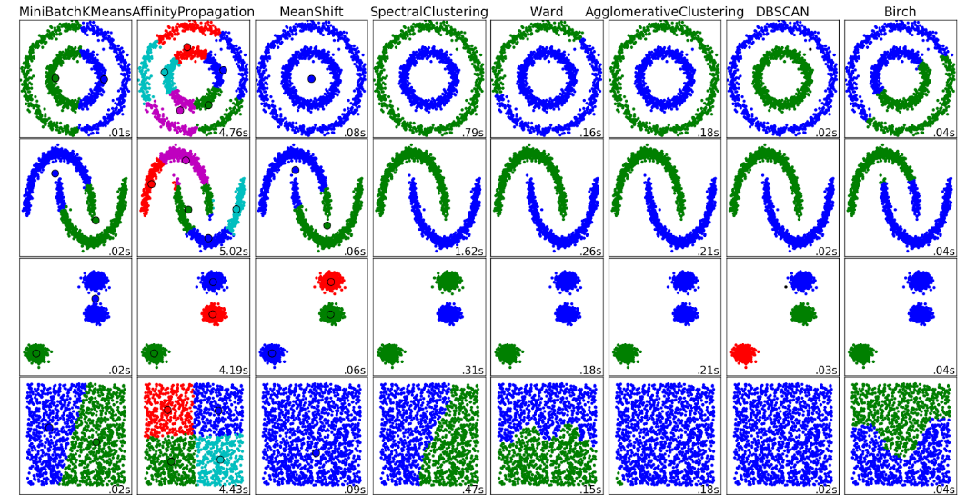
Classification | SVM | sklearn.svm.SVC, large data sklearn.svm.LinearSVC/ sklearn.linear_model.SGDClassifier sklearn.kernel_approximation.Nystroem
 | output predict label | C, kernel: linear/poly (degree)/rbf/sigmoid, gamma = kerrnel coef
 | predict log_proba | RBF
 | DecisionTreeClassifier | gini or entropy/ split best or random/ max depths
 | KNN | lazy learning
Metrics | ROC Curve | from sklearn.metrics import plot_roc_curve. Can do on clf
 | Confusion metric/ ff1 score/ accuracy
 | Hinge_loss | max(0,1-intended_output*classifier_Score) for binart class
 | Normalized Discount Cumu Gain | sum true scores ranked in the order of predicted score with log discount
 | Cohen Kappa | (observed_p - p_estimate)/(1-p_estimate)

Ensemble | Random Forest | from sklearn.ensemble import RandomForestClassifier
 | rfc.feature_importances | RandomForestClassifier(n_estimators=10, random_state=42)
 |  | n_tree, criterio = gini, entropy, max_depth, min_sample split/leaf, min_impurity decrease
 | AdaBoost | Fit classifier then fit more classifier with adjusted weights for harder cases
 | Bagging | Fit classifier on random subsets of og dataset, aggregate prediction/ good for black box
 | Gradient Boosting | Diff able loss, regression trees fit on negative gradient of multionomial deviance loss.
Mixture Model: | GaussianMixture | n = #mixture comp, cov = full/tied/diag/spherical
 | BayesianGaussianMixture | Can infer n from data, prior = finite/infinite mixture model with Dirichlet dist

Scipy | statsmodels.nonparametric.kernel_density.KDEMultivariate

 | from sklearn.model_selection import cross_val_score
 | Clustering: for grouping unlabeled data such as KMeans.
 | Cross Validation: for estimating the performance of supervised models on unseen data.
 | Datasets: for test datasets and for generating datasets with specific properties for investigating model behavior.
 | Dimensionality Reduction: for reducing the number of attributes in data for summarization, visualization and feature selection such as Principal component analysis.
 | Ensemble methods: for combining the predictions of multiple supervised models.
 | Feature extraction: for defining attributes in image and text data.
 | Feature selection: for identifying meaningful attributes from which to create supervised models.
 | Parameter Tuning: for getting the most out of supervised models.
 | Manifold Learning: For summarizing and depicting complex multi-dimensional data.
 | Supervised Models: a vast array not limited to generalized linear models, discriminate analysis, naive bayes, lazy methods, neural networks, support vector machines and decision trees.

 | (metrics.classification_report(expected, predicted)
 | (metrics.confusion_matrix(expected, predicted))

Deep Learning | Prep Deep Learning:
 | Batch Gradient Descent: | Faster than on all samples, if after each sample, noisy
 | SGD: bad->Ravines/local min | Randomise data order, mini-batch update with GPU
 | Momentum: First order | Change = n*gradient+alpha*change_t-1 can change learning rate n
 | Nesterov | Concept of gradient at next iteration
 | AdaGrad | Dim specific learning rate
 | Adam: Adaptive Moment Est. | online update mu of gradient of error, var of gradient (gradient of error^2), use mean/std*learning rate
Quick Prop/ diag Hessian | 2nd order, evaluate Hessian is super expensive at O(N2) invert Hessian O(N3) and can go to saddle
 | Generalisation: | Early stop/ Drop out/ Data whitening (norm)/ Gaussian weight initialize
 | Xavier Initialisation: | var(y) = var(w1)var(x1) + ... + var(wN)var(xN) all same so var = 1/N or 2/(N_in+N_out)
 | Vanishing-param not updated, Exploding- cause saturation
 | Batch normalization: | Keep layers independent, faster train
 | Regularisation | L1 Lass (Lapalcian), L2 Ridge (Gaussian Prior)
Traditional: | 2 stage | feature extraction-> modelling, DL integrate this into model
 | DL -hard to tune, large data, hard to interpret, transfer learning is difficult

 | Forward vs Reverse KL-Div |  | P(x) True dist, Q(x) approx dist, KL is distance
 | KL Divergence | D_KL(P(x)||Q(x)) = sum_x p(x)log(p(x)/q(x))
 | Forward KL | D_KL[P(x)||Q(x)]: Difference is weighted by P(x)
 | Reverse KL | D_KL[Q(x)||P(x)]: Difference is weighted by Q(x)

D(P|Q) | Key Idea Forward: | only minimize diff p,q if p(x)>0
 | Forward KL== | avoid q=0 when p>0
 | Zero Avoiding

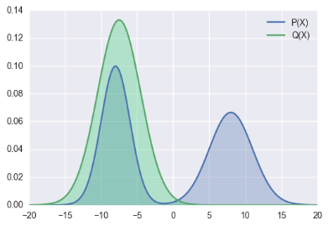
D(Q|P) | Key Idea Reverse: | if Q(x)=0 can ignore P(x)>0 safely
 | Zero Forcing | if Q(x) > 0, must minimize p(x),q(x) diff
 |  | So this works
 | Use in Bayesian Inference: due to Intractability
 | Intractability: | Search space Z too large
 | Variational Bayes | D(Q|P) = Q(Z)logQ(Z)/p(Z|X)
 | Variational Autoencoder
data X, | ELBO: Evid. Low. Bound | L(Q) = -E_Z(log(Q(Z)/P(Z,X))
unobs Z | Variational Free Energy | E_Z(logP(x)) = logP(x) = D(Q|P) + L(Q)
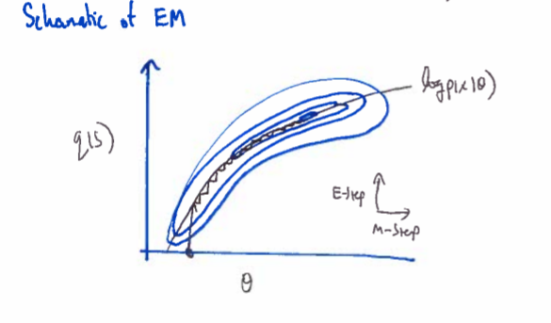
 | E-M: clustering, s is label, maximize free energy, min KL
 | F(Q(s),Z) = logP(X|Z) -D(Q(s)|P(s|X,Z))
 | = sum_s(Q(s)log(p(X|s,Z)p(s|Z)) - sum_s(Q(s)logQ(s))
 | Expectation-step: | Q(s) = argmax_Q(s) F(Q(s),Z) = p(s|X,Z)
 | Maximization Step: | Z = argmax_ZF(Q(s),Z)

 | GMM Gaussian Mixture Model
 | p(s_n = k|X_n,Z) = p(s_n =k,X_n|Z)/p(X_n|Z) = p(s_n = k|Z)p(X_n|s_n=k,Z)/(sum p(s_n = k|Z)p(X_n|s_n=k,Z))

 | Clustering of GMM, fit MoG to data with MLE, cluster according to prob under each Gaussian Component
 | M-step: update param | Mu_ j = sum(q(s_n = j)x_n)/sum(q(s_n=j))
 |  | Cov_ij = sum(q(s_n=j)(x_n-mu_j)(x_n-mu_j)^T/sum(q(s_n=j))
 |  | Pi_j = (1/N) sum_n q(s_n=j)
 | E-step: find prob | u_nk = pi_k*pdf(x_n|s_n=j)
 |  | q(s_n=j)= u_nk/sum(u_nk)
 | Can over fit:

Darko
 | Dr. Darko Matovski |  | "Causality-Infused Automated Machine Learning"
 | causaLens CEO 3yrs 5 months

 | Machine Learning overfits incl. #AutoML and underperforms for challenging problems. On a mission to develop Causal AI.
 | We demonstrate the power of hashtag#CausalAI in a commodity trading use-case.
 | Improving our World, one time-series at a time.

 | causaLens is on a mission to develop Causal AI. Causality is a major step towards developing true AI.
 | Our flagship product goes beyond both traditional machine learning and AutoML.
 | It has become the industry standard for time-series in finance and other industries.
 | causaLens_vision = global_economy.predict().optimize()

Past exp: | Quant Res Event-driven Hedge Fund 2 yrs 10 months
 | Trading System Dev. Man Group 1 yr
 | Research Engineer, National Physical Lab 2 yrs

News: | 1 week ago
 | Very excited to have our CEO, Dr. Darko Matovski, discussing Causal AI and the future of AI tomorrow at the UCL AI conference!
 | Today: Neudata |  | latest advancement in our autonomous hashtag#signal_testing tech that now incorporates hashtag#causalAI
 | Autonomous Signal Testing & hashtag#CausalAI at the Neudata San Fransisco next week. Excited to meet our customers & partners.
 | 2 week ago:
 | Excited to have our CEO, Dr. Darko Matovski, presenting at the Data Science Festival in London!

 | The causaLens approach to finding alpha in trading execution.
 | https://lnkd.in/enSasJ7
 | "Using technology that autonomously adapts to dynamic changes and embeds causality is the only way to discover alpha in execution"
 | 1 month: | The Quant Conference & Nikita Fadeev for hosting our CEO, Dr. Darko Matovski.
 | "Autonomous predictive signal discovery & the importance of hashtag#causalAI in Finance"
 | https://lnkd.in/dtCv54G

 | causaLens wins the Best Deeptech Company 2019 award! https://lnkd.in/eWxBdTz The awards are organised by Wealth & Finance International & AI Global Media. Moody's Analytics
 | 1 month:
 | Our CTO, Maksim Sipos, introducing causaLens at the Microsoft ScaleUp Program. hashtag#causalAI
 | Microsoft eXate Avora
Causal AI:
 | Image cat is a cat, Language: Take 1000 years to change
 | Financial and Time-series data: Overfit -> learn the past perfectly, not causal relations
 | Parameters correlate in the past but not for future: Hence, alpha decays
 | revenue, stock prices, real estate yields

 | Case study: shipping data
 | technology’s ability to differentiate between spurious correlations and causality in the dataset.
 | MariTrace systematically monitor the movements of over 50,000 commercial vessels
 | in order to understand the flow of commodities around the world in real-time.
 | Using weekly liquid natural gas (LNG) shipping export
 | our technology autonomously found a signal to predict the price of UK natural gas.

vs. AutoML | traditional AutoML
 | the price of natural gas is correlated in a significant way to the following variables
 | Qatar LNG exports
 | Trinidad & Tobago LNG exports
 | These statistically significant correlations would then be used to drive forecasting models.
 | not causal would result in ‘overfitting’ and reduce the performance of the models

Causal AI: | Current approaches often result both in false positives, identifying drivers that are not predictive;
 | false negatives, failing to identify predictive drivers.
 | uncover the true causal relationships in data.
 | Qatar LNG shipping exports are a stable predictive signal for UK natural gas futures,
 | Trinidad & Tobago shipping exports is spurious

1000+ models: | Half of the models were discovered by Causal AI and the other half were built using standard machine learning techniques.
 | then given data they hadn’t previously seen to make new predictions of the price of natural gas and assess their performance
 | Models built with Causal AI had an average model score 42% higher, including 13% higher directional accuracy,

 | Models produced with Causal AI provide superior results, reducing overfitting.
 | “Causality holds the key to unlocking the true potential of AI

Causal AI 2:
 | Trend Analytics – The New Pre-Trade
 | predict the periodicity of alpha over the day to give traders an edge when making trade-timing decisions.
 | helping traders earn excess trading performance by improving their timing contribution.

 | average daily volume (ADV), bid-ask spread, etc.
 | If an order’s percent of ADV and spread are small, the estimated trade cost will likely be small.
 | In practice, traders often ignore pre-trade reports except in the case of difficult-to-trade names.
 | But not trend analytics:
 | the potential for a performance pickup through optimized trade timing is always present.
 | a stock will trend in your favor over the trading session
 | tilt the algorithm’s trade scheduling curve slightly to the back end of the trade horizon.
 | optimize the curve only slightly
 | earn excess attributable alpha.

 | Post-MiFID II, “all sufficient steps” must be taken in the search for best execution. “Algo wheels” are increasingly being used to optimize broker selection
 | Best execution
 | Automating Next-Generation Analytics
 | autonomously adapts to dynamic changes and embeds causality is the only way to discover alpha in execution.
 | Big data sets need to be scanned for quality and cleaned autonomously
 | to consistently produce statistically significant alpha generating signals

 | analytics vendor data is being streamed into the traders’ execution management systems (EMS)
 | via FIX or through a proprietary interface via API for fast and efficient signal processing.

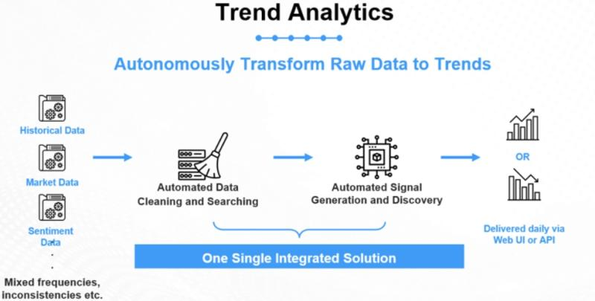

 | London-based Deeptech company
 | Next gen predictive tech: First fully automated ml, patenting a lot of stuff, fully autonomous
 | Use case hedgefund: auto check if data has a signal
 | Use case market making: providing right price
 | Use case HFT: Empower data science team to make model faster

Demo day | 200 bil EU asset manager: compete for talent for AI ppl, only 1 person
Fintech sandbox |  | empower by turning every single analyst into super star quant
 | Marko needs to understand risk factor, change into mortgage rate
 | : All data r on causaLens, just find variables he want to predict, click predict
 | Find non-linear combination of all the data that is in data set
 | Click predict -> set up experiment with historical values
 | Configure -> how far, t complexity, algorithm type
 | Click -> Discover model -> Gradient free optimization! Optimal way to clean and extract signal
 | Score optimal model: Identify 167 solutions: Marko can go and identify the best solutions
 | Best linear model for instance: Get prediction!
 | Can also see feature importance: Not a blackbox, Transparent glass!
 | Can download the code for the algorithm!
 | 60 faster and 100 more accurate (probably than Starr)

Gradient free optimization:
 | non-differentiable functions and/or constraints
 | disconnected and/or non-convex feasible space
 | • mixed variables (discrete, continuous, permutation)
 | large dimensionality
 | multiple local minima (multi-modal)

 | s have problems dealing with noisy and discontinuous functions
 | not designed to handle multi-modal problems or discrete and mixed discrete-continuous design variables

Griewank function:

Nelder–Mead Simplex
The weakness of this method is that it is not very efficient, particularly for problems with more than about 10 design variables

DIvided RECTangles (DIRECT) Method
The DIRECT method uses a hyperdimensional adaptive meshing scheme to search all the design space to find the optimum

Genetic Algorithms
• Survival of the fittest (Selection) • Reproduction processes where genetic traits are propagated (Crossover) • Variation (Mutation)

Particle Swarm Optimization

Causal Inference:

Causal Inference on Time Series using Restricted Structural Equation Models

Time Series Models with Independent Noise (TiMINo).

A causes B:
A manipulation (intervention, policy, treatment, etc.) changes the data generation mechanism. It sets a new regime
Causal models
The Causal Markov Condition
Let G be a DAG representing a causal system over V
Instrumental variables
Radical Empiricist hat: “anything goes
Faithfulness Condition  independence in the causal graph   independence in probability

Piecewise (constraint-satisfaction) algorithms  Evaluate each conditional independence statement individually, put pieces together
Global (score-based) algorithms  Evaluate “all” models that entail different conditional independencies, pick the “best”  “Best” in a statistical sense  “All” in a computationally convenient sense
Yann LeCun, a recent Turing Award winner
Lots of people in ML/DL [deep learning] know that causal inference is an important way to improve generalization.
a lot of real-world data is not generated in the same way as the data that we use to train AI models.
machine learning models often aren’t robust enough to handle changes in the input data type, and can’t always generalize well.
faced with a lack of information

The gold standard for inferring causal effects is randomized controlled trials (RCTs) or A/B tests.
treatment and control
but if they’re mission-critical servers, we can’t go around performing DDOS attacks on them.
observational data

The average treatment effect
Inferring causes via propensity score matching

This task of estimating statistical relationships from sparse data is where deep learning techniques excel, and where they are often employed.

Causal Discovery:
causal network
a deep learning framework, dubbed Imputated Causal Learning (ICL)
to perform iterative missing data imputation and causal structure discovery

ICRK 2020 | Causal Discovery with Reinforcement Learning
RL | Shengyu Zhu, Ignavier Ng, Zhitang Chen
predefined score function: greedy equivalence search
Traditional score-based casual discovery methods rely on various local heuristics to search for a Directed Acyclic Graph (DAG)
neural combinatorial optimization
Reinforcement Learning (RL) to search for the DAG with the best scoring.
encoder-decoder model takes observable data as input and generates graph adjacency matrices
that are used to compute rewards. The reward incorporates both the predefined score function and two penalty terms for enforcing acyclicity.
RL as a search strategy and our final output would be the graph
We conduct experiments on both synthetic and real datasets
a flexible score function under the acyclicity constraint.

Questions:
 | Currently is causaLens incorporating users' behavior into the algorithm? Would the program benefit from another layer of automation?
 | causaLens have over PhD 70% that is an incredible number. Are they mostly engineer/ researchers/ software dev?
 | What is causaLens distribution of current clients, are they mostly hedgefunds?
 | Will causaLens focus on optimizing the current product (released in 2018) or also build another product
 | series B funding? Series A: IQ capital, Generation Ventures

 | 2,237 monthly web visitors.

Maksim Sipos
global_economy.predict().optimize()

Questions: | Technical Questions:
 | If you have a lot of signal, how do you determine which one is spurious vs. actual? |  |  |  |  | I use Rubin causal model and ATE
 |  |  |  |  |  | Causal Discovery RL
 | client: Talk to Igor, Talk to FedEx, and talk to Citadel

 | Behavioral: |  |  | I say I like cold weather and also rain
 | What is you biggest achievement in internshsip at WorldQuant |  |  |  | Robustness test
 | Where would you choose to work at hedge fund or here?
 | If so, what is the 3 criteria
 | Choose betweeb 3 teams: Research, Help client, or sale side |  |  |  | Help client>Res>sales

