Sheet1
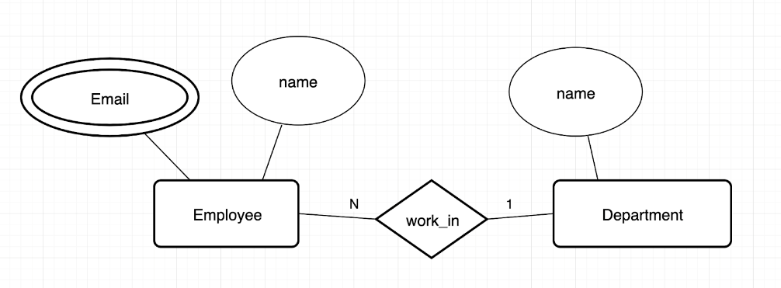
employee
id | name | dep_id

department
id | name

email
id | email

 |  |  |  |  |  |  | todo_list
 |  |  |  |  |  |  | id | name | due_date

 |  |  |  |  |  |  | todo_item
 |  |  |  |  |  |  | id | todo_list_id | text | is_completed

user
id | username | password

post
id | img | title | datetime

has
id | user_id | post_id

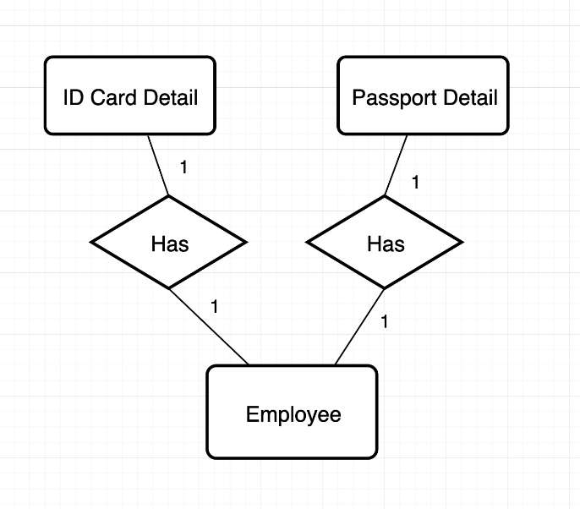

 |  |  |  | employee
 |  |  |  | id | pass_id | ID_id

 |  |  |  | passport
 |  |  |  | id

 |  |  |  | ID card
 |  |  |  | id

