Bugs - Questions for BA
ID | Title | Environment | Description | Precondition | Steps to Reproduce | Expected Resuts | Actual Results | Priority | Severity
 | Every time I refresh the main screen the first player’s highest score gets increased as the game is still running because of the factory

 | User is able to start a new game without entering a username |  | When a user navigates to the Cookie Clicker homepage and then clicks enter without enetring username. The user is redirected to the Cookie Clicker game page |  | 1. Enter https://xn--emmanuel-asmah-2023-03-17-x45o.cookieclickertechtest.airelogic.com/ url into the browser and Click Enter 2. Click the Start! Button without entering your name 3. Observe | An Error message should be displayed to the user, asking them to enter their name | The user is redirected to the Cookie Clicker game page

 | User money displays as $0.0 then revert to $0 when the user has no money | https://xn--emmanuel-asmah-2023-03-17-x45o.cookieclickertechtest.airelogic.com/ | When users money is $0 and they navigate to the main screen then back the Money displays as $0.0 then revert to $0 | 1. User is on the Cookie Clicker homepage | 1. Enter a username and Click on the Start button 2. Observe the amount of money | The amount shown for money should be $0.00 | The amount shown for money shows as $0.00 then changes to $0

 | User cannot sell an exact number of cookies produced | https://xn--emmanuel-asmah-2023-03-17-x45o.cookieclickertechtest.airelogic.com/ | When a user as e.g 1 Cookie and they try to sell the cookie, they are not able to do so | 1. User is on the Cookie Clicker homepage | 1. Enter a username and Click on the Start button 2. Click On Click Cookie! Button 3. Enter 1 into the Sell cookie input text field 4. Click Sell Cookies button and observe | The user should be able to sell the cookie and Cookies should decrease from 1 to 0 | The user is not should be able to sell the cookie as nothing happens when they click the Sell Cookies button. Cookies remains as 1 and does not decrease to 0 Error Log from web console: Emmanuel:26 Uncaught (in promise) Error: Not enough cookies to sell at rpc (Emmanuel:26:45) at async HTMLButtonElement.<anonymous> (Emmanuel:38:23)

 | User can sell Cookies with a negative number | https://xn--emmanuel-asmah-2023-03-17-x45o.cookieclickertechtest.airelogic.com/ | When a user enters a negative number for cookies to sell and then clicks on Sell Cookies button. The Cookies increase by the negative number enterd and the Money decrease by the number entered * 0.25. Example: New user enters -1 for cookies to sell and press enter, Cookie is set to 1 and money is set to -0.25 | 1. User is on the Cookie Clicker homepage | 1. Enter a username and Click on the Start button 2. . Enter -1 into the Sell cookie input text field 3. Click Sell Cookies button and Observe | An Error message should be displayed to the user stating the user cannot sell negative number of cookies | The Cookies increase to the positive number of the negative number entered The Money decreases by the negative number entered * 0.25 Image attached | 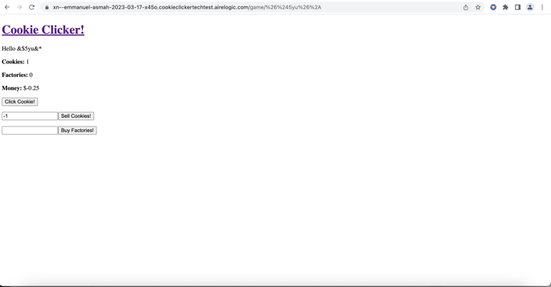

 | User can sell Cookies with a negative number followed by characters | https://xn--emmanuel-asmah-2023-03-17-x45o.cookieclickertechtest.airelogic.com/ | When a user enters a negative number followed by characters for number of cookies to sell and then clicks on Sell Cookies button. The Cookies increases by the number entered. Example: New user enters -2bNC1 for cookies to sell and press enter, Cookie is set to 2 and money is set to $-0.5 | 1. User is on the Cookie Clicker homepage | 1. Enter a username and Click on the Start button 2. . Enter -2bNC1 into the Sell cookie input text field 3. Click Sell Cookies button and Observe | An Error message should be displayed to the user stating the user cannot sell negative number of cookies | The Cookies increase to the positive number of the negative number entered e.d -2 will be set to 2 The Money decreases by the negative number entered * 0.50 Image attached | 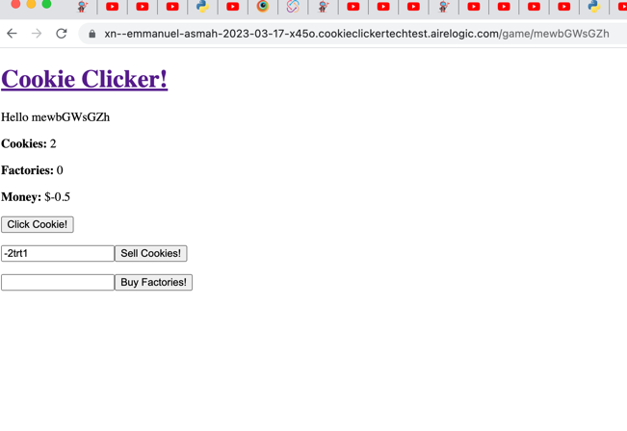

 | User can sell Cookies with a decimal | https://xn--emmanuel-asmah-2023-03-17-x45o.cookieclickertechtest.airelogic.com/ | When the user as 1 Cookie and the user enters 0.99 as the number of cookies to sell. The Cookie is set to 0 and the Money is set to $0.2475 | 1. User is on the Cookie Clicker homepage | 1. Enter a username and Click on the Start button 2. Click On Click Cookie! Button 3. Enter 0.99 into the Sell cookie input text field 4. Click Sell Cookies button and observe | An Error message should be displayed to the user stating the user cannot sell decimal number of cookies | The user is able to sell cookies by entering decimal numbers. The Cookies number deceases and the Amount increases Image attached | 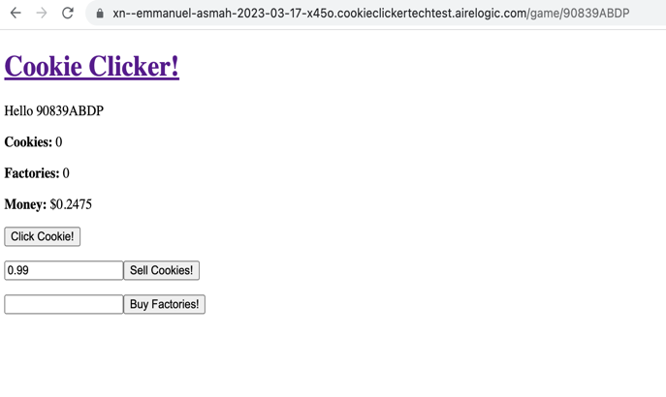

 | No message is displayed to the user when they try to sell a higher number of cookies than the number of cookies produced | https://xn--emmanuel-asmah-2023-03-17-x45o.cookieclickertechtest.airelogic.com/ | When a user tries to sell Cookies with a number higher than the number of cookies there is not error message displayed to the user, however there is an Uncaught (in promise) Error: Not enough cookies to sell in console | 1. User is on the Cookie Clicker homepage | 1. Enter a username and Click on the Start button 2. Click On Click Cookie! Button 3. Enter 2 into the Sell cookie input text field 4. Click Sell Cookies button and observe | An Error message should be displayed to the user stating the user cannot sell a higher number of cookies | No Error messages is displayed to the user There is no changes to the Number of Cookies or Amount | 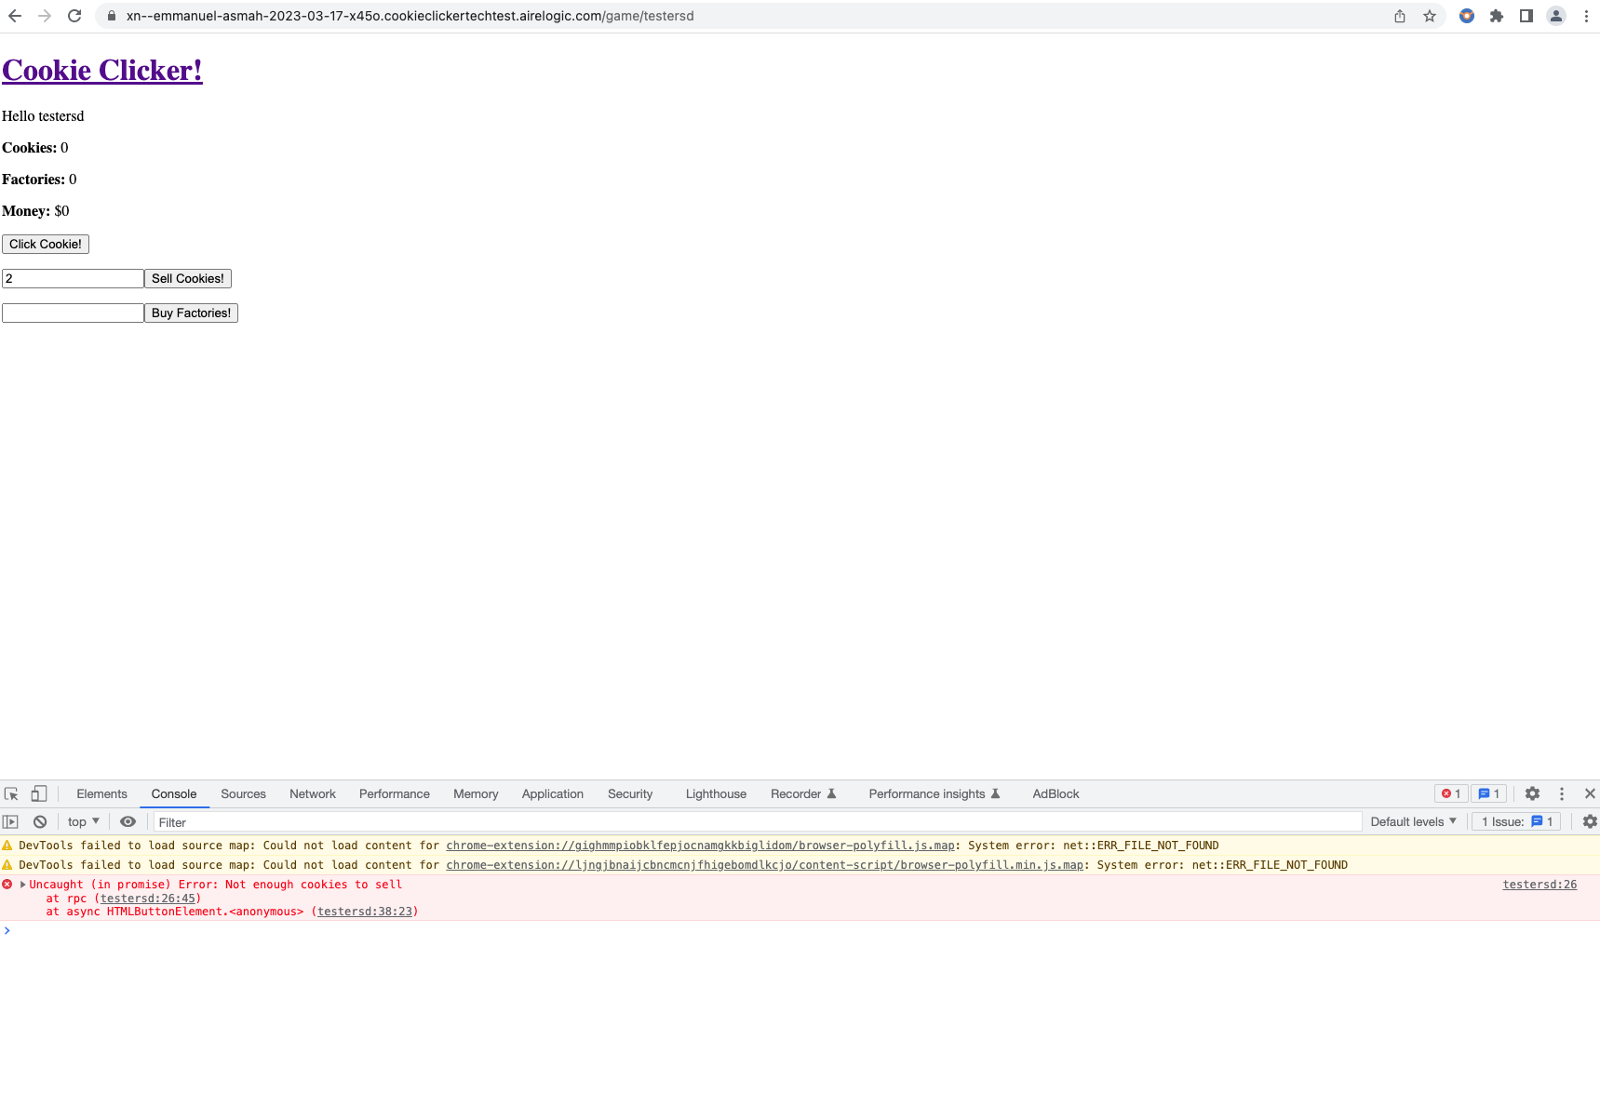

 | User can buy factories with a number followed by characters | https://xn--emmanuel-asmah-2023-03-17-x45o.cookieclickertechtest.airelogic.com/ | When a user enters a number followed by characters to buy factories. The number of factories is increase by the leading number entered. Example: New user enters 1test for buy factories. Factories is increased by 1. | 1. User is on the Cookie Clicker homepage | 1. Enter a username and Click on the Start button 2. Enter 1test into the Buy Factories! input text field 3. Click Buy Factories button and observe | An Error message should be displayed to the user stating the user cannot buy factories with the entered input. | User is able to buy factories The number of factories is increase by the leading number entered and the amount is calculated.

 | User can buy factories with a decimal number | https://xn--emmanuel-asmah-2023-03-17-x45o.cookieclickertechtest.airelogic.com/ | When the user enters e.g: 0.50 as the number of factories to buy and clicks on Buy Factories. The number of Factories is increased is set to 0.5 and the Money is set to $-1.5 | 1. User is on the Cookie Clicker homepage | 1. Enter a username and Click on the Start button 2. Enter 0.50 into the Buy Factories input text field 3. Click Buy Factories button and observe | An Error message should be displayed to the user stating the user cannot buy factories with a decimal number | The user is able to buy factories by entering decimal numbers. The number of factories is set to 0.5 and the Amount is set to -1.5 Image attached | 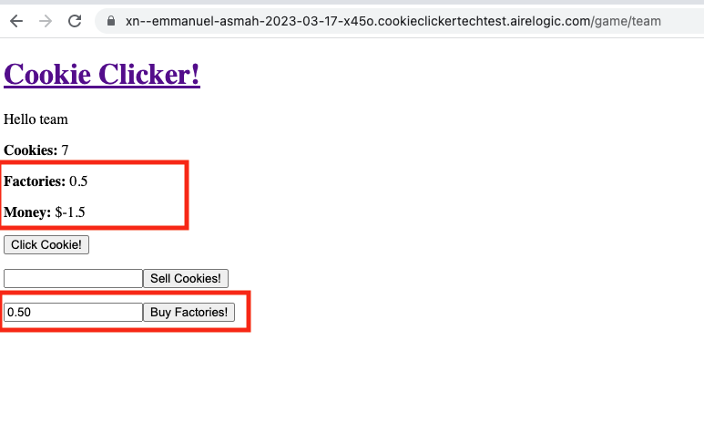

 | User with Highest score is not displayed first on the High Score | https://xn--emmanuel-asmah-2023-03-17-x45o.cookieclickertechtest.airelogic.com/ | High Scores is not arranged on who has the highest score but it’s displayed based on when the user played the game | 1. User is on the Cooke Clicker homepage 2. A few players have played the game | 1. Enter a username and Click on the Start button 2. Play the game to get the highest Score 3. Click on the Cookie Clicker linktext to return to the homepage 4. Observe | The user with the highest score is displayed at the top of the list followed by the next user wth the second highest score | The user with the highest score is added to the highest score table based on when they played the game and not by the the score. Image attached | 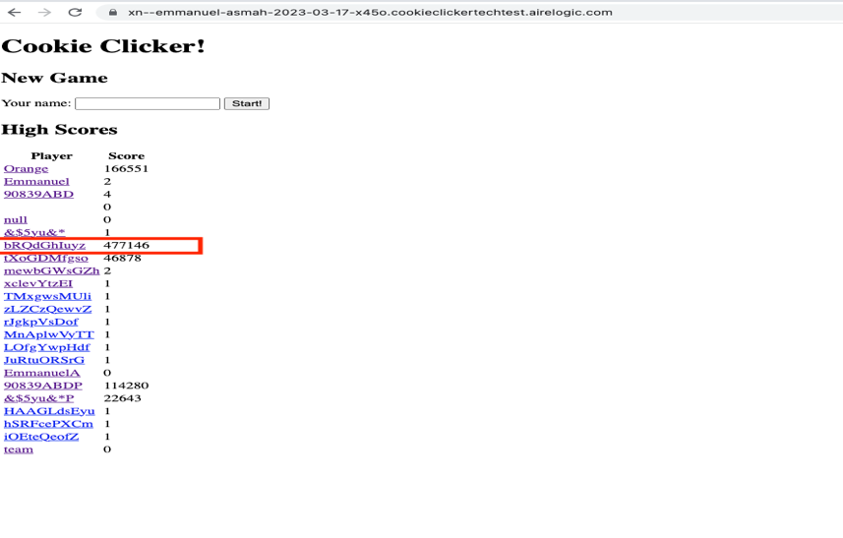

 | Other Bugs To Raise
 | Alignment of the player text is not consistent with the other texts but after large number high score the think the text for Player and Score are centre aligned but needs to be verified however the scores are not |  |  |  |  |  |  | 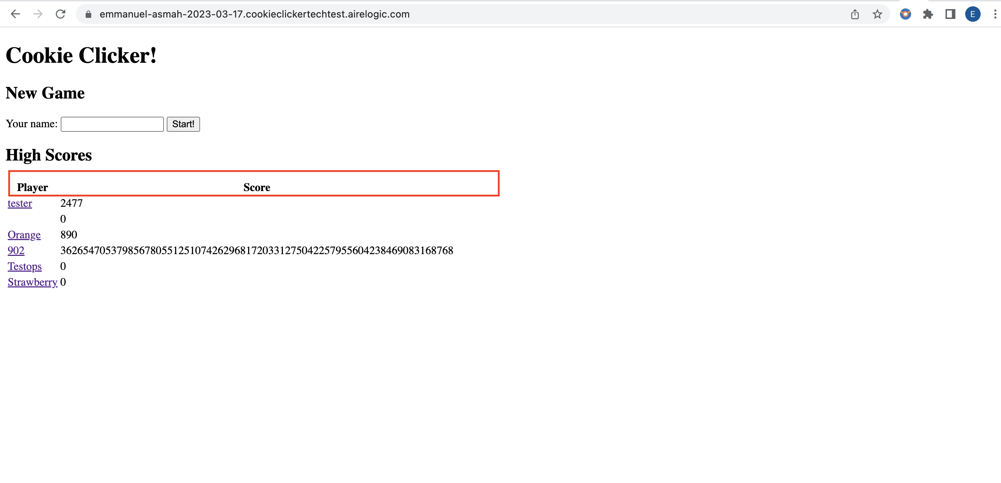
 | Values for cookies, Factories and money are not displayed properly when a large value is entered |  |  |  |  |  |  | 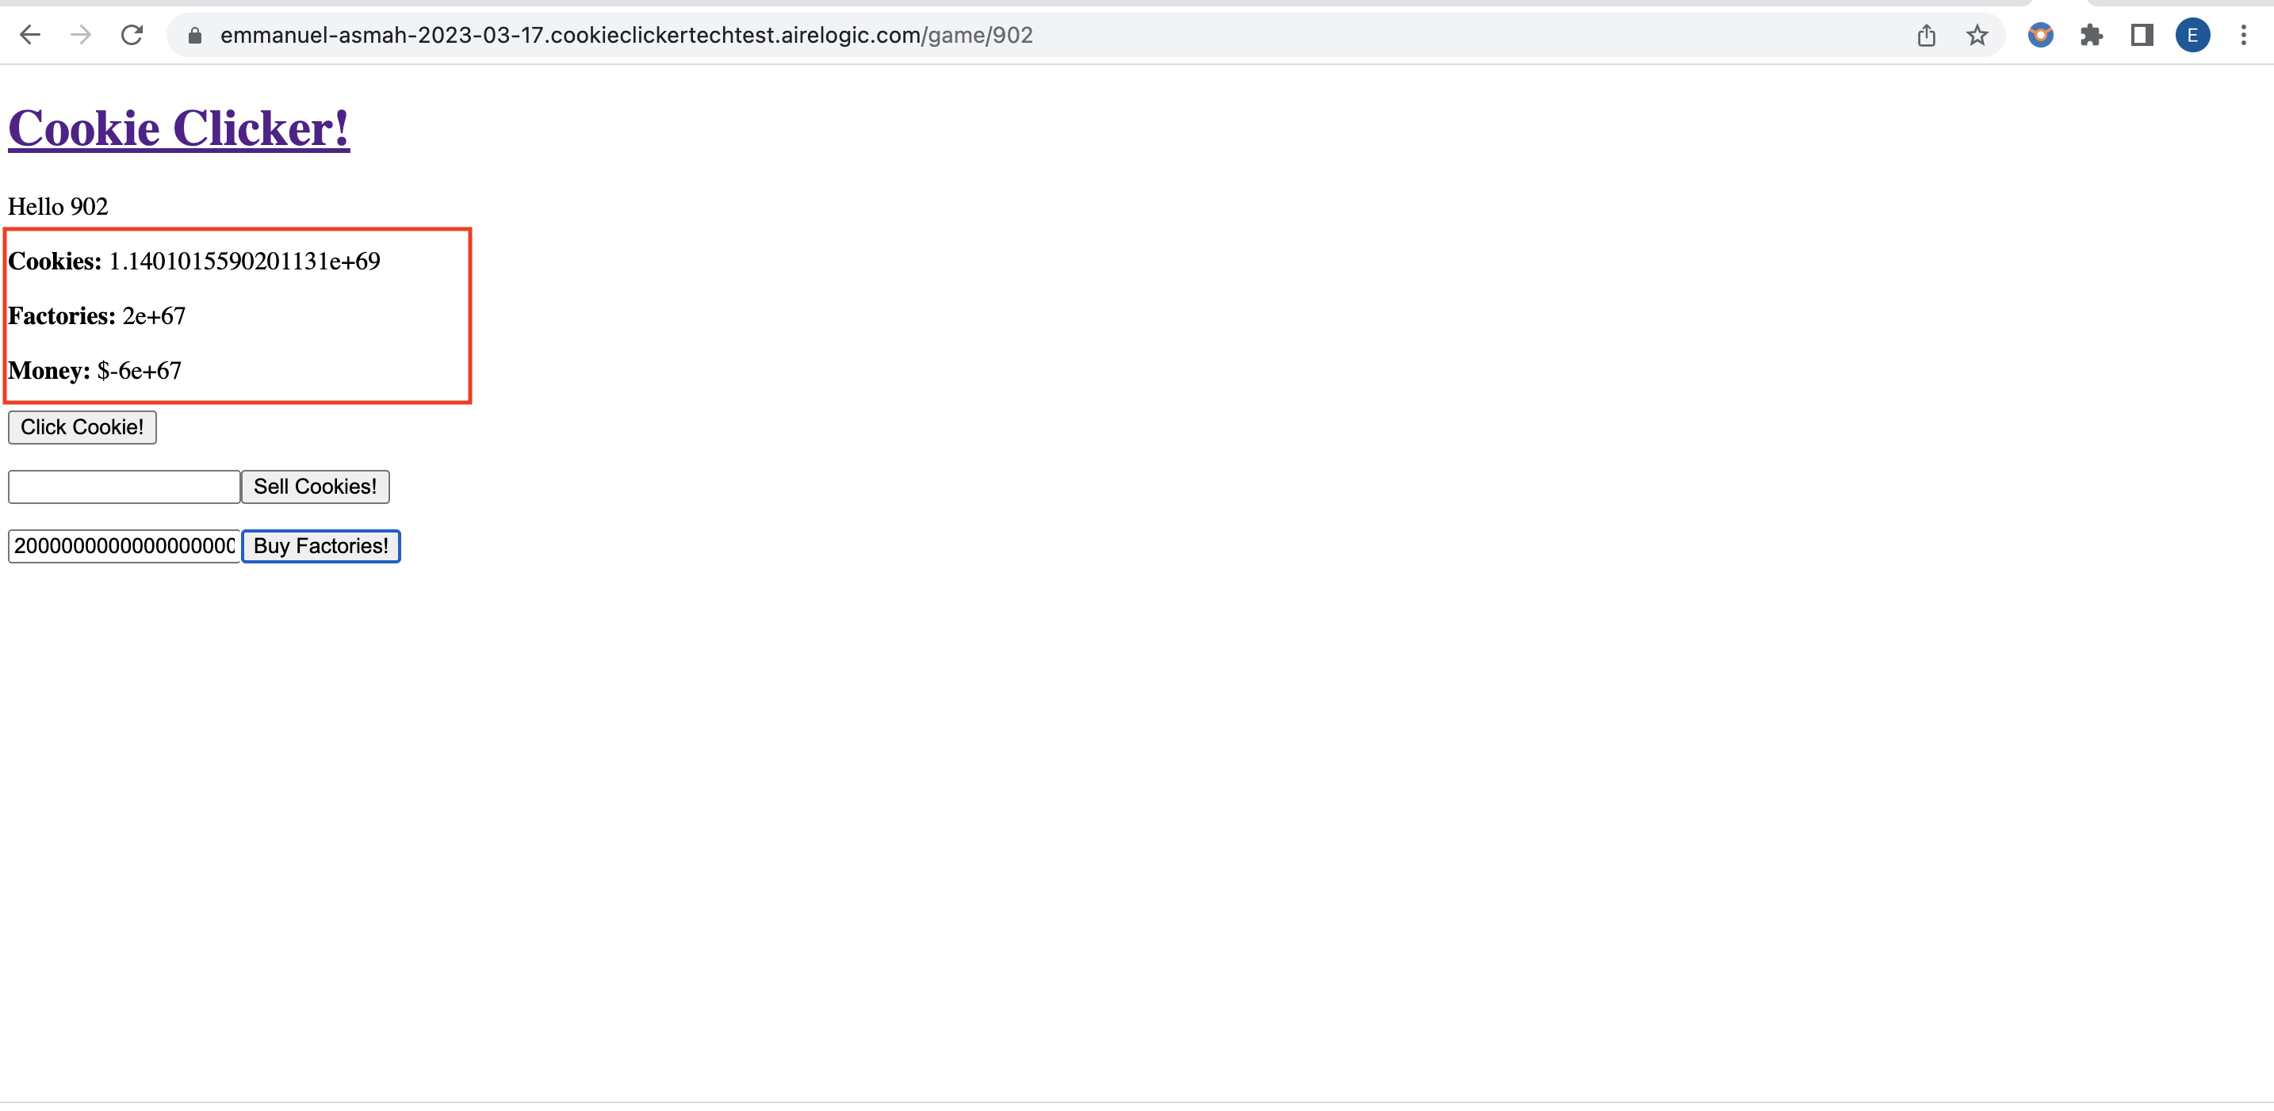
 | A user can play othe users games by clicking on the other users name under high score
 | If a user enters an existing username and clicks Start, The Game resets all the fields to 0

 | Question for BA
 | Sould the Page title be the same for the homepage and the Game pag pages
 | Should the texts on the pages are too close to the edge
 | Should the Game be still be running when the user exits the gmae

