Sheet1
Eric Adolphson |  | About Me Projects Skills Contact

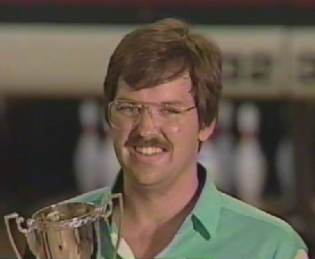
About Me
Hello. I am Eric Adolphson. I have been coding for 35 years. I got my start after taking a beginning programming class at UC Berkeley in my junior year. I then wrote an app (we called them programs back then) at my summer-time job. They people there liked my app, and I liked writing it.

After Cal I took an assembly language and a data structures course at a local Junior College and have been coding ever since. I am self-employed and have written apps for fortune 500 companies as well as small local businesses.

Other activities include bowling and golf. I did a short stint on the Professional Bowler’s Association (PBA) National Tour. I won the 1992 Seattle Open. You can watch the title match here. After a 15-year hiatus due to a bad right shoulder, I have started competitive bowling again.

Major Projects
Elevator Analysis
Project/Client/Billing System
Financial Sector Analysis

Skills | Certificates
C++ | JavaScript
Visual Basic | git
SQL
Excel
VBA

