Sheet3
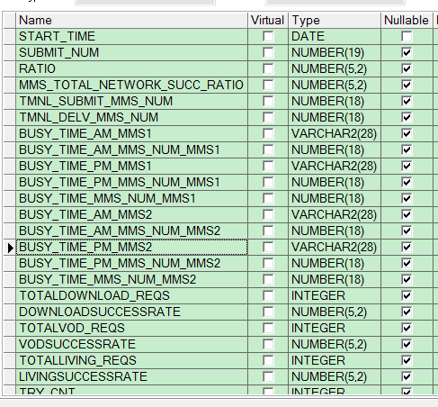
设备无IP地址
ipnet.KPI_TOTAL

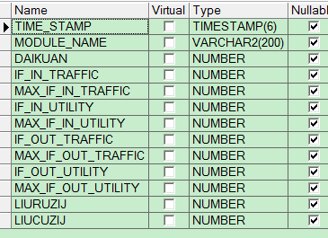
ipnet.cmnet_out_flow_day

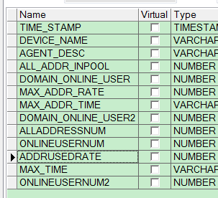
IPNET.CMENT_BRAS

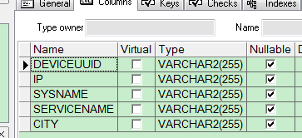

patrol.GPRS_ERIC_APN_PATROL

ipnet.FLOWALYSIS_TOPN
流量经营分析系统-联创TOP排名

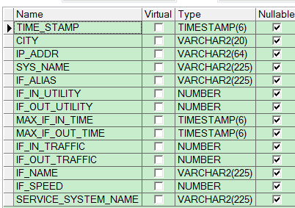
REPORT_UTILITY_THRESHOLD

patrol.fw_session_nat

