STR guidelines
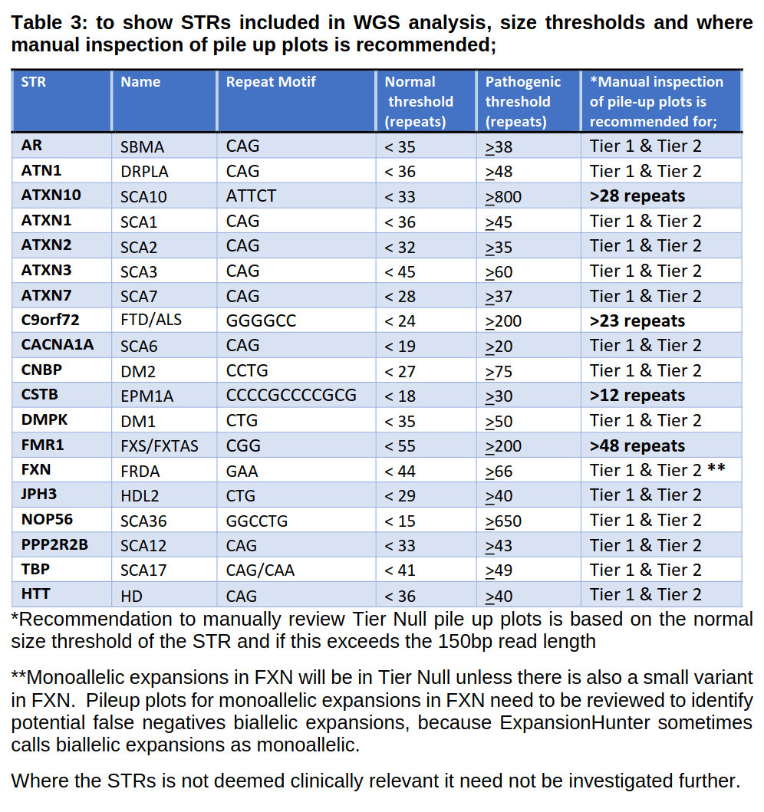
From CU-WG-REF-40 Guidelines for Rare Disease Whole Genome Sequencing & Next Generation Sequencing Panel Interpretation & Reporting

