example1-extra premium
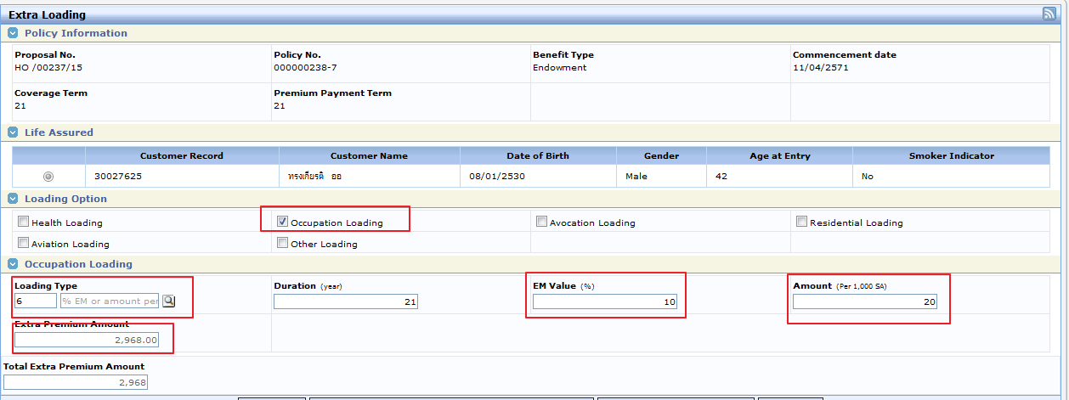
policy_code=0000002387,item_id=624

Before extra premium

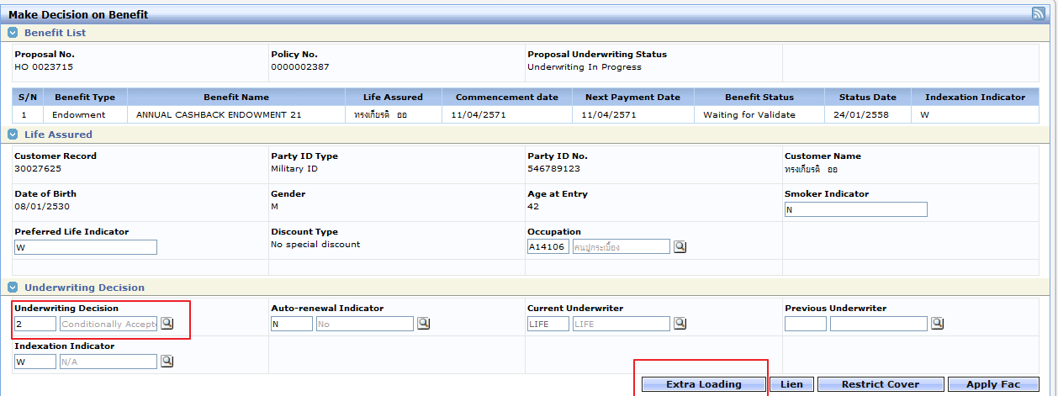

After extra

