designs
image | rank | signature | folds | fitness | spot_mm | thinness_mm | crit_margin_deg | ns_frac | field_accept | topology_stable | verdict | times_seen | trace_fitness | source_run | source_seed | genome_source | relative_sag | n_rays_drawn | p_ang | p_bsag | p_cx | p_dsag | p_fsag | p_n | p_ray_y | p_thick | p_tilt_a | p_tilt_b | genotype
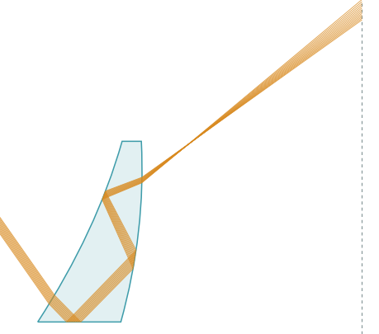 | 1 | T@A -> TIR@T -> TIR@B -> TIR@A -> T@B | 3 | 0.8864 | 2.7624 | 104.5 | 2.27 | 1 | 8 | TRUE | PASS | 5424 | 0.8864 | gated40k_clean | seed1 | fold24_clean_gated | TRUE | 12 | -55 | 2.46777 | 35 |  | -2.76192 | 1.6189 | 0.72944 | 16.97072 | -25 | -6.47 | [0.729436, -55.0, 35.0, 16.97072, -0.092064, 0.082259, -25.0, -6.47, 1.618904]
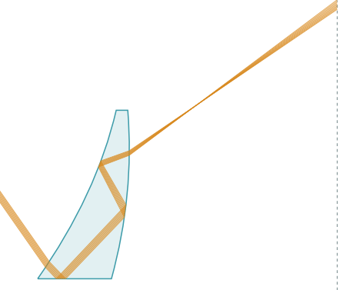 | 2 | T@A -> TIR@T -> TIR@B -> TIR@B -> T@B | 3 | 0.8748 | 2.4941 | 103.76 | 2.871 | 1 | 8 | TRUE | PASS | 369 | 0.8748 | gated40k_clean | seed1 | fold24_clean_gated | TRUE | 9 | -55 | 2.67234 | 35 |  | -3.53973 | 1.66371 | 1.19796 | 15.20409 | -25 | -5.54196 | [1.197961, -55.0, 35.0, 15.204093, -0.117991, 0.089078, -25.0, -5.54196, 1.663709]
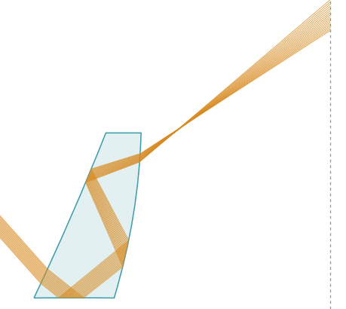 | 3 | T@A -> TIR@A -> TIR@B -> TIR@A -> T@B | 3 | 0.8723 | 3.413 | 105.17 | 2.906 | 1 | 8 | TRUE | PASS | 121 | 0.8723 | gated40k_topo3 | seed0 | fold24_topo3_gated | TRUE | 17 | -48.29556 | 2.05854 | 35.88454 | -0.0868 | -0.59889 | 1.66328 | -4.07462 | 20.97111 | -23.52746 | -9.25906 | [-4.074616, -48.29556, 35.884541, 20.97111, -0.019963, 0.068618, -0.008278, -23.527462, -9.259056, 1.66328]
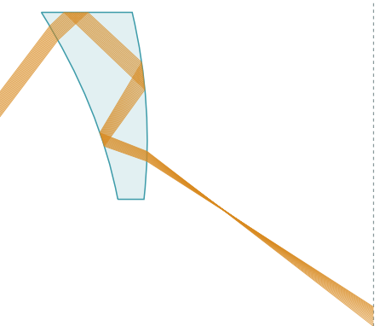 | 4 | T@A -> TIR@D -> TIR@B -> TIR@A -> T@B | 3 | 0.8615 | 1.8958 | 103.97 | 1.222 | 1 | 8 | TRUE | PASS | 4948 | 0.8615 | gated40k_topo | seed1 | fold24_topo_gated | TRUE | 17 | 52.81671 | 2.60961 | 35 |  | -3.26148 | 1.71992 | 0.519 | 18.80176 | 22.2791 | 3.61442 | [0.519, 52.816713, 35.0, 18.801764, -0.108716, 0.086987, 22.279103, 3.614418, 1.719916]
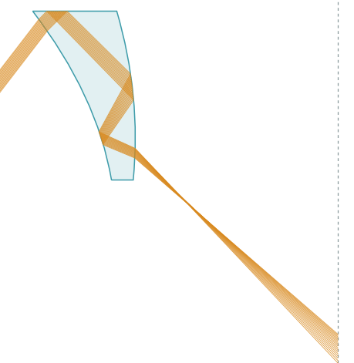 | 5 | T@A -> TIR@D -> TIR@B -> TIR@B -> T@B | 3 | 0.8325 | 3.1234 | 106.15 | 5.564 | 1 | 8 | TRUE | PASS | 769 | 0.8325 | gated40k_topo | seed1 | fold24_topo_gated | TRUE | 17 | 52.45449 | 2.92641 | 35 |  | -4.47027 | 1.81287 | 5.14695 | 18.78852 | 25 | 5.56868 | [5.146949, 52.454493, 35.0, 18.788523, -0.149009, 0.097547, 25.0, 5.568682, 1.812869]
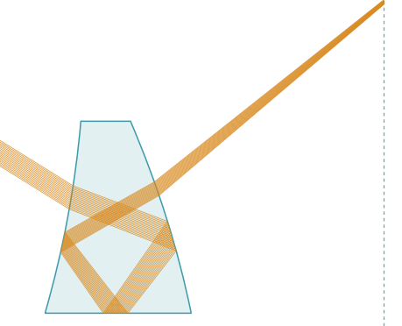 | 6 | T@A -> TIR@B -> TIR@T -> TIR@A -> T@B | 3 | 0.814 | 0.4398 | 101.02 | 5.026 | 1 | 8 | TRUE | PASS | 2351 | 0.814 | fold24_wide | seed2 | fold24_wide | FALSE | 17 | -31.83591 | 1.68417 | 35 |  | -1.51505 | 1.9027 | 20 | 30.62335 | -10.57352 | 17.55555 | [20.0, -31.835913, 35.0, 30.623352, -1.515049, 1.684167, -10.573516, 17.555552, 1.902703]
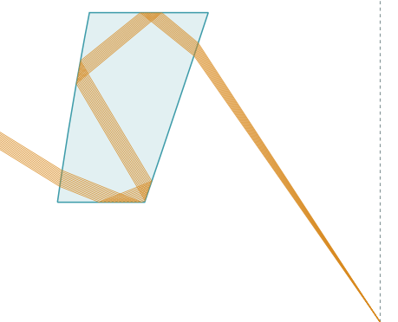 | 7 | T@A -> TIR@T -> TIR@B -> TIR@A -> TIR@D -> T@B | 4 | 0.8114 | 2.5239 | 101.13 | -5 | 0.705 | 8 | TRUE | PASS | 1355 | 0.8114 | gated40k_clean | seed1 | fold24_clean_gated | TRUE | 12 | -31.75099 | 0.09363 | 39.46854 |  | 0.38085 | 1.70757 | -9.31611 | 32.54065 | -9.55764 | -18.52127 | [-9.316114, -31.750994, 39.468538, 32.540654, 0.012695, 0.003121, -9.55764, -18.521275, 1.707574]
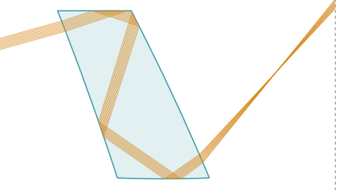 | 8 | T@A -> TIR@D -> TIR@B -> TIR@A -> TIR@T -> T@B | 4 | 0.7891 | 5.6572 | 97.92 | -5 | 0.529 | 8 | TRUE | PASS | 3136 | 0.7891 | gated40k_topo3 | seed0 | fold24_topo3_gated | TRUE | 9 | 15.64954 | 0.73878 | 46.16741 | 0.33946 | -0.5505 | 2 | 16.08901 | 29.68349 | 19.64617 | 25 | [16.08901, 15.649536, 46.167408, 29.683491, -0.01835, 0.024626, 0.022872, 19.646166, 25.0, 2.0]
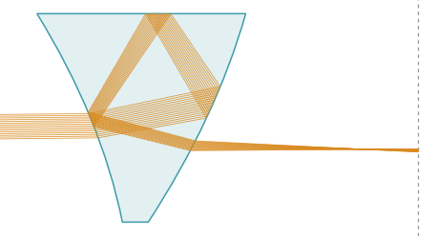 | 9 | T@A -> TIR@B -> TIR@D -> TIR@A -> T@B | 3 | 0.7264 | 2.2339 | 108.89 | 0.176 | 1 | 8 | TRUE | PASS | 582 | 0.7264 | fold24_wide | seed1 | fold24_wide | FALSE | 15 | 0.59692 | 2.74996 | 39.71602 |  | -3.11037 | 2 | -3.03747 | 33.6717 | 22.23221 | -25 | [-3.037469, 0.596916, 39.716021, 33.6717, -3.110375, 2.749957, 22.232209, -25.0, 2.0]
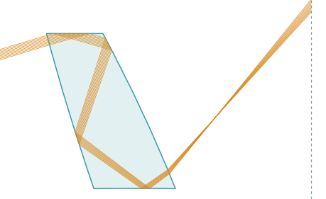 | 10 | T@A -> TIR@D -> TIR@B -> TIR@A -> TIR@B -> T@B | 4 | 0.6576 | 4.8821 | 101.89 | -5 | 0.71 | 8 | TRUE | PASS | 144 | 0.6576 | gated40k_topo3 | seed2 | fold24_topo3_gated | TRUE | 9 | 16.78691 | 1.04277 | 40.37173 | -0.12953 | 0.57834 | 1.96075 | 19.84007 | 26.61679 | 16.95075 | 25 | [19.840075, 16.786909, 40.371726, 26.616787, 0.019278, 0.034759, -0.009733, 16.950751, 25.0, 1.960753]
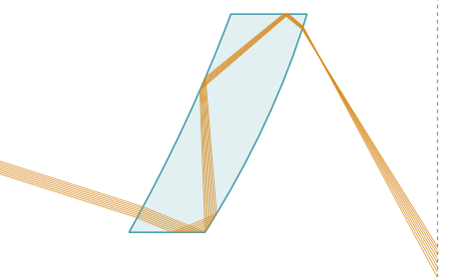 | 11 | T@A -> TIR@T -> TIR@A -> TIR@A -> TIR@D -> T@B | 4 | 0.4413 | 6.9479 | 82.82 | -5 | 0.589 | 8 | TRUE | PASS | 16 | 0.4413 | fold24_pack_long | seed1 | fold24_pack | TRUE | 8 | -17.68182 | 2.46861 | 59.83609 |  | -1.39206 | 1.80079 | -10.95968 | 20.89146 | -25 | -25 | [-10.959684, -17.681817, 59.836094, 20.891463, -0.046402, 0.082287, -25.0, -25.0, 1.800785]
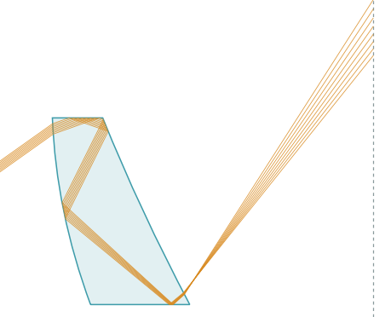 | 12 | T@A -> TIR@D -> TIR@A -> TIR@A -> TIR@T -> T@B | 4 | 0.2834 | 5.3825 | 103.12 | -5 | 0.588 | 4 | TRUE | PASS | 45 | 0.2834 | fold24_topo | seed0 | fold24_topo | TRUE | 8 | 35.37023 | -0.95826 | 35 |  | 2.48865 | 1.94099 | 13.13647 | 24.04441 | 11.55704 | 25 | [13.136473, 35.370232, 35.0, 24.044414, 0.082955, -0.031942, 11.557042, 25.0, 1.940989]
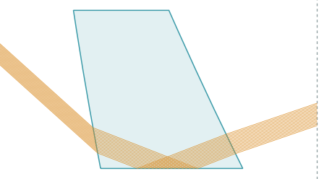 | 13 | T@A -> TIR@B -> TIR@T -> T@B | 2 | 0.204 | 4.1929 | 86.93 | 27.196 | 1 | 6 | FALSE | PASS | 10 | 0 | fold24_nd151_v2_fov100 | seed1 | no-archive | FALSE | 17 | -42.12685 | -0.39681 | 55.4505 |  | 0.29757 | 1.51093 | 13.30271 | 45 | 9.71955 | 25 | [13.302714, -42.126854, 55.450496, 45.0, 0.297565, -0.39681, 9.719545, 25.0, 1.510926]
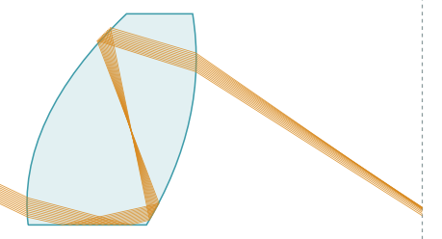 | 14 | T@A -> TIR@T -> TIR@B -> PR@A -> T@B | 2 | 0.1141 | 30.3187 | 112.05 | -5 | 0.762 | 0 | TRUE | PASS | 2832 | 0.1141 | gated40k_topo | seed2 | fold24_topo_gated | TRUE | 12 | -25.44142 | 5.7006 | 35.11314 |  | 8.75415 | 1.94044 | -20 | 26.23331 | -25 | -12.35017 | [-20.0, -25.441425, 35.113142, 26.233307, 0.291805, 0.19002, -25.0, -12.350172, 1.940444]
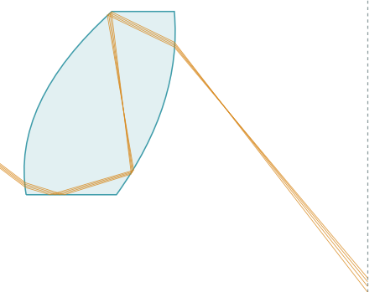 | 15 | T@A -> TIR@T -> TIR@B -> PR@B -> T@B | 2 | 0.0253 | 2.3704 | 111.66 | 19.445 | 1 | 6 | TRUE | PASS | 21 | 0.0253 | ab40k_topo | seed2 | fold24_topo | TRUE | 4 | -37.04815 | 6.04848 | 35 |  | 9.51396 | 1.96121 | -18.80975 | 24.94306 | -25 | -17.48965 | [-18.809748, -37.048154, 35.0, 24.943062, 0.317132, 0.201616, -25.0, -17.489647, 1.961208]

