###challenge
 | ##challenge
1 | From the Goal amount it can be deciphered that success rate is inversely proportional to the goal amount, hence, inorder to have successful campaing more willingness it given to less donations.
2 | Also - having launch dates early in the year also helps in the success of the campaing.

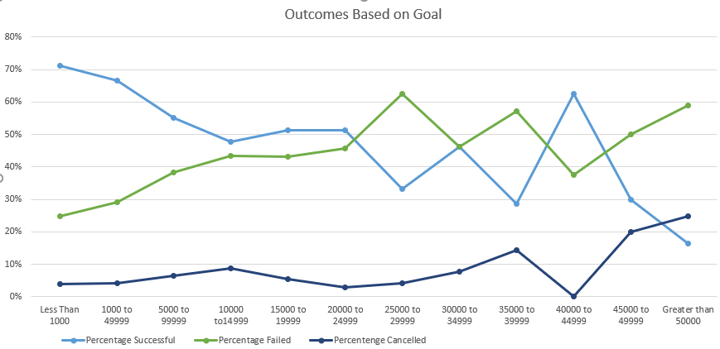
1

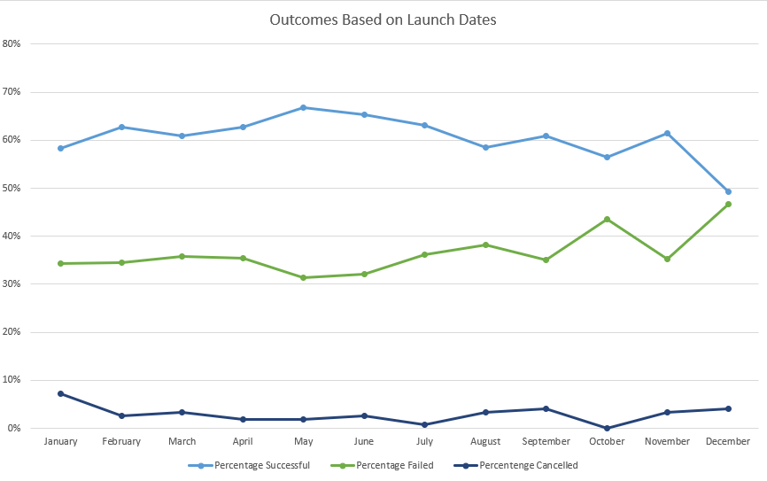
2

Outcomes Based on Launch Dates
Launch Date | Number Successful | Number Failed | Number Canceled | Total Projects | Percentage Successful | Percentage Failed | Percentenge Cancelled
January | 56 | 33 | 7 | 96 | 58% | 34% | 7%
February | 71 | 39 | 3 | 113 | 63% | 35% | 3%
March | 56 | 33 | 3 | 92 | 61% | 36% | 3%
April | 71 | 40 | 2 | 113 | 63% | 35% | 2%
May | 111 | 52 | 3 | 166 | 67% | 31% | 2%
June | 100 | 49 | 4 | 153 | 65% | 32% | 3%
July | 87 | 50 | 1 | 138 | 63% | 36% | 1%
August | 72 | 47 | 4 | 123 | 59% | 38% | 3%
September | 59 | 34 | 4 | 97 | 61% | 35% | 4%
October | 65 | 50 | 0 | 115 | 57% | 43% | 0%
November | 54 | 31 | 3 | 88 | 61% | 35% | 3%
December | 37 | 35 | 3 | 75 | 49% | 47% | 4%

Outcomes Based on Launch Dates

Outcomes Based on Goals
Goal | Number Successful | Number Failed | Number Canceled | Total Projects | Percentage Successful | Percentage Failed | Percentenge Cancelled
Less Than 1000 | 322 | 113 | 18 | 453 | 71% | 25% | 4%
1000 to 49999 | 815 | 357 | 52 | 1224 | 67% | 29% | 4%
5000 to 99999 | 230 | 160 | 27 | 417 | 55% | 38% | 6%
10000 to14999 | 65 | 59 | 12 | 136 | 48% | 43% | 9%
15000 to 19999 | 38 | 32 | 4 | 74 | 51% | 43% | 5%
20000 to 24999 | 18 | 16 | 1 | 35 | 51% | 46% | 3%
25000 to 29999 | 8 | 15 | 1 | 24 | 33% | 63% | 4%
30000 to 34999 | 6 | 6 | 1 | 13 | 46% | 46% | 8%
35000 to 39999 | 4 | 8 | 2 | 14 | 29% | 57% | 14%
40000 to 44999 | 5 | 3 | 0 | 8 | 63% | 38% | 0%
45000 to 49999 | 3 | 5 | 2 | 10 | 30% | 50% | 20%
Greater than 50000 | 55 | 198 | 83 | 336 | 16% | 59% | 25%
Outcomes Based on Goal

SubCategory Outcomes
country | US
Parent | theater
Subcategory | plays

 | Column Labels
 | failed | live | successful | Grand Total
Count of outcomes | 250 | 9 | 412 | 671

Parent Category Outcomes
country | US

Parent Category Outcomes
 | canceled | failed | live | successful
film & video | 31 | 130 |  | 261
food | 15 | 115 | 4 | 34
games |  | 96 |  | 52
journalism | 23
music | 19 | 110 | 17 | 490
photography |  | 72 |  | 62
publishing | 22 | 87 |  | 69
technology | 121 | 138 |  | 158
theater | 26 | 349 | 12 | 525
Count of outcomes | Column Labels
Row Labels | canceled | failed | live | successful | Grand Total
film & video | 31 | 130 |  | 261 | 422
food | 15 | 115 | 4 | 34 | 168
games |  | 96 |  | 52 | 148
journalism | 23 |  |  |  | 23
music | 19 | 110 | 17 | 490 | 636
photography |  | 72 |  | 62 | 134
publishing | 22 | 87 |  | 69 | 178
technology | 121 | 138 |  | 158 | 417
theater | 26 | 349 | 12 | 525 | 912
Grand Total | 257 | 1097 | 33 | 1651 | 3038

Outcomes Based on Launch Date
country | (All)
Year | (All)

Row Labels | Count of outcomes
2009 | 14
2010 | 65
2011 | 171
2012 | 282
2013 | 274
2014 | 976
2015 | 1225
2016 | 950
2017 | 157
Grand Total | 4114

