WSView
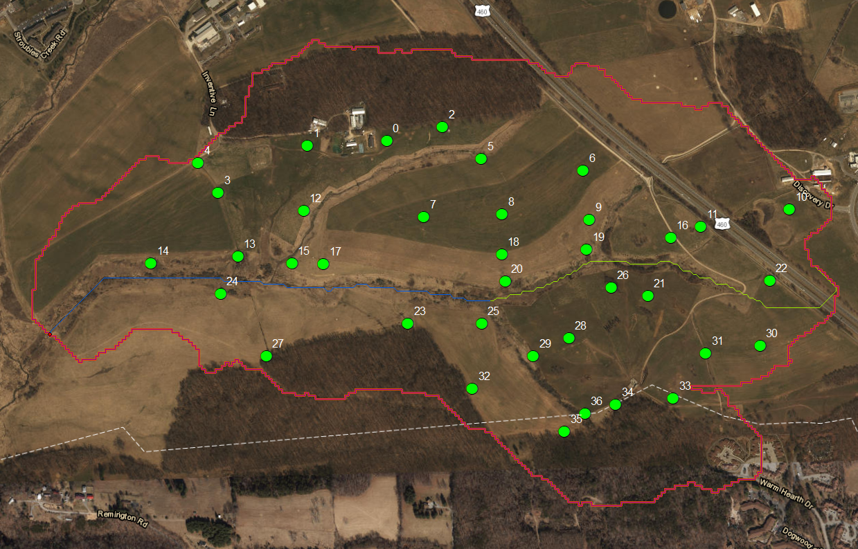

Numbers are GISIDs

TempCorrMeas
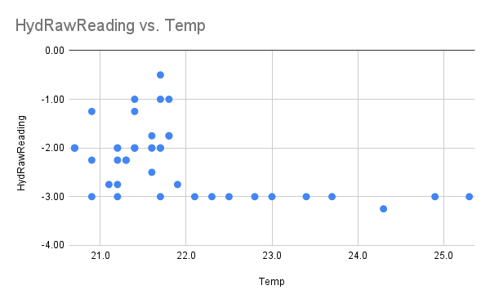
Temp | HydRawReading | Are the thermometers consistent in temperature assignment
20.7 | -2.00 |  | Temperature experiment
20.7 | -2.00 |  | Original | Mean A,B, C | A | B | C
20.7 | -2.00 | Measurement 1 | 21.2 | 21.1 | 22.2 | 20.4 | 20.7
20.9 | -3.00 | Del 1 and 2 | -0.2 | -0.3 | -0.3 | -0.3 | -0.4
20.9 | -1.25 | Measurement 2 | 21.4 | 21.4 | 22.5 | 20.7 | 21.1
20.9 | -2.25 | Del 2 and 3 | -0.4 | -0.4 | -0.6 | -0.3 | -0.3
21.1 | -2.75 | Measurement 3 | 21.8 | 21.8 | 23.1 | 21.0 | 21.4
21.2 | -2.25 | Del 3 and 4 | 0.4 | 0.4 | 0.5 | 0.3 | 0.3
21.2 | -2.00 | Measurement 4 | 21.4 | 21.5 | 22.6 | 20.7 | 21.1
21.2 | -2.75
21.2 | -2.00
21.2 | -3.00
21.3 | -2.25
21.3 | -2.25
21.4 | -2.00
21.4 | -2.00
21.4 | -1.00
21.4 | -1.25
21.4 | -2.00
21.6 | -2.00
21.6 | -2.00
21.6 | -1.75
21.6 | -2.50
21.7 | -0.50
21.7 | -1.00
21.7 | -2.00
21.7 | -2.00
21.7 | -3.00
21.8 | -1.75
21.8 | -1.75
21.8 | -1.00
21.9 | -2.75
22.1 | -3.00
22.3 | -3.00
22.5 | -3.00
22.8 | -3.00
23.0 | -3.00
23.4 | -3.00
23.7 | -3.00
24.3 | -3.25
24.9 | -3.00
25.3 | -3.00

