WSView
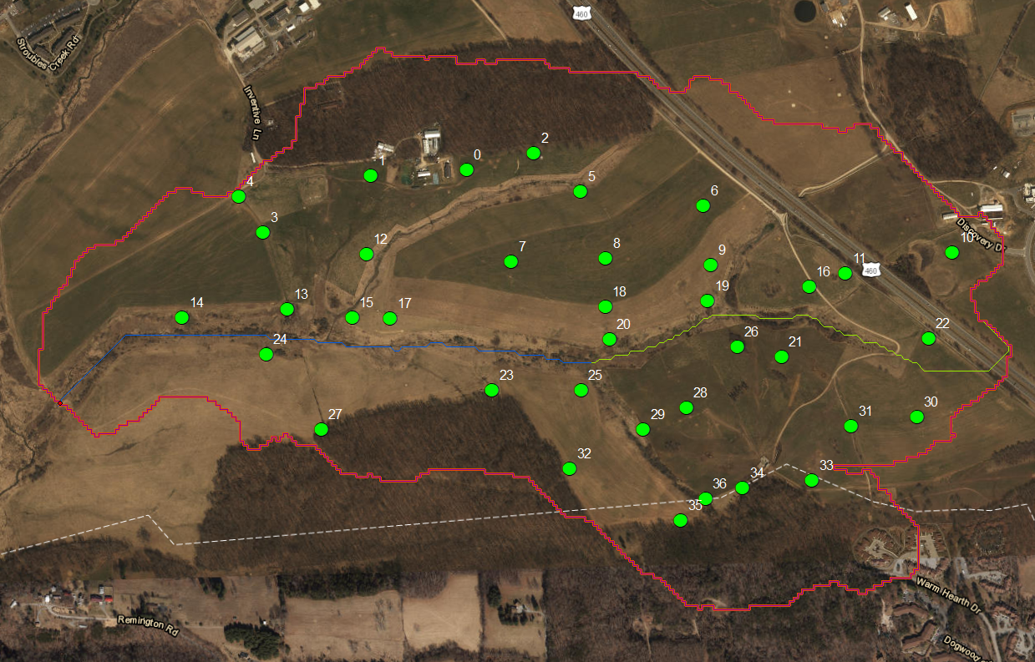

Numbers are GISIDs

