WSView
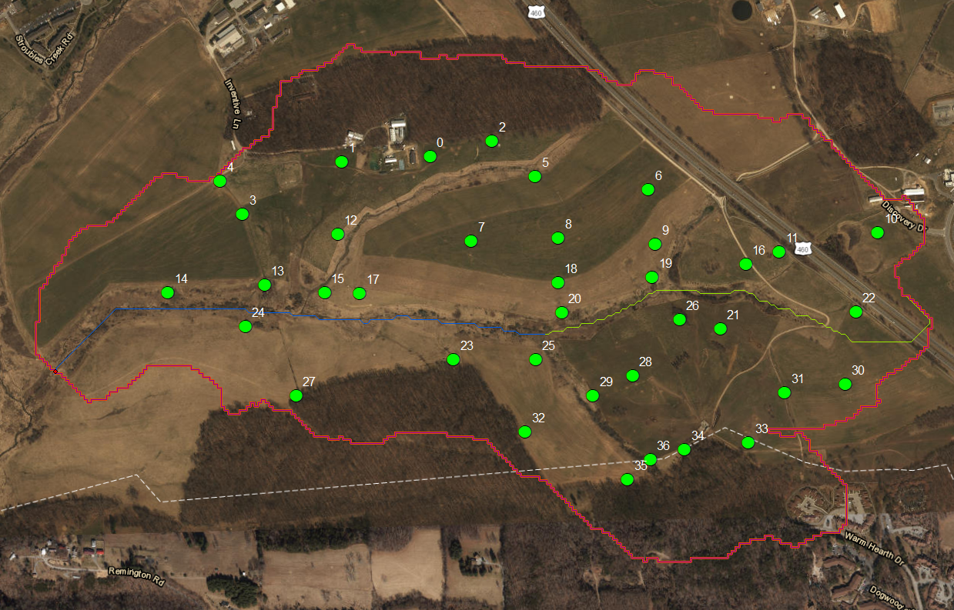

Numbers are GISIDs

QAQC_NewSoilAnalysis
Magnitude change in OM content vs # days left to decay
 | QAQC Run Date | Original Run Date | #Days out of Freezer in btwn runs | QAQC Organic Matter Content | Original Run Orgainic Matter | Horizon Thickness (cm) | Magnatide Change (QAQC-original) | Change (QAQC/original)
6 A | 7/26/20 | 2020-03-01 | 56 | 0.0345 | 0.0568 | 20.4 | -0.0222 | 0.6083
17 A | 7/9/20 | 2020-03-01 | 56 | 0.0599 | 0.0725 | 14.4 | -0.0126 | 0.8260
22 A | 7/28/20 | 2020-03-01 | 56 | 0.0335 | 0.0349 | 13.0 | -0.0013 | 0.9613
23 A | 7/28/20 | 2020-03-01 | 56 | 0.0583 | 0.0607 | 13.0 | -0.0025 | 0.9592
24 A | 7/28/20 | 2020-03-01 | 56 | 0.0318 | 0.0356 | 16.0 | -0.0038 | 0.8930
30 A | 7/27/20 | 2020-03-01 | 56 | 0.0667 | 0.0449 | 21.0 | 0.0218 | 1.4860
6 Ba | 7/9/20 | 2020-03-01 | 56 | 0.0194 | 0.0320 | 10.8 | -0.0126 | 0.6059
11 Ba | 7/27/20 | 7/9/20 | 13 | 0.0342 | 0.0254 | 13.6 | 0.0088 | 1.3476
12 Ba | 7/27/20 | 6/16/20 | 0 | 0.0152 | 0.0267 | 14.5 | -0.0115 | 0.5685
17 Ba | 7/27/20 | 2020-03-01 | 56 | 0.0193 | 0.0255 | 20.4 | -0.0063 | 0.7541
22 Ba | 7/9/20 | 2020-03-01 | 56 | 0.0205 | 0.0275 | 19.0 | -0.0070 | 0.7461
23 Ba | 7/28/20 | 2020-03-01 | 56 | 0.0253 | 0.0401 | 11.2 | -0.0148 | 0.6302
24 Ba | 7/28/20 | 2020-03-01 | 56 | 0.0267 | 0.0306 | 20.0 | -0.0039 | 0.8733
Magnatide Change (QAQC-original) vs. Horizon Thickness (cm)
25 Ba | 7/28/20 | 7/3/20 | 0 | 0.0172 | 0.0186 | 15.9 | -0.0014 | 0.9262
30 Ba | 7/28/20 | 2020-03-01 | 56 | 0.0176 | 0.0242 | 10.2 | -0.0066 | 0.7287
0/Well 3 Bt | 7/27/20 | 7/1/20 | 0 | 0.0141 | 0.0226 | 57.5 | -0.0085 | 0.6247
2/Well 2 Bt | 7/27/20 | 7/8/20 | 0 | 0.0081 | 0.0183 | 95.1 | -0.0101 | 0.4458
4/Well 5 Bt | 7/27/20 | 7/1/20 | 0 | 0.0116 | 0.0145 | 67.5 | -0.0029 | 0.8019
6 Bt | 7/27/20 | 2020-03-01 | 56 | 0.0129 | 0.0278 | 94.8 | -0.0149 | 0.4654
10 Bt | 7/27/20 | 7/3/20 | 0 | 0.0134 | 0.0109 | 53.5 | 0.0025 | 1.2299
11 Bt | 7/27/20 | 7/9/20 | 13 | 0.0172 | 0.0179 | 46.1 | -0.0007 | 0.9583
12 Bt | 7/27/20 | 6/25/20 | 0 | 0.0080 | 0.0221 | 100.0 | -0.0141 | 0.3613
14 Bt | 7/27/20 | 6/25/20 | 0 | 0.0196 | 0.0219 | 67.0 | -0.0023 | 0.8970
17 Bt | 7/9/20 | 2020-03-01 | 56 | 0.0120 | 0.0292 | 24.6 | -0.0172 | 0.4122
18 Bt | 7/29/20 | 6/25/20 | 0 | 0.0307 | 0.0199 | 63.3 | 0.0108 | 1.5420
21 Bt | 7/9/20 | 6/25/20 | 0 | 0.0088 | 0.0084 | 64.3 | 0.0004 | 1.0466
23 Bt | 7/28/20 | 2020-03-01 | 56 | 0.0170 | 0.0368 | 34.8 | -0.0198 | 0.4611
24 Bt | 7/28/20 | 2020-03-01 | 56 | 0.0182 | 0.0241 | 90.0 | -0.0059 | 0.7567
25 Bt | 7/28/20 | 7/3/20 | 0 | 0.0172 | 0.0120 | 68.0 | 0.0051 | 1.4257
27 Bt | 7/28/20 | 7/3/20 | 0 | 0.0140 | 0.0121 | 51.8 | 0.0020 | 1.1627
28 Bt | 7/28/20 | 6/25/20 | 0 | 0.0090 | 0.0084 | 51.6 | 0.0007 | 1.0804
29 Bt | 7/28/20 | 6/18/20 | 0 | 0.0080 | 0.0151 | 53.6 | -0.0071 | 0.5283

