Guide
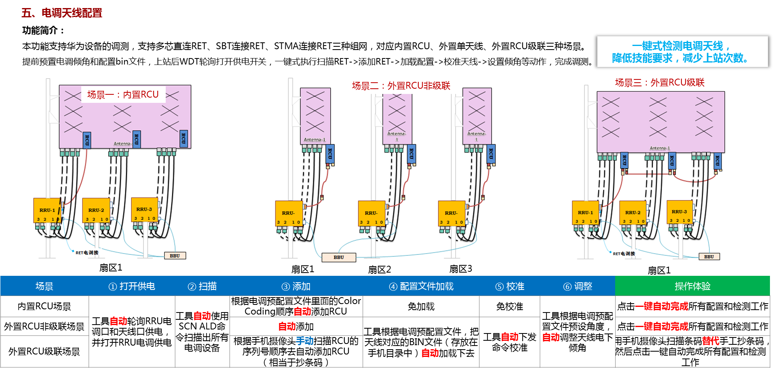
模板版本号（Version）：V1.0-26.2.T1 模板更新时间（Update Time）：2025.7.14
单元格颜色 Cell color | 说明 Description
绿色 Green | 推荐修改 Modify it before use is recommended
蓝色 Blue | 固定内容，请勿修改 Fixed cell, pls don't change

工作表颜色 Sheet color | 说明 Description
绿色 Green | 推荐修改 Modify it before use is recommended

填写说明 Instruction | 1.Common页是必填项，其他三个sheet页根据Common选择的场景选填。 Common page is required,and fill the last three sheets according to selected scene in Common sheet . 2.“RET test Procedure ”页为RET天线提供了检测项配置，如果您不想进行某些检测，请在配置组的首列中选择“否”。 The "RET test Procedure" sheet provides the detection configuration for the RET antenna. If you do not want to perform some tests, select "No" in the first column of the configuration group.

Internal
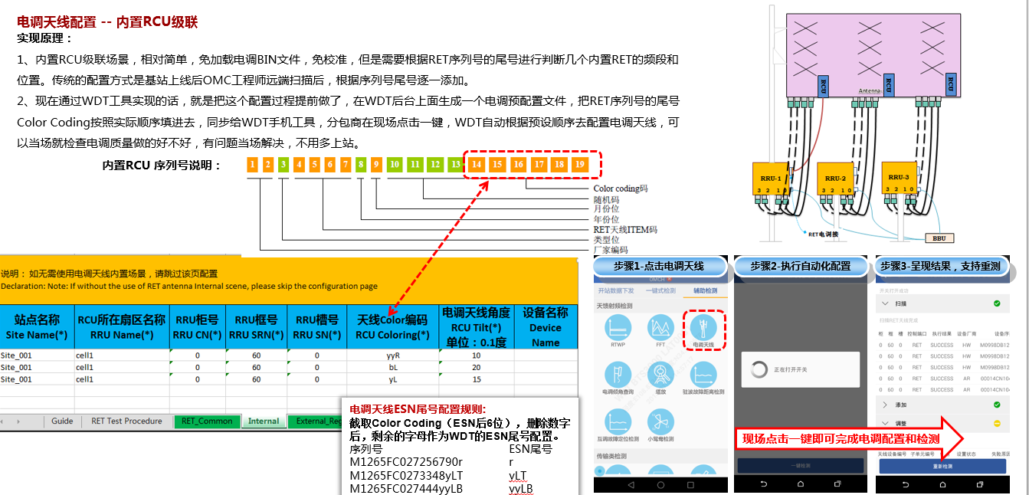
说明： 如无需使用电调天线内置场景，请跳过该页配置 Declaration: Note: If without the use of RET antenna Internal scene, please skip the configuration page
站点名称 Site Name(*) | RCU所在扇区名称 RRU Name(*) | RRU柜号 RRU CN(*) | RRU框号 RRU SRN(*) | RRU槽号 RRU SN(*) | 天线Color编码 RCU Coloring(*) | 电调天线角度 RCU Tilt(*) 单位：0.1度 | 设备名称 Device Name
HNIPTH01_LN | HNIPTH01_L1800_S1_1 | 0 | 60 | 0 | Lb1 | 40 | HNIPTH01_L1800_S1_1
HNIPTH01_LN | HNIPTH01_L1800_S1_2 | 0 | 60 | 0 | CLb2 | 40 | HNIPTH01_L1800_S1_2
HNIPTH01_LN | HNIPTH01_NSN_L1800_S1_1 | 0 | 60 | 0 | CRb3 | 40 | HNIPTH01_NSN_L1800_S1_1
HNIPTH01_LN | HNIPTH01_E///_U2100_S1_2 | 0 | 60 | 0 | Rb4 | 40 | HNIPTH01_E///_U2100_S1_2
HNIPTH01_LN | HNIPTH01_L1800_S2_1 | 0 | 61 | 0 | Lb1 | 50 | HNIPTH01_L1800_S2_1
HNIPTH01_LN | HNIPTH01_L1800_S2_2 | 0 | 61 | 0 | CLb2 | 50 | HNIPTH01_L1800_S2_2
HNIPTH01_LN | HNIPTH01_NSN_L1800_S2_1 | 0 | 61 | 0 | CRb3 | 50 | HNIPTH01_NSN_L1800_S2_1
HNIPTH01_LN | HNIPTH01_E///_U2100_S2_2 | 0 | 61 | 0 | Rb4 | 50 | HNIPTH01_E///_U2100_S2_2
HNIPTH01_LN | HNIPTH01_L1800_S3_1 | 0 | 62 | 0 | Lb1 | 50 | HNIPTH01_L1800_S3_1
HNIPTH01_LN | HNIPTH01_L1800_S3_2 | 0 | 62 | 0 | CLb2 | 50 | HNIPTH01_L1800_S3_2
HNIPTH01_LN | HNIPTH01_NSN_L1800_S3_1 | 0 | 62 | 0 | CRb3 | 50 | HNIPTH01_NSN_L1800_S3_1
HNIPTH01_LN | HNIPTH01_E///_U2100_S3_2 | 0 | 62 | 0 | Rb4 | 50 | HNIPTH01_E///_U2100_S3_2
HNIPTH02_LN | HNIPTH02_L1800_S1_1 | 0 | 60 | 0 | Lb1 | 40 | HNIPTH02_L1800_S1_1
HNIPTH02_LN | HNIPTH02_L1800_S1_2 | 0 | 60 | 0 | CLb2 | 40 | HNIPTH02_L1800_S1_2
HNIPTH02_LN | HNIPTH02_NSN_L1800_S1_1 | 0 | 60 | 0 | CRb3 | 40 | HNIPTH02_NSN_L1800_S1_1
HNIPTH02_LN | HNIPTH02_E///_U2100_S1_2 | 0 | 60 | 0 | Rb4 | 40 | HNIPTH02_E///_U2100_S1_2
HNIPTH02_LN | HNIPTH02_L1800_S2_1 | 0 | 61 | 0 | Lb1 | 20 | HNIPTH02_L1800_S2_1
HNIPTH02_LN | HNIPTH02_L1800_S2_2 | 0 | 61 | 0 | CLb2 | 20 | HNIPTH02_L1800_S2_2
HNIPTH02_LN | HNIPTH02_NSN_L1800_S2_1 | 0 | 61 | 0 | CRb3 | 20 | HNIPTH02_NSN_L1800_S2_1
HNIPTH02_LN | HNIPTH02_E///_U2100_S2_2 | 0 | 61 | 0 | Rb4 | 20 | HNIPTH02_E///_U2100_S2_2
HNIPTH02_LN | HNIPTH02_L1800_S3_1 | 0 | 62 | 0 | Lb1 | 20 | HNIPTH02_L1800_S3_1
HNIPTH02_LN | HNIPTH02_L1800_S3_2 | 0 | 62 | 0 | CLb2 | 20 | HNIPTH02_L1800_S3_2
HNIPTH02_LN | HNIPTH02_NSN_L1800_S3_1 | 0 | 62 | 0 | CRb3 | 20 | HNIPTH02_NSN_L1800_S3_1
HNIPTH02_LN | HNIPTH02_E///_U2100_S3_2 | 0 | 62 | 0 | Rb4 | 20 | HNIPTH02_E///_U2100_S3_2
HNITLC08_LN | HNITLC08_L1800_S1_1 | 0 | 60 | 0 | Lb1 | 50 | HNITLC08_L1800_S1_1
HNITLC08_LN | HNITLC08_L1800_S1_2 | 0 | 60 | 0 | CLb2 | 50 | HNITLC08_L1800_S1_2
HNITLC08_LN | HNITLC08_NSN_L1800_S1_1 | 0 | 60 | 0 | CRb3 | 50 | HNITLC08_NSN_L1800_S1_1
HNITLC08_LN | HNITLC08_E///_U2100_S1_2 | 0 | 60 | 0 | Rb4 | 50 | HNITLC08_E///_U2100_S1_2
HNITLC08_LN | HNITLC08_L1800_S2_1 | 0 | 61 | 0 | Lb1 | 60 | HNITLC08_L1800_S2_1
HNITLC08_LN | HNITLC08_L1800_S2_2 | 0 | 61 | 0 | CLb2 | 60 | HNITLC08_L1800_S2_2
HNITLC08_LN | HNITLC08_NSN_L1800_S2_1 | 0 | 61 | 0 | CRb3 | 60 | HNITLC08_NSN_L1800_S2_1
HNITLC08_LN | HNITLC08_E///_U2100_S2_2 | 0 | 61 | 0 | Rb4 | 60 | HNITLC08_E///_U2100_S2_2
HNITLC08_LN | HNITLC08_L1800_S3_1 | 0 | 62 | 0 | Lb1 | 50 | HNITLC08_L1800_S3_1
HNITLC08_LN | HNITLC08_L1800_S3_2 | 0 | 62 | 0 | CLb2 | 50 | HNITLC08_L1800_S3_2
HNITLC08_LN | HNITLC08_NSN_L1800_S3_1 | 0 | 62 | 0 | CRb3 | 50 | HNITLC08_NSN_L1800_S3_1
HNITLC08_LN | HNITLC08_E///_U2100_S3_2 | 0 | 62 | 0 | Rb4 | 50 | HNITLC08_E///_U2100_S3_2
HNITLC09_4G | HNITLC09_L1800_S1_1 | 0 | 60 | 0 | Lb1 | 50 | HNITLC09_L1800_S1_1
HNITLC09_4G | HNITLC09_L1800_S1_2 | 0 | 60 | 0 | CLb2 | 50 | HNITLC09_L1800_S1_2
HNITLC09_4G | HNITLC09_NSN_L1800_S1_1 | 0 | 60 | 0 | CRb3 | 50 | HNITLC09_NSN_L1800_S1_1
HNITLC09_4G | HNITLC09_E///_U2100_S1_2 | 0 | 60 | 0 | Rb4 | 50 | HNITLC09_E///_U2100_S1_2
HNITLC09_4G | HNITLC09_L1800_S2_1 | 0 | 61 | 0 | Lb1 | 60 | HNITLC09_L1800_S2_1
HNITLC09_4G | HNITLC09_L1800_S2_2 | 0 | 61 | 0 | CLb2 | 60 | HNITLC09_L1800_S2_2
HNITLC09_4G | HNITLC09_NSN_L1800_S2_1 | 0 | 61 | 0 | CRb3 | 60 | HNITLC09_NSN_L1800_S2_1
HNITLC09_4G | HNITLC09_E///_U2100_S2_2 | 0 | 61 | 0 | Rb4 | 60 | HNITLC09_E///_U2100_S2_2
HNITLC09_4G | HNITLC09_L1800_S3_1 | 0 | 62 | 0 | Lb1 | 50 | HNITLC09_L1800_S3_1
HNITLC09_4G | HNITLC09_L1800_S3_2 | 0 | 62 | 0 | CLb2 | 50 | HNITLC09_L1800_S3_2
HNITLC09_4G | HNITLC09_NSN_L1800_S3_1 | 0 | 62 | 0 | CRb3 | 50 | HNITLC09_NSN_L1800_S3_1
HNITLC09_4G | HNITLC09_E///_U2100_S3_2 | 0 | 62 | 0 | Rb4 | 50 | HNITLC09_E///_U2100_S3_2
HNITLC24_LN | HNITLC24_L1800_S1_1 | 0 | 60 | 0 | Lb1 | 50 | HNITLC24_L1800_S1_1
HNITLC24_LN | HNITLC24_L1800_S1_2 | 0 | 60 | 0 | CLb2 | 50 | HNITLC24_L1800_S1_2
HNITLC24_LN | HNITLC24_NSN_L1800_S1_1 | 0 | 60 | 0 | CRb3 | 50 | HNITLC24_NSN_L1800_S1_1
HNITLC24_LN | HNITLC24_E///_U2100_S1_2 | 0 | 60 | 0 | Rb4 | 50 | HNITLC24_E///_U2100_S1_2
HNITLC24_LN | HNITLC24_L1800_S2_1 | 0 | 61 | 0 | Lb1 | 60 | HNITLC24_L1800_S2_1
HNITLC24_LN | HNITLC24_L1800_S2_2 | 0 | 61 | 0 | CLb2 | 60 | HNITLC24_L1800_S2_2
HNITLC24_LN | HNITLC24_NSN_L1800_S2_1 | 0 | 61 | 0 | CRb3 | 60 | HNITLC24_NSN_L1800_S2_1
HNITLC24_LN | HNITLC24_E///_U2100_S2_2 | 0 | 61 | 0 | Rb4 | 60 | HNITLC24_E///_U2100_S2_2
HNITLC24_LN | HNITLC24_L1800_S3_1 | 0 | 62 | 0 | Lb1 | 60 | HNITLC24_L1800_S3_1
HNITLC24_LN | HNITLC24_L1800_S3_2 | 0 | 62 | 0 | CLb2 | 60 | HNITLC24_L1800_S3_2
HNITLC24_LN | HNITLC24_NSN_L1800_S3_1 | 0 | 62 | 0 | CRb3 | 60 | HNITLC24_NSN_L1800_S3_1
HNITLC24_LN | HNITLC24_E///_U2100_S3_2 | 0 | 62 | 0 | Rb4 | 60 | HNITLC24_E///_U2100_S3_2
HNITLC24_LN | HNITLC24_L1800_S4_1 | 0 | 63 | 0 | Lb1 | 50 | HNITLC24_L1800_S4_1
HNITLC24_LN | HNITLC24_L1800_S4_2 | 0 | 63 | 0 | CLb2 | 50 | HNITLC24_L1800_S4_2
HNITLC24_LN | HNITLC24_NSN_L1800_S4_1 | 0 | 63 | 0 | CRb3 | 50 | HNITLC24_NSN_L1800_S4_1
HNITLC24_LN | HNITLC24_E///_U2100_S4_2 | 0 | 63 | 0 | Rb4 | 50 | HNITLC24_E///_U2100_S4_2
HNITLC24_LN | HNITLC25_L1800_S1_1 | 0 | 64 | 0 | Lb1 | 40 | HNITLC25_L1800_S1_1
HNITLC24_LN | HNITLC25_L1800_S1_2 | 0 | 64 | 0 | CLb2 | 40 | HNITLC25_L1800_S1_2
HNITLC24_LN | HNITLC25_NSN_L1800_S1_1 | 0 | 64 | 0 | CRb3 | 40 | HNITLC25_NSN_L1800_S1_1
HNITLC24_LN | HNITLC25_E///_U2100_S1_2 | 0 | 64 | 0 | Rb4 | 40 | HNITLC25_E///_U2100_S1_2
HNITLC24_LN | HNITLC26_L1800_S1_1 | 0 | 65 | 0 | Lb1 | 40 | HNITLC26_L1800_S1_1
HNITLC24_LN | HNITLC26_L1800_S1_2 | 0 | 65 | 0 | CLb2 | 40 | HNITLC26_L1800_S1_2
HNITLC24_LN | HNITLC26_NSN_L1800_S1_1 | 0 | 65 | 0 | CRb3 | 40 | HNITLC26_NSN_L1800_S1_1
HNITLC24_LN | HNITLC26_E///_U2100_S1_2 | 0 | 65 | 0 | Rb4 | 40 | HNITLC26_E///_U2100_S1_2
HNITLC24_LN | HNITLC19_L1800_S1_1 | 0 | 66 | 0 | Lb1 | 60 | HNITLC19_L1800_S1_1
HNITLC24_LN | HNITLC19_L1800_S1_2 | 0 | 66 | 0 | CLb2 | 60 | HNITLC19_L1800_S1_2
HNITLC24_LN | HNITLC19_NSN_L1800_S1_1 | 0 | 66 | 0 | CRb3 | 60 | HNITLC19_NSN_L1800_S1_1
HNITLC24_LN | HNITLC19_E///_U2100_S1_2 | 0 | 66 | 0 | Rb4 | 60 | HNITLC19_E///_U2100_S1_2
HNITLC24_LN | HNITLC19_L1800_S2_1 | 0 | 67 | 0 | Lb1 | 60 | HNITLC19_L1800_S2_1
HNITLC24_LN | HNITLC19_L1800_S2_2 | 0 | 67 | 0 | CLb2 | 60 | HNITLC19_L1800_S2_2
HNITLC24_LN | HNITLC19_NSN_L1800_S2_1 | 0 | 67 | 0 | CRb3 | 60 | HNITLC19_NSN_L1800_S2_1
HNITLC24_LN | HNITLC19_E///_U2100_S2_2 | 0 | 67 | 0 | Rb4 | 60 | HNITLC19_E///_U2100_S2_2
HNITLC24_LN | HNITLC19_L1800_S3_1 | 0 | 68 | 0 | Lb1 | 50 | HNITLC19_L1800_S3_1
HNITLC24_LN | HNITLC19_L1800_S3_2 | 0 | 68 | 0 | CLb2 | 50 | HNITLC19_L1800_S3_2
HNITLC24_LN | HNITLC19_NSN_L1800_S3_1 | 0 | 68 | 0 | CRb3 | 50 | HNITLC19_NSN_L1800_S3_1
HNITLC24_LN | HNITLC19_E///_U2100_S3_2 | 0 | 68 | 0 | Rb4 | 50 | HNITLC19_E///_U2100_S3_2
HNITLC22_LN | HNITLC22_L1800_S1_1 | 0 | 60 | 0 | Lb1 | 40 | HNITLC22_L1800_S1_1
HNITLC22_LN | HNITLC22_L1800_S1_2 | 0 | 60 | 0 | CLb2 | 40 | HNITLC22_L1800_S1_2
HNITLC22_LN | HNITLC22_NSN_L1800_S1_1 | 0 | 60 | 0 | CRb3 | 40 | HNITLC22_NSN_L1800_S1_1
HNITLC22_LN | HNITLC22_E///_U2100_S1_2 | 0 | 60 | 0 | Rb4 | 40 | HNITLC22_E///_U2100_S1_2
HNITLC22_LN | HNITLC22_L1800_S2_1 | 0 | 61 | 0 | Lb1 | 60 | HNITLC22_L1800_S2_1
HNITLC22_LN | HNITLC22_L1800_S2_2 | 0 | 61 | 0 | CLb2 | 60 | HNITLC22_L1800_S2_2
HNITLC22_LN | HNITLC22_NSN_L1800_S2_1 | 0 | 61 | 0 | CRb3 | 60 | HNITLC22_NSN_L1800_S2_1
HNITLC22_LN | HNITLC22_E///_U2100_S2_2 | 0 | 61 | 0 | Rb4 | 60 | HNITLC22_E///_U2100_S2_2
HNITLC22_LN | HNITLC22_L1800_S3_1 | 0 | 62 | 0 | Lb1 | 40 | HNITLC22_L1800_S3_1
HNITLC22_LN | HNITLC22_L1800_S3_2 | 0 | 62 | 0 | CLb2 | 40 | HNITLC22_L1800_S3_2
HNITLC22_LN | HNITLC22_NSN_L1800_S3_1 | 0 | 62 | 0 | CRb3 | 40 | HNITLC22_NSN_L1800_S3_1
HNITLC22_LN | HNITLC22_E///_U2100_S3_2 | 0 | 62 | 0 | Rb4 | 40 | HNITLC22_E///_U2100_S3_2
HNITLC22_LN | HNITLC22_L1800_S4_1 | 0 | 63 | 0 | Lb1 | 40 | HNITLC22_L1800_S4_1
HNITLC22_LN | HNITLC22_L1800_S4_2 | 0 | 63 | 0 | CLb2 | 40 | HNITLC22_L1800_S4_2
HNITLC22_LN | HNITLC22_NSN_L1800_S4_1 | 0 | 63 | 0 | CRb3 | 40 | HNITLC22_NSN_L1800_S4_1
HNITLC22_LN | HNITLC22_E///_U2100_S4_2 | 0 | 63 | 0 | Rb4 | 40 | HNITLC22_E///_U2100_S4_2
HNITLC22_LN | HNITLC27_L1800_S1_1 | 0 | 64 | 0 | Lb1 | 60 | HNITLC27_L1800_S1_1
HNITLC22_LN | HNITLC27_L1800_S1_2 | 0 | 64 | 0 | CLb2 | 60 | HNITLC27_L1800_S1_2
HNITLC22_LN | HNITLC27_NSN_L1800_S1_1 | 0 | 64 | 0 | CRb3 | 60 | HNITLC27_NSN_L1800_S1_1
HNITLC22_LN | HNITLC27_E///_U2100_S1_2 | 0 | 64 | 0 | Rb4 | 60 | HNITLC27_E///_U2100_S1_2
HNITLC23_4G | HNITLC23_L1800_S1_1 | 0 | 60 | 0 | Lb1 | 40 | HNITLC23_L1800_S1_1
HNITLC23_4G | HNITLC23_L1800_S1_2 | 0 | 60 | 0 | CLb2 | 40 | HNITLC23_L1800_S1_2
HNITLC23_4G | HNITLC23_NSN_L1800_S1_1 | 0 | 60 | 0 | CRb3 | 40 | HNITLC23_NSN_L1800_S1_1
HNITLC23_4G | HNITLC23_E///_U2100_S1_2 | 0 | 60 | 0 | Rb4 | 40 | HNITLC23_E///_U2100_S1_2
HNITLC23_4G | HNITLC23_L1800_S2_1 | 0 | 61 | 0 | Lb1 | 60 | HNITLC23_L1800_S2_1
HNITLC23_4G | HNITLC23_L1800_S2_2 | 0 | 61 | 0 | CLb2 | 60 | HNITLC23_L1800_S2_2
HNITLC23_4G | HNITLC23_NSN_L1800_S2_1 | 0 | 61 | 0 | CRb3 | 60 | HNITLC23_NSN_L1800_S2_1
HNITLC23_4G | HNITLC23_E///_U2100_S2_2 | 0 | 61 | 0 | Rb4 | 60 | HNITLC23_E///_U2100_S2_2
HNIPTH10_LN | HNIPTH10_L1800_S1_1 | 0 | 60 | 0 | Lb1 | 60 | HNIPTH10_L1800_S1_1
HNIPTH10_LN | HNIPTH10_L1800_S1_2 | 0 | 60 | 0 | CLb2 | 60 | HNIPTH10_L1800_S1_2
HNIPTH10_LN | HNIPTH10_NSN_L1800_S1_1 | 0 | 60 | 0 | CRb3 | 60 | HNIPTH10_NSN_L1800_S1_1
HNIPTH10_LN | HNIPTH10_E///_U2100_S1_2 | 0 | 60 | 0 | Rb4 | 60 | HNIPTH10_E///_U2100_S1_2
HNIPTH10_LN | HNIPTH10_L1800_S2_1 | 0 | 61 | 0 | Lb1 | 30 | HNIPTH10_L1800_S2_1
HNIPTH10_LN | HNIPTH10_L1800_S2_2 | 0 | 61 | 0 | CLb2 | 30 | HNIPTH10_L1800_S2_2
HNIPTH10_LN | HNIPTH10_NSN_L1800_S2_1 | 0 | 61 | 0 | CRb3 | 30 | HNIPTH10_NSN_L1800_S2_1
HNIPTH10_LN | HNIPTH10_E///_U2100_S2_2 | 0 | 61 | 0 | Rb4 | 30 | HNIPTH10_E///_U2100_S2_2
HNIPTH10_LN | HNIPTH10_L1800_S3_1 | 0 | 62 | 0 | Lb1 | 40 | HNIPTH10_L1800_S3_1
HNIPTH10_LN | HNIPTH10_L1800_S3_2 | 0 | 62 | 0 | CLb2 | 40 | HNIPTH10_L1800_S3_2
HNIPTH10_LN | HNIPTH10_NSN_L1800_S3_1 | 0 | 62 | 0 | CRb3 | 40 | HNIPTH10_NSN_L1800_S3_1
HNIPTH10_LN | HNIPTH10_E///_U2100_S3_2 | 0 | 62 | 0 | Rb4 | 40 | HNIPTH10_E///_U2100_S3_2
HNIPTH10_LN | HNIPTH11_L1800_S1_1 | 0 | 63 | 0 | Lb1 | 20 | HNIPTH11_L1800_S1_1
HNIPTH10_LN | HNIPTH11_L1800_S1_2 | 0 | 63 | 0 | CLb2 | 20 | HNIPTH11_L1800_S1_2
HNIPTH10_LN | HNIPTH11_NSN_L1800_S1_1 | 0 | 63 | 0 | CRb3 | 20 | HNIPTH11_NSN_L1800_S1_1
HNIPTH10_LN | HNIPTH11_E///_U2100_S1_2 | 0 | 63 | 0 | Rb4 | 20 | HNIPTH11_E///_U2100_S1_2
HNIPTH10_LN | HNITLC35_L1800_S1_1 | 0 | 64 | 0 | Lb1 | 40 | HNITLC35_L1800_S1_1
HNIPTH10_LN | HNITLC35_L1800_S1_2 | 0 | 64 | 0 | CLb2 | 40 | HNITLC35_L1800_S1_2
HNIPTH10_LN | HNITLC35_NSN_L1800_S1_1 | 0 | 64 | 0 | CRb3 | 40 | HNITLC35_NSN_L1800_S1_1
HNIPTH10_LN | HNITLC35_E///_U2100_S1_2 | 0 | 64 | 0 | Rb4 | 40 | HNITLC35_E///_U2100_S1_2
HNIPTH10_LN | HNITLC35_L1800_S2_1 | 0 | 65 | 0 | Lb1 | 60 | HNITLC35_L1800_S2_1
HNIPTH10_LN | HNITLC35_L1800_S2_2 | 0 | 65 | 0 | CLb2 | 60 | HNITLC35_L1800_S2_2
HNIPTH10_LN | HNITLC35_NSN_L1800_S2_1 | 0 | 65 | 0 | CRb3 | 60 | HNITLC35_NSN_L1800_S2_1
HNIPTH10_LN | HNITLC35_E///_U2100_S2_2 | 0 | 65 | 0 | Rb4 | 60 | HNITLC35_E///_U2100_S2_2
HNIPTH10_LN | HNITLC35_L1800_S3_1 | 0 | 66 | 0 | Lb1 | 20 | HNITLC35_L1800_S3_1
HNIPTH10_LN | HNITLC35_L1800_S3_2 | 0 | 66 | 0 | CLb2 | 20 | HNITLC35_L1800_S3_2
HNIPTH10_LN | HNITLC35_NSN_L1800_S3_1 | 0 | 66 | 0 | CRb3 | 20 | HNITLC35_NSN_L1800_S3_1
HNIPTH10_LN | HNITLC35_E///_U2100_S3_2 | 0 | 66 | 0 | Rb4 | 20 | HNITLC35_E///_U2100_S3_2
HNIPTH12_LN | HNIPTH12_L1800_S1_1 | 0 | 60 | 0 | Lb1 | 40 | HNIPTH12_L1800_S1_1
HNIPTH12_LN | HNIPTH12_L1800_S1_2 | 0 | 60 | 0 | CLb2 | 40 | HNIPTH12_L1800_S1_2
HNIPTH12_LN | HNIPTH12_NSN_L1800_S1_1 | 0 | 60 | 0 | CRb3 | 40 | HNIPTH12_NSN_L1800_S1_1
HNIPTH12_LN | HNIPTH12_E///_U2100_S1_2 | 0 | 60 | 0 | Rb4 | 40 | HNIPTH12_E///_U2100_S1_2
HNIPTH12_LN | HNIPTH12_L1800_S2_1 | 0 | 61 | 0 | Lb1 | 40 | HNIPTH12_L1800_S2_1
HNIPTH12_LN | HNIPTH12_L1800_S2_2 | 0 | 61 | 0 | CLb2 | 40 | HNIPTH12_L1800_S2_2
HNIPTH12_LN | HNIPTH12_NSN_L1800_S2_1 | 0 | 61 | 0 | CRb3 | 40 | HNIPTH12_NSN_L1800_S2_1
HNIPTH12_LN | HNIPTH12_E///_U2100_S2_2 | 0 | 61 | 0 | Rb4 | 40 | HNIPTH12_E///_U2100_S2_2
HNIPTH12_LN | HNIPTH12_L1800_S3_1 | 0 | 62 | 0 | Lb1 | 60 | HNIPTH12_L1800_S3_1
HNIPTH12_LN | HNIPTH12_L1800_S3_2 | 0 | 62 | 0 | CLb2 | 60 | HNIPTH12_L1800_S3_2
HNIPTH12_LN | HNIPTH12_NSN_L1800_S3_1 | 0 | 62 | 0 | CRb3 | 60 | HNIPTH12_NSN_L1800_S3_1
HNIPTH12_LN | HNIPTH12_E///_U2100_S3_2 | 0 | 62 | 0 | Rb4 | 60 | HNIPTH12_E///_U2100_S3_2
HNIPTH13_LN | HNIPTH13_L1800_S1_1 | 0 | 60 | 0 | Lb1 | 20 | HNIPTH13_L1800_S1_1
HNIPTH13_LN | HNIPTH13_L1800_S1_2 | 0 | 60 | 0 | CLb2 | 20 | HNIPTH13_L1800_S1_2
HNIPTH13_LN | HNIPTH13_NSN_L1800_S1_1 | 0 | 60 | 0 | CRb3 | 20 | HNIPTH13_NSN_L1800_S1_1
HNIPTH13_LN | HNIPTH13_E///_U2100_S1_2 | 0 | 60 | 0 | Rb4 | 20 | HNIPTH13_E///_U2100_S1_2
HNIPTH13_LN | HNIPTH13_L1800_S2_1 | 0 | 61 | 0 | Lb1 | 70 | HNIPTH13_L1800_S2_1
HNIPTH13_LN | HNIPTH13_L1800_S2_2 | 0 | 61 | 0 | CLb2 | 70 | HNIPTH13_L1800_S2_2
HNIPTH13_LN | HNIPTH13_NSN_L1800_S2_1 | 0 | 61 | 0 | CRb3 | 70 | HNIPTH13_NSN_L1800_S2_1
HNIPTH13_LN | HNIPTH13_E///_U2100_S2_2 | 0 | 61 | 0 | Rb4 | 70 | HNIPTH13_E///_U2100_S2_2
HNIPTH13_LN | HNIPTH13_L1800_S3_1 | 0 | 62 | 0 | Lb1 | 50 | HNIPTH13_L1800_S3_1
HNIPTH13_LN | HNIPTH13_L1800_S3_2 | 0 | 62 | 0 | CLb2 | 50 | HNIPTH13_L1800_S3_2
HNIPTH13_LN | HNIPTH13_NSN_L1800_S3_1 | 0 | 62 | 0 | CRb3 | 50 | HNIPTH13_NSN_L1800_S3_1
HNIPTH13_LN | HNIPTH13_E///_U2100_S3_2 | 0 | 62 | 0 | Rb4 | 50 | HNIPTH13_E///_U2100_S3_2
HNIPTH13_LN | HNIPTH14_L1800_S1_1 | 0 | 63 | 0 | Lb1 | 30 | HNIPTH14_L1800_S1_1
HNIPTH13_LN | HNIPTH14_L1800_S1_2 | 0 | 63 | 0 | CLb2 | 30 | HNIPTH14_L1800_S1_2
HNIPTH13_LN | HNIPTH14_NSN_L1800_S1_1 | 0 | 63 | 0 | CRb3 | 30 | HNIPTH14_NSN_L1800_S1_1
HNIPTH13_LN | HNIPTH14_E///_U2100_S1_2 | 0 | 63 | 0 | Rb4 | 30 | HNIPTH14_E///_U2100_S1_2
HNIPTH19_LN | HNIPTH19_L1800_S1_1 | 0 | 60 | 0 | Lb1 | 60 | HNIPTH19_L1800_S1_1
HNIPTH19_LN | HNIPTH19_L1800_S1_2 | 0 | 60 | 0 | CLb2 | 60 | HNIPTH19_L1800_S1_2
HNIPTH19_LN | HNIPTH19_NSN_L1800_S1_1 | 0 | 60 | 0 | CRb3 | 60 | HNIPTH19_NSN_L1800_S1_1
HNIPTH19_LN | HNIPTH19_E///_U2100_S1_2 | 0 | 60 | 0 | Rb4 | 60 | HNIPTH19_E///_U2100_S1_2
HNIPTH19_LN | HNIPTH19_L1800_S2_1 | 0 | 61 | 0 | Lb1 | 60 | HNIPTH19_L1800_S2_1
HNIPTH19_LN | HNIPTH19_L1800_S2_2 | 0 | 61 | 0 | CLb2 | 60 | HNIPTH19_L1800_S2_2
HNIPTH19_LN | HNIPTH19_NSN_L1800_S2_1 | 0 | 61 | 0 | CRb3 | 60 | HNIPTH19_NSN_L1800_S2_1
HNIPTH19_LN | HNIPTH19_E///_U2100_S2_2 | 0 | 61 | 0 | Rb4 | 60 | HNIPTH19_E///_U2100_S2_2
HNIPTH19_LN | HNIPTH19_L1800_S3_1 | 0 | 62 | 0 | Lb1 | 30 | HNIPTH19_L1800_S3_1
HNIPTH19_LN | HNIPTH19_L1800_S3_2 | 0 | 62 | 0 | CLb2 | 30 | HNIPTH19_L1800_S3_2
HNIPTH19_LN | HNIPTH19_NSN_L1800_S3_1 | 0 | 62 | 0 | CRb3 | 30 | HNIPTH19_NSN_L1800_S3_1
HNIPTH19_LN | HNIPTH19_E///_U2100_S3_2 | 0 | 62 | 0 | Rb4 | 30 | HNIPTH19_E///_U2100_S3_2
HNIPTH20_LN | HNIPTH20_L1800_S1_1 | 0 | 60 | 0 | Lb1 | 50 | HNIPTH20_L1800_S1_1
HNIPTH20_LN | HNIPTH20_L1800_S1_2 | 0 | 60 | 0 | CLb2 | 50 | HNIPTH20_L1800_S1_2
HNIPTH20_LN | HNIPTH20_NSN_L1800_S1_1 | 0 | 60 | 0 | CRb3 | 50 | HNIPTH20_NSN_L1800_S1_1
HNIPTH20_LN | HNIPTH20_E///_U2100_S1_2 | 0 | 60 | 0 | Rb4 | 50 | HNIPTH20_E///_U2100_S1_2
HNIPTH20_LN | HNIPTH20_L1800_S2_1 | 0 | 61 | 0 | Lb1 | 20 | HNIPTH20_L1800_S2_1
HNIPTH20_LN | HNIPTH20_L1800_S2_2 | 0 | 61 | 0 | CLb2 | 20 | HNIPTH20_L1800_S2_2
HNIPTH20_LN | HNIPTH20_NSN_L1800_S2_1 | 0 | 61 | 0 | CRb3 | 20 | HNIPTH20_NSN_L1800_S2_1
HNIPTH20_LN | HNIPTH20_E///_U2100_S2_2 | 0 | 61 | 0 | Rb4 | 20 | HNIPTH20_E///_U2100_S2_2
HNIPTH20_LN | HNIPTH20_L1800_S3_1 | 0 | 62 | 0 | Lb1 | 50 | HNIPTH20_L1800_S3_1
HNIPTH20_LN | HNIPTH20_L1800_S3_2 | 0 | 62 | 0 | CLb2 | 50 | HNIPTH20_L1800_S3_2
HNIPTH20_LN | HNIPTH20_NSN_L1800_S3_1 | 0 | 62 | 0 | CRb3 | 50 | HNIPTH20_NSN_L1800_S3_1
HNIPTH20_LN | HNIPTH20_E///_U2100_S3_2 | 0 | 62 | 0 | Rb4 | 50 | HNIPTH20_E///_U2100_S3_2
HNIPTH26_LN | HNIPTH26_L1800_S1_1 | 0 | 60 | 0 | Lb1 | 30 | HNIPTH26_L1800_S1_1
HNIPTH26_LN | HNIPTH26_L1800_S1_2 | 0 | 60 | 0 | CLb2 | 30 | HNIPTH26_L1800_S1_2
HNIPTH26_LN | HNIPTH26_NSN_L1800_S1_1 | 0 | 60 | 0 | CRb3 | 30 | HNIPTH26_NSN_L1800_S1_1
HNIPTH26_LN | HNIPTH26_E///_U2100_S1_2 | 0 | 60 | 0 | Rb4 | 30 | HNIPTH26_E///_U2100_S1_2
HNIPTH26_LN | HNIPTH26_L1800_S2_1 | 0 | 61 | 0 | Lb1 | 50 | HNIPTH26_L1800_S2_1
HNIPTH26_LN | HNIPTH26_L1800_S2_2 | 0 | 61 | 0 | CLb2 | 50 | HNIPTH26_L1800_S2_2
HNIPTH26_LN | HNIPTH26_NSN_L1800_S2_1 | 0 | 61 | 0 | CRb3 | 50 | HNIPTH26_NSN_L1800_S2_1
HNIPTH26_LN | HNIPTH26_E///_U2100_S2_2 | 0 | 61 | 0 | Rb4 | 50 | HNIPTH26_E///_U2100_S2_2
HNIPTH26_LN | HNIPTH26_L1800_S3_1 | 0 | 62 | 0 | Lb1 | 30 | HNIPTH26_L1800_S3_1
HNIPTH26_LN | HNIPTH26_L1800_S3_2 | 0 | 62 | 0 | CLb2 | 30 | HNIPTH26_L1800_S3_2
HNIPTH26_LN | HNIPTH26_NSN_L1800_S3_1 | 0 | 62 | 0 | CRb3 | 30 | HNIPTH26_NSN_L1800_S3_1
HNIPTH26_LN | HNIPTH26_E///_U2100_S3_2 | 0 | 62 | 0 | Rb4 | 30 | HNIPTH26_E///_U2100_S3_2
HNIPTH26_LN | HNIPTH21_L1800_S1_1 | 0 | 63 | 0 | Lb1 | 30 | HNIPTH21_L1800_S1_1
HNIPTH26_LN | HNIPTH21_L1800_S1_2 | 0 | 63 | 0 | CLb2 | 30 | HNIPTH21_L1800_S1_2
HNIPTH26_LN | HNIPTH21_NSN_L1800_S1_1 | 0 | 63 | 0 | CRb3 | 30 | HNIPTH21_NSN_L1800_S1_1
HNIPTH26_LN | HNIPTH21_E///_U2100_S1_2 | 0 | 63 | 0 | Rb4 | 30 | HNIPTH21_E///_U2100_S1_2
HNIPTH26_LN | HNIPTH21_L1800_S2_1 | 0 | 64 | 0 | Lb1 | 30 | HNIPTH21_L1800_S2_1
HNIPTH26_LN | HNIPTH21_L1800_S2_2 | 0 | 64 | 0 | CLb2 | 30 | HNIPTH21_L1800_S2_2
HNIPTH26_LN | HNIPTH21_NSN_L1800_S2_1 | 0 | 64 | 0 | CRb3 | 30 | HNIPTH21_NSN_L1800_S2_1
HNIPTH26_LN | HNIPTH21_E///_U2100_S2_2 | 0 | 64 | 0 | Rb4 | 30 | HNIPTH21_E///_U2100_S2_2
HNIPTH24_LN | HNIPTH24_L1800_S1_1 | 0 | 60 | 0 | Lb1 | 40 | HNIPTH24_L1800_S1_1
HNIPTH24_LN | HNIPTH24_L1800_S1_2 | 0 | 60 | 0 | CLb2 | 40 | HNIPTH24_L1800_S1_2
HNIPTH24_LN | HNIPTH24_NSN_L1800_S1_1 | 0 | 60 | 0 | CRb3 | 40 | HNIPTH24_NSN_L1800_S1_1
HNIPTH24_LN | HNIPTH24_E///_U2100_S1_2 | 0 | 60 | 0 | Rb4 | 40 | HNIPTH24_E///_U2100_S1_2
HNIPTH24_LN | HNIPTH24_L1800_S2_1 | 0 | 61 | 0 | Lb1 | 50 | HNIPTH24_L1800_S2_1
HNIPTH24_LN | HNIPTH24_L1800_S2_2 | 0 | 61 | 0 | CLb2 | 50 | HNIPTH24_L1800_S2_2
HNIPTH24_LN | HNIPTH24_NSN_L1800_S2_1 | 0 | 61 | 0 | CRb3 | 50 | HNIPTH24_NSN_L1800_S2_1
HNIPTH24_LN | HNIPTH24_E///_U2100_S2_2 | 0 | 61 | 0 | Rb4 | 50 | HNIPTH24_E///_U2100_S2_2
HNIPTH24_LN | HNIPTH24_L1800_S3_1 | 0 | 62 | 0 | Lb1 | 60 | HNIPTH24_L1800_S3_1
HNIPTH24_LN | HNIPTH24_L1800_S3_2 | 0 | 62 | 0 | CLb2 | 60 | HNIPTH24_L1800_S3_2
HNIPTH24_LN | HNIPTH24_NSN_L1800_S3_1 | 0 | 62 | 0 | CRb3 | 60 | HNIPTH24_NSN_L1800_S3_1
HNIPTH24_LN | HNIPTH24_E///_U2100_S3_2 | 0 | 62 | 0 | Rb4 | 60 | HNIPTH24_E///_U2100_S3_2
HNIPTH24_LN | HNIPTH25_L1800_S1_1 | 0 | 60 | 0 | Lb1 | 50 | HNIPTH25_L1800_S1_1
HNIPTH24_LN | HNIPTH25_L1800_S1_2 | 0 | 60 | 0 | CLb2 | 50 | HNIPTH25_L1800_S1_2
HNIPTH24_LN | HNIPTH25_NSN_L1800_S1_1 | 0 | 60 | 0 | CRb3 | 50 | HNIPTH25_NSN_L1800_S1_1
HNIPTH24_LN | HNIPTH25_E///_U2100_S1_2 | 0 | 60 | 0 | Rb4 | 50 | HNIPTH25_E///_U2100_S1_2
HNIPTH24_LN | HNIPTH25_L1800_S2_1 | 0 | 61 | 0 | Lb1 | 40 | HNIPTH25_L1800_S2_1
HNIPTH24_LN | HNIPTH25_L1800_S2_2 | 0 | 61 | 0 | CLb2 | 40 | HNIPTH25_L1800_S2_2
HNIPTH24_LN | HNIPTH25_NSN_L1800_S2_1 | 0 | 61 | 0 | CRb3 | 40 | HNIPTH25_NSN_L1800_S2_1
HNIPTH24_LN | HNIPTH25_E///_U2100_S2_2 | 0 | 61 | 0 | Rb4 | 40 | HNIPTH25_E///_U2100_S2_2
HNIPTH24_LN | HNIPTH27_L1800_S1_1 | 0 | 60 | 0 | Lb1 | 40 | HNIPTH27_L1800_S1_1
HNIPTH24_LN | HNIPTH27_L1800_S1_2 | 0 | 60 | 0 | CLb2 | 40 | HNIPTH27_L1800_S1_2
HNIPTH24_LN | HNIPTH27_NSN_L1800_S1_1 | 0 | 60 | 0 | CRb3 | 40 | HNIPTH27_NSN_L1800_S1_1
HNIPTH24_LN | HNIPTH27_E///_U2100_S1_2 | 0 | 60 | 0 | Rb4 | 40 | HNIPTH27_E///_U2100_S1_2
HNIPTH29_4G | HNIPTH29_L1800_S1_1 | 0 | 60 | 0 | Lb1 | 40 | HNIPTH29_L1800_S1_1
HNIPTH29_4G | HNIPTH29_L1800_S1_2 | 0 | 60 | 0 | CLb2 | 40 | HNIPTH29_L1800_S1_2
HNIPTH29_4G | HNIPTH29_NSN_L1800_S1_1 | 0 | 60 | 0 | CRb3 | 40 | HNIPTH29_NSN_L1800_S1_1
HNIPTH29_4G | HNIPTH29_E///_U2100_S1_2 | 0 | 60 | 0 | Rb4 | 40 | HNIPTH29_E///_U2100_S1_2
HNIPTH29_4G | HNIPTH29_L1800_S2_1 | 0 | 61 | 0 | Lb1 | 30 | HNIPTH29_L1800_S2_1
HNIPTH29_4G | HNIPTH29_L1800_S2_2 | 0 | 61 | 0 | CLb2 | 30 | HNIPTH29_L1800_S2_2
HNIPTH29_4G | HNIPTH29_NSN_L1800_S2_1 | 0 | 61 | 0 | CRb3 | 30 | HNIPTH29_NSN_L1800_S2_1
HNIPTH29_4G | HNIPTH29_E///_U2100_S2_2 | 0 | 61 | 0 | Rb4 | 30 | HNIPTH29_E///_U2100_S2_2
HNIPTH29_4G | HNIPTH28_L1800_S3_1 | 0 | 62 | 0 | Lb1 | 30 | HNIPTH28_L1800_S3_1
HNIPTH29_4G | HNIPTH28_L1800_S3_2 | 0 | 62 | 0 | CLb2 | 30 | HNIPTH28_L1800_S3_2
HNIPTH29_4G | HNIPTH28_NSN_L1800_S3_1 | 0 | 62 | 0 | CRb3 | 30 | HNIPTH28_NSN_L1800_S3_1
HNIPTH29_4G | HNIPTH28_E///_U2100_S3_2 | 0 | 62 | 0 | Rb4 | 30 | HNIPTH28_E///_U2100_S3_2
HNIPTH29_4G | HNIPTH28_L1800_S1_1 | 0 | 63 | 0 | Lb1 | 30 | HNIPTH28_L1800_S1_1
HNIPTH29_4G | HNIPTH28_L1800_S1_2 | 0 | 63 | 0 | CLb2 | 30 | HNIPTH28_L1800_S1_2
HNIPTH29_4G | HNIPTH28_NSN_L1800_S1_1 | 0 | 63 | 0 | CRb3 | 30 | HNIPTH28_NSN_L1800_S1_1
HNIPTH29_4G | HNIPTH28_E///_U2100_S2_2 | 0 | 63 | 0 | Rb4 | 60 | HNIPTH28_E///_U2100_S2_2

External_Regular
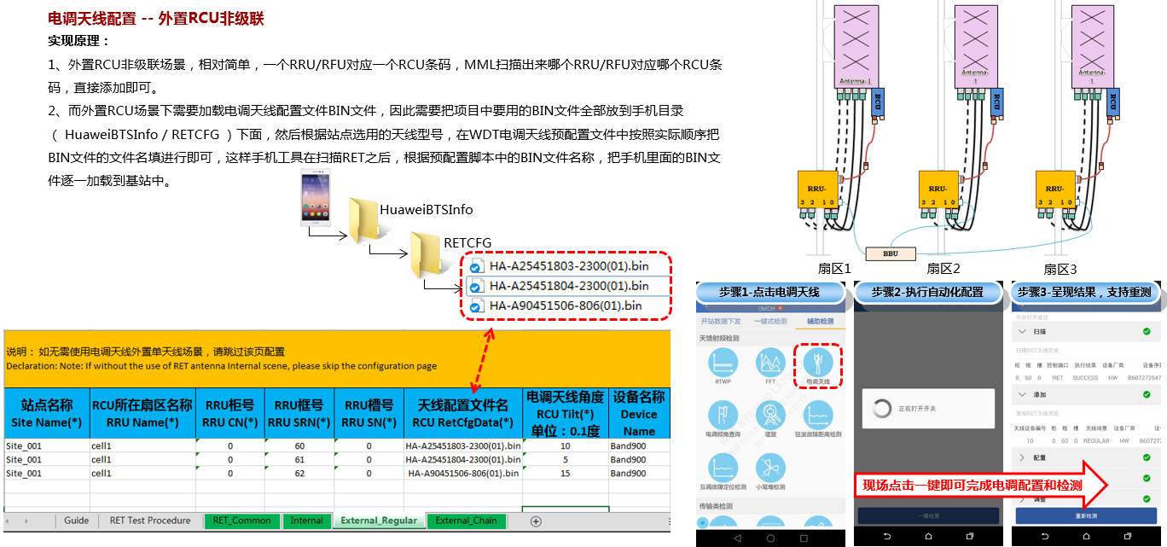
说明： 如无需使用电调天线外置单天线场景，请跳过该页配置 Declaration: Note: If without the use of RET antenna Internal scene, please skip the configuration page
站点名称 Site Name(*) | RCU所在扇区名称 RRU Name(*) | RRU柜号 RRU CN(*) | RRU框号 RRU SRN(*) | RRU槽号 RRU SN(*) | 天线配置文件名 RCU RetCfgData(*) | 电调天线角度 RCU Tilt(*) 单位：0.1度 | 设备名称 Device Name

External_Chain
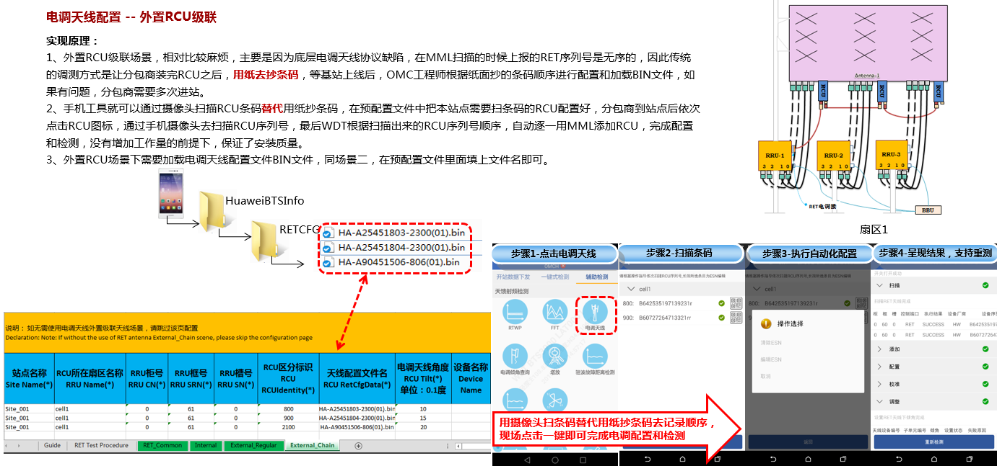
说明： 如无需使用电调天线外置级联天线场景，请跳过该页配置 Declaration: Note: If without the use of RET antenna External_Chain scene, please skip the configuration page
站点名称 Site Name(*) | RCU所在扇区名称 RRU Name(*) | RRU柜号 RRU CN(*) | RRU框号 RRU SRN(*) | RRU槽号 RRU SN(*) | RCU区分标识 RCU RCUIdentity(*) | 天线配置文件名 RCU RetCfgData(*) | 电调天线角度 RCU Tilt(*) 单位：0.1度 | 设备名称 Device Name

