Report
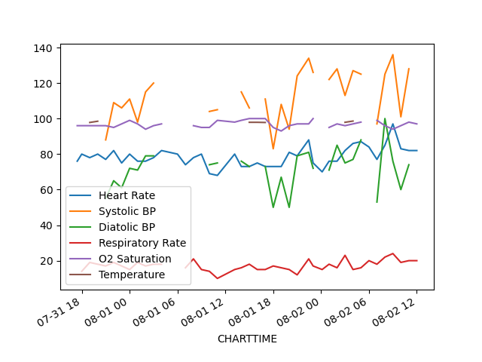
Code Status | Full Code | Comfort Measure
 | 2136-07-31 | 2136-07-31 | 2136-08-01 | 2136-08-01 | 2136-08-01 | 2136-08-01 | 2136-08-01 | 2136-08-01 | 2136-08-02 | 2136-08-02 | 2136-08-02 | 2136-08-02
GCS: Verbal | Oriented | Oriented | Oriented | Oriented | Oriented | Oriented | Oriented | Oriented | Oriented | Oriented | Oriented | Oriented

 | 2136-07-31 | 2136-07-31 | 2136-08-01 | 2136-08-01 | 2136-08-01 | 2136-08-01 | 2136-08-01 | 2136-08-01 | 2136-08-02 | 2136-08-02 | 2136-08-02 | 2136-08-02
GCS: Motor | Obeys Commands | Obeys Commands | Obeys Commands | Obeys Commands | Obeys Commands | Obeys Commands | Obeys Commands | Obeys Commands | Obeys Commands | Obeys Commands | Obeys Commands | Obeys Commands

