Report
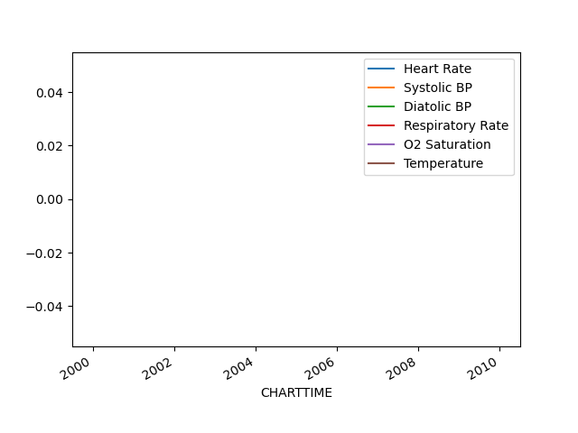
Code Status | Full Code
 | 2101-10-22 | 2101-10-23 | 2101-10-23 | 2101-10-24 | 2101-10-24 | 2101-10-22 | 2101-10-21 | 2101-10-24 | 2101-10-22 | 2101-10-25 | 2101-10-21 | 2101-10-26 | 2101-10-25 | 2101-10-23 | 2101-10-24 | 2101-10-21 | 2101-10-25 | 2101-10-24 | 2101-10-24 | 2101-10-25 | 2101-10-21 | 2101-10-22 | 2101-10-26 | 2101-10-23 | 2101-10-25 | 2101-10-22 | 2101-10-23 | 2101-10-24
GCS: Verbal

 | 2101-10-22 | 2101-10-23 | 2101-10-23 | 2101-10-24 | 2101-10-24 | 2101-10-22 | 2101-10-21 | 2101-10-24 | 2101-10-22 | 2101-10-25 | 2101-10-21 | 2101-10-26 | 2101-10-25 | 2101-10-23 | 2101-10-24 | 2101-10-21 | 2101-10-25 | 2101-10-24 | 2101-10-24 | 2101-10-25 | 2101-10-21 | 2101-10-22 | 2101-10-26 | 2101-10-23 | 2101-10-25 | 2101-10-22 | 2101-10-23 | 2101-10-24
GCS: Motor

