Sheet1
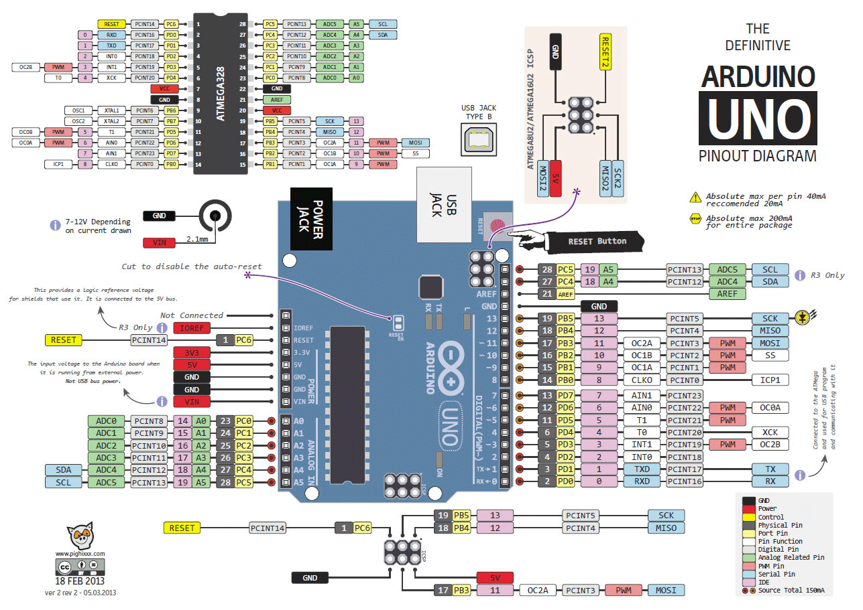
Board Pin # | Port | Pin Location | In/Out | Purpose | Description
0 | D | 0b00000001 | In | RX | UART Rx pin, connect to Pi Tx
1 | D | 0b00000010 | Out | TX | UART Tx pin, connect to Pi Rx
2 | D | 0b00000100
3 | D | 0b00001000
4 | D | 0b00010000 | In | LS_NEG_X | Limit switch for negative x
5 | D | 0b00100000 | In | LS_POS_X | Limit switch for positive x
6 | D | 0b01000000 | In | LS_NEG_Y | Limit switch for negative y
7 | D | 0b10000000 | In | LS_POS_Y | Limit switch for positive y
8 | B | 0b00000001 | Out | STEP_X | Pulse signal to x-axis stepper
9 | B | 0b00000010 | Out | DIR_X | Direction signal to x-axis stepper
10 | B | 0b00000100 | Out | STEP_Y | Pulse signal to y-axis stepper
11 | B | 0b00001000 | Out | DIR_Y | Direction signal to y-axis stepper
12 | B | 0b00010000 | Out | MAGNET | Turns on electromagnet
13 | B | 0b00100000
A0 | C | 0b00000001
A1 | C | 0b00000010
A2 | C | 0b00000100
A3 | C | 0b00001000
A4 | C | 0b00010000 |  | SDA | I2C, for gpio extender
A5 | C | 0b00100000 |  | SCL | I2C, for gpio extender

