MgCa
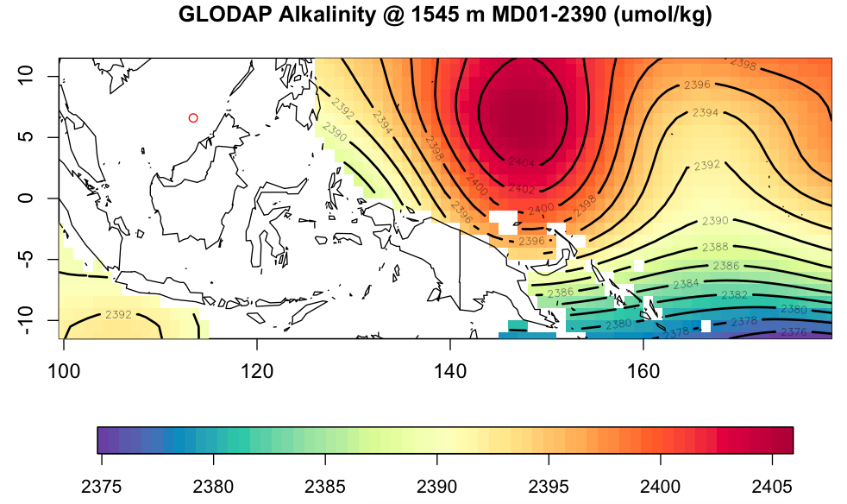
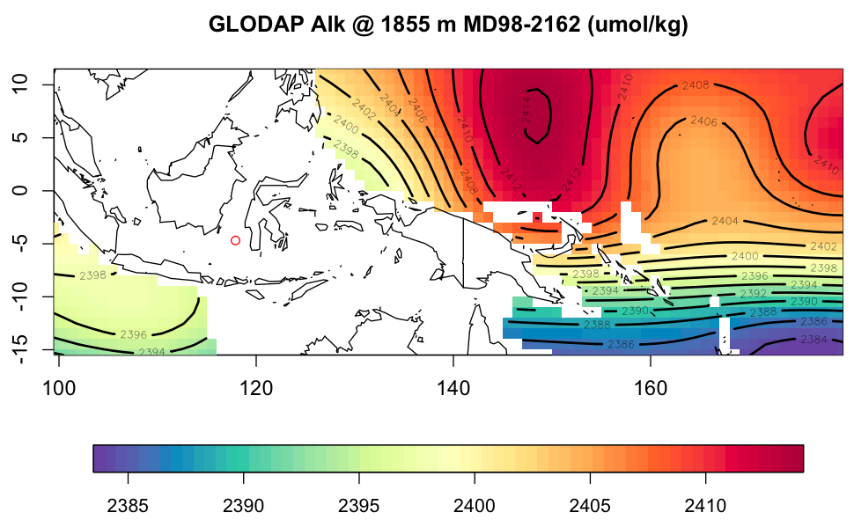
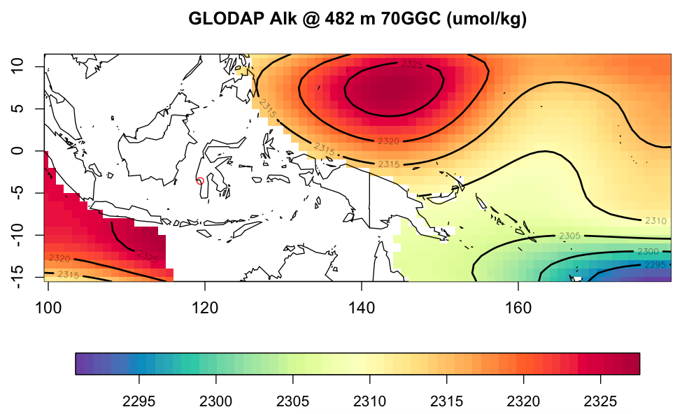
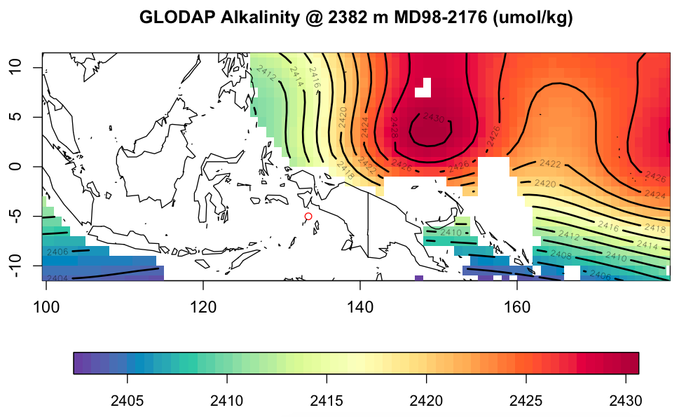
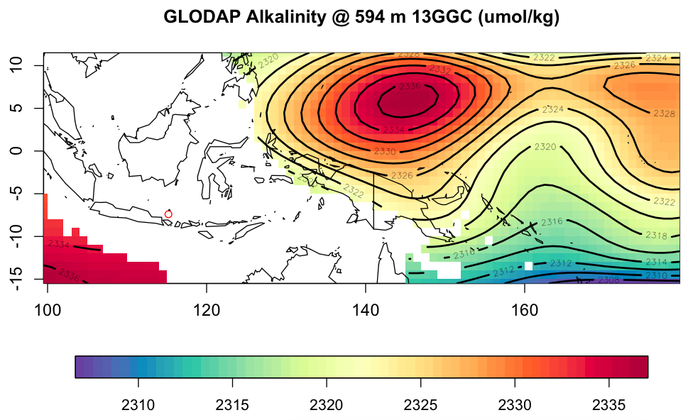
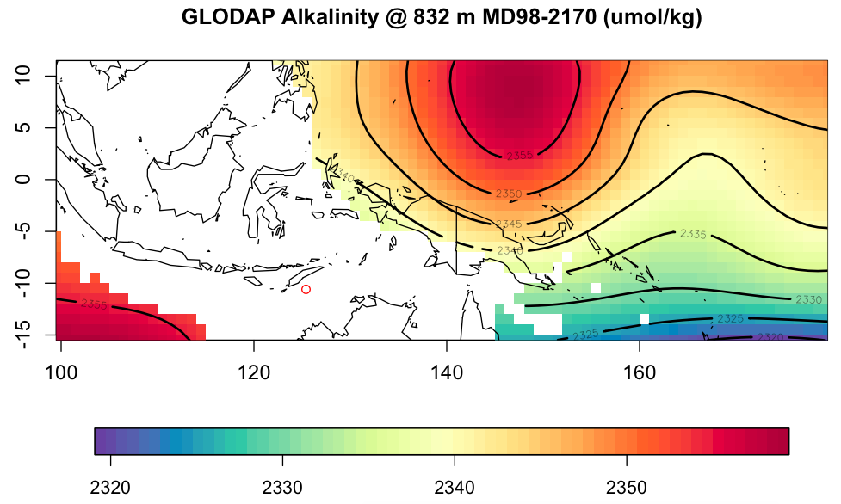
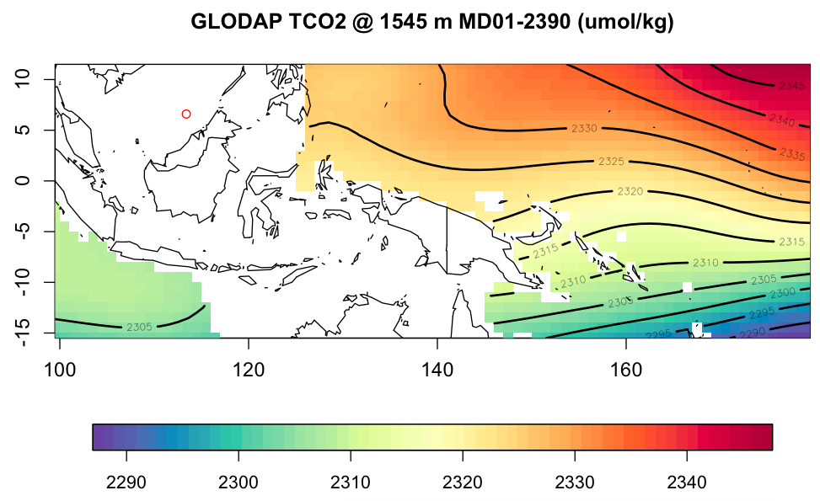
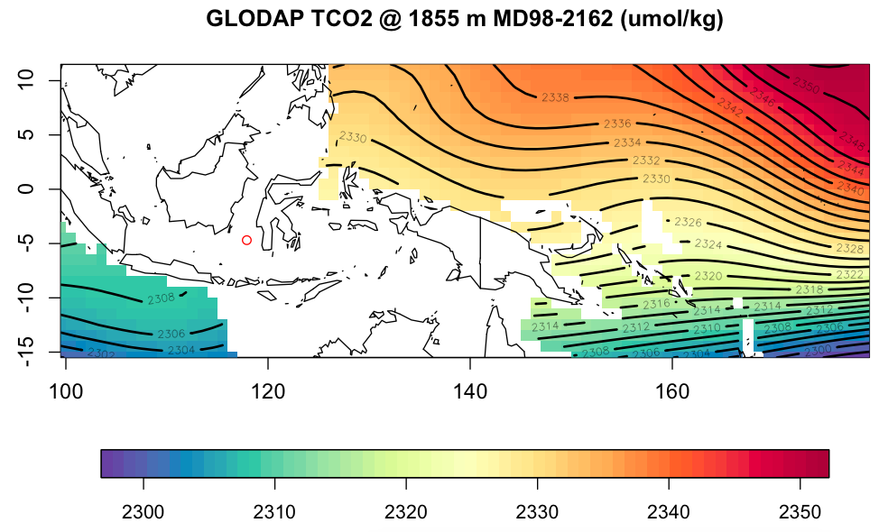
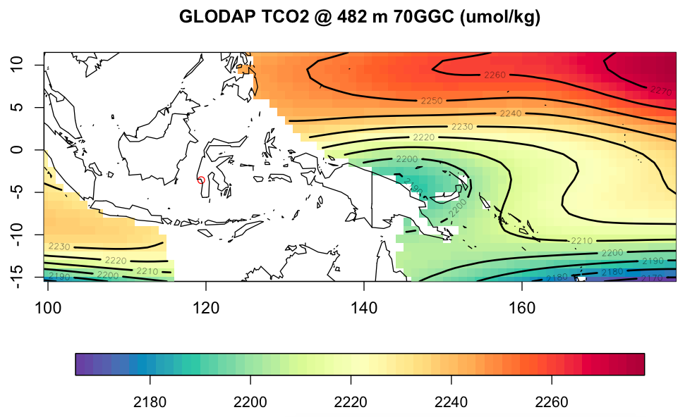
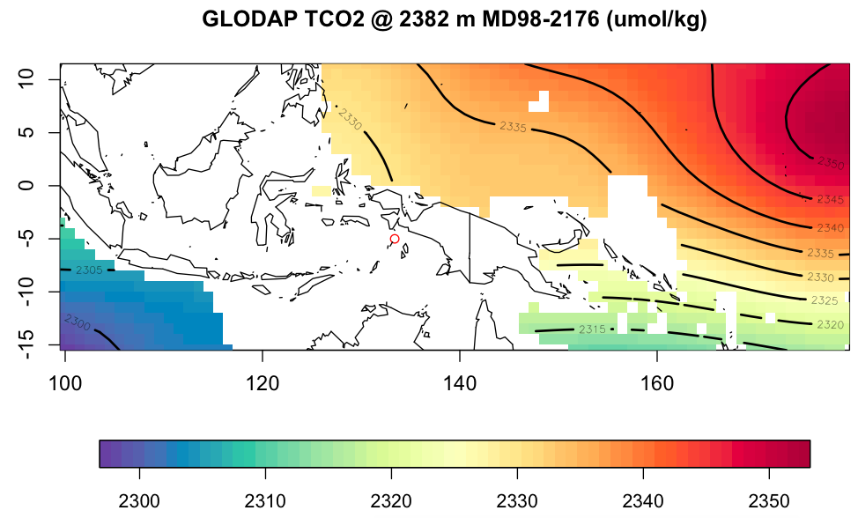
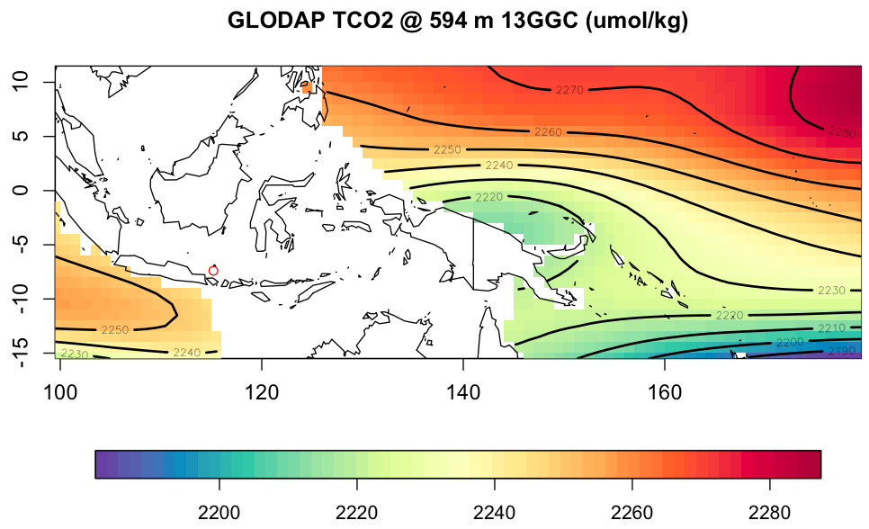
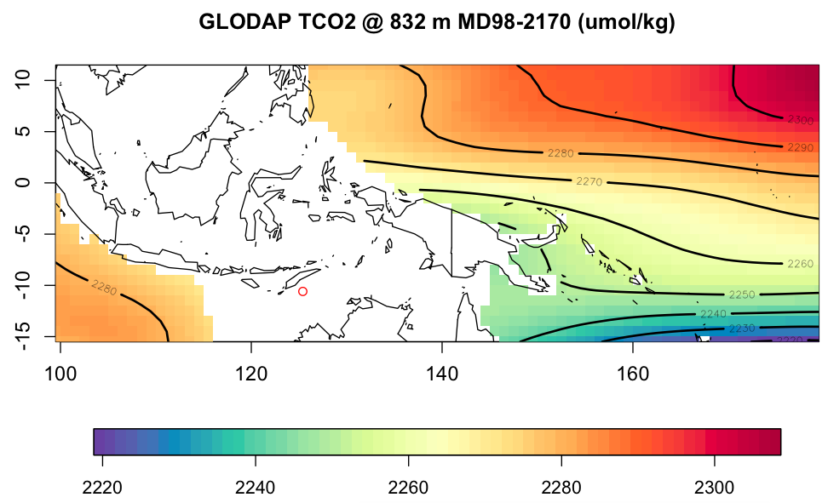
LOC | # | CORE NAME | LAT | LON | GRID LAT | GRID LON | CALIBRATION | ORIGINAL SOURCE | WATER DEPTH (m) | size | Cleaning | GLODAP ALK (umol/kg) | GLODAP TCO2 | DCO3 | C data source | DCO3 calc | K1, K2 | KSO4 | Ksp | notes | eqn
W. Pac | 1 | MD97-2141 | 8.8 | 121.3 | 8 | 122 | Rosenthal and Lohmann 2002 | Rosenthal et al. 2003 | 3633 | 212-300 | oxidative | 2416 | 2320 | n/g |  |  |  |  |  | open ocean calib too warm b/c preservation is good | using the average, core-top shell weight (212– 300 mm size fraction) of 6.74 mg, the Mg-temperature relationship for the Sulu Sea is, (Mg/Ca)ruber = 0.28Exp(0.095SST); core top = mean annual SST (29C)
W. Pac | 2 | MD01-2390 | 6.64 | 113.41 | 6 | 114 | Dekens et al. 2002 | Steinke et al. 2008 | 1545 | 250-350 | oxidative | 2380-2390? (pic) | ? (pic) | n/g |  |  |  |  |  | ss & sl | 0.38 exp[0.09 SST (1C)]
W. Pac | 3 | MD98-2181 | 6.3 | 125.83 | 6 | 126 | Nurnberg et al. 1996 | Stott et al. 2004 | 2114 | >350 | reductive | 2403 | 2332 | n/g |  |  |  |  |  | "all <2000 m" |  | 29C coretop = summer SST
W. Pac | 4 | MD06-3067 | 6.51 | 126.5 | 6 | 128 | Anand et al. 2003 | Bolliet et al. 2011 | 1575 | 250-315 ss | reductive | 2390.117 | 2325.421 |  |  |  |  |  |  |  | Mg=Ca ¼ 0:38ð Þ 0:02 exp 0:090ð Þ
W. Pac | 5 | MD97-2138 | 1.25 | 146.14 | 2 | 146 | de Garidel-Thoron et al. 2005 | de Garidel-Thoron et al. 2007 | 1960 | 250-300 ss | oxidative | 2419.483 | 2334.219 |  |  |  |  |  |  |  | Mg/Ca = 0.30 exp (0.095 * SST) | constants adjusted to match SST 29C
W. Pac | 6 | ODP-806b | 0.32 | 159.35 | 0 | 160 | Lea and Martin 1996 | Lea et al. 2000 | 2520 | 250-350 | reductive | 2422.92 | 2336.751 | n/g (possible dissolution impact discussed) |  |  |  |  |  |  | Mg/Ca (mmol/ mol) = 0.30exp[0.089 SST (°C)]
W. Pac | 7 | GeoB 10029-4 | -1.5 | 100.1 | -2 | 100 | Anand et al. 2003 | Mohtadi et al. 2010 | 964 | 250-355 | oxidative | 2368 | 2290 |  |  |  |  |  |  | ss & sl | Mg/Ca = 0:39 expð0:09*TÞ | most appropriate equation (Mohtadi et al 2009)
W. Pac | 8 | MD98-2162 | -4.69 | 117.9 | -4 | 118 | Hastings et al. 2001 | Visser et al. 2003 | 1855 | 250-355 | oxidative | 2398? (pic) | ? (pic) | n/g |  |  |  |  |  |  |  | Holocene consistent w/ present day T's
W. Pac | 9 | 70GGC | -3.56 | 119.4 | -4 | 120 | Anand et al. 2003 | Linsley et al. 2010 | 482 | 212-300 ss | reductive | ? (pic) | ? (pic) |  |  |  |  |  |  |  | 0.38exp(0.09SST)
W. Pac | 10 | MD98-2176 | -5 | 133.45 | -4 | 132 | Nurnberg et al. 1996 | Stott et al. 2004 | 2382 | >350 | reductive | ? (pic) | ? (pic) | n/g |  |  |  |  |  | "all <2000 m"
W. Pac | 11 | GeoB 10038-4 | -5.9 | 103.3 | -6 | 102 | Anand et al. 2003 | Mohtadi et al. 2010 | 1819 | 250-355 | oxidative | 2398.793 | 2309.4 |  |  |  |  |  |  | ss & sl | Mg/Ca = 0:39 expð0:09*TÞ | most appropriate equation (Mohtadi et al 2009)
W. Pac | 12 | 13GGC | -7.4 | 115.2 | -8 | 116 | Anand et al. 2003 | Linsley et al. 2010 | 594 | 212-300 ss | reductive | 2330-2336? (pic) | 2345? (pic) |  |  |  |  |  |  |  | 0.38exp(0.09SST)
W. Pac | 13 | MD98-2165 | -9.65 | 118.34 | -10 | 118 | Dekens et al. 2002 | Levi et al. 2007 | 2100 | 250-315? | oxidative; some 'slightly less aggressive' corrected by -0.3 mmol/mol | 2400 | 2308 |  |  |  |  |  |  |  | Mg/Ca(mmol/mol) = 0.38 * exp (0.09*SST(C) | core top 28C = annual mean SST | aragonite present throughout core
W. Pac | 14 | MD98-2170 | -10.59 | 125.39 | -10 | 126 | Nurnberg et al. 1996 | Stott et al. 2004 | 832 | >350 | reductive | ? (pic) | ? (pic) | n/g |  |  |  |  |  | "all <2000 m"
E. Pac | 22 | ODP-1242 | 7.86 | -83.61 | 8 | 278 | Anand et al. 2003 | Benway et al. 2006 | 1364 | 250-355 | flow-thru | 2391.651 | 2350.246 |  |  |  |  |  |  |  | SST = ln (Mg/Ca/0.38)/0.09 | shallow water depth & flow-thru relatively insensitive to dissolution effect (?)
E. Pac | 23 | TR163-22 | 0.52 | -92.4 | 0 | 268 | Dekens et al. 2002 | Lea et al. 2006 | 2830 | 250-350 | reductive; Fe ash correction | 2429.765 | 2354.552 | n/g (dissolution assessed) |  |  |  |  |  | core top Mg 32% lower than predicted by Dekens 0.39e0.09, confirmed by Anand | SST ð  CÞ ¼ lnðMg=Caðmmol=molÞ=0:38Þ=0:09 þ 0:61 water depth ðkmÞ þ 1:6. | core top 24C matched mean annual SST
E. Pac | 24 | ODP-1240 | 0.02 | -86.45 | 0 | 274 | Dekens et al. 2002 | Pena et al. 2008 | 2921 | 315-355 & some 350-315 | reductive | 2431.957 | 2356.944 | n/g |  |  |  |  |  |  | [Mg/Ca] = 0.38 exp 0.09(SST - 0.61*(core depth km) - 1.6ºC) | core top 25C = non-upwelling season SST
E. Pac | 25 | V21-30 | -1.22 | -89.68 | -2 | 270 | Dekens et al. 2002 | Koutavas et al. 2006 | 617 | 250-355 | reductive | 2318.634* | 2288.377* |  |  |  |  |  |  |  | T(C)  ln(Mg/Ca[mmol/mol]/0.38)/0.09
E. Pac | 26 | V19-28 | -2.51 | -84.65 | -2 | 276 | Dekens et al. 2002 | Koutavas et al. 2006 | 2720 | 250-355 | reductive | 2429.091 | 2353.431 |  |  |  |  |  |  |  | T(C)  ln(Mg/Ca[mmol/mol]/0.38)/0.09

 |  |  |  |  |  |  |  |  |  |  |  |  |  |  |  |  |  |  |  |  | this equation is Atlantic at 0 km (Dekens) or all 10 planktic spp (Anand)
 |  |  |  |  |  |  |  | Dekens et al. 2002 |  |  | reductive |  |  | varied | WOCE | Lewis & Wallace | Roy93 | Dickson90 | Mucci83
 |  |  |  |  |  |  |  | Anand et al. 2003 |  |  | oxidative

