Western_NEW
CAM | SE
NVP | NACS | Property | CAM | SE | Assumptions | CAM | SE |  | CAM | 40% |  | Volume Change | 4%-8.3%
 |  | Young's Modulus (E) [GPa] | 1 | 1 | ξ [-] | 1 | 50 |  | SE | 40%
 |  | Poisson's ratio (𝜈) [-] | 1 | 1 | ε𝑝 [-] | 0 | 0.004 |  | CNT | 20%
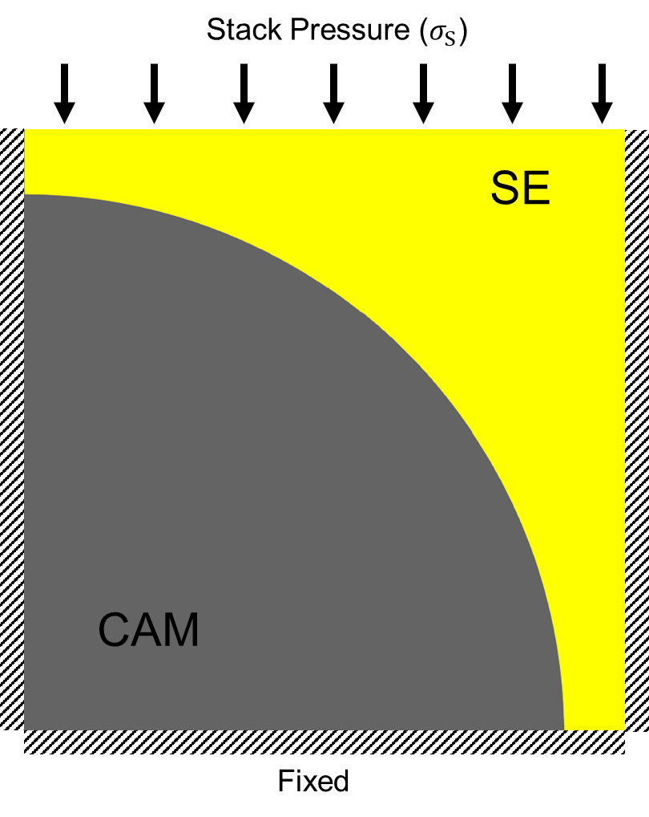
 |  | Hardness (Hv) [GPa] | 1 | 1 | Et [GPa] | 0 | 1

 |  | CAM Volume Change [%] | 4 |  |  |  |  | 90 oC
 |  | CAM to SE (WR) | 1:1 |  | Calculation | CAM | SE |  | Hardness (MPa) | Young's Modulus (MPa) | Poisson's ratio
 |  | Stack Pressure [MPa] | 10 |  | σ𝑢 [MPa] | 1000 | 20 | Test 1 | 2.997 | 110.9 | 0.3
Equations
$E_{t}=\frac{σ_{u}−σ_{y}}{ε_{p}}$, (1)
$σ_{u}≅\frac{H_{v}}{ξ}$, (2). Where $ξ$ is a coefficent between 50-100 for ceramics [1,2].
References:
[1] https://doi.org/10.1016/S1365-1609(02)00032-1
[2] https://doi.org/10.1016/j.msea.2011.08.061
 |  |  |  |  | σy [MPa] | 1000 | 16 | Test 2 | 4.43 | 127.3 | 0.3
 |  |  |  |  |  |  |  | Test 3 | 5.215 | 141.2 | 0.3

 |  |  |  |  |  |  |  | 25 oC
 |  |  |  |  |  |  |  |  | Hardness (MPa) | Young's Modulus (MPa) | Poisson's ratio
 |  |  |  |  |  |  |  | Test 1 | 30.49 | 342.1 | 0.3
 |  |  |  |  |  |  |  | Test 2 | 23.13 | 281.6 | 0.3
 |  |  |  |  |  |  |  | Test 3 | 22.3 | 285 | 0.3

 |  |  |  |  |  |  |  |  | Hardness (GPa) | Young's Modulus (GPa) | Poisson's ratio
 |  |  |  |  |  |  |  | NVP CAM | 4.5 | 90 | 0.26

Model Inputs:
- CAM Volume change (VC) [%]
- Weight Ratio of CAM to SE (WR)
- Stack Pressure (SP) [MPa]
CAM and SE Properties Needed:
- Young's Modulus ($E$) [GPa]
- Plastic Hardening Tangent ($E_{t}$) [GPa]
- Plastic Strain ($ε_{p}$) [-]
- Yield Strength ($σ_{y}$) [MPa]
- Ultimate strength ($σ_{u}$) [MPa]
- Poissons Ratio ($ν$) [-]
NOTE: Please fill in cells with text color red.

 |  |  |  |  |  |  |  | https://link.springer.com/article/10.1007/s11581-022-04820-z

RIT_Original
CAM | SE
NMC811 | LPSCl | Property | CAM | SE | Assumptions | CAM | SE
 |  | Young's Modulus (E) [GPa] | 177.5 | 18.5 | ξ [-] | 1 | 50
Note:
Assumptions for SE are extracted from experimental compression testing. For CAM assume no yielding.
See original publication for more details [3]
References:
[3]https://pubs.acs.org/doi/full/10.1021/acsaem.3c01681
 |  | Poisson's ratio (𝜈) [-] | 0.33 | 0.23 | ε𝑝 [-] | 0 | 0.004
 |  | Hardness (Hv) [GPa] | 12.6 | 1.2 | Et [GPa] | 0 | 1

 |  | CAM Volume Change [%] | 8.1
 |  | CAM to SE (WR) | 70:30 |  | Calculation | CAM | SE
 |  | Stack Pressure [MPa] | 7 |  | σ𝑢 [MPa] | 12600 | 24
Equations
$E_{t}=\frac{σ_{u}−σ_{y}}{ε_{p}}$, (1)
$σ_{u}≅\frac{H_{v}}{ξ}$, (2). Where $ξ$ is a coefficent between 50-100 for ceramics [1,2].
References:
[1] https://doi.org/10.1016/S1365-1609(02)00032-1
[2] https://doi.org/10.1016/j.msea.2011.08.061
 |  |  |  |  | σy [MPa] | 12600 | 20

Model Inputs:
- CAM Volume change (VC) [%]
- Weight Ratio of CAM to SE (WR)
- Stack Pressure (SP) [MPa]
CAM and SE Properties Needed:
- Young's Modulus ($E$) [GPa]
- Plastic Hardening Tangent ($E_{t}$) [GPa]
- Plastic Strain ($ε_{p}$) [-]
- Yield Strength ($σ_{y}$) [MPa]
- Ultimate strength ($σ_{u}$) [MPa]
- Poissons Ratio ($ν$) [-]

