debug-ddu
 |  | SoC1: 0.5
 |  | SoC2: 0.5
Wet Season |  | Debug #1: Checking Scale |  |  |  |  | Unit 02 Simulation
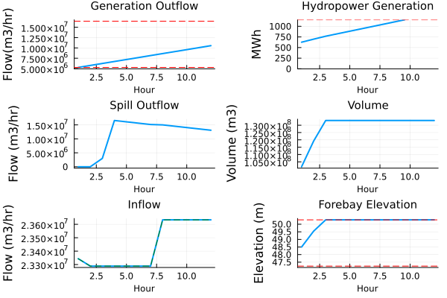
Date Time | T | U2 [m3/hr] | S2 [m3/hr] | Total Release [m3/hr] | Historical Release | Difference
"2023-06-01T00:00:00" | 1 | 5.27E+06 | 0.00E+00 | 5.27E+06 | 2.66E+07 | 2.14E+07
 | 2 | 5.75E+06 | 1.08E+07 | 1.65E+07 | 2.66E+07 | 1.01E+07
"2023-06-01T00:02:00" | 3 | 6.23E+06 | 1.71E+07 | 2.33E+07 | 2.67E+07 | 3.42E+06
 | 4 | 6.71E+06 | 1.66E+07 | 2.33E+07 | 2.67E+07 | 3.42E+06
 | 5 | 7.19E+06 | 1.61E+07 | 2.33E+07 | 2.67E+07 | 3.42E+06
 | 6 | 7.67E+06 | 1.56E+07 | 2.33E+07 | 2.67E+07 | 3.42E+06
 | 7 | 8.15E+06 | 1.51E+07 | 2.33E+07 | 2.67E+07 | 3.42E+06
 | 8 | 8.62E+06 | 1.50E+07 | 2.36E+07 | 2.67E+07 | 3.08E+06
 | 9 | 9.10E+06 | 1.45E+07 | 2.36E+07 | 2.67E+07 | 3.08E+06
"2023-06-01T00:08:00" | 10 | 9.58E+06 | 1.41E+07 | 2.36E+07 | 2.29E+07 | 7.15E+05
 | 11 | 1.01E+07 | 1.36E+07 | 2.36E+07 | 2.29E+07 | 7.15E+05
 | 12 | 1.05E+07 | 1.31E+07 | 2.36E+07 | 2.29E+07 | 7.15E+05

Wet Season |  | Debug #2: Checking Estimated Std Formula on DIU Simulations
 |  |  |  | Wet Season Outflow Mean: | 2.37E+07 | Wet Season Inflow Mean: | 2.58E+07
 |  |  |  | Wet Season Outflow Std: | 9.12E+06 | Wet Season Inflow Std: | 9.21E+06
TRAINING | T | Historical Release [m3/hr] | Q_Pred [m3/hr] | Q_Historical [m3/hr] | Norm Release | Norm Q Pred | Norm Q Historical | Error | Norm Error | Norm Estimated Std | Estimated Std
"2023-06-01T00:00:00" | 1 | 2.66E+07
 | 2
"2023-06-01T00:02:00" | 3 | 2.67E+07
 | 4
 | 5
 | 6
 | 7
 | 8
 | 9
"2023-06-01T00:08:00" | 10 | 2.29E+07
 | 11
 | 12

 |  | Total Release [m3/hr] | Q_Pred [m3/hr] | Q_Historical [m3/hr] | Error
DIU | T | 5270322.816
"2023-06-01T00:00:00" | 1 | 16525422.308
 | 2 | 23288404.596
"2023-06-01T00:02:00" | 3 | 23288404.596
 | 4 | 23288404.596
 | 5 | 23288404.596
 | 6 | 23288404.596
 | 7 | 23633371.181
 | 8 | 23633371.181
 | 9 | 23633371.181
"2023-06-01T00:08:00" | 10 | 23633371.181
 | 11 | 23633371.181
 | 12

