all
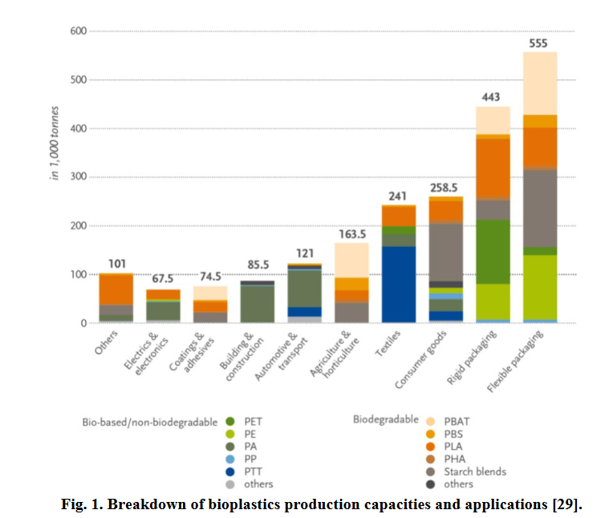
bio-based plastics | traditional plastics | density ratio | susbtitution factor | reference | year | note | Column1 | application | subsector | sector | data type
PEF | PET |  | 0.8 | JRC technical report: Life Cycle Assessment (LCA) of alternative feedstocks for plastics production | 2022 | 20% potential material saving due to improved mechanical and barrier properties |  | packaging_soft_drink_containers | beverage bottles | rigid packaging | literature
70%PLA+30%PBAT | PP | #N/A | 1.5592592593 | JRC draft report |  |  | material indices, based on tensile strength and density |  | food packaging | flexible packaging | literature
70%PLA+30%PBAT | LDPE | #N/A | 0.79734848485 | JRC draft report |  |  | material indices, based on tensile strength and density |  | food packaging | flexible packaging | literature
PBS | PET | 0.91240875912 | 0.56451124174 | JRC draft report |  |  | based on density and oxygen transmission rate |  | trays for food | rigid packaging | literature
PBS | PP | 1.3774104683 | 0.8656258712 | JRC draft report |  |  | based on density and oxygen transmission rate |  | trays for food | rigid packaging | literature
PBS | PP | 1.3774104683 | 1.375 | JRC draft report |  |  | based on density |  | interior panels | automotive and transport | density proxy

 |  |  |  |  |  |  |  |  |  |  | textile mechanical test

