Navigation
SmartPLS report
Please cite the use of SmartPLS: Ringle, C. M., Wende, S., and Becker, J.-M. 2024. "SmartPLS 4." Bönningstedt: SmartPLS, https://www.smartpls.com.
 | complete

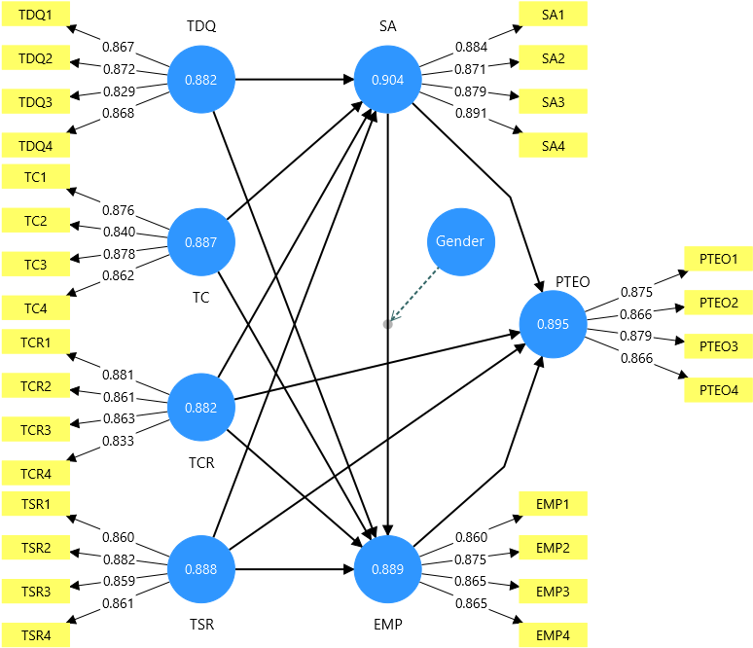
Final results
Path coefficients | show
Indirect effects | show
Total effects | show
Outer loadings | show
Outer weights | show
Latent variables | show
Residuals | show
Simple slope analysis | show
Conditional direct effects | show
Conditional indirect effects | show

Quality criteria
R-square | show
f-square | show
Construct reliability and validity | show
Discriminant validity | show
Collinearity statistics (VIF) | show
Model fit | show
Model selection criteria | show

Algorithm
Setting | show
Stop criterion changes | show
Posthoc minimum sample size | show
Execution log | show

Model and data
Binary variable encoding | show
Inner model | show
Outer model | show
Indicator data (original) | show
Indicator data (standardized) | show
Indicator data (correlations) | show

complete Charts
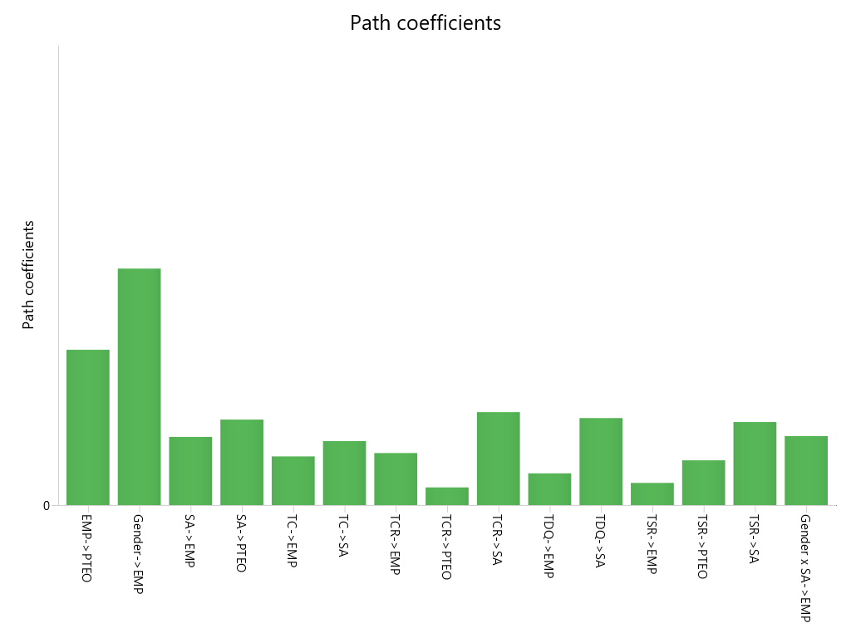
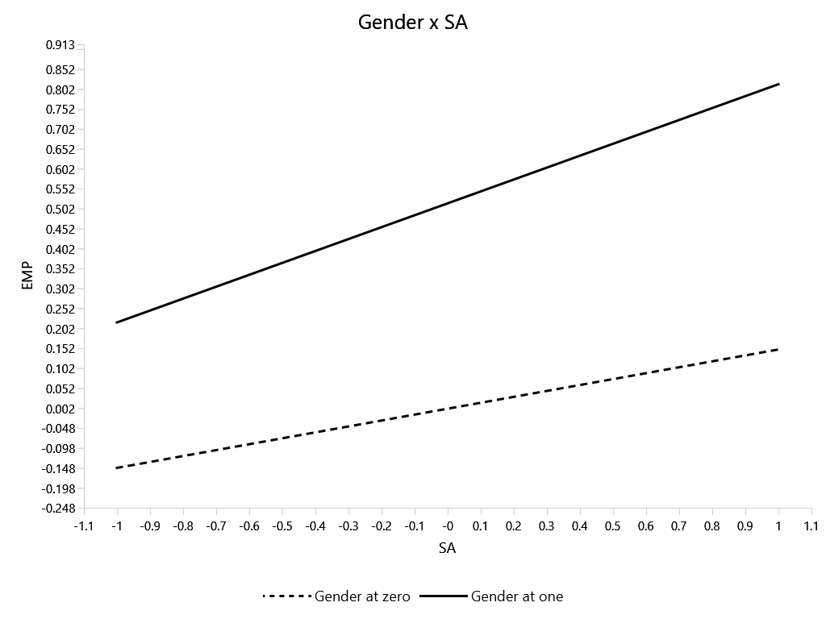
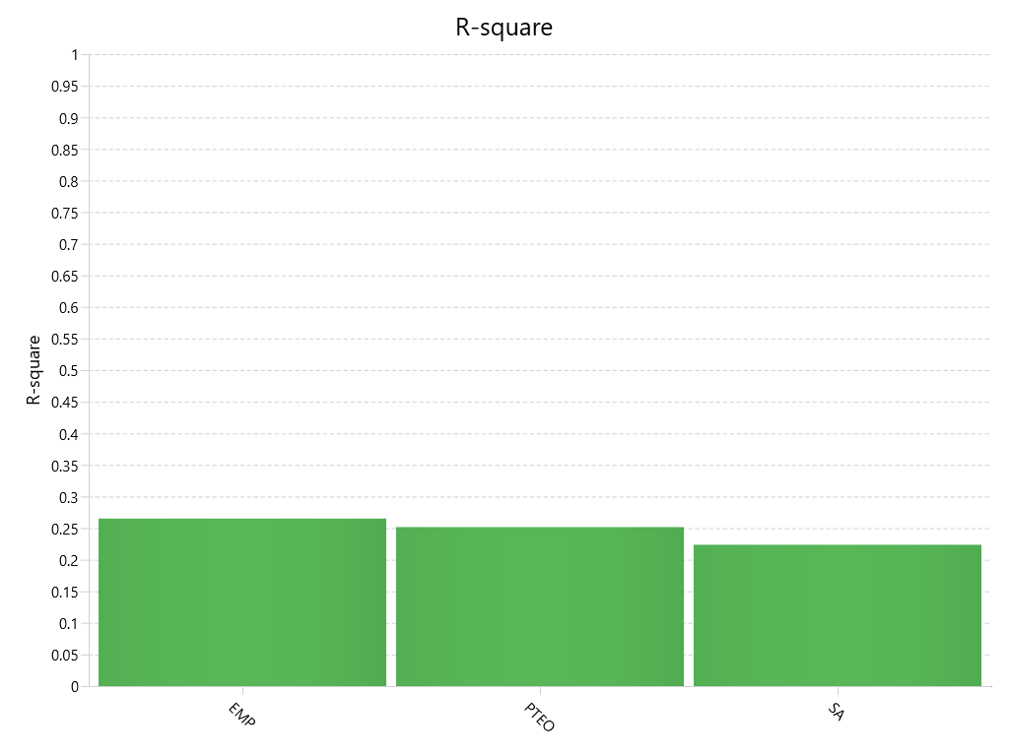
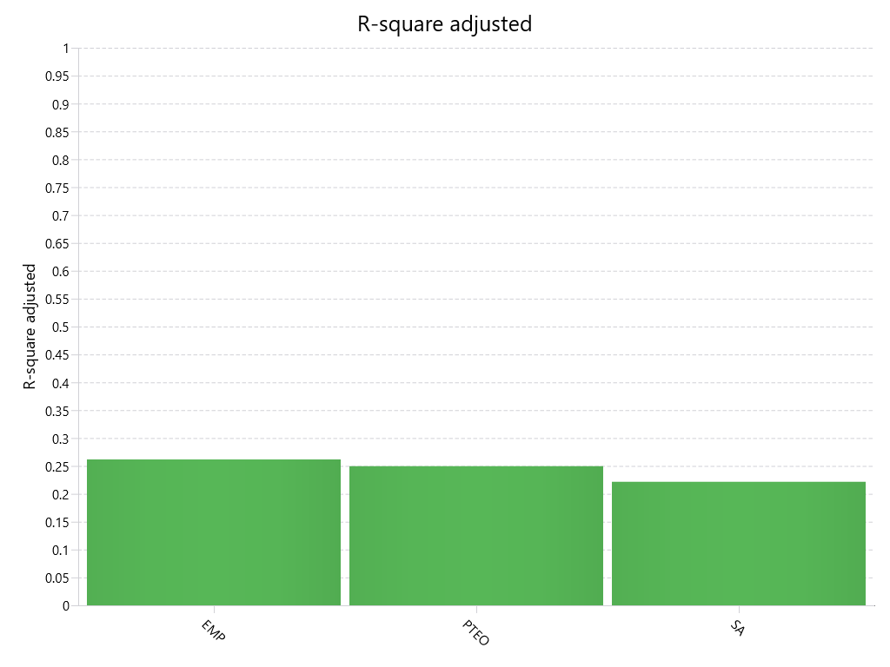
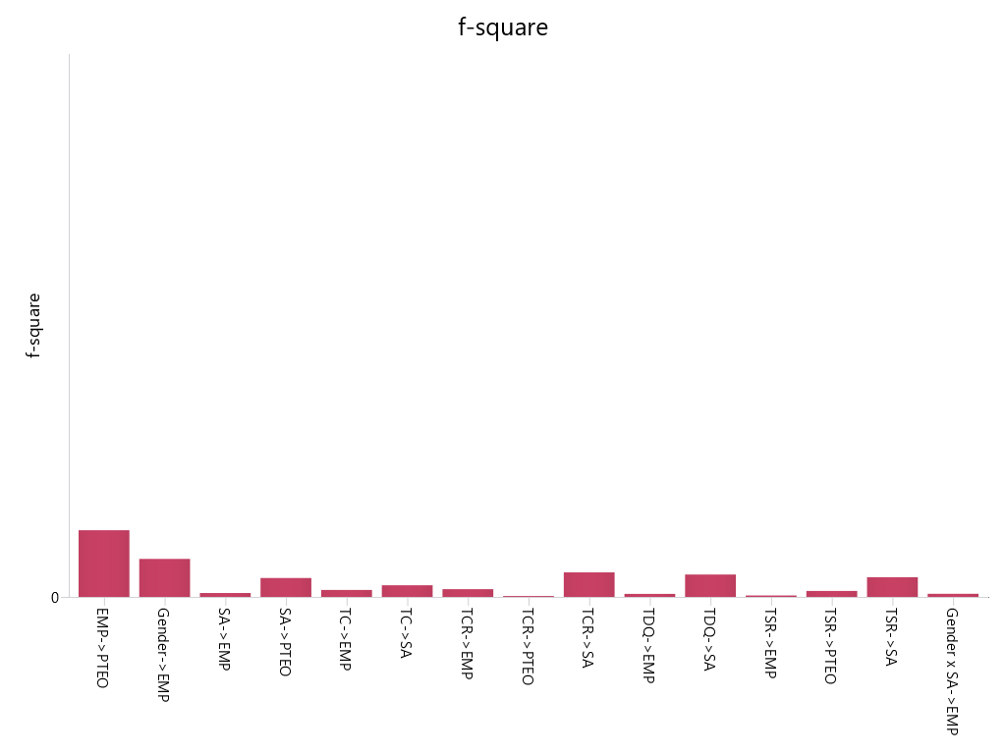
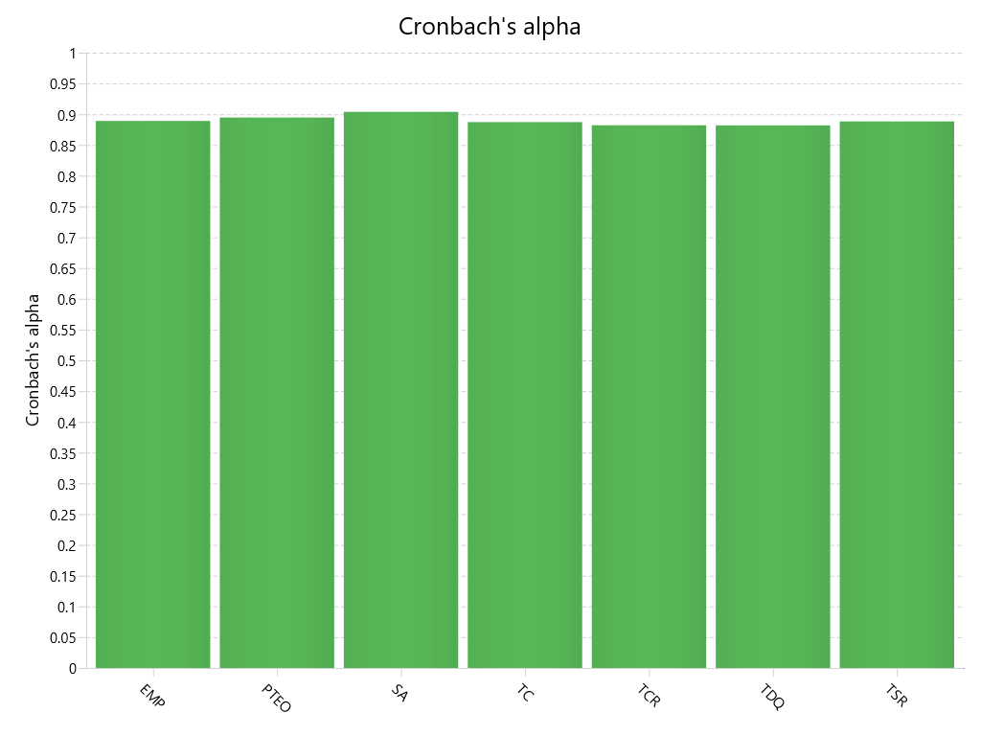
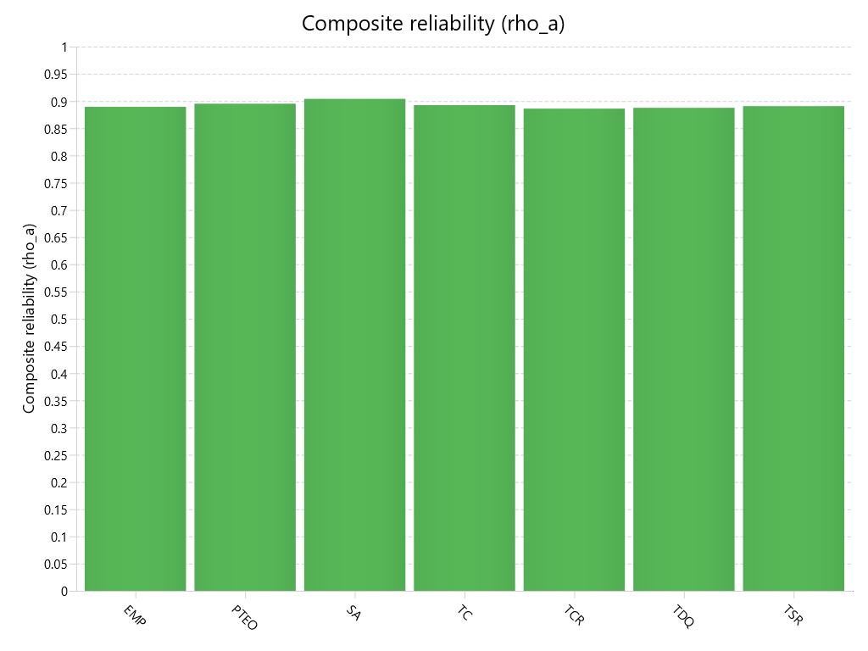
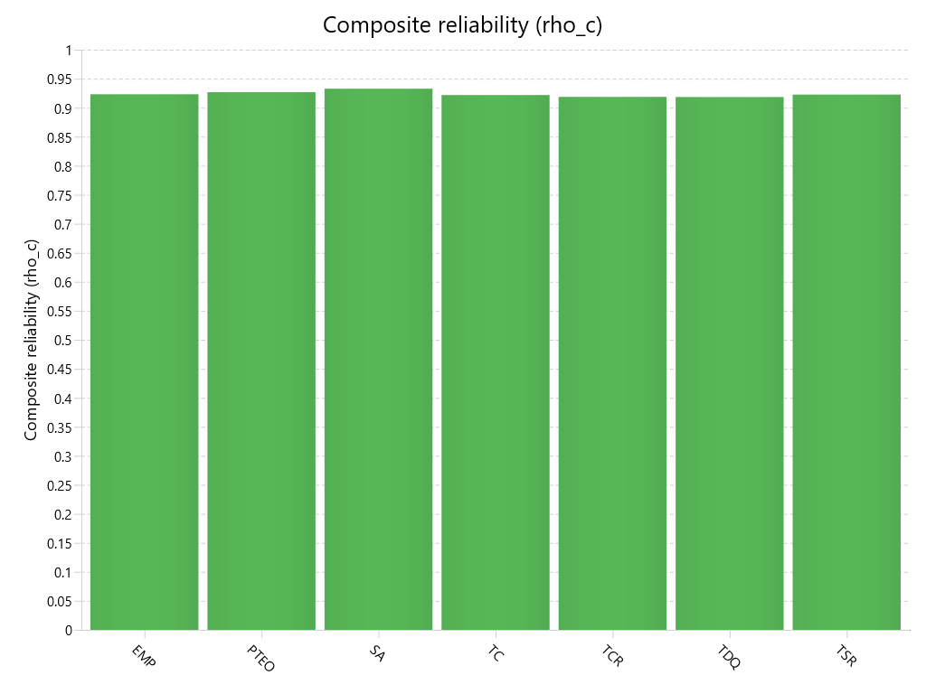
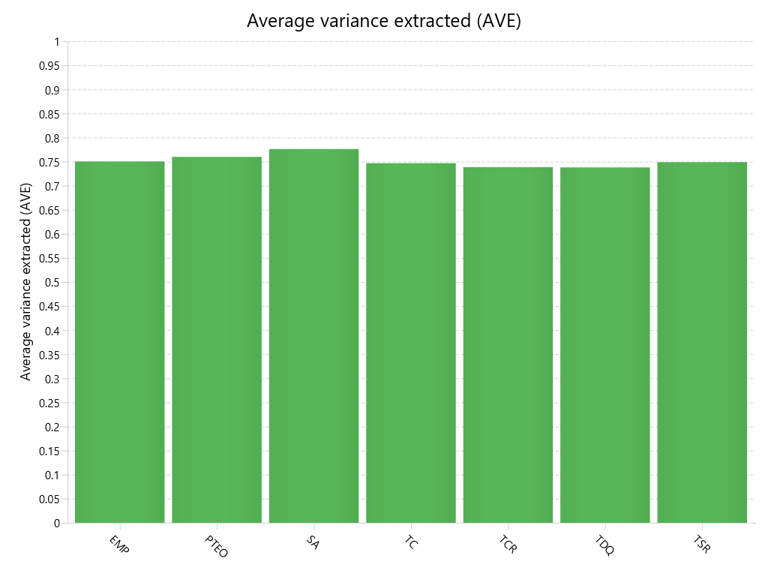
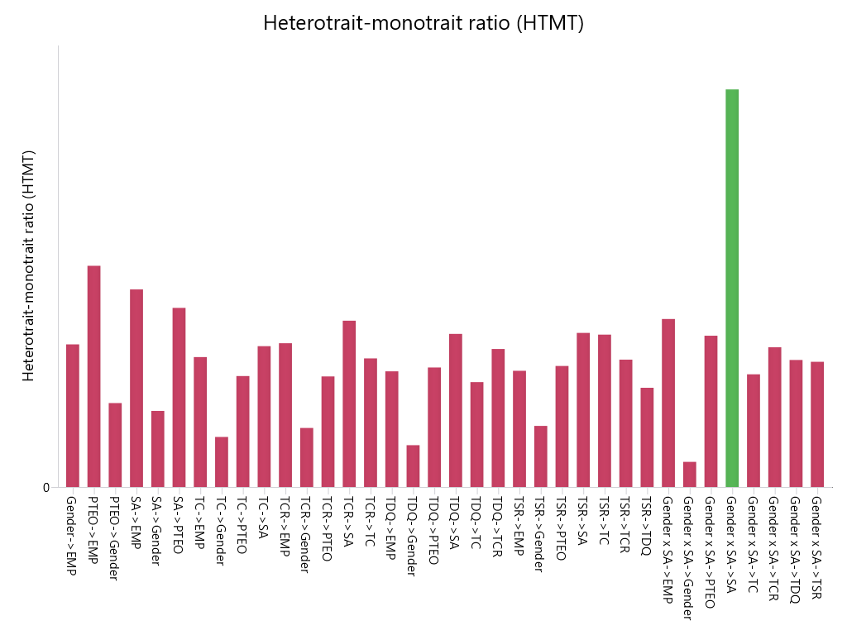
SmartPLS report
Please cite the use of SmartPLS: Ringle, C. M., Wende, S., and Becker, J.-M. 2024. "SmartPLS 4." Bönningstedt: SmartPLS, https://www.smartpls.com.

