Sheet3
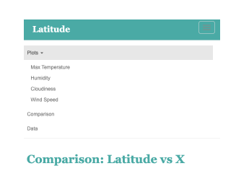

Unordered Lists?
<ul>
<li>Max Temperature</li>
<li>Max Temperature</li>
<li>Max Temperature</li>
<li>Max Temperature</li>

Pg 1
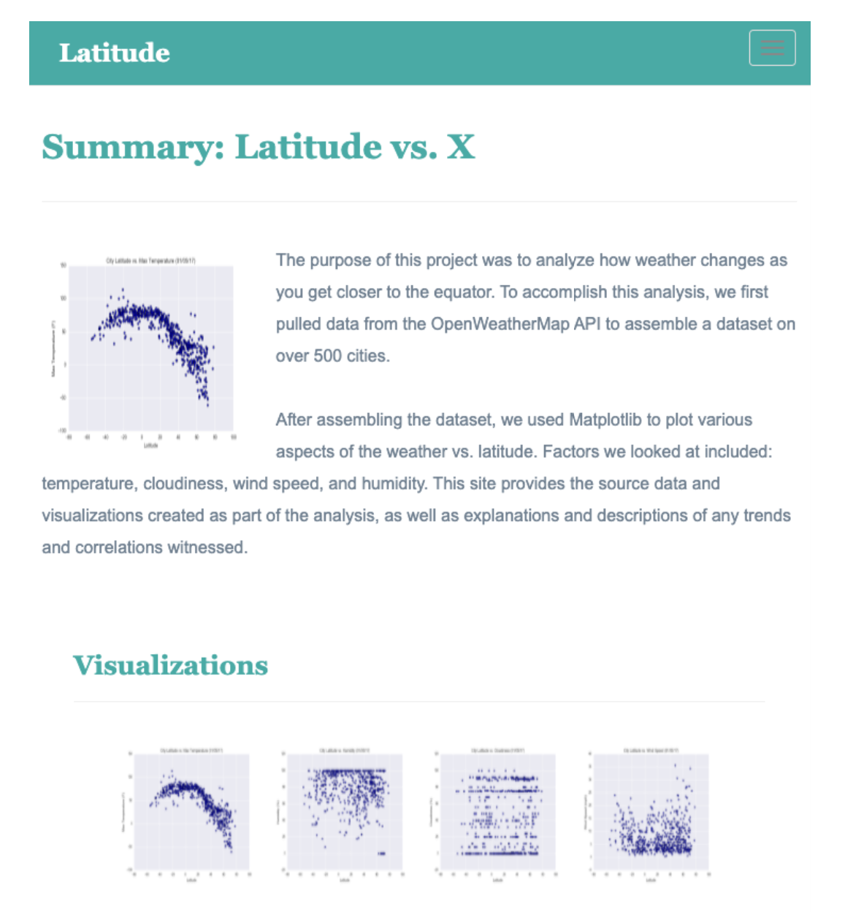

 | Landing pg
 | explanation of the project
 | links to each visualizations page

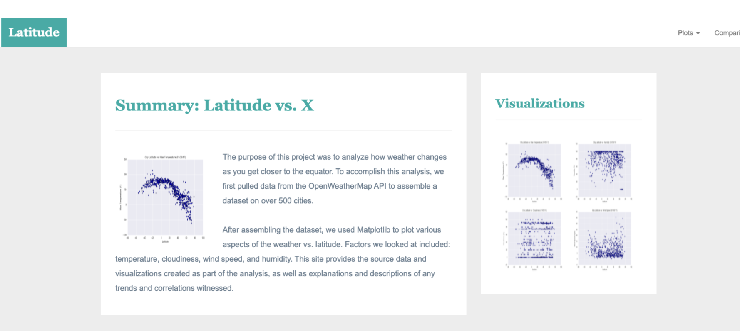

The purpose of this project was to analyze how weather changes as you get closer to the equator. To accomplish this analysis, we first pulled data from OpenWeatherMap API to assemble a dataset on over 500 cities.

After assembling the dataset, we used Matplotlib to plot various aspects of weather vs. latitude. Factors we looked at included: temperature, cloudiness, wind speed, and humidity. This site provides the source data and visualizations created as part of the analysis, as well as explanations and descriptions of any trends and correlations witnessed.

Sheet1
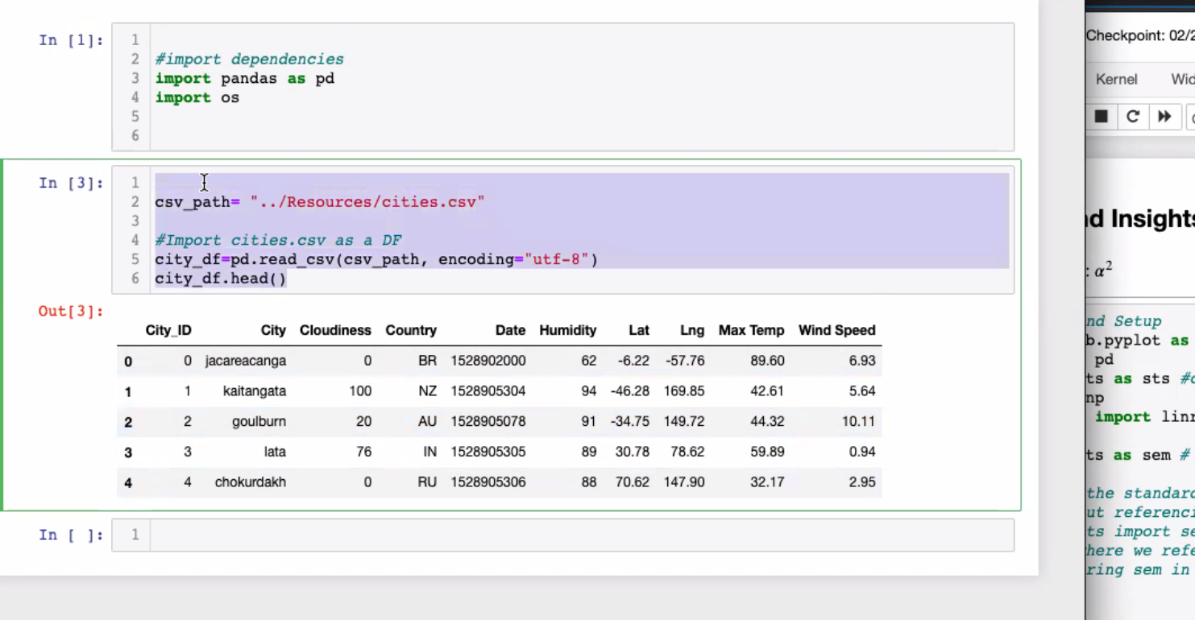

Pg 2 - 5
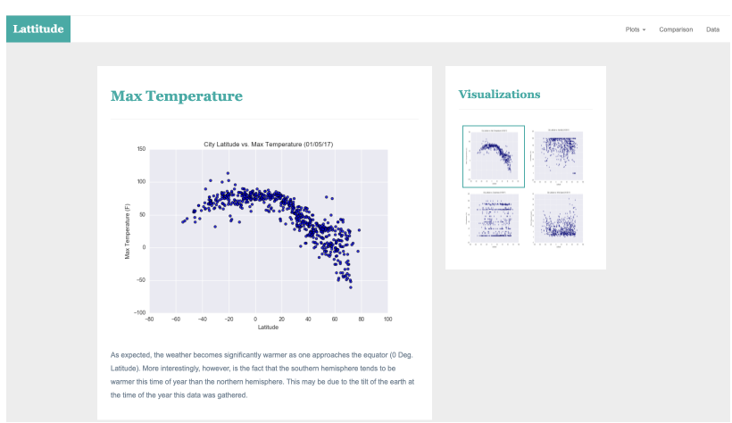
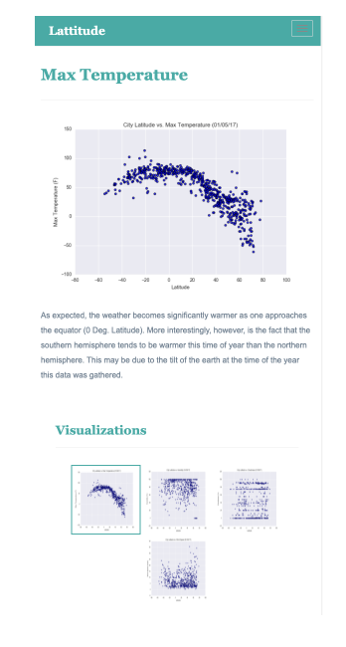

Max_Temp
 | As expected, the weather becomes significantly warmer as one approaches the equator (0 Deg. Latitude). More interestingly, however is the fact that the southern hemisphere tends to be warmer this time of the year than the northern hemisphere. This may be due tot he tilt of the earth at the time of the year the data was gathered.

Humidity
 | The plots within the graph reflect very little difference between the cities in the northern and southern hemisphere.

Cloudiness

Pg 6
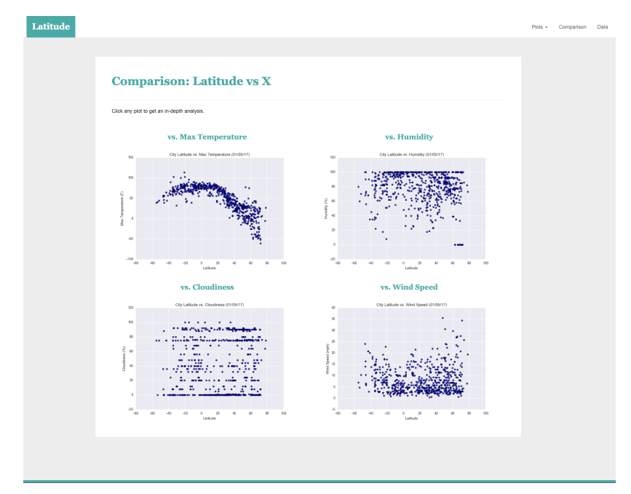
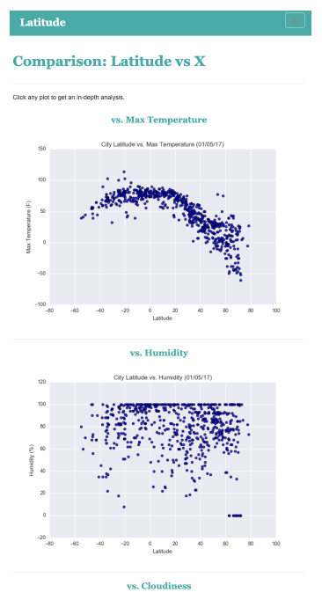

Pg 7
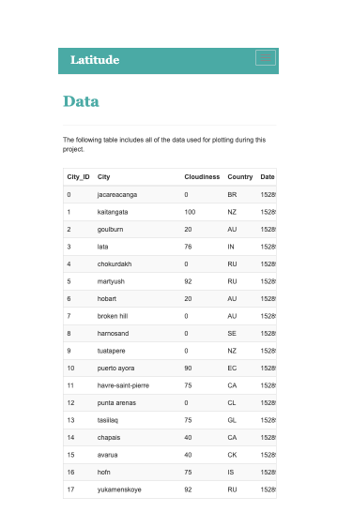
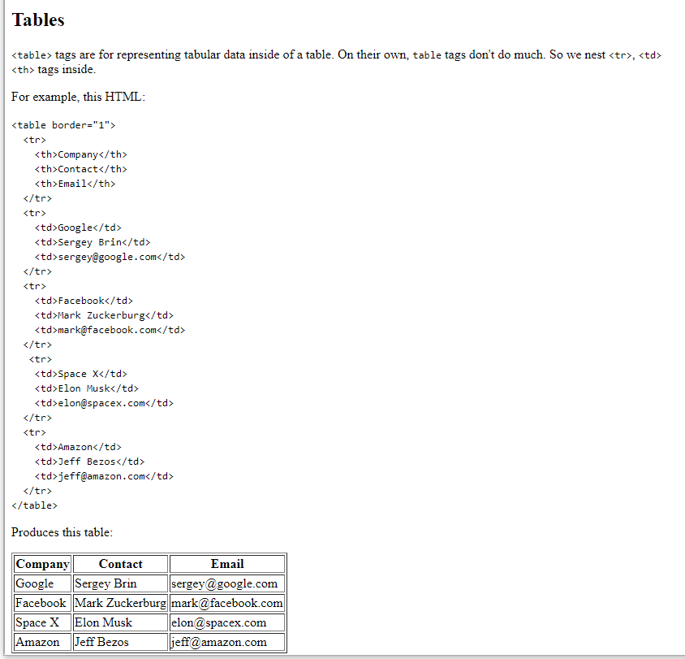
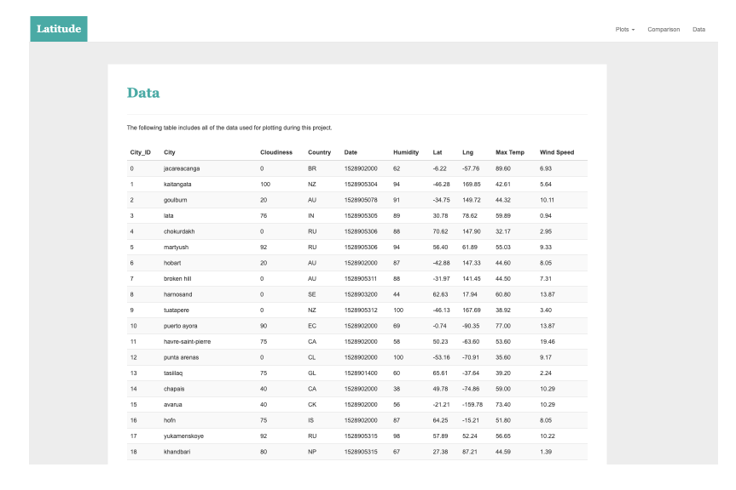
Activity 11 - 6
https://developer.mozilla.org/en-US/docs/Web/HTML/Element/table

