Prioritized Book of Work
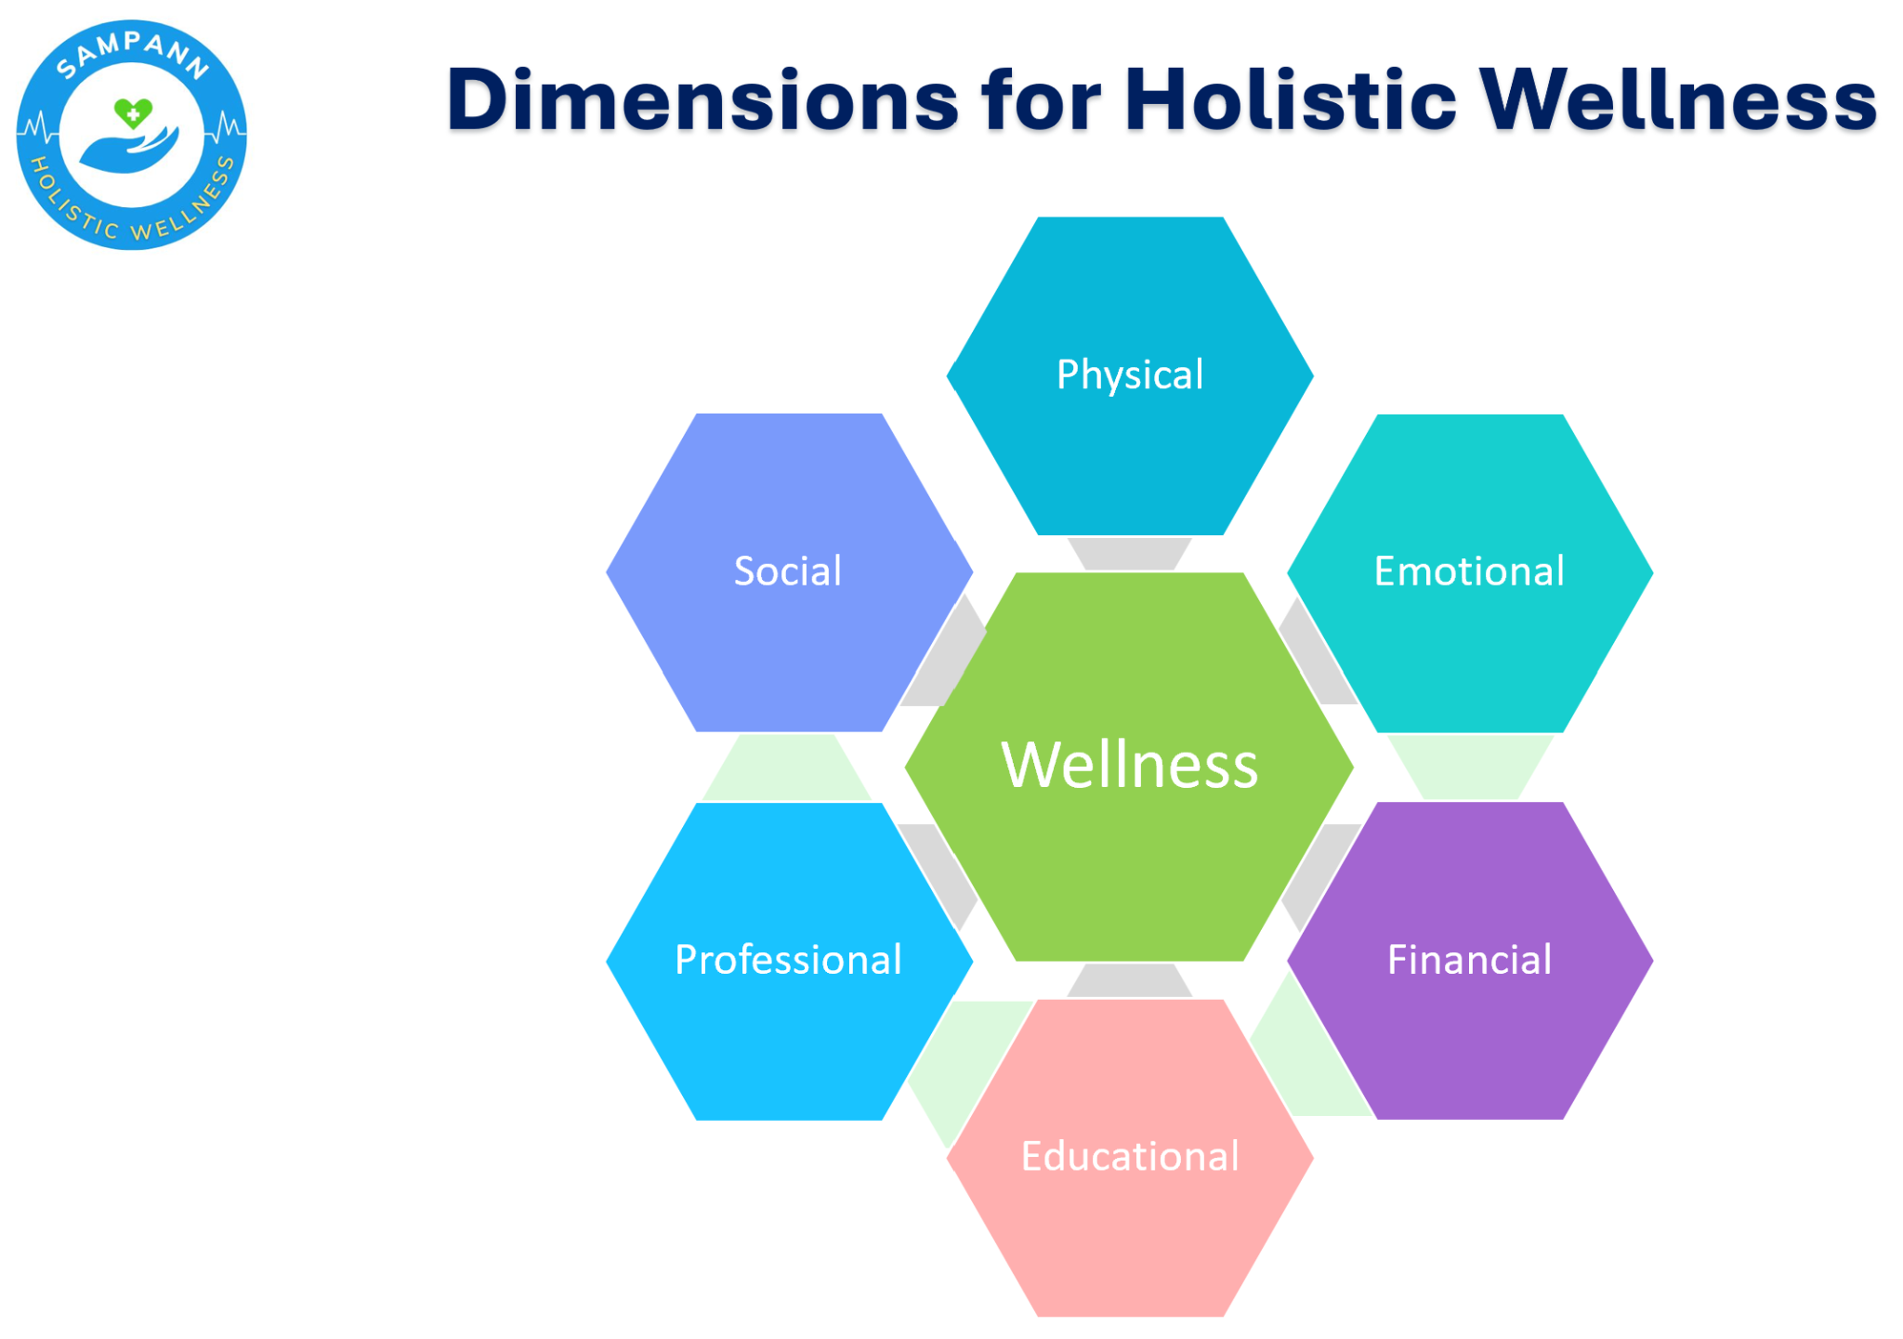
Beneficiary | JTBD / Opportunities | Features / Solutions | Comments | Priority | Sequence
Individual User / Corporate Employee | 1.Educational awareness - | General, unauthenticated content for all |  | High | Now
 |  | a) What is Diabetes, impact & severity ? | Static content - videos, infographics, short blogs
 |  | b) Types of expenses which can be expected
 |  | c) What health benefits & govt. schemes are available?
 |  | d) What to eat, not to eat?
 |  | e) Activities & routines

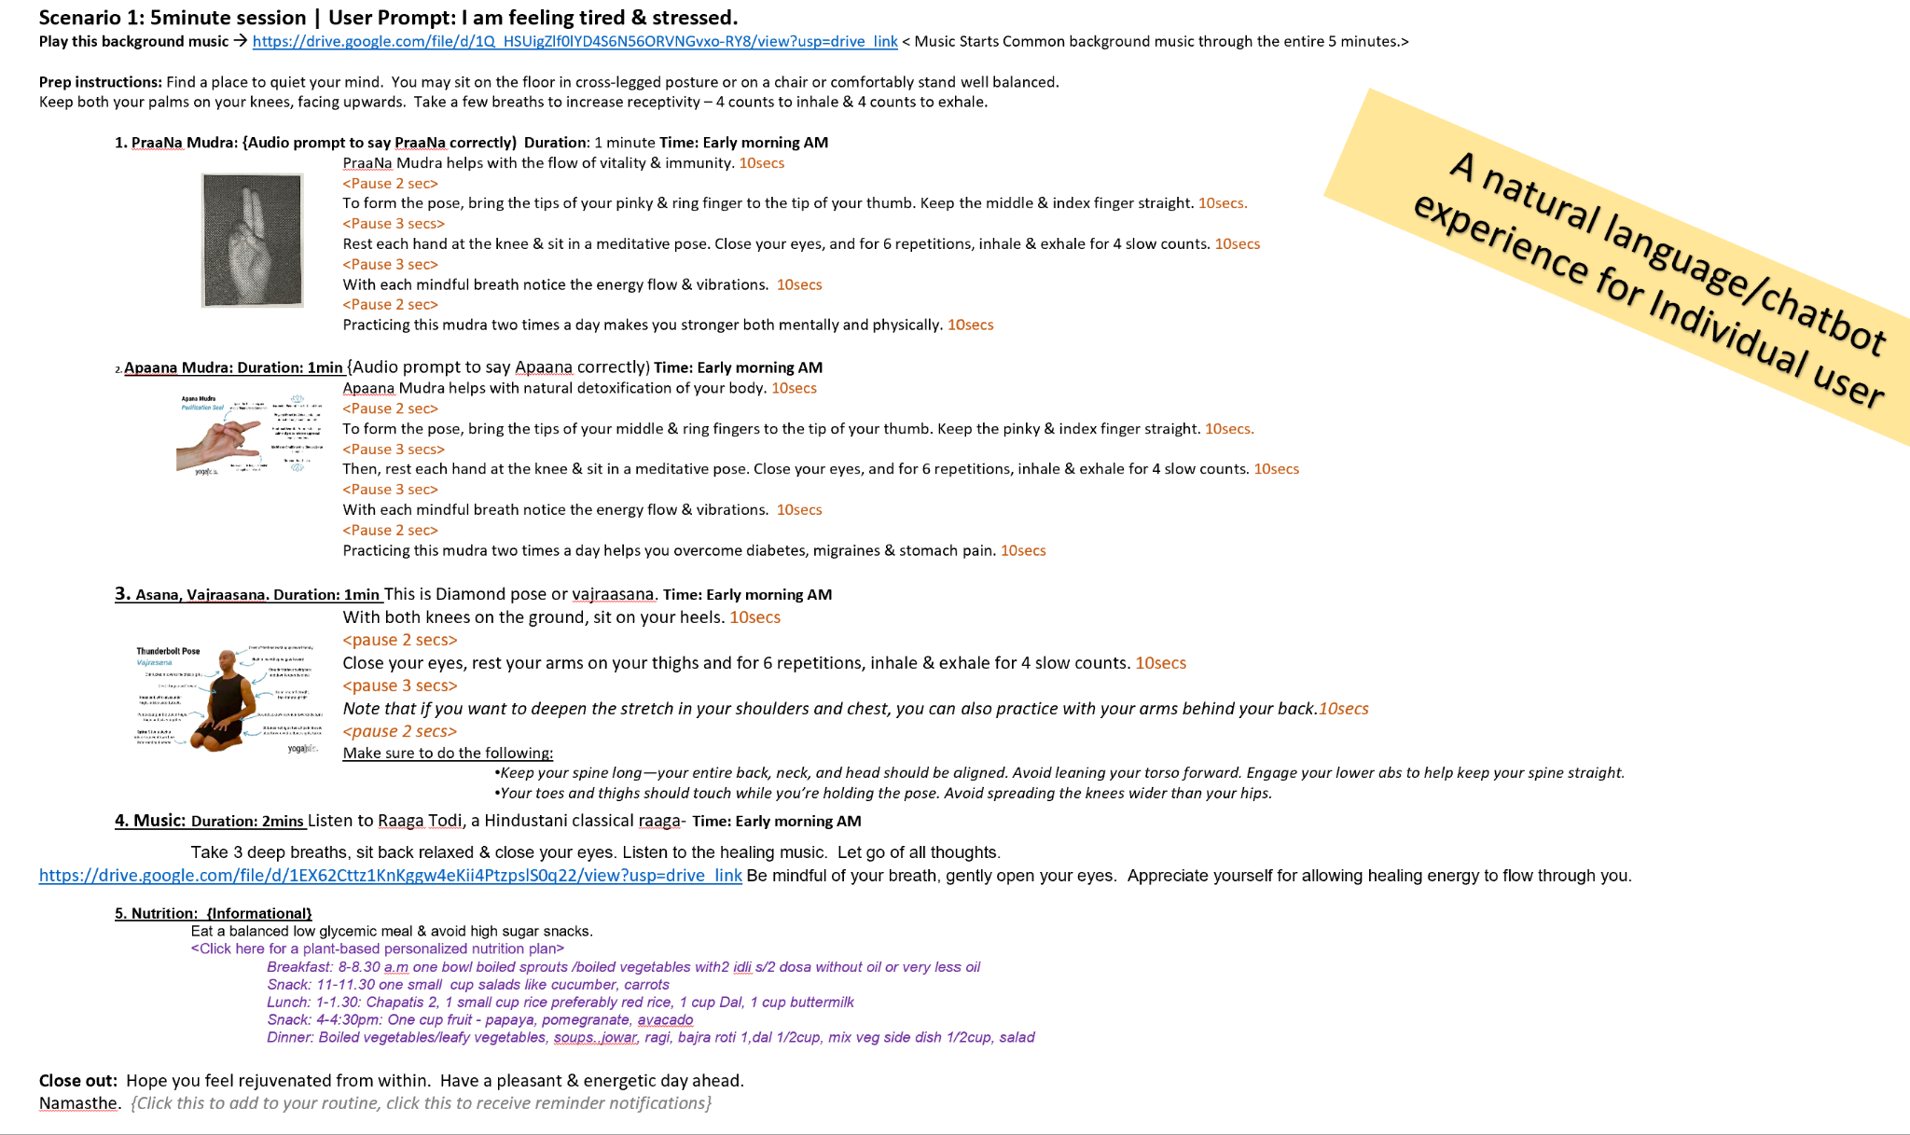
 | 2. Healthy lifestyle - Self actions | 1) Know my Self: Prakriti & propensity for pre-diabetes/diabetes | Depending Content from Dr Annapoorna and Ramya
 |  | 2) Know my health benefits: If eligible for Govt. benefits what are they, If not if I have insurance then what are they. If neither, where do I start? - Jagruti | Self-navigated & Integrated Bot response | V.High (Differentiator) | Now
 |  | 3) Holistic Vyayaama: (Mind, Body, Soul) Holistic flow: (5 - 15 - 30min) a) Pranayama breath for 1 min b) Yoga pose for 2mins c) Mudra for 3mins d) Music for 2mins e) Meditation for 2mins f) Stretches for 2-3mins
 |  | 4) Ahaara: meal for the day for me - wholesome food and tasty
 |  | 5) How am I feeling?

 | 3. Progress Tracking | 1) Trend report on consistency of self-actions taken. > Vyayaama > Ahaara 2) Feeling of happiness & mood. | Self navigated & Bot response |  | Now (Mock Experience)

 | 4. Get Expert Help | Find Doctors and therapist contact details near me | Self-navigated & Bot response | V.High (Differentiator) | Now (Mock Experience)
 |  | Book appointment for consultation
 |  | Purchase their products / services (phygital)
 |  | Follow prescribed activity, nutrition routines
 |  | Share feedback/reviews & recommendations on Sampann
 |  | Get in-home health service provider (PT/Nurse/Healing massage etc.) |  |  | Later

 | 5. Get Nutrition Help | Self-serv suggestions of balanced mealplans, meals & recipies | Self-navigated & Bot response | High | Now
 |  | Find & order Healthy food from a service provider in my area | Partner Service Provider |  | Now (Mock Experience)

 | 6. Community |  |  | Medium | Later (Mock Experience)
 |  | a)Buddy to lean on where I can have privacy,
 |  | b)Help someone and taking along
 |  | c)Planned activities in person – Bringing ppl together
 |  | d)Plat form to share

 | 7. Recognition – | Activity based and Positive re-enforcements pre generated comments when shared in a forum |  | High | Next (Mock Experience)

Wellness Experts - > Healthcare: Doctors / Naturopaths > Finance: Planners etc > Professional: Career coaches etc. > Educational: Counsellors etc. > Social/Family: Counsellors etc. > Emotional: Therapists, Pscyhologists, Counsellors > Environmental: ? | 1. Make their services accessible to more people | 1) Onboard expert partners to our curated platform - by invitation |  | High | Now
 |  | 2) List their profile, products & services. Make it discoverable D2C |  |  | Now
 |  | 3) Offer appointments for teleconsult / in-person |  |  | Now (Mock Experience)
 |  | 4) Offer their workshops, therapy sessions & seminars both in-person and/or virtually |  |  | Now (Mock Experience)

 | 2. Educate users to foster preventive, wellness actions and tools | 1) Notifications of blogs / videos to their patients - in-app / whatsapp / SMS / Email |  | High | Next (Mock Experience)
 |  | 2) Publish webinar events for people to attend. |  |  | Next (Mock Experience)

 | 3. Digital Marketing of their service/practice | 1) Microsite informational for their practice |  | Medium | Later (Mock Experience)
 |  | 2) Google SEO / Digital Marketing |  |  | Later (Mock Experience)
 |  | 3) Coupons/Discounts through Sampann |  |  | Later (Mock Experience)

rough pad 2
Wellness Dimension | Primary | Secondary | Applies to stage of life | Benefit | Links to resources
Physical Health | Diabetes Management | Blood Sugar Monitoring
 |  | Insulin Management
 |  | Medication Advice
 | Diet & Nutrition | Nutritious meals
 |  | Nutrition choices | 2,3,4,5,6,7
 |  | Food to avoid
 |  | Nutritional supplements
 |  | Clean eating
 | Herbal Remedies | Herbal treatments
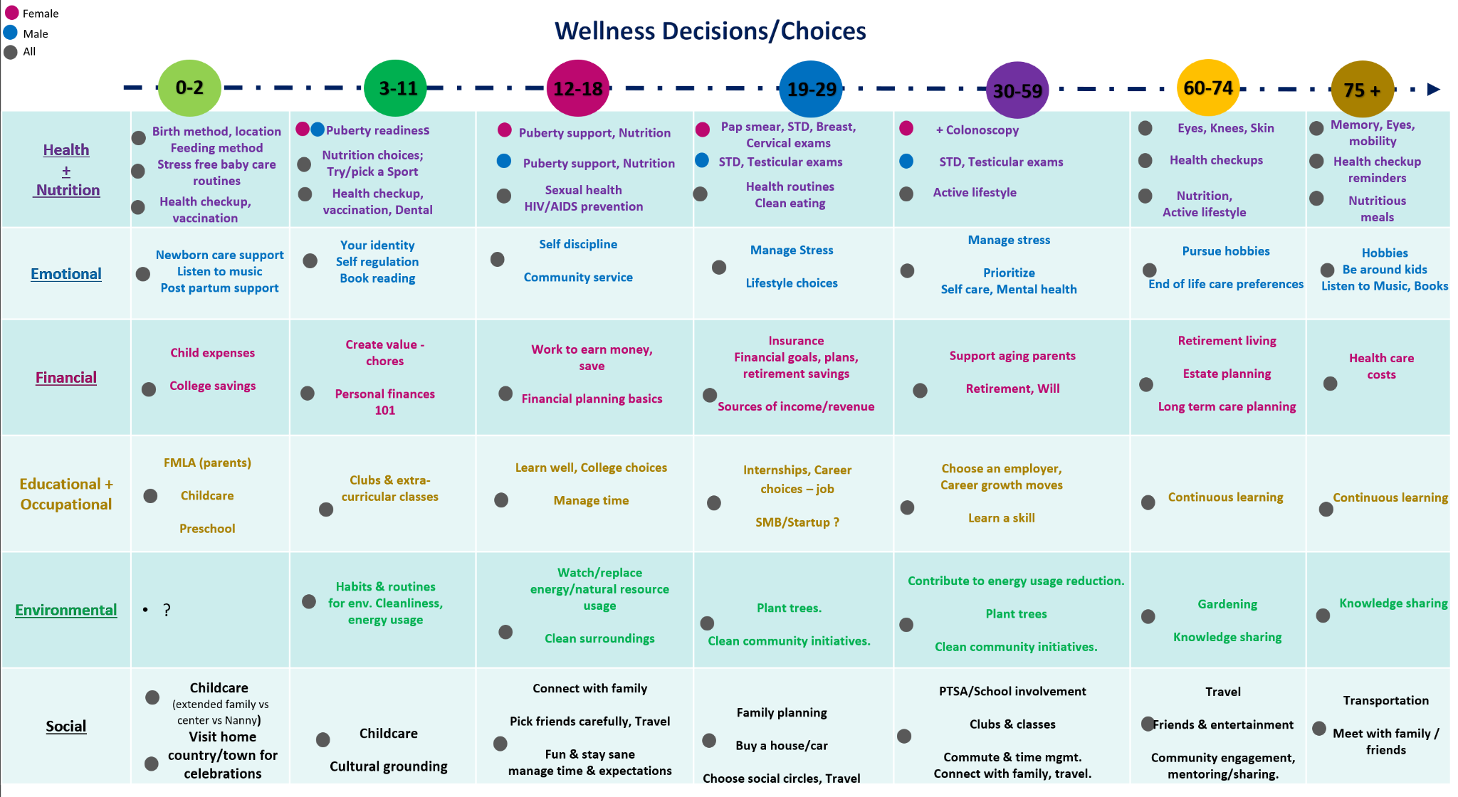
 |  | Ayurvedic Medicines
 |  | Natural Therapies
 | Lifestyle Changes | Exercise & Physical activity
 |  | Stress Management
 |  | Sleep Quality
 | Birth & Newborn | Birth method | 3, 4, 5, 6, Female
 |  | Location of Birth (Home/Hospital etc.) | 3, 4, 5, 6
 |  | Feeding method | 3, 4, 5, 6
 |  | Baby wellness care routines | 3, 4, 5, 6
 | Education & Prevention | Health checkups | 3, 4, 5, 6, 7
 |  | Dental care | 3, 4, 5, 6, 7
 |  | Vaccinations | 3, 4, 5, 6, 7
 |  | Male Puberty support | 3,4
 |  | Female Puberty Support | 3,4
 |  | Sexual health HIV/AIDS prevention | 3,4,5,6,7
 |  | Pap smear, Breast cancer, Cervical cancer | 4,5,6,7
 |  | Sexually Transmitted Diseases STD | 3,4,5,6,7
 |  | Colonoscopy
 |  | Testicular cancer
 |  | Eyes, Knees, Skin
 |  | Active lifestyle
 |  | Memory, mobility, eye sight
 | Music Therapy: | Relaxing Music: | Listening to calming and soothing music can help reduce stress, which is beneficial for diabetes management.
 | Color Therapy: | Yellow and Green Colors: | These colors are associated with balance and harmony in Ayurveda. Surrounding yourself with these colors or visualizing them during meditation may promote wellness.
 | At-Home Remedies: | Cinnamon Tea: | Drinking cinnamon tea may help regulate blood sugar levels. Simply steep a cinnamon stick in hot water.
 |  | Fenugreek Water: | Soak fenugreek seeds overnight and consume the water in the morning.
 |  | Bitter Gourd Juice: | Drinking bitter gourd juice on an empty stomach is believed to be beneficial for diabetes management.
 | Nutrition and Diet: | Balanced Diet: | Emphasize balanced, whole-food meals with a mix of carbohydrates, proteins, and healthy fats.
 |  |  | Follow a diet that includes whole grains, fresh vegetables (especially bitter vegetables like bitter gourd), legumes, and herbs like fenugreek and cinnamon.
 |  |  | Avoid excessive consumption of sugary and processed foods.
 |  | Herbal Remedies: | Bitter melon (karela), fenugreek seeds (methi), and Indian gooseberry (amla) may help regulate blood sugar levels.
 |  |  | Turmeric and neem are also known for their anti-diabetic properties.
 |  | Portion Control: | Include bitter vegetables, whole grains, and Ayurvedic herbs in your diet.
 |  |  | Be mindful of portion sizes to manage calorie intake and blood sugar levels.
 |  | Ayurvedic Practices: | Triphala, a blend of three fruits, can aid in digestion and overall health.
 |  |  | Consume Aloe Vera juice, which is believed to have blood sugar-lowering effects.
 |  | Fiber: | Include fiber-rich foods like legumes, vegetables, and whole grains to help control blood sugar and maintain a feeling of fullness.
 |  | Hydration: | Drink plenty of water throughout the day to stay hydrated.
 |  | Regular Monitoring: | Monitor your blood sugar levels regularly and adjust your diet as needed.
 |  | Consult a Dietitian: | Consider working with a registered dietitian who specializes in diabetes care to create a personalized nutrition plan.

Financial: |  | Health Insurance: | Purchase a comprehensive health insurance plan that covers a wide range of medical expenses, including hospitalization, surgeries, medications, and pre-existing conditions. |  | https://www.policybazaar.com/health-insurance/health-insurance-india/
 |  |  | Understand the coverage limits, waiting periods, and exclusions of your policy. |  | https://www.irdai.gov.in/

 |  | Budgeting: | Create a healthcare budget to allocate funds for insurance premiums, routine check-ups, and unexpected medical expenses. |  | https://cleartax.in/
 |  |  | Consider setting up an emergency fund to cover unforeseen healthcare costs. |  | https://www.etmoney.com/

 |  | Healthcare Provider Selection: | Research and choose a reputable healthcare provider or hospital in your area. Look for hospitals with good infrastructure, qualified doctors, and a track record of quality care. |  | https://www.practo.com/
 |  |  | Consider factors like proximity to your home, network hospitals under your insurance, and patient reviews. |  | https://www.google.com/maps
 |  | Regular Check-ups: | Prioritize preventive healthcare by scheduling regular check-ups, vaccinations, and screenings as recommended by your healthcare provider. |  | https://www.apollohospitals.com/ https://www.maxhealthcare.in/

 |  | Family Health: | Consider the healthcare needs of your entire family when planning. Family floater insurance policies can be a cost-effective option to cover multiple family members. |  | https://www.policybazaar.com/health-insurance/family-health-insurance-plan/

 |  | Lifestyle Choices: | Focus on maintaining a healthy lifestyle through proper nutrition, regular exercise, and stress management. Prevention is often more cost-effective than treatment. |  | https://www.healthifyme.com/us/
 |  |  |  |  | https://fitindia.gov.in/
 |  | Second Opinion: | In case of serious illnesses or complex medical conditions, seek a second opinion from another qualified healthcare professional to ensure the accuracy of the diagnosis and treatment plan. |  | https://www.mediangels.com/

 |  | Emergency Preparedness: | Familiarize yourself with nearby emergency facilities and their contact information. |  | https://www.ndma.gov.in/
 |  |  | Know the basics of first aid and have a basic first aid kit at home. |  | https://www.redcross.org/take-a-class?scode=PSG00000E017&&&&&gclid=2a32fa7c53151e638d0e9e89581ae468&gclsrc=3p.ds&&cid=generator&med=cpc&source=google&msclkid=2a32fa7c53151e638d0e9e89581ae468&utm_source=bing&utm_medium=cpc&utm_campaign=FACPR%20%7C%20NonBrand&utm_term=aid%20first%20training&utm_content=Firs%20Aid%20Training

 |  | Telemedicine: | Explore the option of telemedicine services for non-emergency consultations, which can save time and money while providing access to healthcare professionals. |  | https://www.practo.com/

 |  | Government Schemes: | Be aware of government healthcare schemes and insurance programs that you might be eligible for, such as Ayushman Bharat, and take advantage of them if applicable. |  | https://www.pmjay.gov.in/

 |  | Health Records: | Maintain organized health records, including medical history, test results, and prescriptions, to streamline communication with healthcare providers. |  | https://www.myhealthrecord.gov.in/

 |  | Advance Healthcare Directive: | Consider creating an advance healthcare directive (living will) to specify your preferences regarding medical treatment in case you become unable to make decisions. |  | https://www.ima-india.org/ima/right_to_live_will/

 |  | Stay Informed: | Keep yourself updated on healthcare policies, regulations, and developments in the Indian healthcare system. |  | https://www.mohfw.gov.in/

 |  | Retirement Planning: | Factor healthcare costs into your retirement planning to ensure you have adequate resources to cover medical expenses during your retirement years. |  | https://www.pfrda.org.in/

 |  | Seek Financial Advice: | Consult a financial advisor or planner to create a comprehensive financial plan that accounts for your healthcare needs and goals. |  | https://www.letstalkmoney.in/find-an-advisor/
Physical Health | Holistic | Pranayama (Breathing Exercises): | Kapalbhati Pranayama: | Known as the "Skull-Shining Breath," it is believed to stimulate the pancreas and improve insulin sensitivity. | Sit in a comfortable position with your spine straight and hands on your knees. Take a deep breath in and exhale forcefully through your nostrils by contracting your abdominal muscles. Inhale passively and continue forceful exhalations for about 20-30 seconds. Gradually increase the duration as you build strength. Practice 2-3 rounds with a short break in between.
 |  |  | Anulom Vilom Pranayama: | Helps balance the autonomic nervous system and reduce stress, which can benefit blood sugar management. | Sit comfortably with your spine straight. Close your right nostril with your right thumb and inhale deeply through the left nostril. Close the left nostril with your ring finger, release the right nostril, and exhale through the right nostril. Inhale through the right nostril, close it, and exhale through the left nostril. This completes one cycle. Repeat for 5-10 cycles.
 |  |  | Bhastrika Pranayama: | Increases metabolic rate and may assist in better glucose metabolism. | Sit comfortably with your spine straight. Inhale deeply through both nostrils and exhale forcefully. It's like a rapid pumping motion with equal emphasis on inhalation and exhalation. Start with 20-30 seconds and gradually increase the duration.
 |  |  | Ujjayi Pranayama: | Calms the mind, reduces stress, and may help regulate blood sugar levels. | Sit in a comfortable position and close your eyes. Inhale deeply through your nose while slightly constricting the back of your throat. Exhale slowly through your nose using the same throat constriction. Focus on the sound of your breath. Practice for 5-10 minutes.
 |  |  | Sheetali Pranayama |  | Sit comfortably and roll your tongue into a tube shape. Inhale through the rolled tongue slowly and deeply. Close your mouth and exhale through your nose. Repeat for several breaths.
 |  | Yoga Asanas (Postures): | Paschimottanasana (Seated Forward Bend): | Stimulates the abdominal organs, including the pancreas, and can help improve digestion. | Sit with your legs extended in front. Inhale and lengthen your spine. Exhale and bend forward from your hips, reaching for your toes or shins. Hold for 30 seconds to 1 minute.
 |  |  | Dhanurasana (Bow Pose): | Aids in stimulating the pancreas and improving insulin secretion. | Lie on your stomach, bend your knees, and reach back to hold your ankles. Inhale and lift your chest and thighs off the ground. Hold for 15-30 seconds.
 |  |  | Ardha Matsyendrasana (Half Spinal Twist): | Helps massage the abdominal organs and can improve digestion. | Sit with your legs extended, bend one knee, and place the foot outside the opposite thigh. Twist your torso to face the bent knee. Hold for 30 seconds on each side.
 |  |  | Vrikshasana (Tree Pose): | Enhances balance and concentration, which can be helpful for overall wellness. | Stand tall and shift your weight to one foot. Lift the other foot and place it on the inner thigh of the standing leg. Balance and hold for 30 seconds on each leg.
 |  |  | Trikonasana (Triangle Pose): | Strengthens the legs and stretches the sides of the body, promoting overall fitness. | Stand with your legs wide apart. Reach one arm down to your shin or the floor and extend the other arm up. Hold for 30 seconds on each side.
 |  |  | Shalabhasana (Locust Pose): | Strengthens the lower back and can help improve circulation to the pancreas.
 |  |  | Setu Bandhasana (Bridge Pose): | Activates the abdominal organs and can assist in better digestion.
 |  |  | Ardha Halasana (Half Plough Pose): | Promotes blood circulation to the abdominal region and may support pancreatic health.
 |  |  | Bhujangasana (Cobra Pose): | Strengthens the spine and can improve digestion.
 |  |  | Matsyasana (Fish Pose): | Stretches the neck and throat, stimulating the thyroid and parathyroid glands.
 |  |  | Surya Namaskar (Sun Salutations): | A series of yoga postures that help improve overall metabolism and fitness.
 |  | Mudras for Diabetes Management: | Prana Mudra: | Believed to increase vital life force energy and may help balance bodily functions, including those related to diabetes. | Sit in a comfortable meditation posture. Touch the tips of your thumb, ring finger, and little finger together while keeping the other fingers extended. Hold this mudra with both hands and rest your hands on your knees. Breathe naturally and focus on your breath. Practice for 15-20 minutes daily.
 |  |  | Apan Vayu Mudra: | Can help regulate diabetes by balancing the elements within the body and supporting the digestive system. | Sit comfortably and touch the tips of your thumb, middle finger, and ring finger together while extending the other fingers. Hold this mudra with both hands and rest your hands on your knees. Breathe naturally and focus on your breath. Practice for 15-20 minutes daily.
 |  |  | Gyan Mudra: | Promotes better concentration and mental clarity, which can be beneficial for managing diabetes.
 |  | Ragas in Music Therapy: | Raga Bilawal: | Associated with peace and tranquility, it may help reduce stress and promote relaxation. | Listen to music compositions based on Raga Bilawal, such as classical instrumental or vocal performances. Find a quiet and comfortable space to relax. Allow the music to immerse you in its calming melodies. Practice listening to this raga regularly for relaxation.
 |  |  | Raga Bhairav: | Believed to have therapeutic effects on the body and mind, it can assist in stress reduction.
 |  |  | Raga Kalyani: | Known for its soothing qualities, it can help alleviate stress and anxiety, which are often linked to diabetes.
 |  |  | Raga Yaman: | Promotes a sense of well-being and is believed to help reduce mental and emotional disturbances.
 |  |  | Raga Bhupali: | May assist in calming the mind and relieving stress, which can be beneficial for overall health.
 |  |  | Raga Darbari: | Known for its meditative and relaxing qualities, it can aid in stress management.
 |  |  | Raga Madhyamavati: | May have a soothing effect on the nervous system and help reduce stress-related factors.
 |  |  | Raga Bhupeshwari: | Promotes emotional balance and relaxation, which can be beneficial for overall wellness.

 |  | Color Therapy | Blue Color |  | Surround yourself with blue colors in your environment, such as blue walls, bedding, or clothing. Spend time in nature by the water, like the ocean or a serene lake. Incorporate blue into your meditation space, using blue candles or decorations.
 |  |  | Yellow and Green Colors: | These colors are associated with balance and harmony in Ayurveda. | Surrounding yourself with these colors or visualizing them during meditation may promote wellness.

 |  | Seed Therapy | Fenugreek Seeds |  | Soak fenugreek seeds in water overnight. Consume the soaked seeds and the water on an empty stomach in the morning. You can also use fenugreek seeds in cooking.
 |  | Nutrition & Diet | Whole Grains (Brown rice, oats, quinoa): |  | Include these grains in your daily diet as the primary source of carbohydrates. Replace refined grains with whole grains in recipes.
 |  |  | Fresh Vegetables (especially bitter vegetables): |  | Incorporate bitter vegetables like bitter gourd (karela) and fenugreek leaves (methi) into your meals. Cook them with spices and herbs for flavor.
 |  |  | Legumes (lentils, chickpeas): |  | Include legumes in your diet for plant-based protein and fiber. Prepare lentil soups, chickpea curries, or salads.
 |  |  | Lean Proteins (chicken, fish, tofu): |  | Opt for lean protein sources and cook them with minimal added fats. Grill, bake, or steam your protein choices.
 |  |  | Healthy Fats (avocado, nuts, seeds): |  | Consume healthy fats like avocados, almonds, walnuts, and chia seeds in moderation. Use them in salads, smoothies, or as snacks.
 |  |  | Fiber-rich Foods (beans, broccoli, whole fruits): |  | Increase your fiber intake with foods like beans, lentils, broccoli, and whole fruits. Aim to consume at least 25-30 grams of fiber per day.

Scratch pad
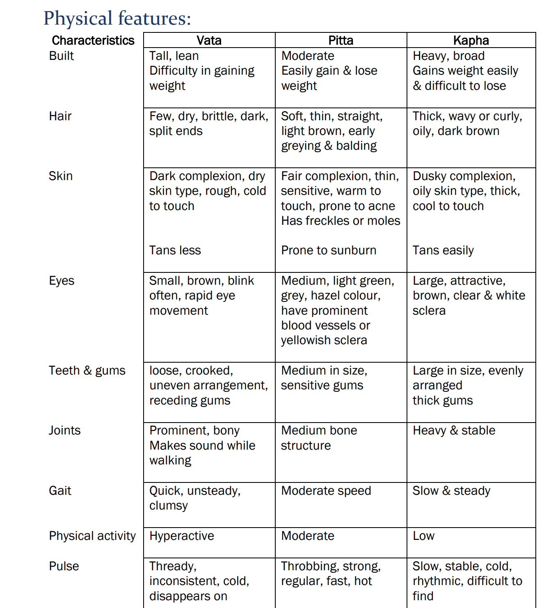
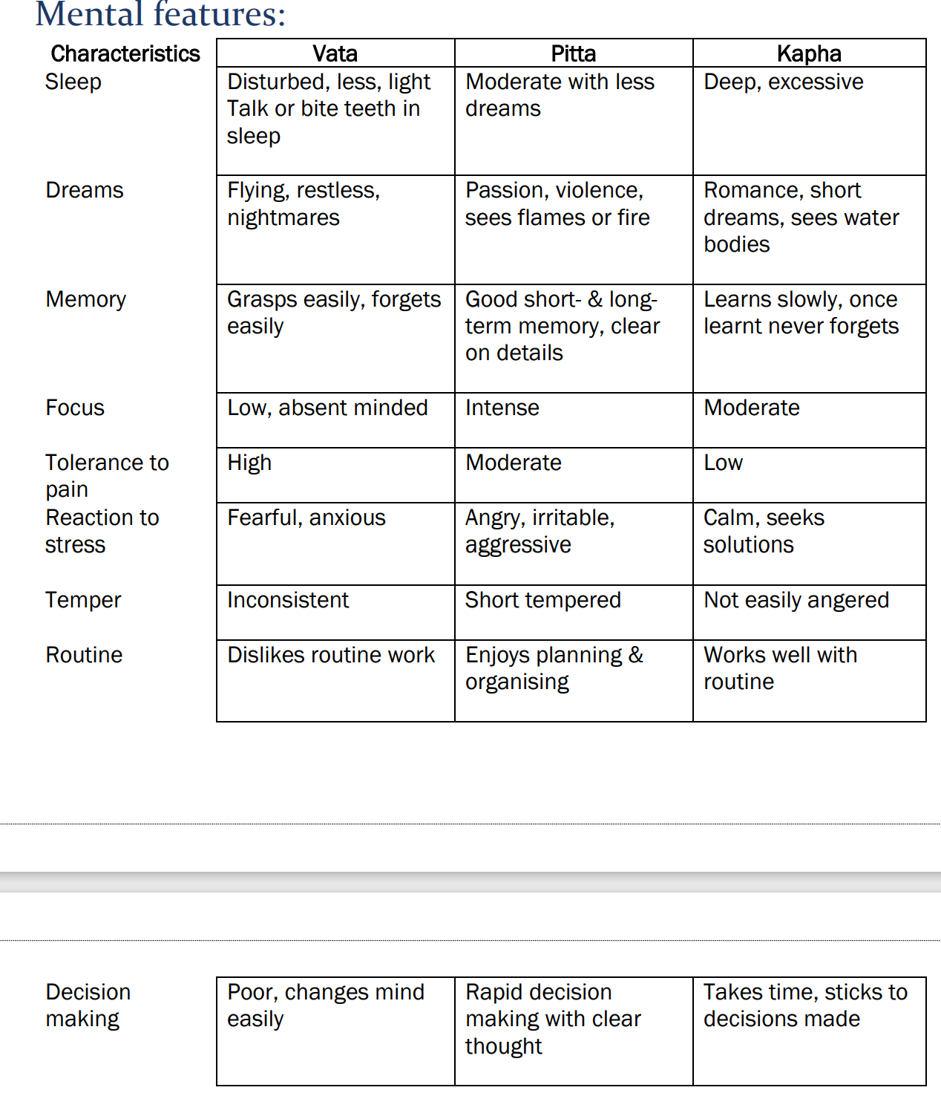
Characteristics | Vataja | Pittaja | Kaphaja |  |  |  |  |  |  | Vataja | Pittaja | Kaphaja
1. Body Frame | Narrow. | medium | wide |  |  |  |  |  | My body's natural frame: | Narrow & Slim | Medium | Wide & Large
1. Body Size | Slim | medium | Large |  |  |  |  |  | Body weight: | Dont gain weith easily |  | Gain weight easily / I am overweight
2. Body weight | low | medium | Over weight
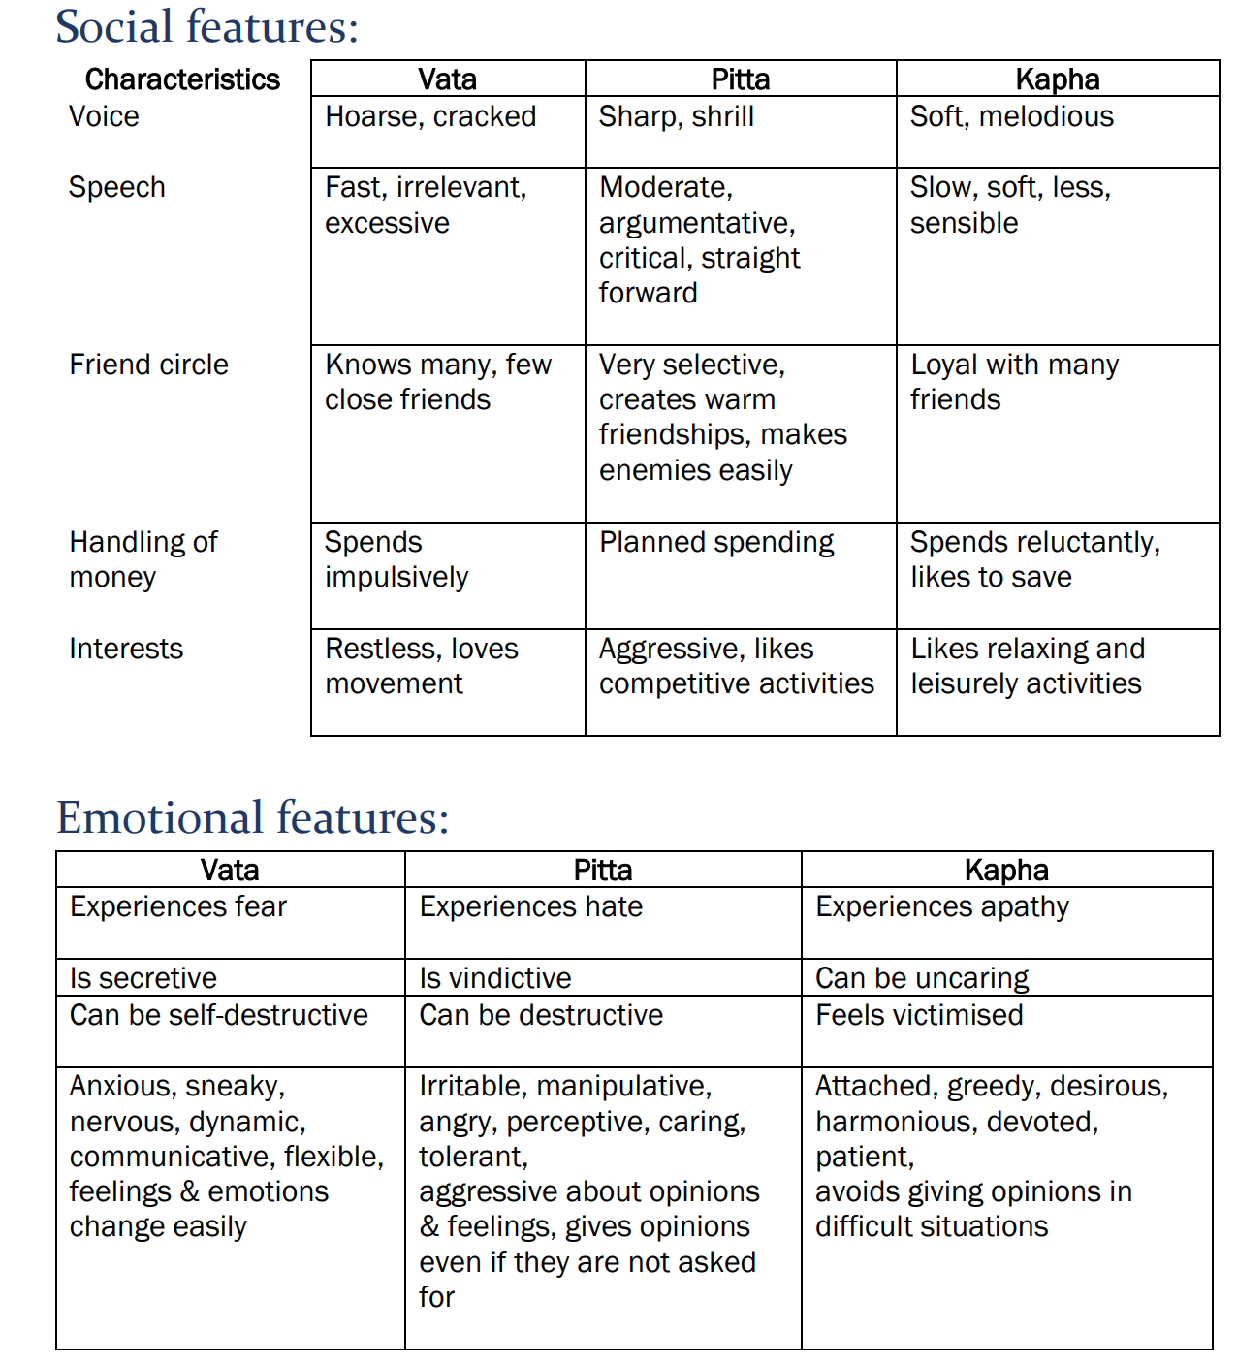
Forehead | Small | medium | Large |  |  |  |  |  | App is not a replacement for Doctor/Expert. When feeling healthy then, answer these questions.
Chin | Thin, Angular | Tapering | Double, Rounded
Cheeks | wrinkled, sunken | Smooth | Plumpy
Eyes | small, sunken | bright, sharp | big, beautiful
Nose | Uneven | sharp, red tip | short, rounded
Lips | Dry, cracked | Red | Smooth, pale
Teeth | Big, Thin gums | Medium | White, strong gums
Neck | long, thin | medium | big, beautiful
Chest | flat | medium | Broad
Belly | flat, thin | moderate | Pot belly
Joints | small | medium | Large
Skin | dry, rough, cold to touch | Fair, sensitive, warm to touch | Oily, thick & cool to touch
3. Appetite | Irregular | Very good | Slow and steady
Tolerance to temperature | Cannot tolerate cold | Cannot tolerate heat | Tolerates extremes
Temperament | Inconsistent | Short tempered | Calm |  | To be omitted: | To keep
Thirst | varies | more | less | Physical: | Hair
Digestion | Irregular | quick | prolonged |  | Eyes | Built
4. Bowel habit | Constipated | Easy, loose | Thick, oily |  | Teeth & Gums | Tolerance to temperature
 |  |  |  |  | Joints | Physical Activity (Hyperactive, Quick | Moderate speed | Slow & Steady)
 |  |  |  |  | Skin
5. Activity | Hyper | moderate | slow, dull |  | Sweat (Scanty | Profuse with strong odor | Moderate)
 |  |  |  | Mental: | Reaction to Stress | Sleep (Less & disturbed | Moderate | Deep, sound, excessive)
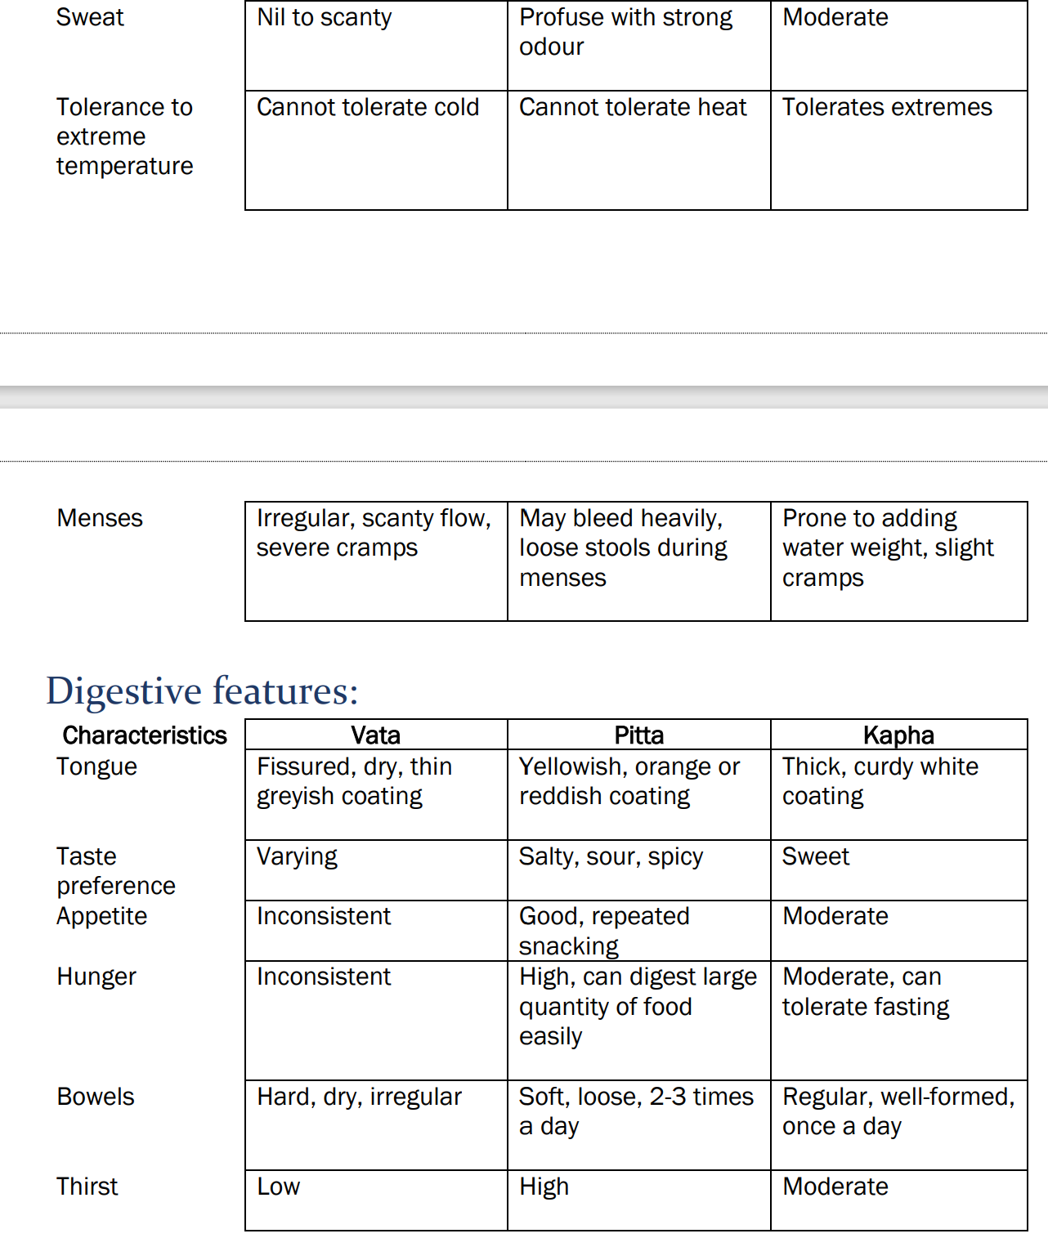
Emotion | Anxious, fear, uncertainity | Anger, Jealousy, Hatred | Greedy, calm, attachment |  | Dreams | Memory (Grasps easily, forgets easily | Good | Slow, sustained)
Memory | recent good, old poor | GOOD | Slow, sustained |  | Focus
 |  |  |  |  | Tolerance to pain | Temperament (Inconsistent | Short tempered | Calm)
Sleep | Sleplessness, scanty | little,good | good, deep | Social: | Voice | Speech
Dreams | many, small | Firey,war | water , romantic |  |  | Friend circle
 |  |  |  | Emotional: (change easily) |  | Emotion (Anxious, fear, uncertainity, nervous | Irritable, Anger, Aggressive| Patient, Attached, Calm
Speech | not clear, fast | Sharp | Slow, | Digestive: | Taste preference | Bowel
 |  |  |  |  |  | Thirst
Prakruthi: |  |  |  |  |  | Appetite
First, determine the ratio of Vatha, pitha, Kapha
Take the most prominent ones for prakruthi determination |  | Ex: P:60, V: 20, K:20 then Pitha P:60, V:30, K:10 then Pitha & Vatha with Pitha predominant Diet advised should not increase Pitha, and not increase Vatha also.
When sick, prakruthi determination will actually be vikruthi.

Which Dosha is predominant in your body, so that we can help balance it for you to feel well? Then provide detailed questionnaire as above.

Vikruthi:

Montly promotionals / highlight:
Ayurvedic Recipe
Grandma's traditional

 |  | Vata | Pitta | Kapha |  | Vata | Pitta | Kapha
Physical: | How would you describe your natural body build? | Narrow & Slim | Medium | Wide & Large | Built | Slender | Well-proportioned and muscular build. | Sturdy and robust body frame.
 | Do you have temperature preferences, such as being sensitive to cold or heat? | Cannot tolerate cold | Cannot tolerate heat | Tolerates extremes | Tolerance to temperature | Sensitive to both | Heat-sensitive | Cold-sensitive
 | Are you naturally more active or prefer a slower pace? | Hyperactive, Quick | Moderate | Slow & Steady | Physical Activity | Naturally active | Moderately active | Prefers a relaxed pace
Mental: | How is your sleep quality and duration? | Less & disturbed | Moderate | Deep, sound, excessive | Sleep | Variable and light | Sound and refreshing | Ample and steady
 | How would you describe your memory and mental clarity? | Grasps easily, forgets easily | Good | Slow, sustained | Memory | Sharp but occasional lapses | Strong and reliable | Steady but slower recall
 | What's your typical emotional temperament? | Inconsistent | Short tempered | Calm | Temperament | Creative and adaptable | Determined and focused | Calm and steady
Social: | Describe your communication style and its impact on others. | Fast, excessive, irrelevant | Moderate, straight forward, critical | Less, Slow, soft, sensible | Speech | Expressive and talkative | Clear and assertive | Thoughtful and calm
 | Tell us about your friendships and the qualities that define them. | Knows many, few close friends | Very selective, creates warm friendships, makes enemies easily | Loyal with many friends | Friend circle | Diverse and creative | Driven and ambitious | Loyal and stable
Emotional: | Share your emotional strengths and how they contribute to your well-being. | Anxious, fear, uncertainity, nervous | Irritable, Anger, Aggressive | Patient, Attached, Calm | Emotion | Sensitive and empathetic | Passionate and intense | Calm and stable
Digestive: | How would you describe your regularity when it comes to bowel movements? | Constipated | Easy, loose | Thick, oily | Bowel | Irregular | Regular | Steady but slow
 | How often do you experience thirst and how do you usually respond to it? | Low | High | Moderate | Thirst | Often thirsty, prefers warm drinks | Easily thirsty, enjoys cool beverages | Moderate thirst, room temperature drinks
 | How would you describe your usual appetite? | Irregular | Very good | Slow and steady | Appetite | Irregular, forgets to eat | Strong and consistent | Steady, not quick to get hungry

Option 2: | Questions for user to answer |  | Vata: | Pitta: | Kapha:
Physical Characteristics: | How would you describe your unique body frame and physical presence? |  | I have a slender and lightweight frame. | I have a moderate, well-proportioned physique. | I have a solid and sturdy build.

Appetite and Digestion: | Share your special relationship with food. Do you find your appetite to be consistently strong and vibrant? |  | My appetite is irregular, and I often forget to eat. | I have a strong and consistent appetite. | I have a steady appetite, but I don't get hungry quickly.

Sleep Patterns: | Tell us about your sleep habits and how you feel during your moments of rest. What makes your sleep uniquely restful? |  | I tend to have a light sleep pattern and fluctuating energy levels. | I sleep soundly and wake up feeling refreshed with good energy. | I need ample sleep, and my energy levels are steady throughout the day.

Activity Level: | Celebrate your natural energy! Are you naturally more inclined towards an active lifestyle or do you cherish moments of tranquility? |  | I'm naturally active and often feel restless. | I have a moderate level of activity and can focus on tasks. | I prefer a slower, more leisurely pace of life.

Temperature Sensitivity: | Embrace your body's response to the elements. Are you particularly attuned to temperature variations? What makes you feel uniquely comfortable? |  | I'm sensitive to the cold and prefer warmth. | I'm sensitive to heat, and I often feel warm. | I have balanced temperature sensitivity and adapt well to both hot and cold.

Lifestyle and Habits: | Revel in your food preferences! What kinds of flavors and foods delight your senses? What time of day do you prefer your most nourishing meals? |  | I crave warm, comforting, and nourishing foods. | I enjoy spicy, tangy, and flavorful foods. | I prefer light, fresh, and less oily foods.

Emotional Characteristics: | Recognize your emotional strengths. How do you typically respond to life's challenges and stresses, and what inner qualities support you? |  | I tend to feel anxious or worry easily in stressful situations. | I can become impatient or irritable when facing challenges. | I remain calm and composed, even during stressful times.

Medical History: | Share your health journey and your body's unique history. Are there any significant health conditions or allergies you've faced with resilience? |  | I've experienced conditions like joint pain or digestive irregularities. | I've had issues like acid reflux or skin sensitivities. | I've encountered conditions like congestion or weight-related challenges.

Option 1: | Questions for user to answer |  | Vata: | Pitta: | Kapha:
Physical: | Built | How would you describe your natural body build? | Slender | Well-proportioned and muscular build. | Sturdy and robust body frame.
 | Tolerance to temperature | Do you have temperature preferences, such as being sensitive to cold or heat? | Sensitive to both | Heat-sensitive | Cold-sensitive
 | Physical Activity | Are you naturally more active or prefer a slower pace? | Naturally active | Moderately active | Prefers a relaxed pace

Mental: | Sleep | How is your sleep quality and duration? | Variable and light | Sound and refreshing | Ample and steady
 | Memory | How would you describe your memory and mental clarity? | Sharp but occasional lapses | Strong and reliable | Steady but slower recall
 | Temperament | What's your typical emotional temperament? | Creative and adaptable | Determined and focused | Calm and steady

Social: | Speech | Describe your communication style and its impact on others. | Expressive and talkative | Clear and assertive | Thoughtful and calm
 | Friend circle | Tell us about your friendships and the qualities that define them. | Diverse and creative | Driven and ambitious | Loyal and stable

Emotional: | Emotion | Share your emotional strengths and how they contribute to your well-being. | Sensitive and empathetic | Passionate and intense | Calm and stable

Digestive: | Bowel | How would you describe your regularity when it comes to bowel movements? | Irregular | Regular | Steady but slow
 | Thirst | How often do you experience thirst and how do you usually respond to it? | Often thirsty, prefers warm drinks | Easily thirsty, enjoys cool beverages | Moderate thirst, room temperature drinks
 | Appetite | How would you describe your usual appetite? | Irregular, forgets to eat | Strong and consistent | Steady, not quick to get hungry

Logic for Prakruthi/Dosha Determination: (Pick the Dominant): | You can assign scores to each of the questions based on their relevance to Vata, Pitta, and Kapha doshas. For example: Questions that align with Vata characteristics receive a higher score for Vata. Questions that align with Pitta characteristics receive a higher score for Pitta. Questions that align with Kapha characteristics receive a higher score for Kapha. Then, you can sum up the scores for each dosha to determine the dominant dosha: If Vata score > Pitta score and Kapha score, then the dominant dosha is Vata. If Pitta score > Vata score and Kapha score, then the dominant dosha is Pitta. If Kapha score > Vata score and Pitta score, then the dominant dosha is Kapha. Keep in mind that this is a very simplified approach and doesn't account for the nuances and complexities of Ayurvedic diagnosis. A qualified Ayurvedic practitioner considers many more factors and conducts a thorough assessment to determine an individual's dosha constitution accurately. This simplified logic is just a rough estimate and should not be used for making important health decisions.

Certainly, here's a simple Python code snippet to implement the logic for determining Prakruti (dominant dosha) based on the user's responses to the questions: ```python def determine_prakruti(answers): dosha_scores = {'Vata': 0, 'Pitta': 0, 'Kapha': 0} # Assign scores based on user's answers dosha_scores['Vata'] += answers['built'] + answers['temp_tolerance'] + answers['activity'] + answers['sleep'] dosha_scores['Pitta'] += answers['memory'] + answers['temperament'] + answers['speech'] + answers['friend_circle'] dosha_scores['Kapha'] += answers['appetite'] + answers['emotional'] + answers['bowel'] + answers['thirst'] # Determine the dominant dosha dominant_dosha = max(dosha_scores, key=dosha_scores.get) return dominant_dosha # Sample user answers (You can replace these with actual user responses) user_answers = { 'built': 2, # Example score for "Vata" physical built 'temp_tolerance': 1, # Example score for "Pitta" temperature tolerance 'activity': 3, # Example score for "Kapha" activity 'sleep': 2, # Example score for "Vata" sleep 'memory': 1, # Example score for "Pitta" memory 'temperament': 3, # Example score for "Kapha" temperament 'speech': 2, # Example score for "Vata" speech 'friend_circle': 1, # Example score for "Pitta" friend circle 'appetite': 3, # Example score for "Kapha" appetite 'emotional': 2, # Example score for "Vata" emotional 'bowel': 1, # Example score for "Pitta" bowel 'thirst': 3 # Example score for "Kapha" thirst } # Determine the dominant dosha dominant_prakruti = determine_prakruti(user_answers) # Print the result print(f"Your dominant dosha (Prakruti) is: {dominant_prakruti}") ``` In this code, we assign scores to each dosha (Vata, Pitta, and Kapha) based on the user's answers to the questions. The dosha wit

