Pieces
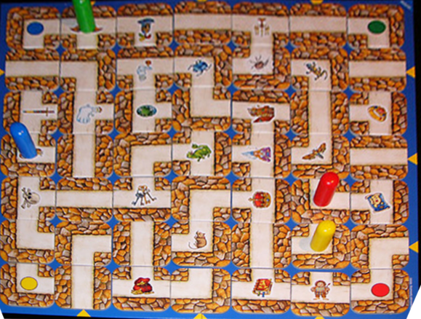
Piece |  | index | Piece |  |  | Prolog representation | Treasures | https://www.amazon.com/Ravensburger-26448-Labyrinth/dp/B00000J0JF
Straight | 12 | 0
Corner | 15 | 1 |  |  |  |  | helmet
3-way | 6 | 2 |  |  |  | 1100 | candle
 |  |  |  |  |  |  | sword
 |  |  |  |  |  |  | opal
 |  |  |  |  |  |  | treasure chest
 |  |  |  |  |  | 0110 | ring
 |  |  |  |  |  |  | skull
 |  |  |  |  |  |  | keys
 |  |  |  |  |  |  | crown
 |  |  |  |  |  | 0011 | map
 |  |  |  |  |  |  | bag of gold
 |  |  |  |  |  |  | book

 |  |  |  |  |  | 1001

 |  |  |  |  |  | 1010

 |  |  |  |  |  | 0101

 |  |  |  |  |  | 1101

 |  |  |  |  |  | 1110

 |  |  |  |  |  | 0111

 |  |  |  |  |  | 1101

 |  |  |  | 1
 |  |  | 4 |  | 2
 |  |  |  | 3

Board indices

Representation of maze in Prolog (example) |  | Representation of maze in java
[[0110,0101,0111,1100,0111,0011,0011],
[1010,0101,1100,1001,0101,1110,0110], |  | j | 0 | 1 | 2 | 3 | 4 | 5 | 6
[1011,1010,1011,1110,0111,0110,1110], | i |  | A | B | C | D | E | F | G
[0101,1001,1100,1101,1001,0111,0101], | 0 | 0 | 0 | 1 | 2 | 3 | 4 | 5 | 6
[1011,1101,1101,0011,1110,1010,1110], | 1 | 1 | 7 | 8 | 9 | 10 | 11 | 12 | 13
[1011,1001,0101,1001,0101,0110,0110], | 2 | 2 | 14 | 15 | 16 | 17 | 18 | 19 | 20
[1100,1010,1101,0101,1101,1001,1001]] | 3 | 3 | 21 | 22 | 23 | 24 | 25 | 26 | 27
 | 4 | 4 | 28 | 29 | 30 | 31 | 32 | 33 | 34
 | 5 | 5 | 35 | 36 | 37 | 38 | 39 | 40 | 41
 | 6 | 6 | 42 | 43 | 44 | 45 | 46 | 47 | 48

 |  | 48,48

