City
 | residencias | População | 2010
Campinas | 388263 | 1080113 | 0.35946516707

city 100k | 35947 | 100000 |  | 63% | uses internet
Consulta DB | 3595
HM | 719 |  |  |  | dimension of ionternet use amount variety nd types
 |  |  |  |  | IBGE | Projeção da população
 |  |  |  |  | IBGE Censo 2010

how many people per residence | 3
people responsible for payment | 35947
how many people use internet | 22680
HMM | 10-14
RETENTION TIME | 1 | MIN
Number of concurrent visitor | 945 | visits/hour |  |  | https://www.dotcom-monitor.com/wiki/knowledge-base/translating-analytics-to-concurrent-users/
Number of visit per minute | 16 | visits/min |  |  | steady accordingy to ethereum |  |  | https://ycharts.com/indicators/ethereum_transactions_per_day
visit duration | 0.5 | min |  |  | think time, pacing | https://www.loadview-testing.com/blog/load-testing-think-time-pacing-and-delays/
concurrent users | 8
 | 0.26666666667
 |  |  |  |  | tps calculator | https://www.perfmatrix.com/tps-calculator/

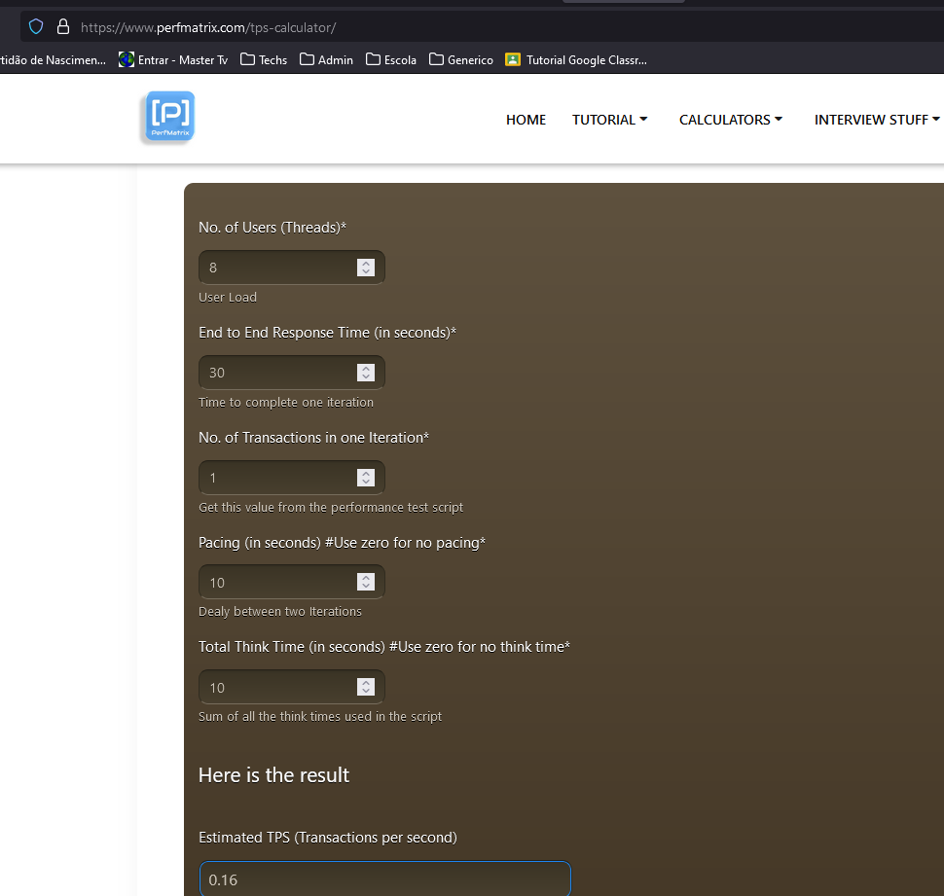

 |  |  |  |  |  | Formula | Loadrunner: Understanding Transaction Per Second (TPS) | The Performance Engineer

https://developer.ibm.com/tutorials/blockchain-performance-testing-smart-contracts-vscode-caliper/

INPUT |  |  |  |  |  |  |  |  | txNumber which says the number of transactions to be executed. |  | https://medium.com/coinmonks/hyperledger-fabric-tps-identification-using-hyperledger-caliper-f7a5d070f647
txDuration/txNumber | a specifier for the length of the round, which may be duration or transaction based |  |  |  |  |  |  |  | Number of transactions to be run in a round. | https://hyperledger.github.io/caliper/v0.2/architecture/
callback | a workspace relative path to a user-defined test file for the smart contract that is being investigated
chaincodeId | the chaincode (smart contract) ID under test
transactionLoad | the number of transactions being processed by the SUT that is to be maintained |  |  |  |  |  |  |  | https://hyperledger.github.io/caliper/v0.4.2/rate-controllers/
tps | the rate at which transactions are cumulatively sent to the SUT by all workers

OUTPUT
Latency (max/min/avg) | statistics relating to the time taken in seconds between issuing a transaction and receiving a response
Throughput | the average number of transactions processed per second

 | https://developer.ibm.com/tutorials/blockchain-performance-testing-smart-contracts-vscode-caliper/
Name | the round name, which correlates to the test round label from the benchmark configuration file
Succ/Fail | the number of successful/failing transactions
Send Rate | the rate at which Caliper issued the transactions
Latency (max/min/avg) | statistics relating to the time taken in seconds between issuing a transaction and receiving a response
Throughput | the average number of transactions processed per second

https://medium.com/coinmonks/hyperledger-fabric-blockchain-performance-benchmark-using-hyperleger-capiler-66d9a9af5cce
test: The root level block that contains the benchmark test information.
name: The name of the test, in this case, “basic-contract-benchmark”.
description: A description for the benchmark, in this case, “A test benchmark”.
workers: A set of keys used to define the number of workers (separate worker-client instances) used in the subsequent benchmark.
rounds: An array of distinct test rounds that will be progressed sequentially. Rounds may be used to benchmark different smart contract methods or the same method in a different manner.

