Sheet1
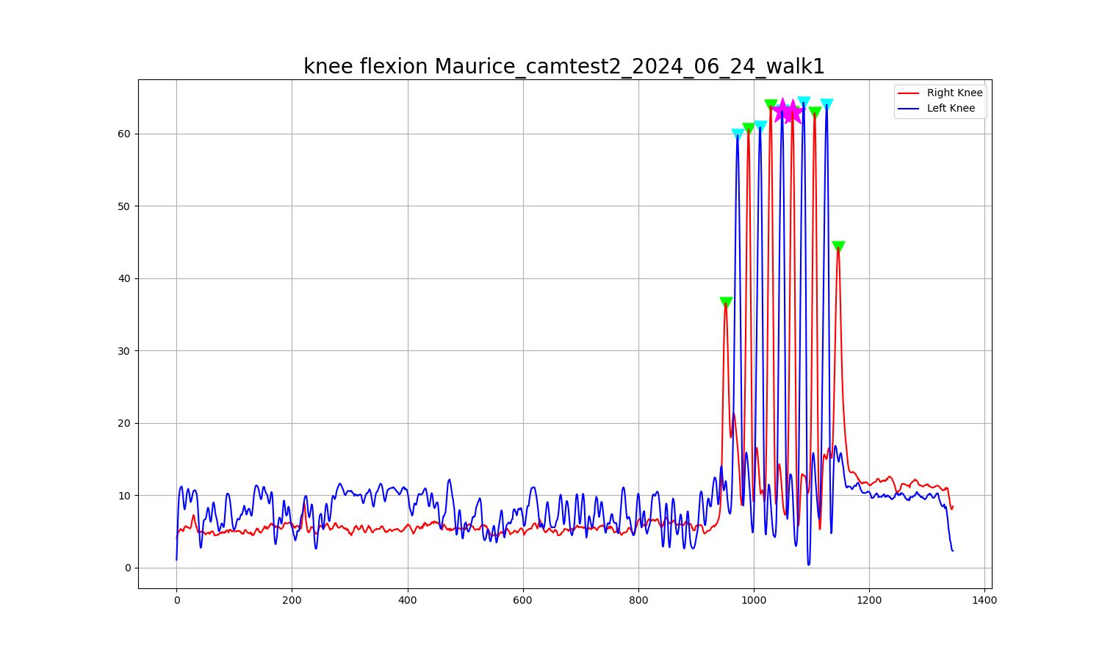
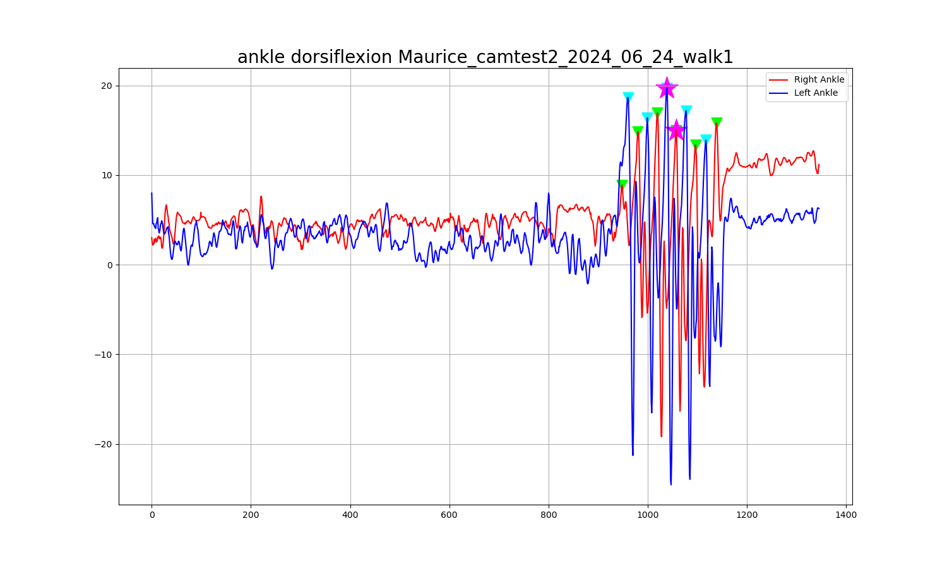
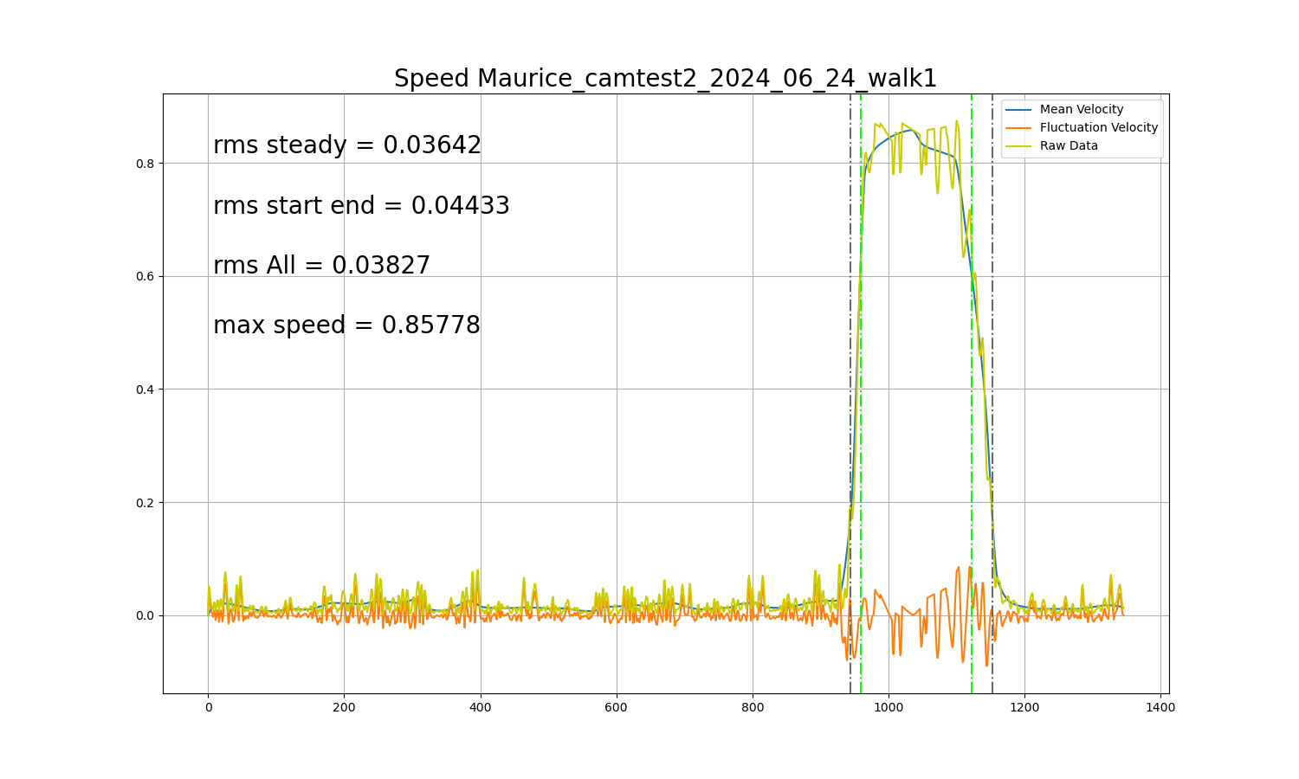
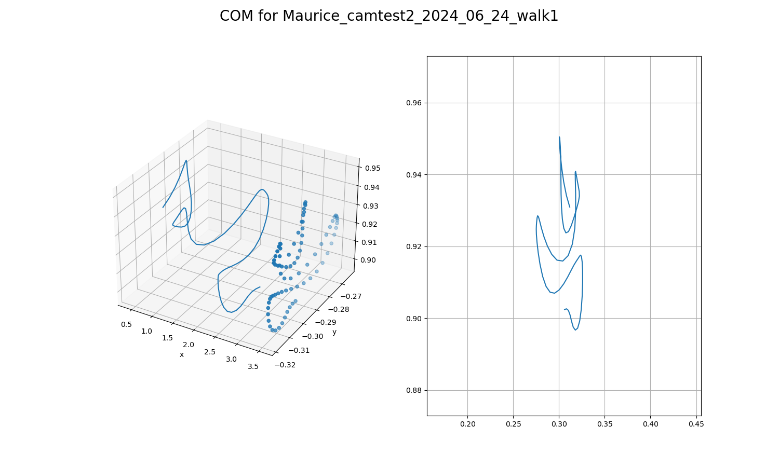
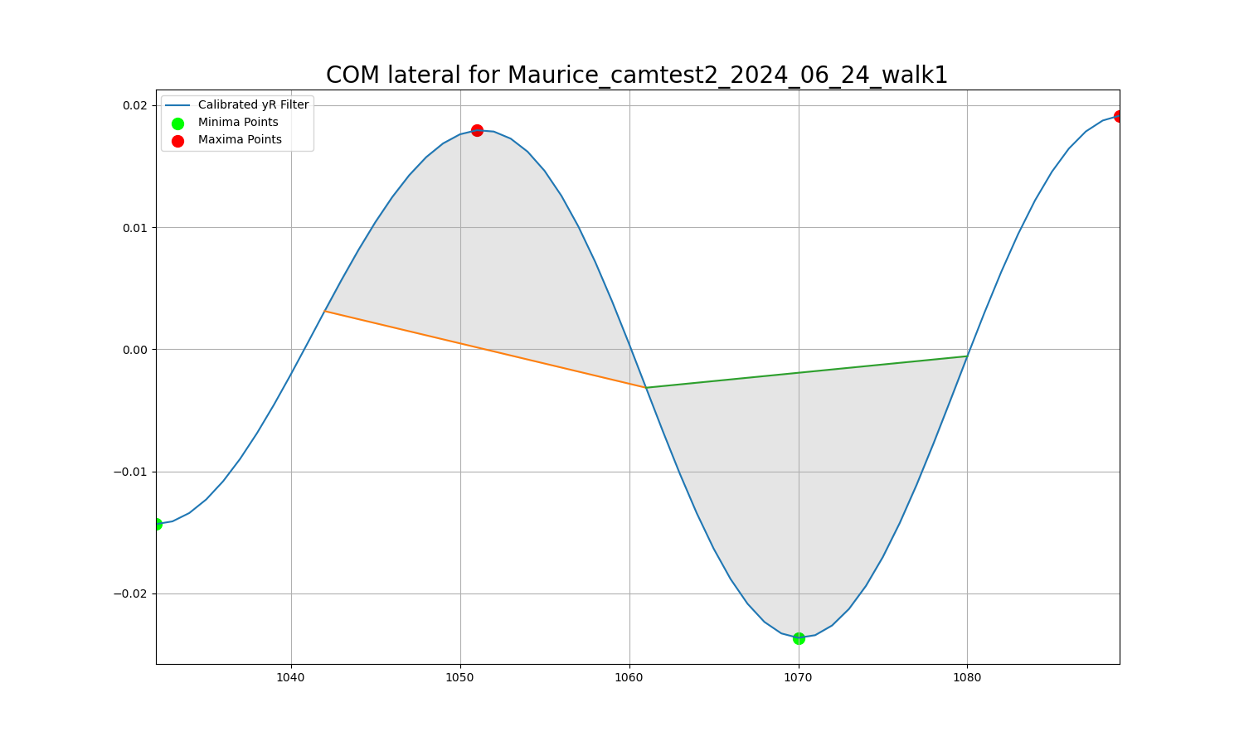
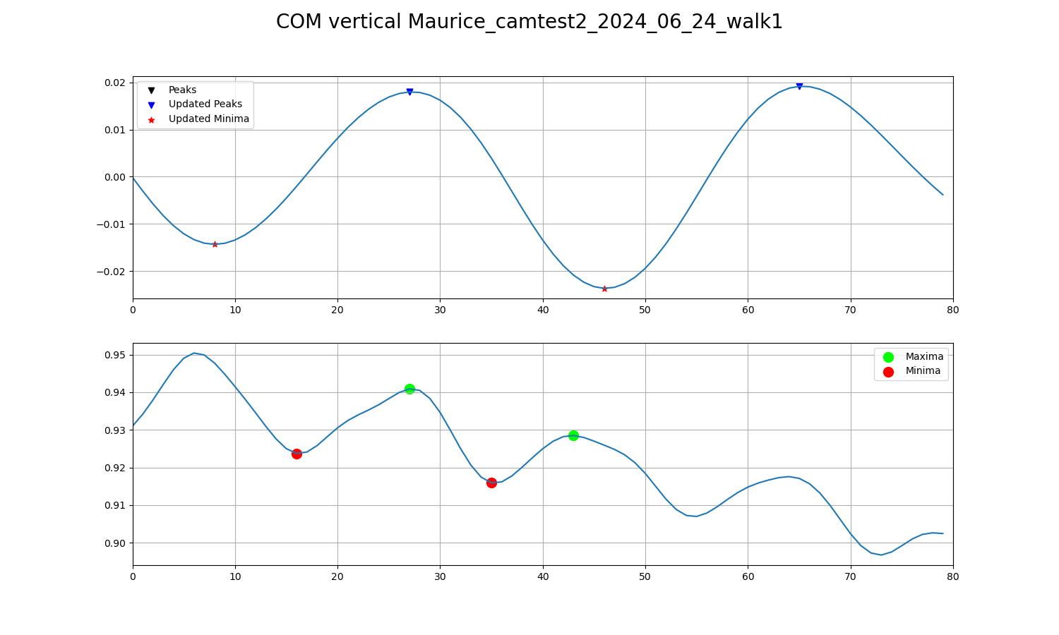
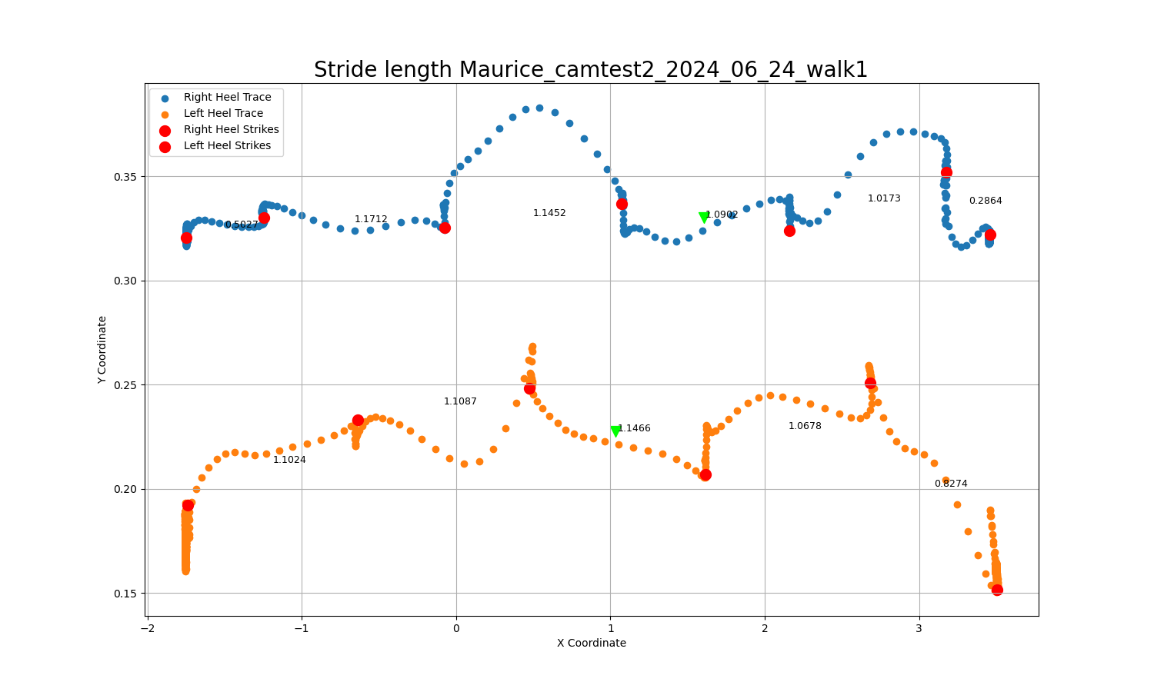
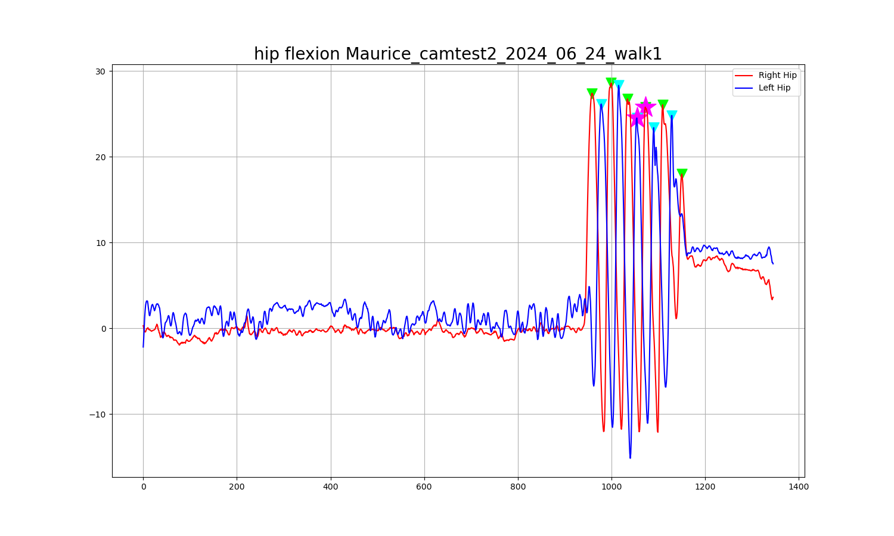
Tasktype | Walking_startend
Version | 0
Patient ID | Maurice_camtest2
Task Date | 2024_06_24
Task Name | walk1
Maximum Hip Angle Right in steady state | 25.79671645
Maximum Hip Angle Left in steady state | 24.52674988
Maximum Knee Angle Right in steady state | 62.98192873
Maximum Knee Angle Left in steady state | 63.12163481
Maximum Ankle Angle Right in steady state | 14.99159919
Maximum Ankle Angle Left in steady state | 19.72496305
Maximum Mean Speed | 0.85777553626
Variability of speed on steady state (rms) | 0.036420038136
Variability of speed on Acceleration and Decceleration state (rms) | 0.044325468785
Variability of speed on All state (rms) | 0.038269034305
Center of Mass of Lateral direction for AUC on Right side in steady state | 0.21944780233
Center of Mass of Lateral direction for AUC on Left side in steady state | 0.26320136855
Center of Mass of vertical direction for distance swings at Right side in steady state | 0.017150638935
Center of Mass of vertical direction for distance swings at Left side in steady state | 0.012579850327
Stride lenght Right in steady state | 1.0902263731
Stride length Left in steady state | 1.1466249149

