Hoja1
 | ISP-Router | CEDIA-ISP
0 | Switch-3-Ambato | EDIFICIO MATRIZ |  |  |  |  |  |  |  |  |  |  |  |  |  |  |  | Facultadades Matriz
 |  | Vlan - 1 - Phone
 |  | Primer Piso |  |  |  |  | Segundo Piso |  |  | Tercer Piso |  |  |  | Cuarto Piso |  | Quinto Piso - Sedes
 |  | Administrativo |  |  |  |  | Autoridades |  |  | TI |  |  |  | Comunidad |  | Grados |  | SW-FACU
 |  | Valn 1 - VoIP |  |  |  |  | Valn 1 - VoIP |  |  | Valn 1 - VoIP |  |  |  | Valn 1 - VoIP
 |  | Vlan 2 - Impresora |  |  |  |  | Vlan 2 - Impresora |  |  | Vlan 2 - Impresora |  |  |  | Vlan 2 - Impresora |  | Vlan 6 - Impresora |  | Valn 1 - VoIP |  |  | Valn 1 - VoIP
 |  | SW-ADMI |  |  |  |  | SW-AUTO |  |  | Switch-3-Ambato |  |  |  | SW-COMU |  |  |  | Ingeniería |  |  | Ciencias de la Educación |  |  | Economía y Negocios |  |  | Ciencias de la Salud
 |  |  |  |  |  |  |  |  |  | SW-TI |  |  |  |  |  | SW-SEDES
 |  | Vlan 10 | Vlan 11 | Vlan 12 | Vlan 13 | Vlan 14 | Vlan 15 | Vlan 16 | Vlan 17 | Vlan 18 | Vlan 19 | Vlan 20 | Vlan 21 | Vlan 22 | Vlan 23 | Vlan 24 | Vlan 25 | Vlan 10 | Vlan 19 | Valn 14 | Vlan 19 | Vlan 10 | Valn 14 | Vlan 19 | Vlan 14 | Valn 10 | Valn 19 | Valn 10 | Valn 14 | Vlan 13
 |  | Seretariado | Talento Humano | Finanzas | Biblioteca | Docentes | Coordinadores | Procurador | Directores | SOC Analyst | Mantenimiento y Sóporte | Desarrolladores | Servidores | Vinculación | Centro de Ivestigación | pre-grados | post-grados
 | IPv4-IPv6
 | Default-Gateway
 | Usuarios | 30
1 | SWITCH-3-PUYO
2 | SWITCH-3-LATACUNGA
3 | SWITCH-3-TENA
4 | SWITCH-3-ALAUSÍ

 |  |  | Numero |  |  | Numero | Dispositivo | Dispositivo | Definición | ID | Nombre | Interfaz/Puerto | Direccion |  | Mascára/Prefijo |  | Default-Gateway |  | Usuarios
 |  |  | 1 |  |  | 1 | SW-CAPA_TRES_TI |  | Vlan | 1 | VOIC |  | 200.70.1.0 |  | 255.255.255.0 |  | 200.70.1.1 |  | 30
 |  |  | 2 |  |  | 2 |  |  | Vlan | 2 | IMPR |  | 200.70.2.0 |  | 255.255.255.0 |  | 200.70.2.1 |  | 30
 |  |  |  |  |  |  |  |  |  |  |  |  | 2001:db8:bb:2:: |  | /64 |  | 2001:db8:bb:2::1 |  | 30
 |  |  | 3 |  |  | 3 |  | SW-ADMI | Vlan | 10 | SECR |  | 200.70.10.0 |  | 255.255.255.0 |  | 200.70.10.1 |  | 30
 |  |  |  |  |  |  |  |  |  |  |  |  | 2001:db8:bb:10:: |  | /64 |  | 2001:db8:bb:10::1 |  | 30
 |  |  | 4 |  |  | 4 |  |  | Vlan | 11 | TALH |  | 200.70.11.0 |  | 255.255.255.0 |  | 200.70.11.1 |  | 30
 |  |  |  |  |  |  |  |  |  |  |  |  | 2001:db8:bb:11:: |  | /64 |  | 2001:db8:bb:11::1 |  | 30
 |  |  | 5 |  |  | 5 |  |  | Vlan | 12 | FINA |  | 200.70.12.0 |  | 255.255.255.0 |  | 200.70.11.1 |  | 30
 |  |  |  |  |  |  |  |  |  |  |  |  | 2001:db8:bb:12:: |  | /64 |  | 2001:db8:bb:12::1 |  | 30
 |  |  | 6 |  |  | 6 |  |  | Vlan | 13 | BIBL |  | 200.70.13.0 |  | 255.255.255.0 |  | 200.70.13.0 |  | 30
 |  |  |  |  |  |  |  |  |  |  |  |  | 2001:db8:bb:13:: |  | /64 |  | 2001:db8:bb:13::1 |  | 30
 |  |  | 7 |  |  | 7 |  |  | Vlan | 14 | DOCE |  | 200.70.14.0 |  | 255.255.255.0 |  | 200.70.14.0 |  | 30
 |  |  |  |  |  |  |  |  |  |  |  |  | 2001:db8:bb:14:: |  | /64 |  | 2001:db8:bb:14::1 |  | 30
 |  |  | 8 |  |  | 8 |  | SW-AUTO | Vlan | 15 | COOR |  | 200.70.15.0 |  | 255.255.255.0 |  | 200.70.15.0 |  | 30
 |  |  |  |  |  |  |  |  |  |  |  |  | 2001:db8:bb:15:: |  | /64 |  | 2001:db8:bb:15::1 |  | 30
 |  |  | 9 |  |  | 9 |  |  | Vlan | 16 | PROC |  | 200.70.16.0 |  | 255.255.255.0 |  | 200.70.16.0 |  | 30
 |  |  |  |  |  |  |  |  |  |  |  |  | 2001:db8:bb:16:: |  | /64 |  | 2001:db8:bb:16::1 |  | 30
 |  |  | 10 |  |  | 10 |  |  | Vlan | 17 | DIRE |  | 200.70.17.0 |  | 255.255.255.0 |  | 200.70.17.0 |  | 30
 |  |  |  |  |  |  |  |  |  |  |  |  | 2001:db8:bb:17:: |  | /64 |  | 2001:db8:bb:17::1 |  | 30
 |  |  | 11 |  |  | 11 |  | SW-INFO | Vlan | 18 | SOCA |  | 200.70.18.0 |  | 255.255.255.0 |  | 200.70.14.0 |  | 30
 |  |  |  |  |  |  |  |  |  |  |  |  | 2001:db8:bb:18:: |  | /64 |  | 2001:db8:bb:18::1 |  | 30
 |  |  | 12 |  |  | 12 |  |  | Vlan | 19 | MANS |  | 200.70.19.0 |  | 255.255.255.0 |  | 200.70.19.0
 |  |  |  |  |  |  |  |  |  |  |  |  | 2001:db8:bb:19:: |  | /64 |  | 2001:db8:bb:19::1
 |  |  | 13 |  |  | 13 |  |  | Vlan | 20 | DESA |  | 200.70.20.0 |  | 255.255.255.0 |  | 200.70.20.0
 |  | SW-FACU_INGE |  |  |  |  |  |  |  |  |  |  | 2001:db8:bb:20:: |  | /64 |  | 2001:db8:bb:20::1
...
 |  |  |  |  |  |  |  |  |  |  | Nombre | Interfaz/Puerto | Direccion |  | Mascára/Prefijo |  | Default-Gateway |  | Usuarios
 |  |  |  |  |  |  |  |  |  |  |  |  | 2134:db9:bb:88:: |  | /64 |  | 2134:db9:bb:88::1
...
 |  |  |  |  |  |  |  |  |  |  |  | Channerl Group
 |  |  |  |  |  |  |  |  |  |  |  | Sw-Admin | Sw-Auto | sw-info | sw-comu
 |  |  |  |  |  |  |  |  |  |  |  | FastEthernet0/10 | FastEthernet0/10 | FastEthernet0/14 | FastEthernet0/14
 |  |  |  |  |  |  |  |  |  |  |  | FastEthernet0/11 | FastEthernet0/11 | FastEthernet0/15 | FastEthernet0/15
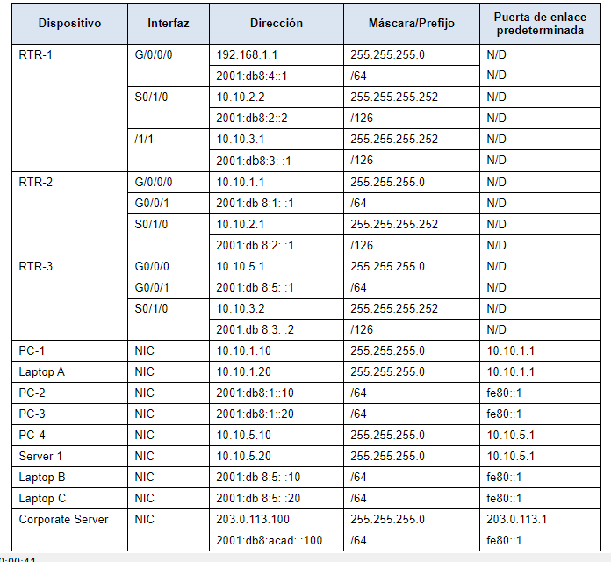
 |  |  |  |  |  |  |  |  |  |  |  | FastEthernet0/13 | FastEthernet0/13 |  |  |  |  |  |  |  |  |  |  |  | Dispositivo | Interfaz | Dirección | Prefijo | Gateway
 |  |  |  |  |  |  |  |  |  |  |  | FastEthernet0/14 | FastEthernet0/14 |  |  |  |  |  |  |  |  |  |  |  | R1 | G0/1 | 200.190.1.1 | 255,255,255,252 | N/D
 |  |  |  |  |  |  |  |  |  |  |  | FastEthernet0/15 | FastEthernet0/15 |  |  |  |  |  |  |  |  |  |  |  |  | S/0/0 | 172.16.10.1 | 255,255,255,252 | N/D
 |  |  |  |  |  |  |  |  |  |  |  |  |  |  |  |  |  |  |  |  |  |  |  |  |  | S/0/1 | 172.16.11.1 | 255,255,255,252 | N/D
 |  |  |  |  |  |  |  |  |  |  |  |  |  |  |  |  |  |  |  |  |  |  |  |  | R2 | G0/1 | 200.190.2.1 | 255255255.0 | N/D
 |  |  |  |  |  |  |  |  |  |  |  |  |  |  |  |  |  |  |  |  |  |  |  |  |  | S/0/0 | 172.16.12.1 | 255,255,255,252 | N/D
 |  |  |  |  |  |  |  |  |  |  |  |  |  |  |  |  |  |  |  |  |  |  |  |  |  | S/0/1 | 172.16.13.1 | 255,255,255,252 | N/D
 |  |  |  |  |  |  |  |  |  |  |  |  |  |  |  |  |  |  |  |  |  |  |  |  | R3 | G0/1 | 200.190.3.1 | 255255255.0 | N/D
 |  |  |  |  |  |  |  |  |  |  |  |  |  |  |  |  |  |  |  |  |  |  |  |  |  | S/0/0 | 172.16.11,2 | 255,255,255,252 | N/D
 |  |  |  |  |  |  |  |  |  |  |  |  |  |  |  |  |  |  |  |  |  |  |  |  |  | S/0/1 | 172.16.14.1 | 255,255,255,252 | N/D
 |  |  |  |  |  |  |  |  |  |  |  |  |  |  |  |  |  |  |  |  |  |  |  |  | R4 | G0/1 | 200.190.4.1 | 255255255.0 | N/D
 |  |  |  |  |  |  |  |  |  |  |  |  |  |  |  |  |  |  |  |  |  |  |  |  |  | S/0/0 | 172.16.10.2 | 255,255,255,252 | N/D
 |  |  |  |  |  |  |  |  |  |  |  |  |  |  |  |  |  |  |  |  |  |  |  |  |  | S/0/1 | 172.16.12.2 | 255,255,255,252 | N/D
 |  |  |  |  |  |  |  |  |  |  |  |  |  |  |  |  |  |  |  |  |  |  |  |  | R5 | G0/1 | 200.190.5.1 | 255255255.0 | N/D
 |  |  |  |  |  |  |  |  |  |  |  |  |  |  |  |  |  |  |  |  |  |  |  |  |  | S/0/0 | 172.16.13.1 | 255,255,255,252 | N/D
 |  |  |  |  |  |  |  |  |  |  |  |  |  |  |  |  |  |  |  |  |  |  |  |  |  | S/0/1 | 172.16.14.1 | 255,255,255,252 | N/D
 |  |  |  |  |  |  |  |  |  |  |  |  |  |  |  |  |  |  |  |  |  |  |  |  | PC1 | NIC | DHCP | 255255255.0 | 200.190.1.1
 |  |  |  |  |  |  |  |  |  |  |  |  |  |  |  |  |  |  |  |  |  |  |  |  | PC2 | NIC | DHCP | 255255255.0 | 200.190.2.1
 |  |  |  |  |  |  |  |  |  |  |  |  |  |  |  |  |  |  |  |  |  |  |  |  | PC3 | NIC | DHCP | 255255255.0 | 200.190.3.1
 |  |  |  |  |  |  |  |  |  |  |  |  |  |  |  |  |  |  |  |  |  |  |  |  | PC4 | NIC | DHCP | 255255255.0 | 200.190.4.1
 |  |  |  |  |  |  |  |  |  |  |  |  |  |  |  |  |  |  |  |  |  |  |  |  | PC5 | NIC | DHCP | 255255255.0 | 200.190.5.1
...

