statistics
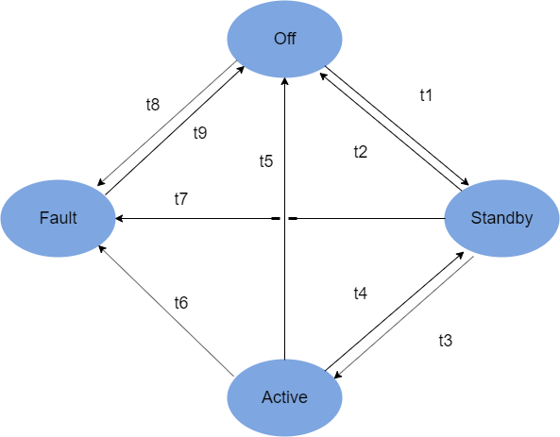
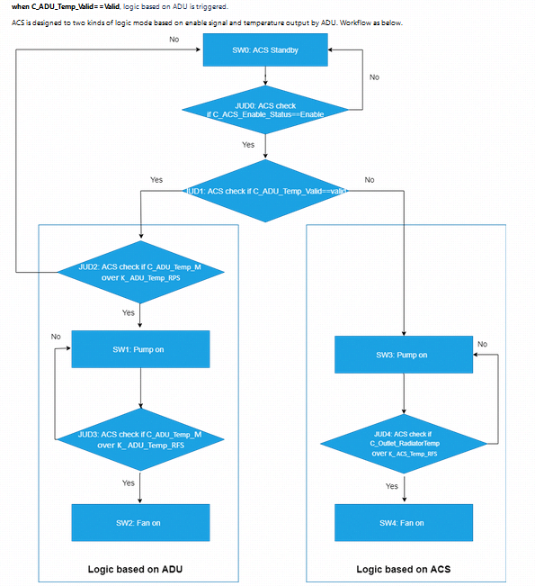
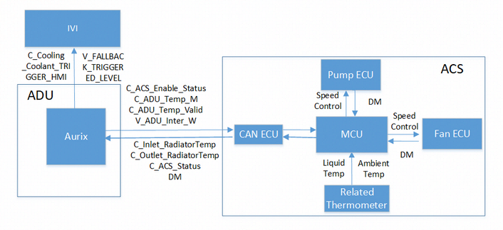
 |  |  | 二级case数量
id | feature | case类别 | sum
AC_1 | AC | off | 4
AC_2 | AC | stand by | 2
AC_3 | AC | active RM | 28
 | AC | active Pump on | 4
 | AC | active Pump off | 5
 | AC | active Fan on | 6
 | AC | active Fan off | 7
AC_4 | AC | fault | 4
total |  |  | 60

FD_lib
valide | rm | feature | filter01 | filter02 | filter03 | original_text<v.109> | change<v.40> | update_add<v.40> |  | change<reserve> | update_add<reserve>
Y | 2832 | AC | 状态跳转类 |  |  | When KL15 is off, ACS is in Off status, which is the default status of ACS. | update | When KL15 is off, ACS is in Off status, which is the default status of ACS. Condition of transition from Standby to Off t2, condition of transition from Active to Off t5 and condition of transition from Fault to Off t9 are pre-defined as below. KL15 is off ACS should be in power off status, thus no message from ACS shall be sent out | 当KL15关闭时，ACS处于关闭状态，这是ACS的默认状态。 从待机转换到关闭t2的条件、从激活转换到关闭t5的条件以及从故障转换到关闭t9的条件预定义如下。 KL15关闭 ACS应处于断电状态，因此不应发送来自ACS的消息
Y | 2833 | AC | 状态跳转类 |  |  | When KL15 is on, and diagnostic result are normal, ACS enters Standby status. ACS shall send below signal values to ADU From To Signal Name Signal Value ACS ADU C_ACS_Status 0x1: Standby In Standby status, ACS internal diagnostic process has been done. The items list as below. No Items Expected Value 1 Voltage supply 16V-32V 2 Fan hardware fault Negative 3 Pump hardware fault Negative 4 Water thermometer fault Negative 5 Fan ambient temperature -40℃-150℃ 6 ACS ECU ambient temperature -40℃-150℃ |  |  | 当KL15接通且诊断结果正常时，ACS进入待机状态。 ACS应向ADU发送以下信号值
Y | 2834 | AC | 状态跳转类 |  |  | When V_ACS_Enable_Status==Disable, ACS transit from Active to standby status | update | When aurix（A-side） is wakeup and engine is off，aurix sends C_ACS_Enable_Status==Disable, ACS transit from Active to standby status.
Y | 2835 | AC | 状态跳转类 |  |  | In this state, Aurix（A-side） is wakeup and engine is on, then aruix send C_ACS_Enable_Status==Enable to ACS. Condition of transition from Standby to Active t3 is pre-defined as below. Aurix send C_ACS_Enable_Status==Enable. ACS shall send below signal values to ADU From To Signal Name Signal Value ACS ADU C_ACS_Status 0x2: Active
Y | 2836 | AC | 状态跳转类 |  |  | 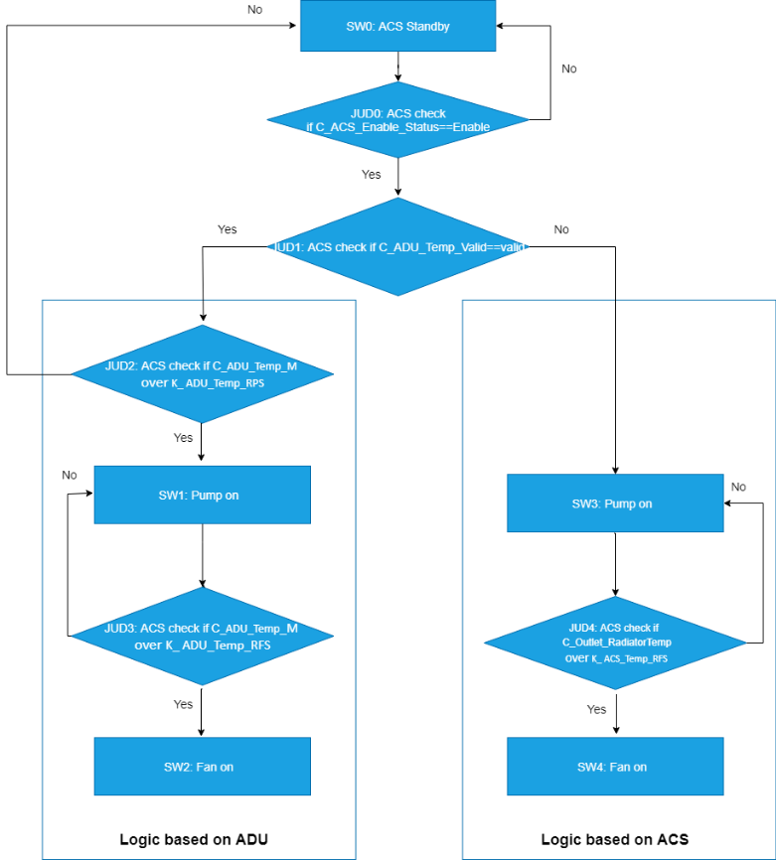 when C_ADU_Temp_Valid==Valid, logic based on ADU is triggered. ACS is designed to two kinds of logic mode based on enable signal and temperature output by ADU. Workflow as below.
Y | 2837 | AC | 状态跳转类 |  |  | Pump on as C_ADU_Temp_M ≥ K_ ADU_Temp_RPS. Fan on as C_ADU_Temp_M ≥ K ADU_Temp_RFS, or C_ADU_Inter_W==Positive.
Y | 2838 | AC | 状态跳转类 |  |  | As some reasons, ADU internal SOCs and PCBs stay in over temperature status（such as C_ADU_Temp_M≥75℃） and send C_ADU_Inter_W signal
Y | 2839 | AC | 状态跳转类 |  |  | 1.Fan speed control strategy is designed to a linear adjustment relation based on reference temperature of fan starting and reference temperature of ADU warning. When the temperature output by ADU is over than reference temperature of ADU warning, the fan keep in full speed. 2.As some reasons, ADU internal SOCs and PCBs stay in over temperature status and send C_ADU_Inter_W signal, ACS fan shall start and keep in full speed, even though K_ ADU_Temp_RFS do not reach.
Y | 2840 | AC | 状态跳转类 |  |  | Pump off as C_ADU_Temp_M < K_ ADU_Temp_RPS, or C_ACS_Enable_Status==Disable Fan off as C_ADU_Temp_M < K_ ADU_Temp_RFS, or C_ACS_Enable_Status==Disable
Y | 2841 | AC | 状态跳转类 |  |  | ACS shall compare C_ADU_Temp_M and K_ADU_Temp_W. If C_ADU_Temp_M ≥K_ADU_Temp_W, ACS shall set Over_Temp_level value to Warning. ACS calculate time of warning last. When K_TimeLast_Over_Temp reach, ACS shall set Over_Temp_level value to Critical. ACS shall compare C_ADU_Temp_M and K_ADU_Temp_C. If C_ADU_Temp_M ≥K_ADU_Temp_C, ACS shall set Over_Temp_level value to Critical. ACS shall monitor use of coolant, and set Coolant_Alarm to Warning if coolant is not enough.
Y | 2842 | AC | 状态跳转类 |  |  | When IVI_Box receives Coolant_Alarm==Warning signal, shall indicate driver add coolant. IVI shall indicate：“系统存在过热风险，请及时添加冷却液”
Y | 2843 | AC | fallback类 |  |  | fallback When ADU receives C_Over_Temp_level==Critical, shall trigger fallback process with level B thru the internal signal: V_COOLING_FALLBACK_TRIGGER_EVENT_F01 = Active Note that if over temperature is critical, AD shall not transit from Disengage to Engage.
Y | 2844 | AC | 状态跳转类 |  |  | when C_ADU_Temp_Valid==Invalid, logic based on ACS is triggered
Y | 2845 | AC | 状态跳转类 |  |  | Pump on with no trigger required. Fan on as C_Outlet_RadiatorTemp ≥ K_ ACS_Temp_RFS, or C_ADU_Inter_W==Warning. | update | Pump on with no trigger required. Fan on as C_Outlet_RadiatorTemp ≥ K_ ACS_Temp_RFS, or C_ADU_Inter_W==Positive.
Y | 2846 | AC | 状态跳转类 |  |  | Fan speed control is based on comprehensive consideration of inlet temperature , outlet temperature, liquid flow rate ,ambient temperature. When the ADU inlet temperature is over than reference temperature of ADU warning, the fan keep in full speed. As some reasons, ADU internal SOCs and PCBs stay in over temperature status and send C_ADU_Inter_W signal, ACS fan shall start and keep in full speed, even though K_ ACS_Temp_RFS do not reach.
Y | 2847 | AC | 状态跳转类 |  |  | Pump off as V_ACS_Enable_Status==Disable. Fan off asC_ADU_Temp_M < K_ ACS_Temp_RFS, or V_ACS_Enable_Status==Disable last for 5 cycle. | update | Pump off as C_ACS_Enable_Status==Disable. Fan off as C_Outlet_RadiatorTemp < K_ ACS_Temp_RFS, or C_ACS_Enable_Status==Disable
Y | 2848 | AC | 状态跳转类 |  |  | ACS shall compare C_Outlet_RadiatorTemp and K_ACS_Temp_W. If C_Outlet_RadiatorTemp ≥K_ACS_Temp_W, ACS shall set Over_Temp_level value to Warning. ACS calculate time of warning last. When K_TimeLast_Over_Temp reach, ACS shall set Over_Temp_level value to Critical. ACS shall compare C_Outlet_RadiatorTemp and K_ACS_Temp_C. If C_Outlet_RadiatorTemp ≥K_ACS_Temp_C, ACS shall set Over_Temp_level value to Critical. ACS shall monitor use of coolant, and set Coolant_Alarm to Warning if coolant is not enough.
Y | 2849 | AC | 状态跳转类 |  |  | When KL15 is on , ACS performs internal diagnostic and some diagnostic fault exist. Condition of transition from Off to Fault t8, condition of transition from Standby to Fault t7 and condition of transition from Active to Fault t6 are pre-defined as below. KL15 is on. Diagnostic fault exist. ACS shall send below signal values to ADU. From To Signal Name Signal Value ACS ADU C_ACS_Status 0x3: Fault In Fault status, ACS internal diagnostic result are not all meet as below. No Items Expected Value 1 Voltage supply 16V-32V 2 Fan hardware fault Negative 3 Pump hardware fault Negative 4 Water thermometer fault Negative 5 Fan ambient temperature -40℃-150℃ 6 ACS ECU ambient temperature -40℃-150℃
Y | 2850 | AC | fallback类 |  |  | When ADU receives C_ACS_Status==Fault, shall trigger fallback process with level B. Note that if ACS is in Fault state, AD shall not transit from Disengage to Engage. | update | When ADU receives C_ACS_Status==Fault, shall trigger fallback process with level B thru internal signal: V_COOLING_FALLBACK_TRIGGER_EVENT_F01 = Active Note that if ACS is in Fault state, AD shall not transit from Disengage to Engage.
Y | 2851 | AC | 状态跳转类 |  |  | ACS shall have diagnostics to indicate the system operating status. From To Signal Name Signal Value ACS ADU C_Fan_AmbientTemp_Alarm 0x0: Negative 0x1: Positive 0x2-0x3: reserved ACS ADU C_ECU_AmbientTemp_Alarm 0x0: Negative 0x1: Positive 0x2-0x3: reserved ACS ADU C_Voltage_Alarm 0x0: Normal 0x1: Over Voltage 0x2: Under Voltage 0x3: reserved ACS ADU C_Fan_hardware_Fault 0x0: Negative 0x1: Positive 0x2-0x3: reserved ACS ADU C_ECU_hardware_Fault 0x0: Negative 0x1: Positive 0x2-0x3: reserved ACS ADU C_Pump_hardware_Fault 0x0: Negative 0x1: Positive 0x2-0x3: reserved ACS ADU C_Water_Thermometer_Alarm 0x0: Negative 0x1: Positive 0x2-0x3: reserved
Y | 2852 | AC | 状态跳转类 |  |  | K_ ACS_Temp_RFS = xx ℃ (TBD) K_ ACS_Temp_W = xx ℃ (TBD) K_ ACS_Temp_C = xx ℃ (TBD) | update | K_ACS_Temp_RFS = 30 ℃ K_ACS_Temp_W = 56 ℃ K_ACS_Temp_C = 57 ℃
Y | 2853 | AC | 状态跳转类 |  |  | K_TimeLast_Over_Temp= xx mins (TBD) K_ ADU_Temp_RPS = xx ℃ (TBD) K_ ADU_Temp_RFS = xx ℃ (TBD) K_ ADU_Temp_W = xx ℃ (TBD) K_ ADU_Temp_C = xx ℃ (TBD) | update | K_TimeLast_Over_Temp= 30s K_ADU_Temp_RPS = 0 ℃ K_ADU_Temp_RFS = 40 ℃ K_ADU_Temp_W = 75 ℃ K_ADU_Temp_C = 80 ℃
Y | 2854 | AC | 状态跳转类 |  |  | 4.3 Network Signals Lists Message Name From To Signal Name Signal Value ACS_Feedback1 ACS ADU C_Inlet_RadiatorTemp -40° -+150° ACS_Feedback1 ACS ADU C_Outlet_RadiatorTemp -40° -+150° ACS_Feedback1 ACS ADU C_Fan_AmbientTemp -40° -+125° ACS_Feedback1 ACS ADU C_ECU_AmbientTemp -40° -+125° ACS_Feedback1 ACS ADU C_Voltage 0-36V ACS_Feedback1 ACS ADU C_Fan_SpeedPercent / ACS_Feedback1 ACS ADU C_Pump_SpeedPercent / ACS_Feedback1 ACS ADU C_ACS_Status 0x0：Off 0x1: Standby 0x2：Active 0x3：Fault 0x4~0x7 reserved ACS_Feedback1 ACS ADU C_Over_Temp_level 0x0: Normal 0x1: Warning 0x2: Critica 0x3: reserved ACS_Feedback1 ACS ADU C_ACS_Alive_Counter ACS_Feedback2 ACS IVI_Box C_Coolant_Alarm 0x0: Normal 0x1: Warning 0x2~0x3: reserve ACS_Feedback2 ACS ADU C_Fan_AmbientTemp_Alarm 0x0: Negative 0x1: Positive 0x2-0x3: reserved ACS_Feedback2 ACS ADU C_ECU_AmbientTemp_Alarm 0x0: Negative 0x1: Positive 0x2-0x3: reserved ACS_Feedback2 ACS ADU C_Voltage_Alarm 0x0: Normal 0x1: Over Voltage 0x2：Under Voltage 0x3:reserved ACS_Feedback2 ACS ADU C_Fan_hardware_Fault 0x0: Negative 0x1: Positive 0x2-0x3: reserved ACS_Feedback2 ACS ADU C_ECU_hardware_Fault 0x0: Negative 0x1: Positive 0x2-0x3: reserved ACS_Feedback2 ACS ADU C_Pump_hardware_Fault 0x0: Negative 0x1: Positive 0x2-0x3: reserved ACS_Feedback2 ACS ADU C_Water_Thermometer_Alarm 0x0: Negative 0x1: Positive 0x2-0x3: reserved ACS_Feedback2 ACS ADU C_ACS_Alive_Counter ACS_Enable_ADU ADU ACS C_ACS_Enable_Status 0x0: Disable 0x1: Enable 0x2-0x3: reserved ACS_Enable_ADU ADU ACS C_ADU_Alive_Counter ACS_Enable_ADU ADU ACS C_ADU_Temp_M -40° -+150° ACS_Enable_ADU ADU ACS C_ADU_Temp_Valid 0x0 :Invalid 0x1 :Valid 0x2-0x3:reserved ACS_Enable_ADU ADU ACS C_ADU_Inter_W 0x0 :Negative 0x1 :Positive 0x2-0x3:reserved / ADU ADU V_FALLBACK_TRIGGERED_LEVEL 0x0 - No Level 0x1 - reserve 0x2 - Level B 0x3 - Level C | update | 4.3 Network Signals Lists Message Name From To Signal Name Signal Value ACS_Feedback1 ACS ADU C_Inlet_RadiatorTemp -40° -+150° ACS_Feedback1 ACS ADU C_Outlet_RadiatorTemp -40° -+150° ACS_Feedback1 ACS ADU C_Fan_AmbientTemp -40° -+125° ACS_Feedback1 ACS ADU C_ECU_AmbientTemp -40° -+125° ACS_Feedback1 ACS ADU C_Voltage 0-36V ACS_Feedback1 ACS ADU C_Fan_SpeedPercent / ACS_Feedback1 ACS ADU C_Pump_SpeedPercent / ACS_Feedback1 ACS ADU C_ACS_Status 0x0：Off 0x1: Standby 0x2：Active 0x3：Fault 0x4~0x7 reserved ACS_Feedback1 ACS ADU C_Over_Temp_level 0x0: Normal 0x1: Warning 0x2: Critica 0x3: reserved ACS_Feedback1 ACS ADU C_ACS_Alive_Counter ACS_Feedback2 ACS IVI_Box C_Coolant_Alarm 0x0: Normal 0x1: Warning 0x2~0x3: reserve ACS_Feedback2 ACS ADU C_Fan_AmbientTemp_Alarm 0x0: Negative 0x1: Positive 0x2-0x3: reserved ACS_Feedback2 ACS ADU C_ECU_AmbientTemp_Alarm 0x0: Negative 0x1: Positive 0x2-0x3: reserved ACS_Feedback2 ACS ADU C_Voltage_Alarm 0x0: Normal 0x1: Over Voltage 0x2：Under Voltage 0x3:reserved ACS_Feedback2 ACS ADU C_Fan_hardware_Fault 0x0: Negative 0x1: Positive 0x2-0x3: reserved ACS_Feedback2 ACS ADU C_ECU_hardware_Fault 0x0: Negative 0x1: Positive 0x2-0x3: reserved ACS_Feedback2 ACS ADU C_Pump_hardware_Fault 0x0: Negative 0x1: Positive 0x2-0x3: reserved ACS_Feedback2 ACS ADU C_Water_Thermometer_Alarm 0x0: Negative 0x1: Positive 0x2-0x3: reserved ACS_Feedback2 ACS ADU C_ACS_Alive_Counter ACS_Enable_ADU ADU ACS C_ACS_Enable_Status 0x0: Disable 0x1: Enable 0x2-0x3: reserved ACS_Enable_ADU ADU ACS C_ADU_Alive_Counter ACS_Enable_ADU ADU ACS C_ADU_Temp_M -40° -+150° ACS_Enable_ADU ADU ACS C_ADU_Temp_Valid 0x0 :Invalid 0x1 :Valid 0x2-0x3:reserved ACS_Enable_ADU ADU ACS C_ADU_Inter_W 0x0 :Negative 0x1 :Positive 0x2-0x3:reserved / ADU ADU V_COOLING_FALLBACK_TRIGGER_EVENT_F01 0x0: Inactive 0x1: Active ACS_Calibration_ADU ADU ACS K_ ACS_Temp_RFS -40℃~+125℃
 | 5325 | AC |  |  |  |  | add | If can bus lose and ACS can receive no can message for 5 cycles , ACS must keep last know value which is C_ACS_Enable_Status. ACS shall send below signal values to ADU. From To Signal Name Signal Value ACS ADU C_ACS_Status 0x3: Fault ACS must keep working according to the singal which is C_ACS_Enable_Status until KL15 is off or ACS can receive the can message again. If in the next power cycle ACS still receive no can message, ACS shall enter standby status in next power cycle and send C_ACS_Status==0x3.
 | 5320 | AC |  |  |  |  | add | ADU shall learn all the calibration parameters by can message. ADU sends ACS_Calibration_ADU , ACS shall learn the calibration parameters when receive ACS_Calibration_ADU in below conditions: KL15 is on within 10s. The vehicel speed is <= 3 kph The calibration parameters values wthin the defined range in below table. From To Signal Name Signal Value value range ADU ACS K_ ACS_Temp_RFS -40℃~+125℃ 30℃~60℃ K_ ACS_Temp_W -40℃~+125℃ 50℃~80℃ K_ ACS_Temp_C -40℃~+125℃ 50℃~90℃ K_TimeLast_Over_Temp 0s~255s 15s~60s K_ ADU_Temp_RPS -40℃~+125℃ -10℃~15℃ K_ ADU_Temp_RFS -40℃~+125℃ 30℃~60℃ K_ ADU_Temp_W -40℃~+125℃ 65℃~80℃ K_ ADU_Temp_C -40℃~+125℃ 70℃~90℃ ACS shall send C_ACS_Status==fault to ADU in below conditions: The value do not meet the value range. ACS can not receive ACS_Calibration_ADU within 10s. The value to be calibrated is not same as the value from ACS_Calibration_ADU.

