Sheet
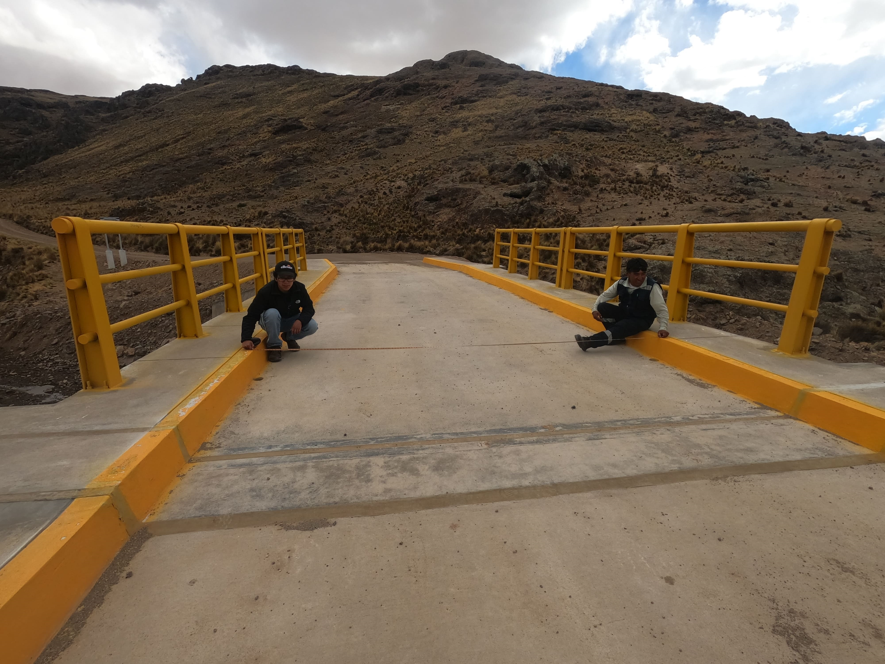
42
2023-11-17 | 2 | 3
 |  | hello

