Sheet
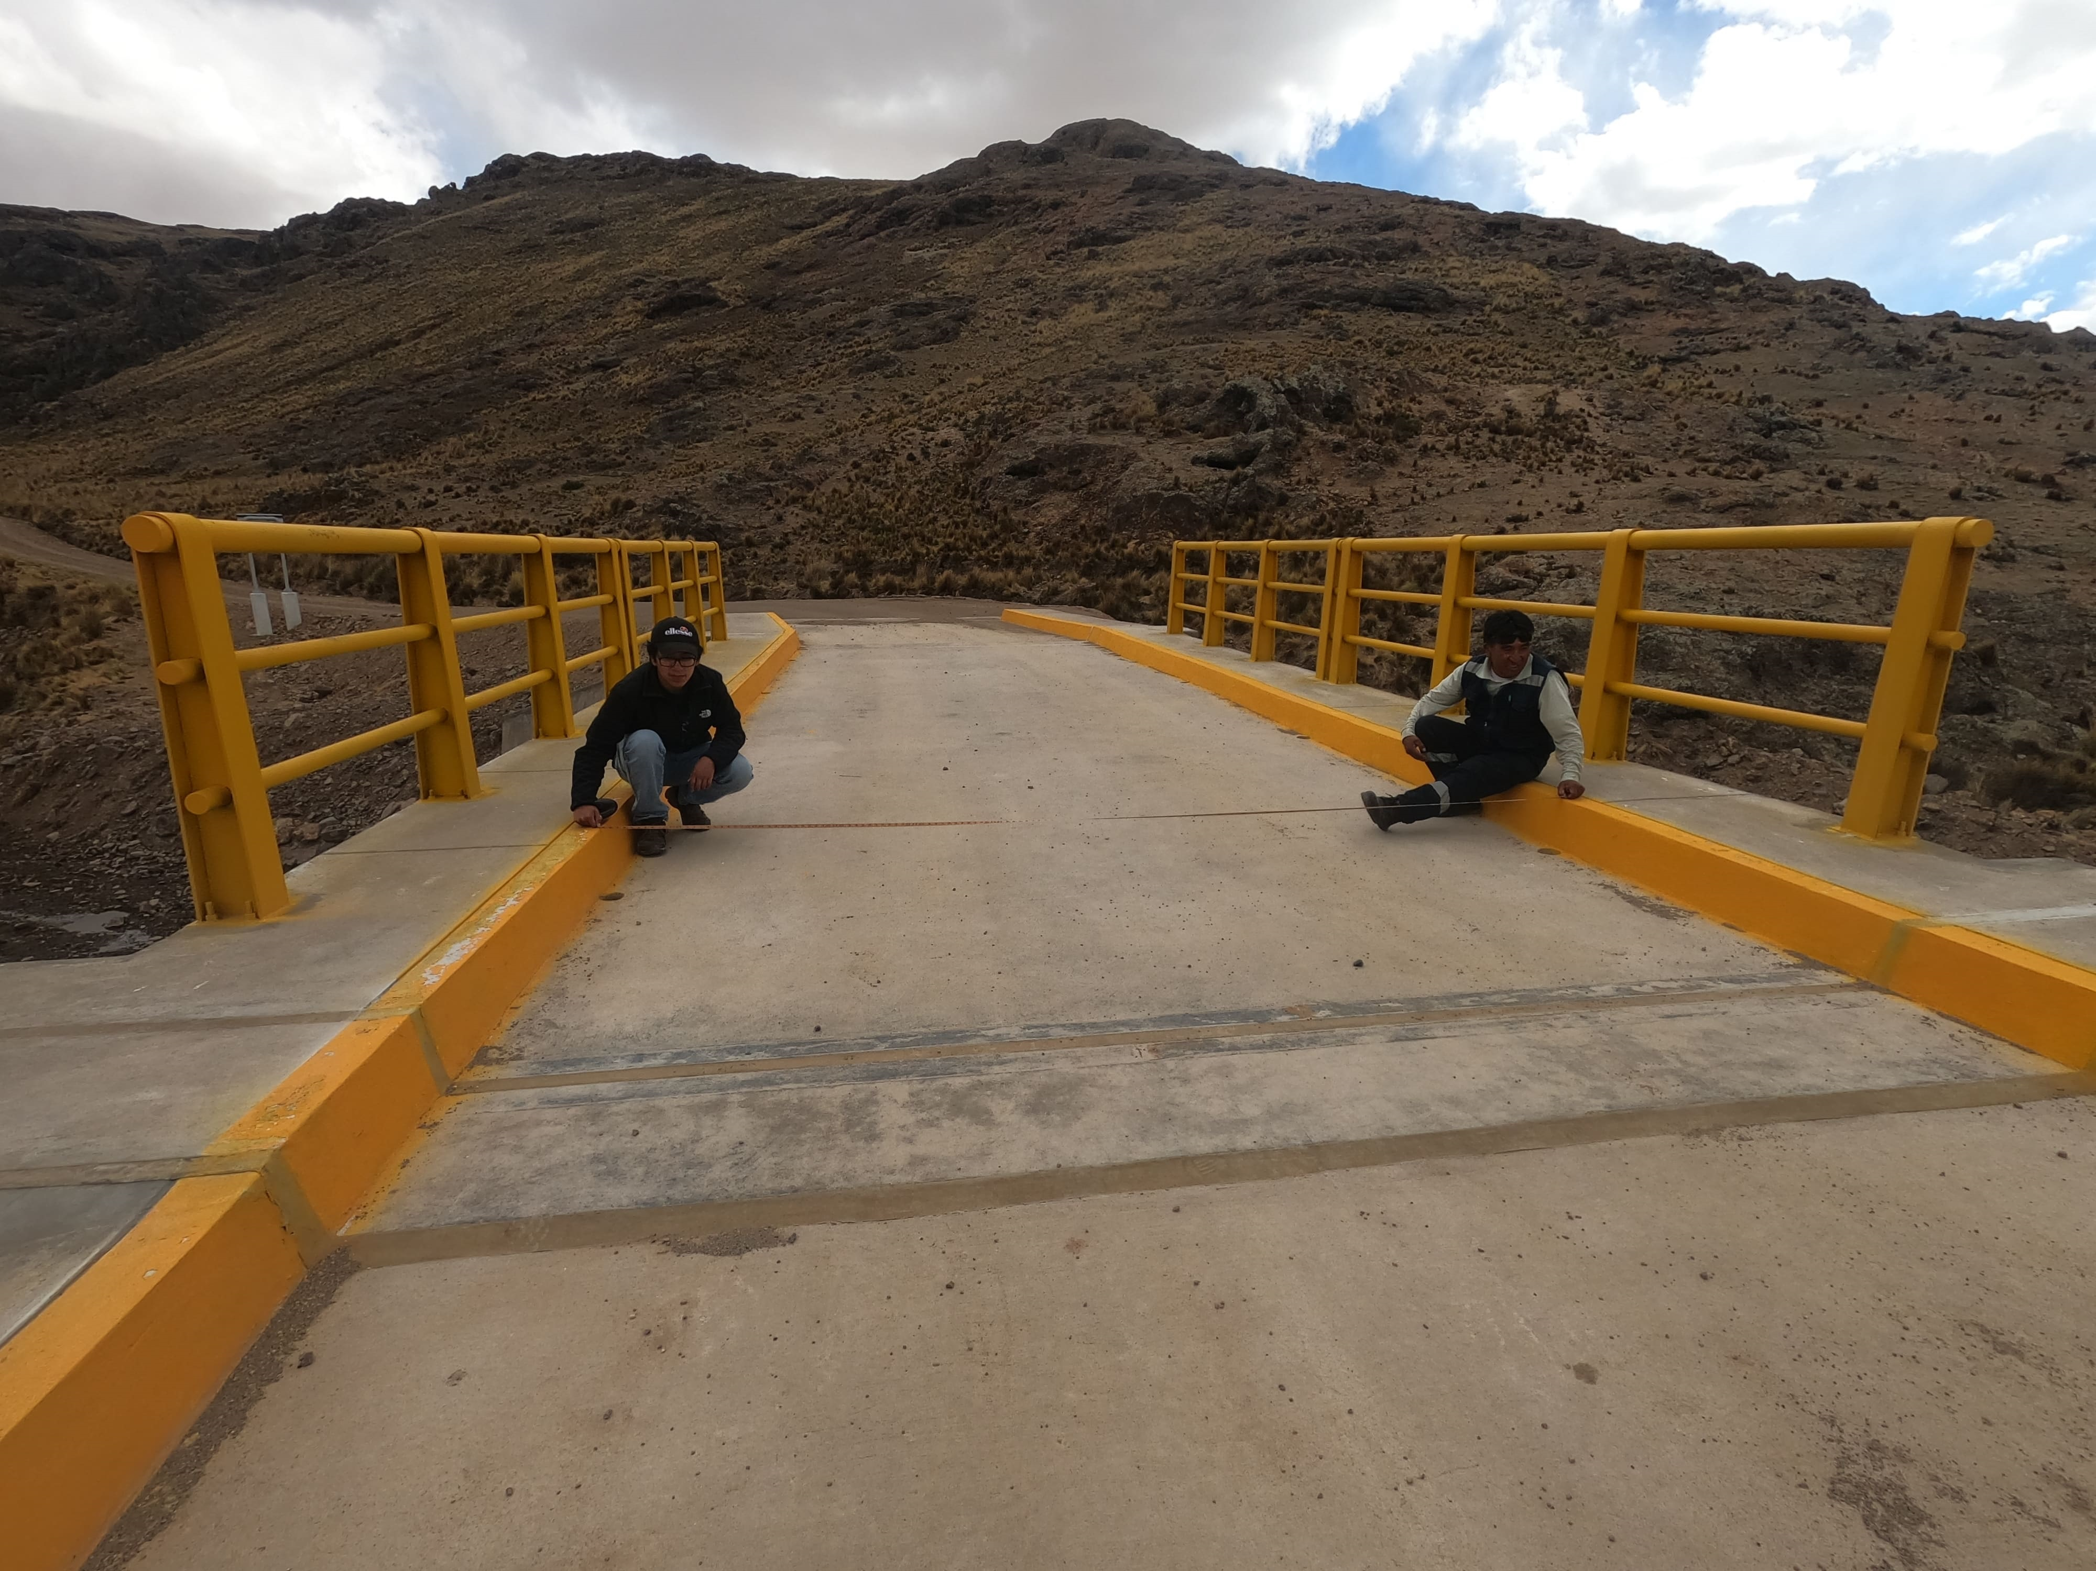
42
2023-11-19 | 2 | 3
 |  | hello

