Dashboard
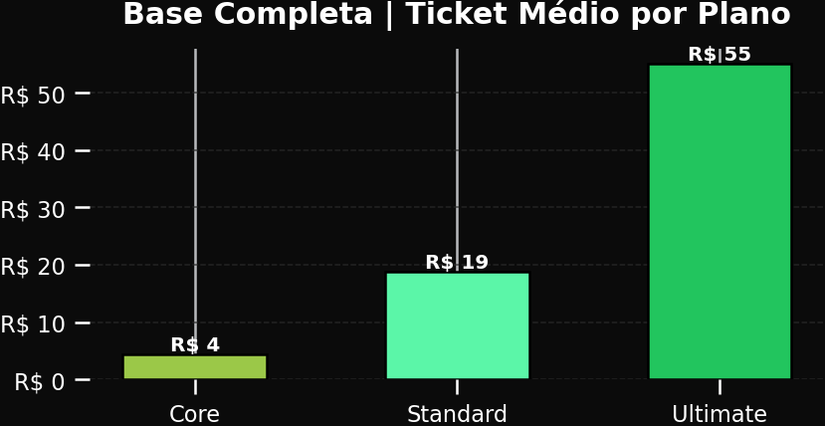
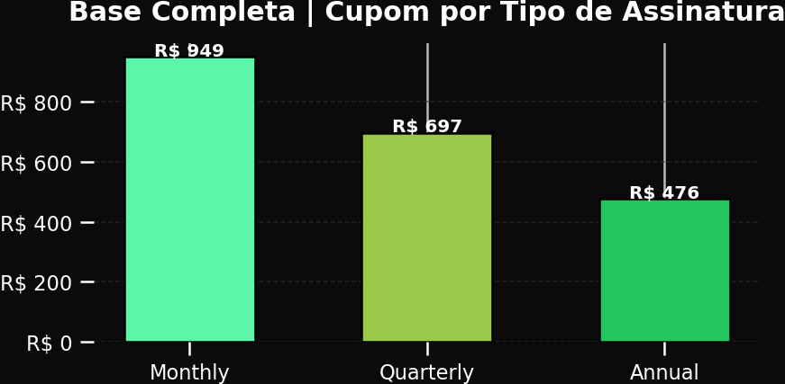
XBOX GAME PASS SUBSCRIPTIONS SALES |  |  |  | bem-vinda, Liana VIEW LEGEND: Top cards = Monthly View | Side cards = Annual View Calculation period: 01/01/2024 - 31/12/2024 | Update date: 25/05/2026 20:26

Subscription Type Monthly | Plan All Plans | Auto Renewal All | Year 2024
 |  |  |  |  | ANNUAL VIEW
R$ 3.571 TOTAL SUBSCRIPTIONS XBOX GAME PASS (MONTHLY VIEW) |  | R$ 1.350 TOTAL SUBSCRIPTIONS EA PLAY SEASON PASS (MONTHLY VIEW) |  | R$ 1.800 TOTAL SUBSCRIPTIONS MINECRAFT SEASON PASS (MONTHLY VIEW) | ANNUAL VIEW TOTAL REVENUE R$ 1.754

 |  |  |  |  | ANNUAL VIEW AUTO RENEWAL = YES R$ 1.537

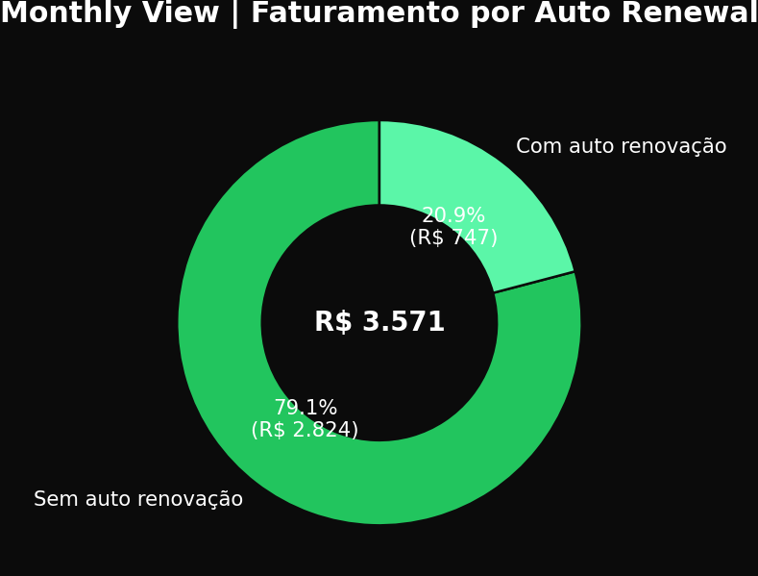
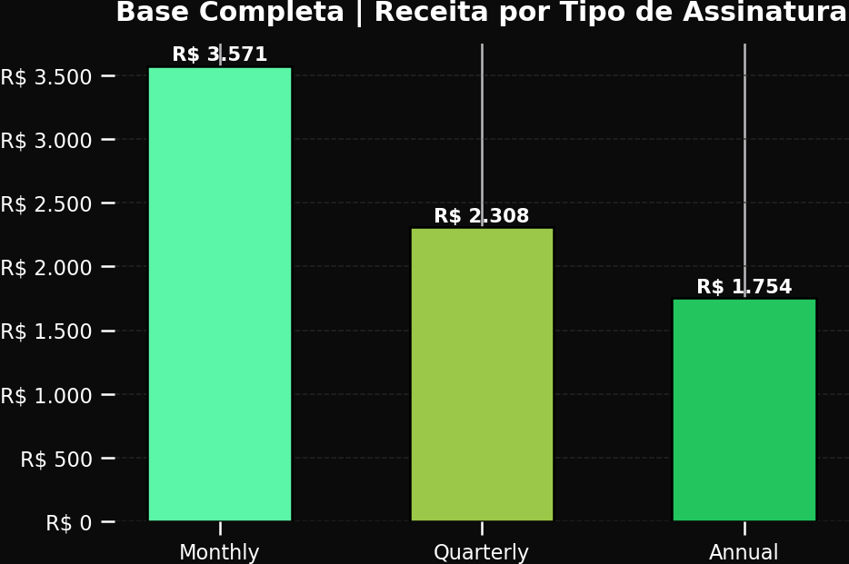
MONTHLY VIEW |  |  |  |  | ANNUAL VIEW AUTO RENEWAL = NO R$ 217
MONTHLY VIEW | AUTO RENEWAL |  |  | BASE COMPLETA | RECEITA POR TIPO DE ASSINATURA
 |  |  |  |  | NOTAS / INSIGHTS
 |  |  |  |  | • TOP CARDS = MONTHLY VIEW (mesma lógica do modelo-base) • SIDE CARDS = ANNUAL VIEW (perguntas de negócio 1 e 2) • Monthly total: R$ 3.571 • EA Play Monthly: R$ 1.350 • Minecraft Monthly: R$ 1.800 • Annual total: R$ 1.754 • Annual auto yes: R$ 1.537 • Annual auto no: R$ 217 Leitura agora separada entre visão Monthly e Annual para evitar ambiguidade na apresentação.

BASE COMPLETA | EVOLUÇÃO MENSAL DA RECEITA |  |  |  | BASE COMPLETA | RECEITA POR PLANO
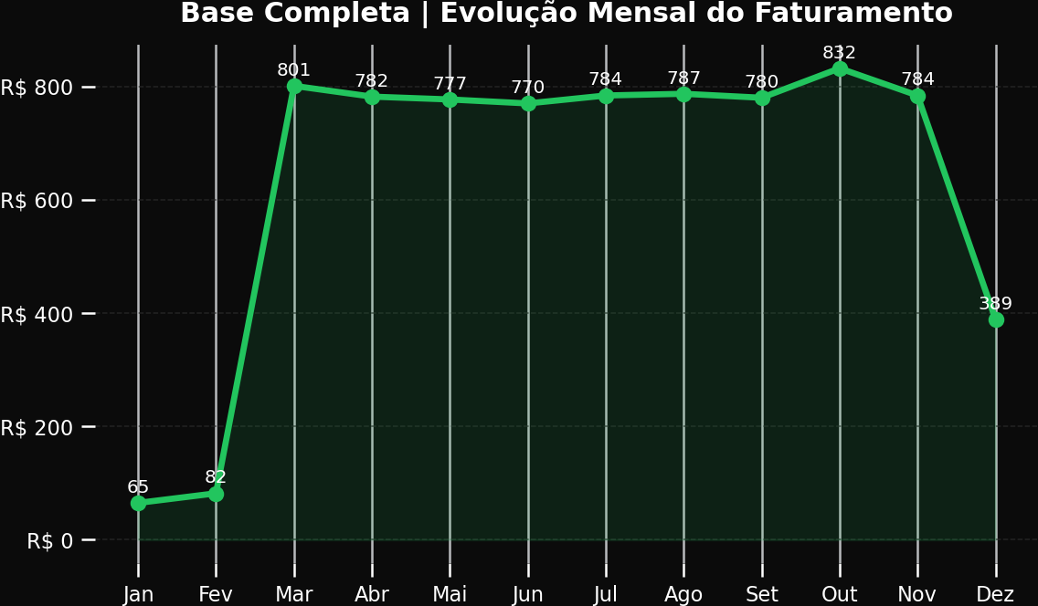
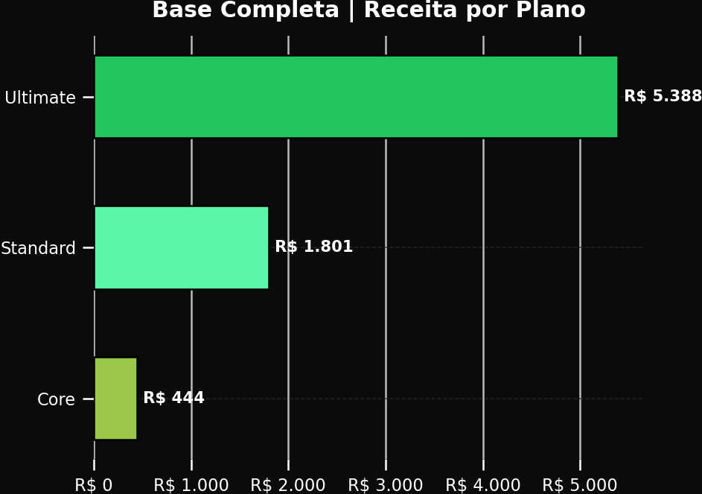

MONTHLY VIEW | ADD-ONS POR PLANO |  |  |  | ANNUAL VIEW | PLANOS ANUAIS
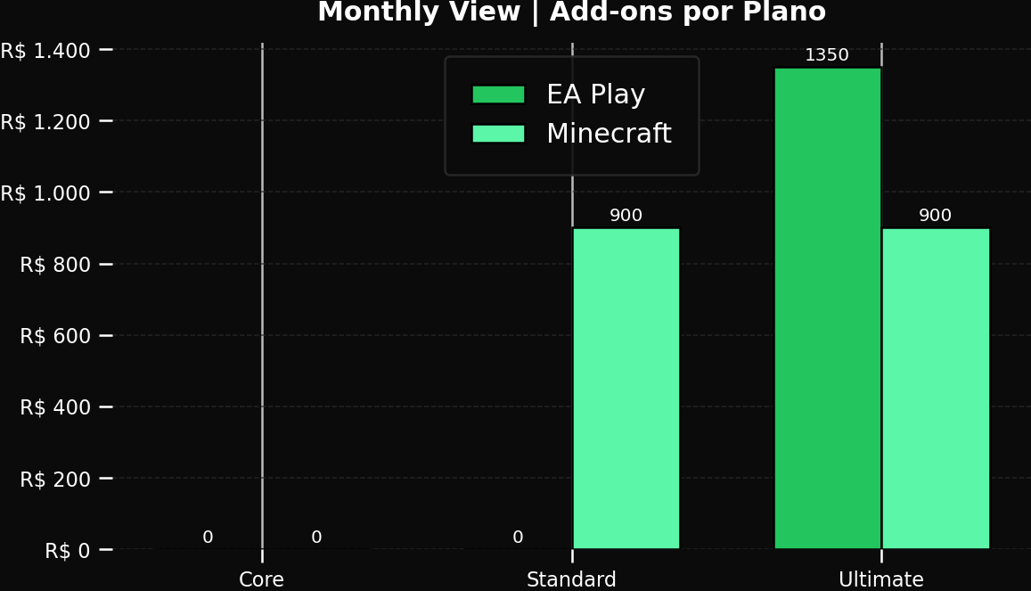
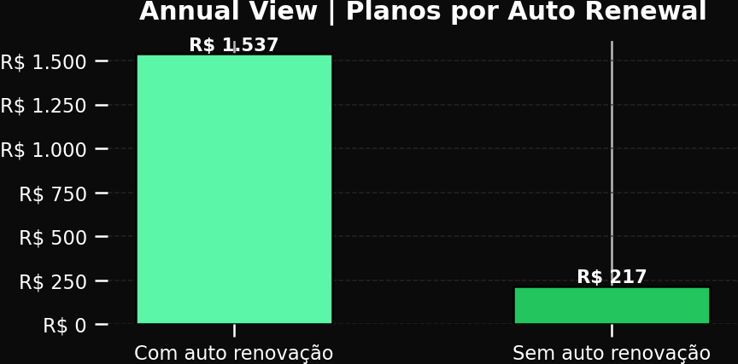

 |  |  |  | BASE COMPLETA | ASSINANTES POR PLANO
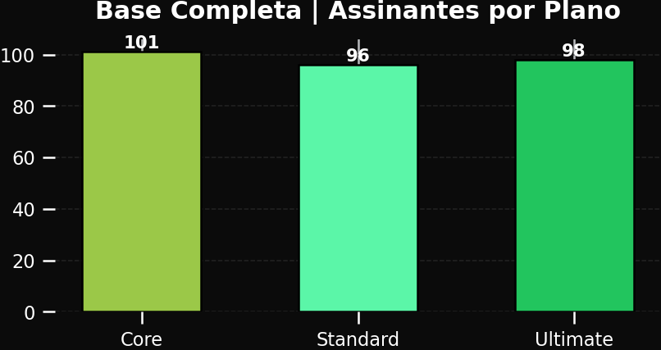

BASE COMPLETA | TICKET MÉDIO POR PLANO |  |  | BASE COMPLETA | CUPOM POR TIPO DE ASSINATURA

