READ ME
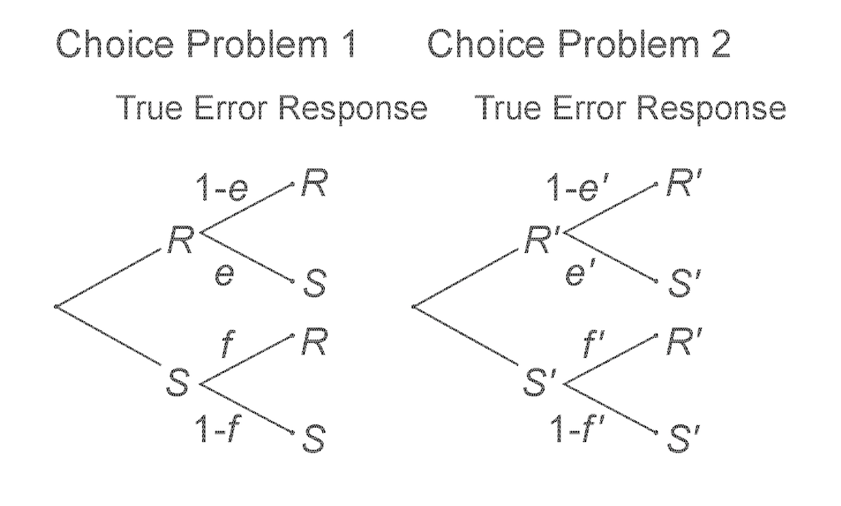
README for data input to the R-program, TEMAP2, which fits True and Error Models to 2 Choice problems that are replicated.
 |  | Model fits either iTET or gTET. Model works the same way in both cases, but interpretations differ.
 | EXPERIMENTAL DESIGN

 | We have two choices (1) R vs S and (2) R' vs S', each choice with two replications.

 | Labelling of preferences
 | In the Choice between R and S (or R' and S'):
 | Preference for R (or R') is coded as 0
 | Preference for S (or S') is coded as 1.

 | True Preferences
 | Then, 4 patterns of true preferences are possible:
 | a_00: true preference for R in Choice 1 and R' in Choice 2 |  |  | pRR'
 | a_01: true preference for R in Choice 1 and S' in Choice 2 |  |  | pRS'
 | a_10: true preference for S in Choice 1 and R' in Choice 2 |  |  | pSR'
 | a_11: true preference for S in Choice 1 and S' in Choice 2 |  |  | pSS'

 | Errors in a choice
 | When you truly prefer R (or R') in a choice:
 | error in choice (1) is labelled as "error_R1" |  | e
 | error in choice (2) is labelled as "error_R2" |  | e'

 | When you truly prefer S (or S') in a choice:
 | error in choice (1) is labelled as "error_S1" |  | f
 | error in choice (2) is labelled as "error_S2" |  | f'

 | Patterns of responses
 | Then, we have 16 pattern of responses PXYZW: P0000, P0001,P0010,P0011, etc. |  |  |  | The data are frequencies of each of these response patterns to four items.
 | Where "XY" are responses in Replication 1 and "ZW" are responses in replication 2.
 | For instance, P1001 is the pattern:
 | [Replication 1, Choice1=S][Replication1, Choice2=R'][Replication 2, Choice1=R][Replication2, Choice2=S']

 | Models
 | TE-4 imposes no constraints in the errors
 | TE-2 imposes the errors in a given choice to be the same, i.e., error_R1=error_S1 & error_R2=error_S2
 | TE-1 imposes the errors to be the same in any choice and replication, i.e., error_R1=error_S1= error_R2=error_S3
 | Independence assumes that the predicted probability of observing a response pattern is given by the product of the marginal choice probabilities.

 | Set the participant response patterns in sheet "Participant responses"
 | Set the models to be estimates in the sheet "Inputs"

