Sheet1
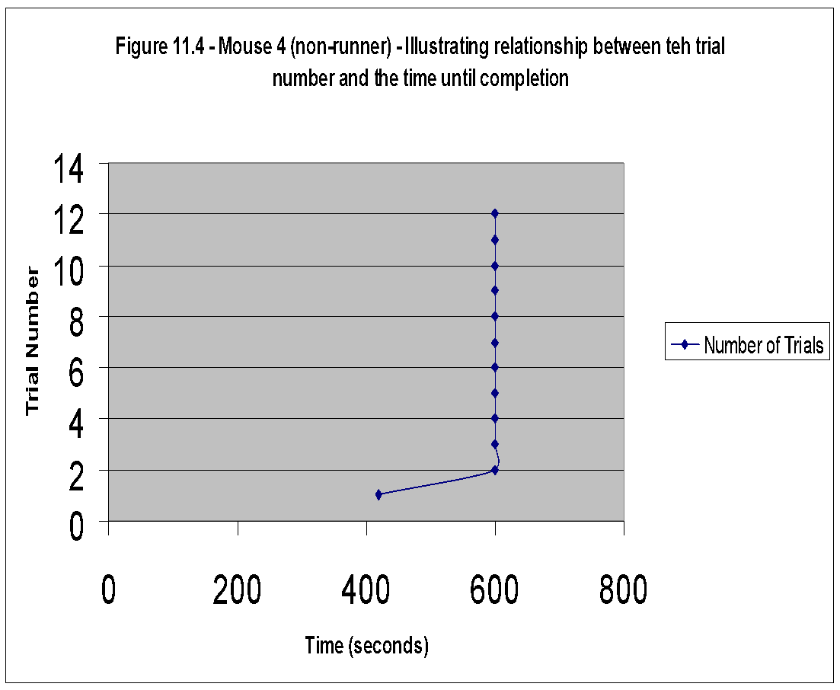
Mouse9 | Mouse8 | Mouse7 | Mouse6 | Mouse5 | Mouse4 | Mouse3 | Mouse2 | Mouse1
45 | 40 | 505 | 55 | 50 | 420 | 270 | 65 | 45
40 | 85 | 475 | 110 | 80 | 600 | 225 | 360 | 90
250 | 225 | 600 | 125 | 280 | 600 | 300 | 150 | 270
200 | 155 | 600 | 160 | 135 | 600 | 140 | 40 | 180
35 | 55 | 600 | 95 | 50 | 600 | 50 | 285 | 50
105 | 35 | 600 | 110 | 95 | 600 | 195 | 200 | 40
50 | 28 | 600 | 85 | 25 | 600 | 265 | 180 | 180
30 |  | 600 | 30 |  | 600 | 50 | 90 | 29
 |  | 600 |  |  | 600 | 28 | 180
 |  | 600 |  |  | 600 |  | 60
 |  | 600 |  |  | 600 |  | 31
 |  | 600 |  |  | 600 |  | 25

Mouse2 | Number of Trials |  | Mouse1
50 | 1 |  | 60
90 | 2 |  | 135
270 | 3 |  | 195
180 | 4
50 | 5 |  | 60
40 | 6 |  | 75
25 | 7 |  | 45
 | 8 |  | 30
 | 9
 | 10
 | 11
 | 12

Figure 4.2 - Mouse 2 - Illustrating relationship between teh trial number and the time until completion

